Sheet1
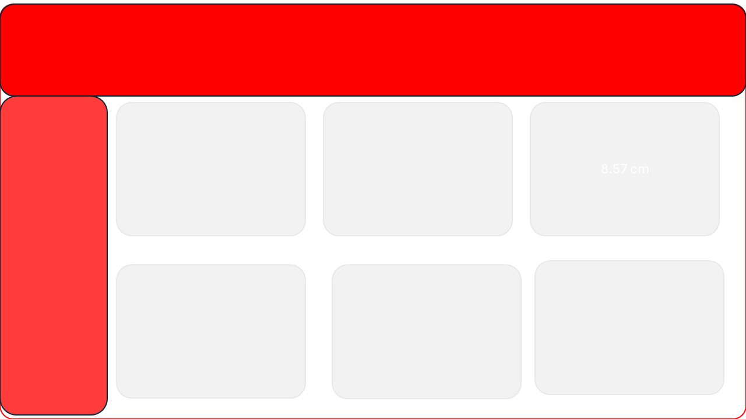
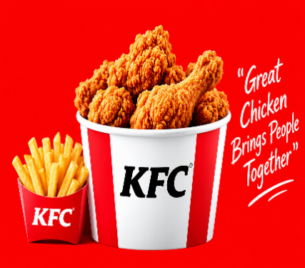
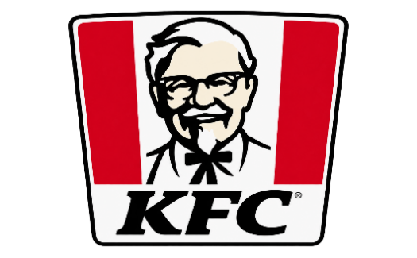
KFC
it’s finger lickin’ good” lettering
32 MIN
Average Delivery Duration
₹ 16,200.00
Total Revenue
14
Total Customer
9247
Total order

 | Total
February | 229
March | 999
April | 398
June | 249
October | 10426
December | 3899
Order Quantity vs. Average Delivery Time
 | Total
1 | 39
2 | 24
3 | 37
4 | 28
5 | 31
6 | 39

Sales Performance – Top 5 Products
 | Series1
1 | 359087
2 | 448034
3 | 374751
4 | 317481
 | Total
Bahraich | 5
Bhilai | 6
Bhimavaram | 6
Dehri | 2
Dhule | 8
Firozabad | 2
Jhansi | 1
Malda | 6
Nadiad | 3
Product Popularity by Order Type
 | 9 Pc Chicken Bucket | 12 Pc Chicken Bucket | 6 Pc Chicken Bucket | 9 Pc Chicken Bucket | Family Feast Bucket
Dine-in |  |  | 6
Drive-thru | 6 | 1 | 17
Home Delivery |  |  | 2
Takeaway |  |  | 2 | 2 | 3

