dashboard
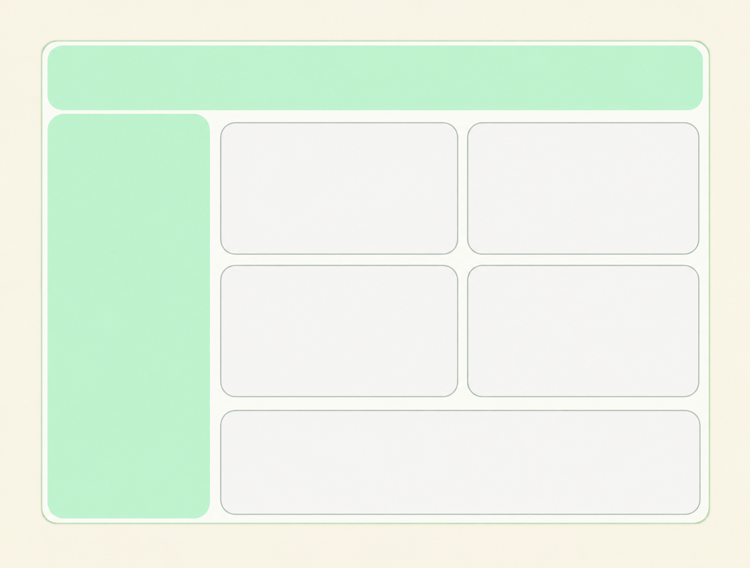

₹ 35,20,984.00
Total Revenue
3
AVG.Quantity
6
AVG. delivery days
₹ 3,521
AVG. Apending
1000
Total orders

total sales price
 | Total
November | 449169
April | 140393
August | 737389
December | 149591
February | 704509
January | 95468
July | 135826
June | 157913
March | 511823
May | 150346
October | 151619
September | 136938
Top Products by Revenueal
 | Total
Magnam Set | 121905
Quia Gift | 114476
Dolores Gift | 106624
Harum Pack | 101556
Deserunt Box | 97665
Nostrum Box | 97656
Error Gift | 97012
Exercitationem Pack | 96701
Nam Gift | 91385
Dignissimos Pack | 90036

Top 10 Cities by Number of Orders
 | Total
Bidhannagar | 61
Haridwar | 73
Agra | 61
Dhanbad | 85
Dibrugarh | 70
Imphal | 108
Kavali | 84
Bhatpara | 62
North Dumdum | 61
Chinsurah | 55
 | Total
All Occasions | 586176
Anniversary | 674634
Birthday | 408194
Diwali | 313783
Holi | 567798
Raksha Bandhan | 631585
Valentine's Day | 331930

