Colors
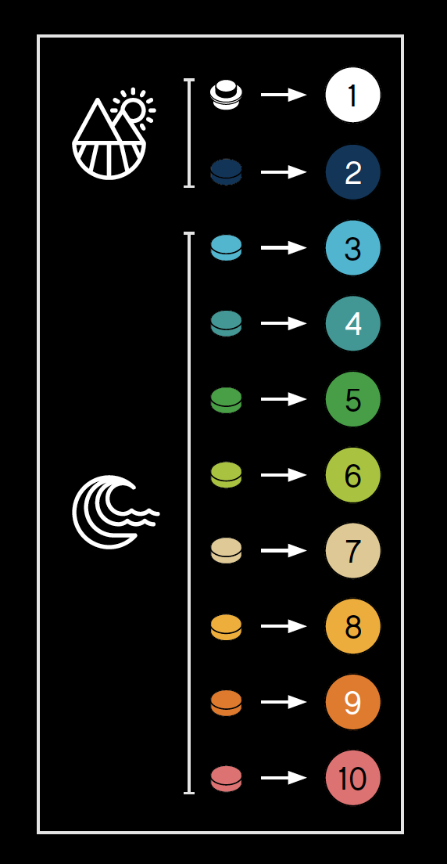
 | R | G | B | Hex | #Pieces | %Total
1 | 255 | 255 | 255 | FFFFFF | 3,052 | 29.8%
2 | 0 | 53 | 94 | 00355E | 392 | 3.8%
3 | 0 | 186 | 214 | 00BAD6 | 1,602 | 15.7%
4 | 0 | 155 | 149 | 009B95 | 1,881 | 18.4%
5 | 0 | 165 | 30 | 00A51E | 534 | 5.2%
6 | 151 | 200 | 0 | 97C800 | 1,018 | 10.0%
7 | 231 | 201 | 135 | E7C987 | 721 | 7.0%
8 | 255 | 168 | 0 | FFA800 | 597 | 5.8%
9 | 255 | 109 | 0 | FF6D00 | 229 | 2.2%
10 | 254 | 95 | 107 | FE5F6B | 203 | 2.0%
 |  |  |  | Total: | 10,229 | 100.0%

Lego World Map Instructions

