Captoril
compound 1 | Captoril |  |  | Answer is R
(2R)-1-[(2R)-2-methyl-3-sulfanylpropanoyl]pyrrolidine-2-carboxylic acid
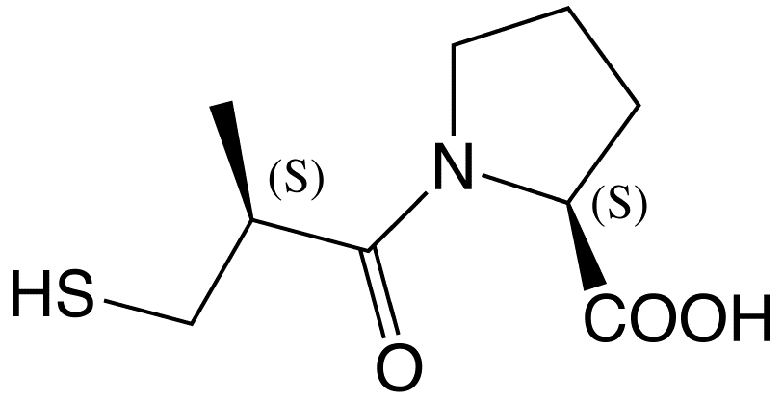
 | R | S

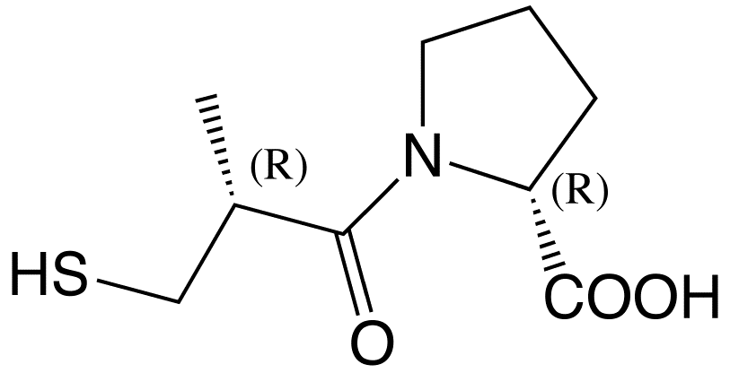

 | CD spectrum of captoril
 | Wavlength | R | S
 | 190 | 2.5 | -2.5
 | 200 | 9 | -9
 | 210 | 19 | -19
 | 220 | 15 | -15
 | 230 | 5 | -5
 | 240 | 1 | -1
 | 250 | 0.5 | -0.5
 | 260 | 0 | 0
 | 270 | 0 | 0
 | 280 | 0 | 0
(2S)-1-[(2S)-2-methyl-3-sulfanylpropanoyl]pyrrolidine-2-carboxylic acid
 | 290 | 0 | 0

3-Methylcyclohexanone
compound 2 | 3-Methylcyclohexanone |  |  | Answer is S

S-3-Methylcyclohexanone
 | R | S
 | Pls use the structure that you are using as an example in the site.

 | CD spectrum of 3-Methylcyclohexanone
 | Wavlength | S | R
 | 200 | 0 | 0
 | 220 | 0 | 0
 | 240 | 0 | 0
 | 250 | -0.06 | 0.06
 | 275 | -0.428 | 0.428
R-3-Methylcyclohexanone
 | 290 | -0.56 | 0.56
 | 300 | -0.48 | 0.48
 | 310 | -0.3 | 0.3
 | 325 | -0.04 | 0.04
 | 350 | -0.009 | 0.009
 | 400 | 0 | 0

Camphor-10-sulphonic acid
compound 3 | Camphor-10-sulfonic acid |  |  | Answer is R
R-Camphor-10-sulfonic acid
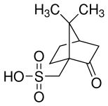
 | R | S
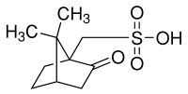

 | CD spectrum of Camphor-10-sulfonic acid
 | Wavlength | R | S
 | 200 | 90 | -90
 | 220 | 12 | -12
 | 221 | 10 | -10
 | 222 | 9 | -9
 | 223 | 8 | -8
 | 224 | 5 | -5
 | 225 | 6 | -6
 | 230 | 0 | 0
 | 240 | 0 | 0
 | 260 | -60 | 60
S-Camphor-10-sulfonic acid
 | 280 | -245 | 245
 | 290 | -309 | 309
 | 300 | -246 | 246
 | 310 | -100 | 100
 | 320 | -10 | 10
 | 340 | 0 | 0
 | 360 | 0 | 0
 | 380 | 0 | 0
 | 400 | 0 | 0

