Sheet2
Figure 4 Shear transfer mechanism through bond layer
PZT patch
Adhesive
Host structure
x
τ
up
u

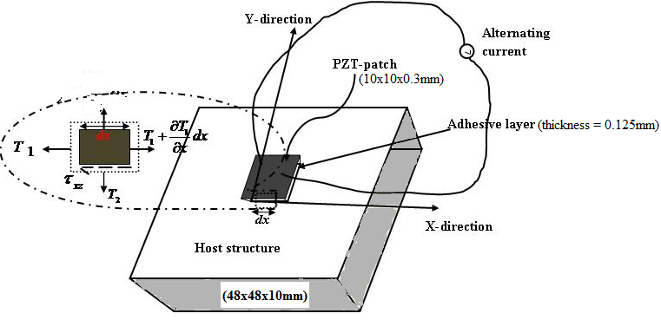

u
u_{p}
Bond layer
PZT patch
Host Structure
After deformation
x
PZT patch

