Sheet1
Statement : "If we look at the data for all districts, we find that for one class (either class 3, class 5 or class 8) the absolute difference between average Mathematics scores for boys and girls is moderately positively correlated with the absolute difference in their participation. Hence, greater the gender disparity in the participation, the greater the difference in scores for this class"

We analyzed the data for each of the classes and plotted a scatter plot identify subtle changes and we obtained the following
Correlation plots for class 3, class 5, class 8 in order

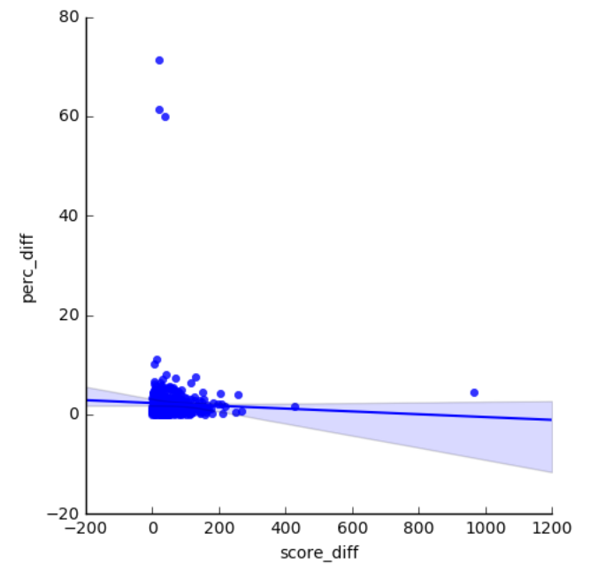

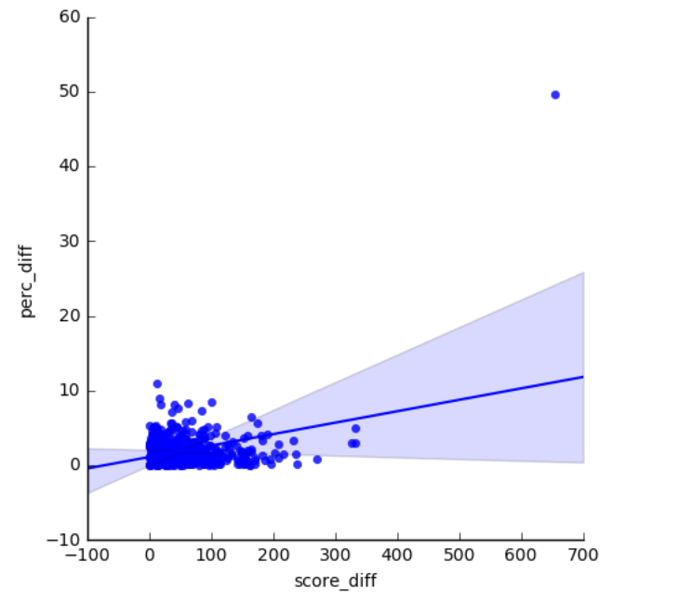

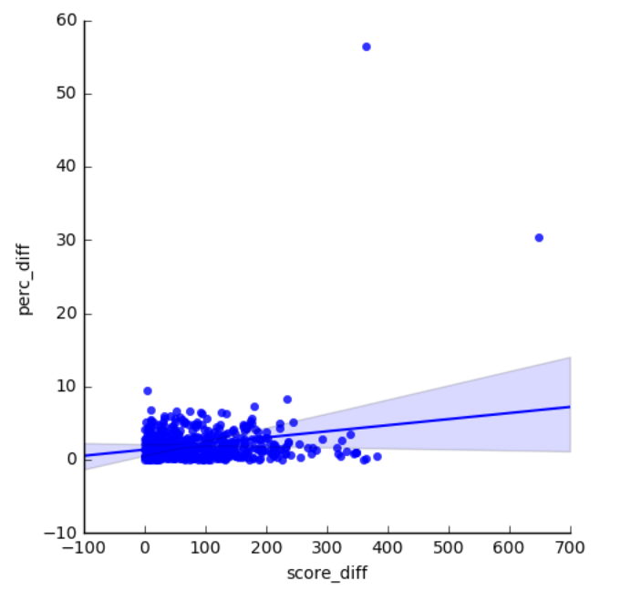

we also calculated pearsons correlation coefficient for each class

Class 3 : | -0.035077772631
Class 5 : | 0.34318425987 | //Moderately Positively correlated
Class 8 : | 0.21647070306 | //Moderately Positively correlated

So we conclude from the above data that they are moderately positively correlated

