Left join
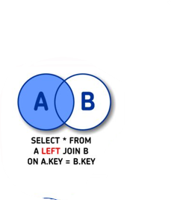
SalesRepTable |  |  | BudgetTable
SalesRepID | SalesRepName |  | SalesRepID | BudgetSum
SR01 | Jane Smith |  | SR01 | 4000
SR02 | John Doe |  | SR04 | 5000
SR03 | Emily Stone

 |  | LEFT JOIN
 |  | SELECT * FROM SalesRepTable LEFT JOIN BudgetTable ON SalesRepTable.SalesRepID = BudgetTable.SalesRepID
RESULT:
SalesRepTable |  |  | BudgetTable
SalesRepID | SalesRepName |  | SalesRepID | BudgetSum
SR01 | Jane Smith |  | SR01 | 4000
SR02 | John Doe |  | NULL | NULL
SR03 | Emily Stone |  | NULL | NULL

 | Kõik read müügiesindaja tabelist ja seotud read eelarve tabelist.

Right join
SalesRepTable |  |  | BudgetTable
SalesRepID | SalesRepName |  | SalesRepID | BudgetSum
SR01 | Jane Smith |  | SR01 | 4000
SR02 | John Doe |  | SR04 | 5000
SR03 | Emily Stone

 |  | RIGHT JOIN
 |  | SELECT * FROM SalesRepTable RIGHT JOIN BudgetTable ON SalesRepTable.SalesRepID = BudgetTable.SalesRepID |  |  | 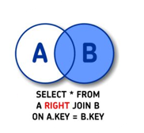

SalesRepTable |  |  | BudgetTable
SalesRepID | SalesRepName |  | SalesRepID | BudgetSum
SR01 | Jane Smith |  | SR01 | 4000
NULL | NULL |  | SR04 | 5000

 | Kõik read eelarvetabelist ja seotud read müügiesindaja tabelist.

Inner join
SalesRepTable |  |  | BudgetTable
SalesRepID | SalesRepName |  | SalesRepID | BudgetSum
SR01 | Jane Smith |  | SR01 | 4000
SR02 | John Doe |  | SR04 | 5000
SR03 | Emily Stone

 |  | INNER JOIN
 |  | SELECT * FROM SalesRepTable INNER JOIN BudgetTable ON SalesRepTable.SalesRepID = BudgetTable.SalesRepID |  |  | 

RESULT:
SalesRepTable |  |  | BudgetTable
SalesRepID | SalesRepName |  | SalesRepID | BudgetSum
SR01 | Jane Smith |  | SR01 | 4000

 | Kõik read, mis on olemas nii müügiesindaja tabelis kui ka eelarve tabelis.

Full outer join
SalesRepTable |  |  | BudgetTable
SalesRepID | SalesRepName |  | SalesRepID | BudgetSum
SR01 | Jane Smith |  | SR01 | 4000
SR02 | John Doe |  | SR04 | 5000
SR03 | Emily Stone

 |  | FULL OUTER JOIN
 |  | SELECT * FROM SalesRepTable FULL OUTER JOIN BudgetTable ON SalesRepTable.SalesRepID = BudgetTable.SalesRepID |  |  | 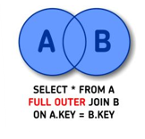

SalesRepTable |  |  | BudgetTable
SalesRepID | SalesRepName |  | SalesRepID | BudgetSum
SR01 | Jane Smith |  | SR01 | 4000
SR02 | John Doe |  | NULL | NULL
SR03 | Emily Stone |  | NULL | NULL
NULL | NULL |  | SR04 | 5000

 |  | Kõik read eelarve ja müügiesindaja tabelist.

Left Join + Is null
SalesRepTable |  |  | BudgetTable
SalesRepID | SalesRepName |  | SalesRepID | BudgetSum
SR01 | Jane Smith |  | SR01 | 4000
SR02 | John Doe |  | SR04 | 5000
SR03 | Emily Stone

 |  | LEFT JOIN + IS NULL
 |  | SELECT * FROM SalesRepTable LEFT JOIN BudgetTable ON SalesRepTable.SalesRepID = BudgetTable.SalesRepID WHERE BudgetTable.SalesRepID IS NULL |  |  | 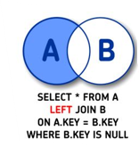

SalesRepTable |  |  | BudgetTable
SalesRepID | SalesRepName |  | SalesRepID | BudgetSum
SR02 | John Doe |  | NULL | NULL
SR03 | Emily Stone |  | NULL | NULL

 |  | Müügiesindaja tabelist read, mida eelarve tabelis ei ole.

Right join + Is null
SalesRepTable |  |  | BudgetTable
SalesRepID | SalesRepName |  | SalesRepID | BudgetSum
SR01 | Jane Smith |  | SR01 | 4000
SR02 | John Doe |  | SR04 | 5000
SR03 | Emily Stone

 |  | RIGHT JOIN + IS NULL
 |  | SELECT * FROM SalesRepTable RIGHT JOIN BudgetTable ON SalesRepTable.SalesRepID = BudgetTable.SalesRepID WHERE SalesRepTable.SalesRepID IS NULL |  |  | 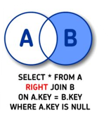

RESULT:
SalesRepTable |  |  | BudgetTable
SalesRepID | SalesRepName |  | SalesRepID | BudgetSum
NULL | NULL |  | SR04 | 5000

 |  | Kõik read eelarve tabelist, mida müügiesindaja tabelis pole.

Full outer join + is null
SalesRepTable |  |  | BudgetTable
SalesRepID | SalesRepName |  | SalesRepID | BudgetSum
SR01 | Jane Smith |  | SR01 | 4000
SR02 | John Doe |  | SR04 | 5000
SR03 | Emily Stone

 |  | FULL OUTER JOIN + IS NULL
 |  | SELECT * FROM SalesRepTable FULL OUTER JOIN BudgetTable ON SalesRepTable.SalesRepID = BudgetTable.SalesRepID WHERE SalesRepTable.SalesRepID IS NULL OR BudgetTable.SalesRepID IS NULL |  |  | 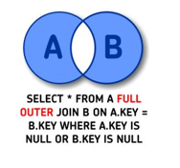

RESULT:
SalesRepTable |  |  | BudgetTable
SalesRepID | SalesRepName |  | SalesRepID | BudgetSum
SR02 | John Doe |  | NULL | NULL
SR03 | Emily Stone |  | NULL | NULL
NULL | NULL |  | SR04 | 5000

 |  | Read, mis on puudu müügiesindaja tabelist või eelarve tabelist.

