PRISMA Process
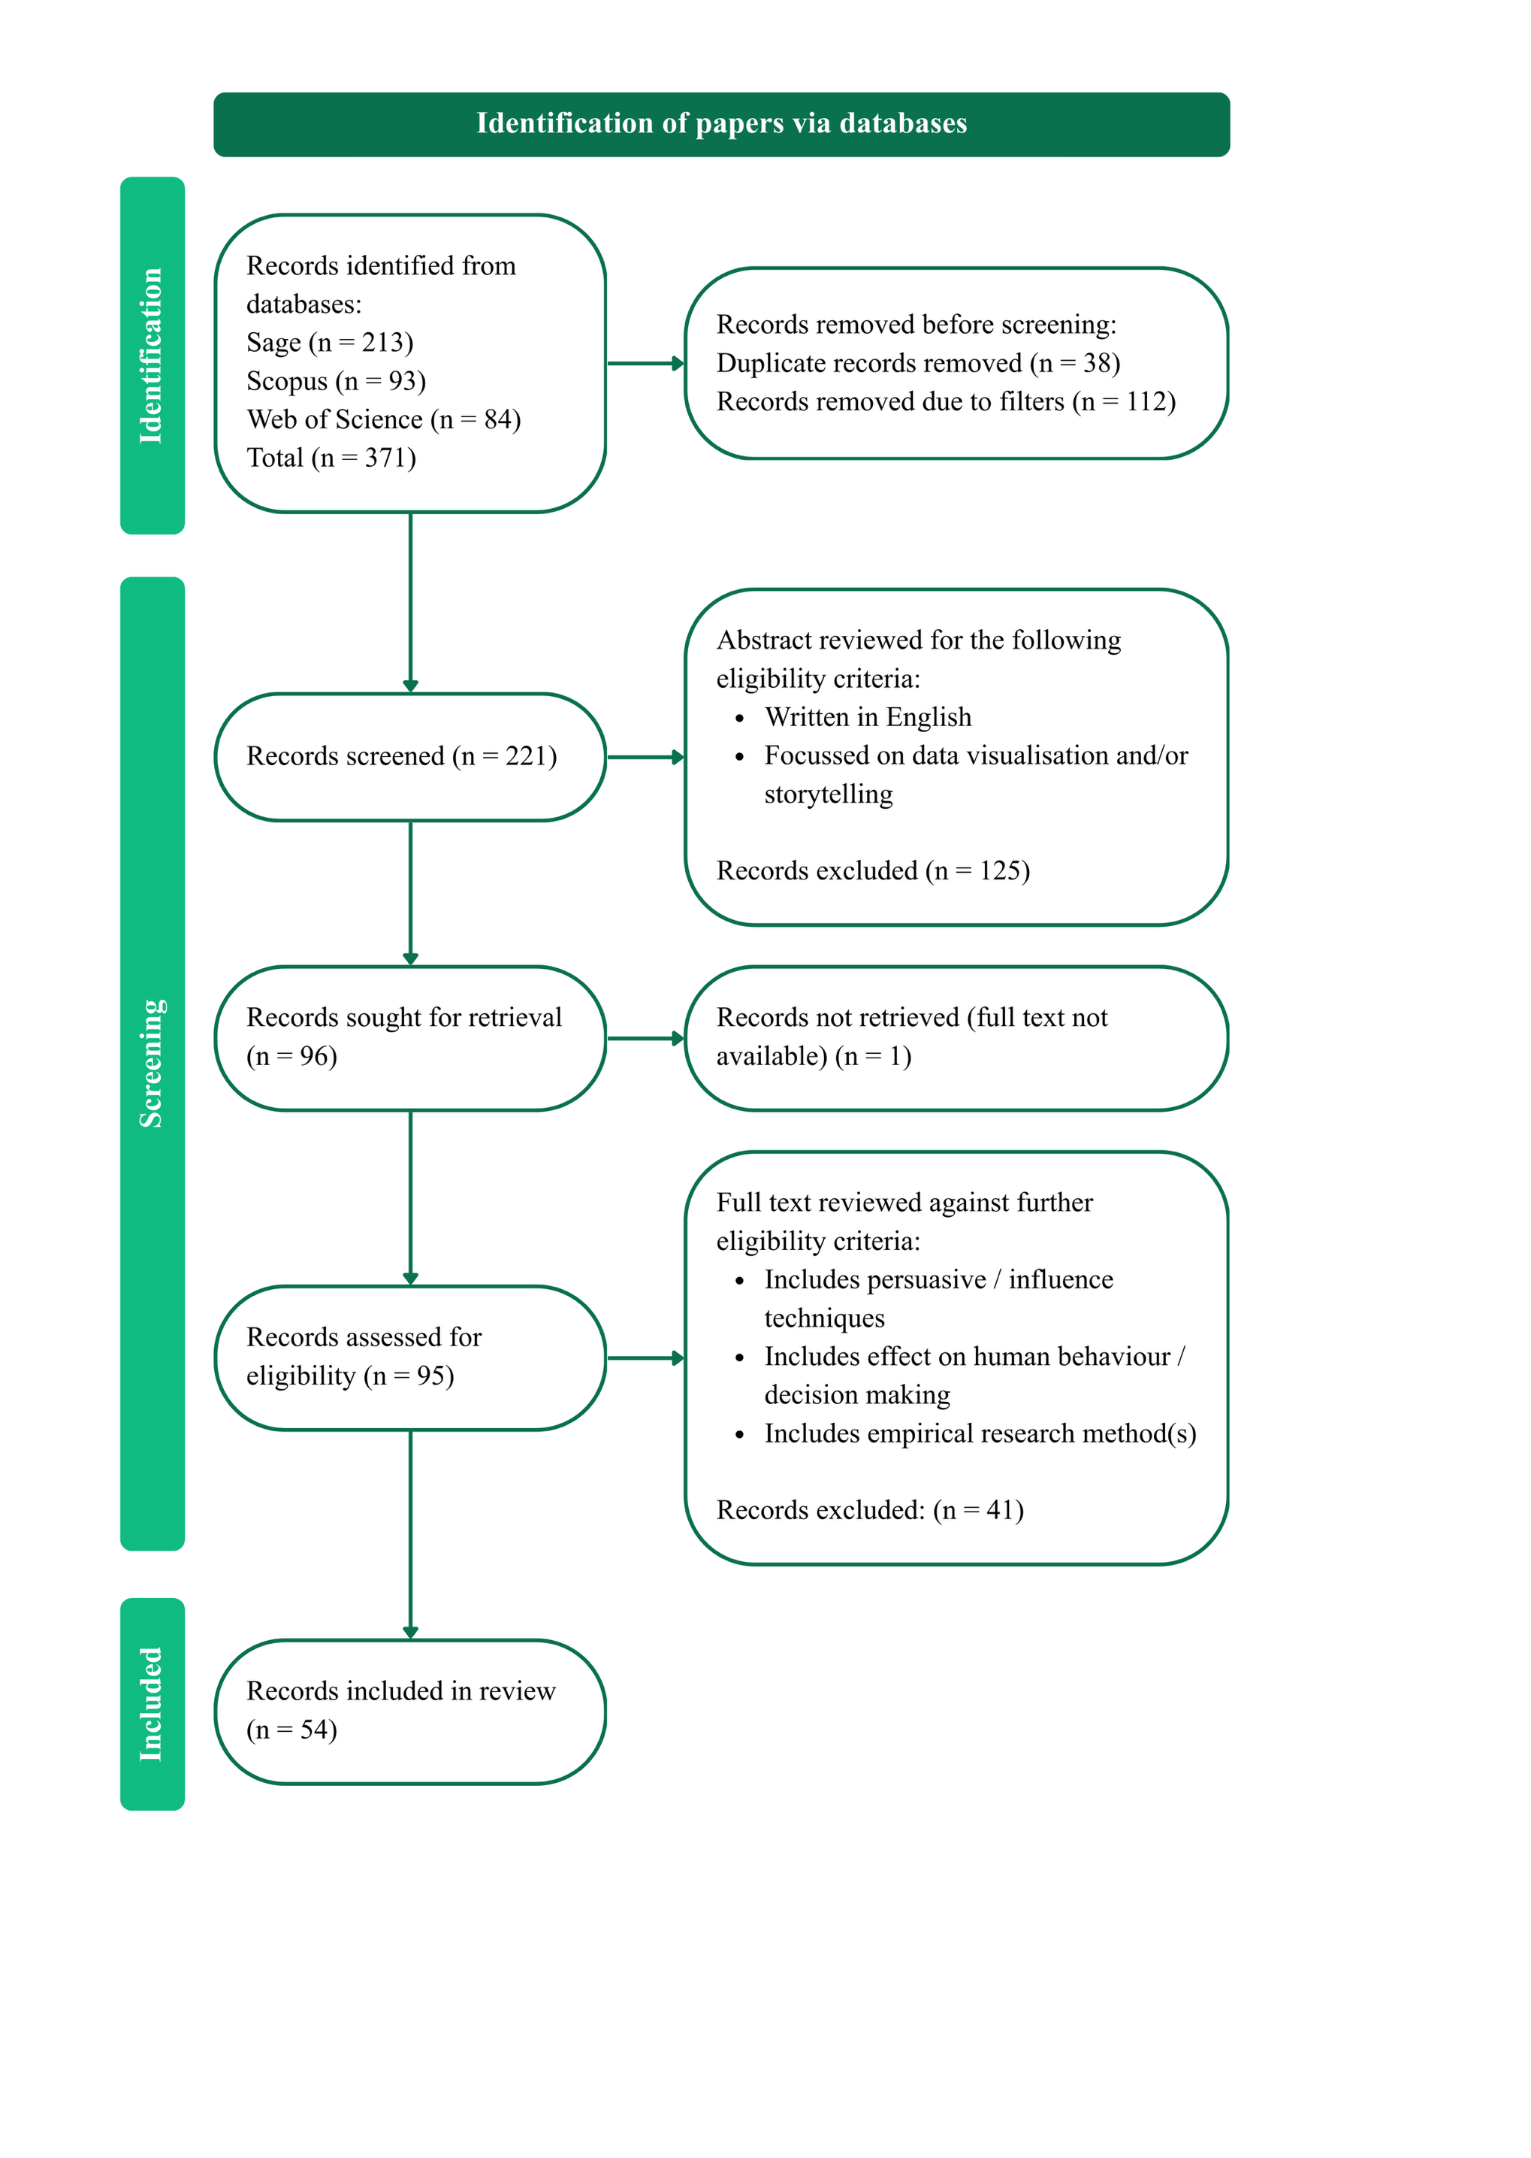
The literature search was conducted in June 2025 using the following search string: (“persuasive” OR “nudge” OR “behavioural economics” OR “behavioral economics”) AND (“data visualisation” OR “data visualization” OR “data storytelling”). To maintain consistency across databases, we avoided wildcards and used both British and American spellings. See figure below for PRISMA Process for the selection of papers in the systematic literature review

