25Sep
SL No | Description
1 | Search is not required artist bashboard. Please mention the reson.
2 | The text in the chat should be wrapped. | 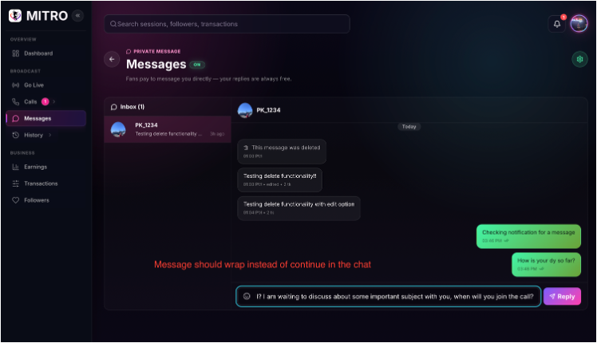
3 | It is NOT required to display Every CHAT messages in the NOTIFICATION list since "Notification Highlight" in the left pane tree is sufficient
4 | "Messages in the Call" options are displayed by default when the Private Call is received 1. Initiate a PRIVATE CALL from an User. 2. Artist Accepts the Call. Observe that "Messages in the Call" options are displayed by default. Expected: 1. "Messages in the call" options should be Collapsed by default. 2. The "Expand/Collapse" button to be reversed correctly for expansion or collapse accordingly | 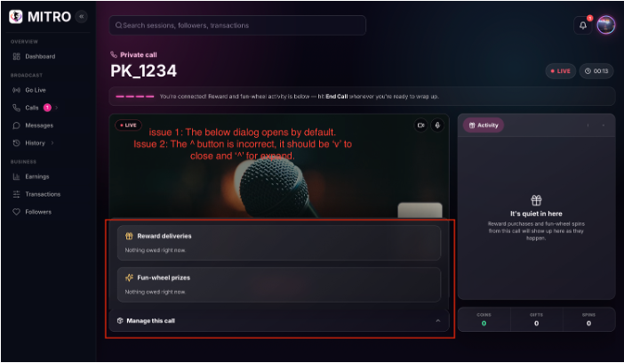
5 | Delete entire Chat is not available 1. Navigate to Messages. 2. Select to delete an entire chat from an User. Observe that DELETE entire chat option is not available.But this functionality available in User side.
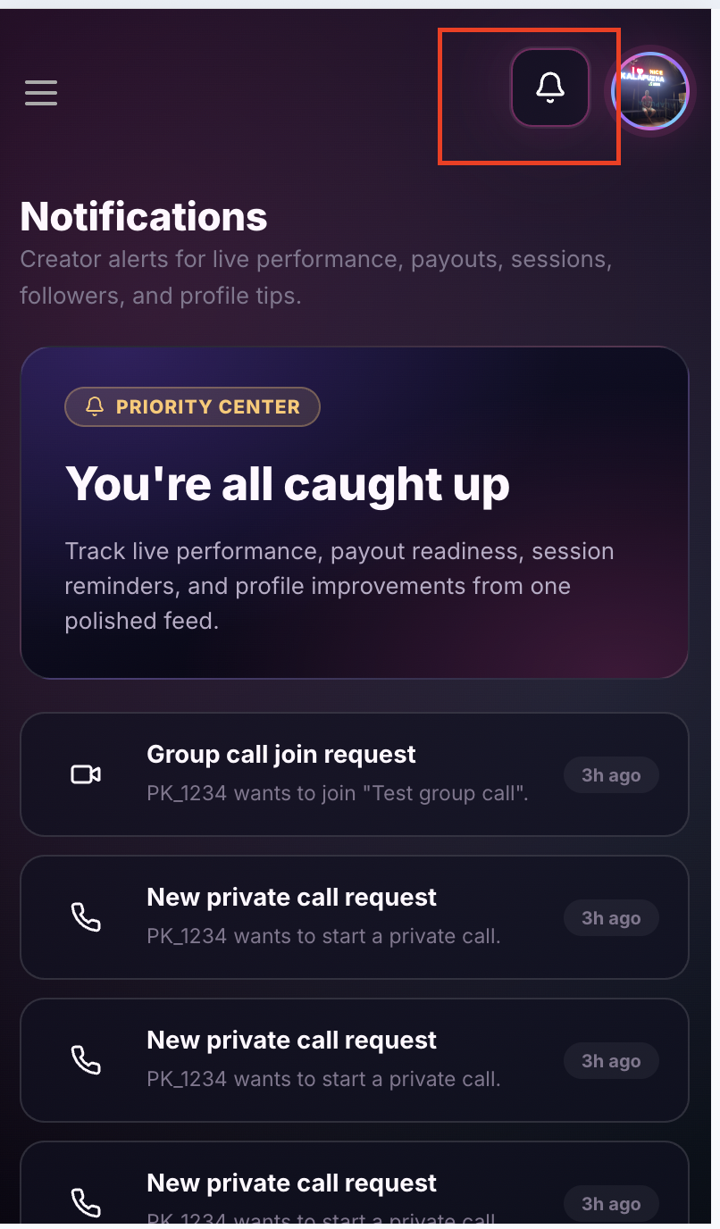
6 | In Mobile Site View OR Open User site in Mobile web browser Private Call Accept/Reject window is not displayed. 1. Initiate a Private Call from User Portal. Issue 1: Observe that CALL Accept/Reject window (Notification is not populating)displayed. Issue 2: If user sends any Reward or Fun wheel activity,the Notification(or tasks) are not highlighted under Activity/Manage tabs automatically. If artist navigates to other screens and return to Private call again, then notifications (tasks) are displaying. Issue 3: END CALL button is Hidden below the Camera View Window and user has to use SCROLL from mouse to find the button. Issue 4: Manage and Activity popups icors are very small(Close icon) | 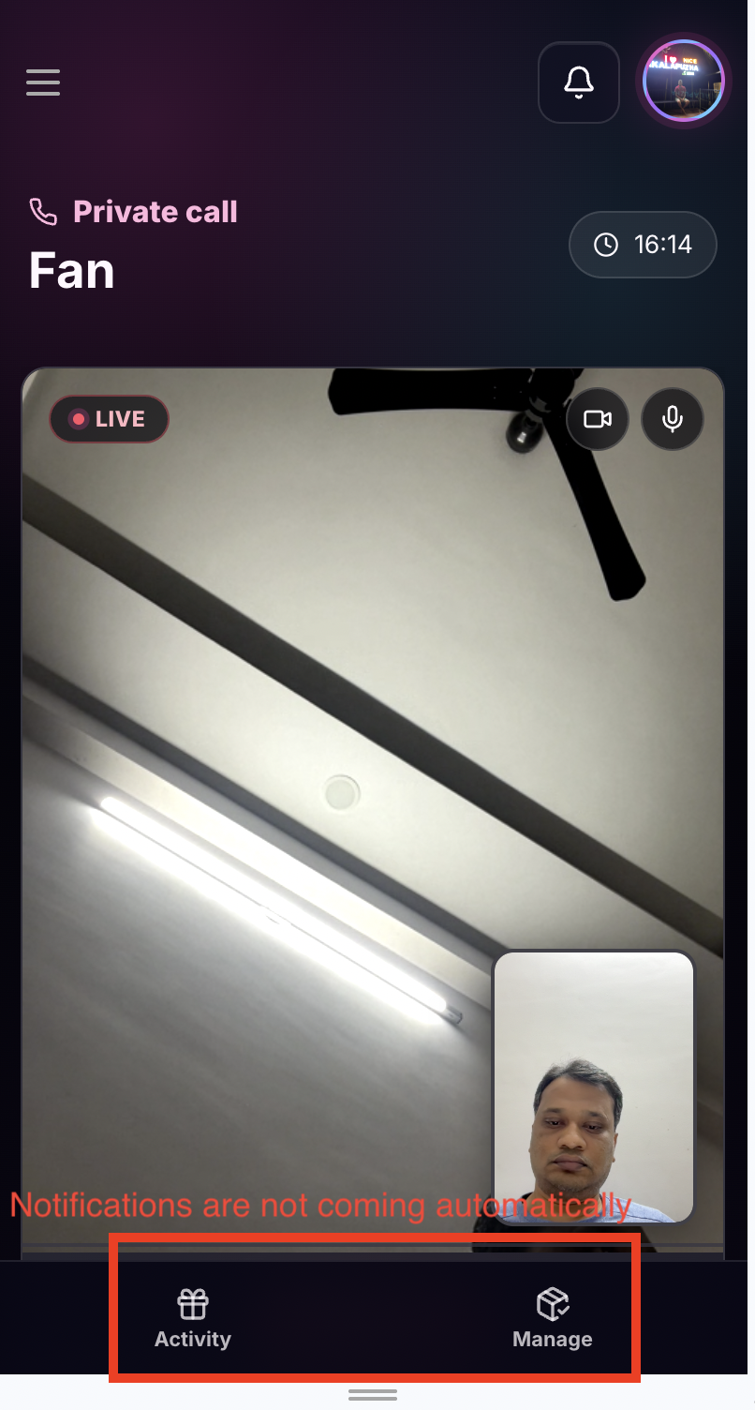 | 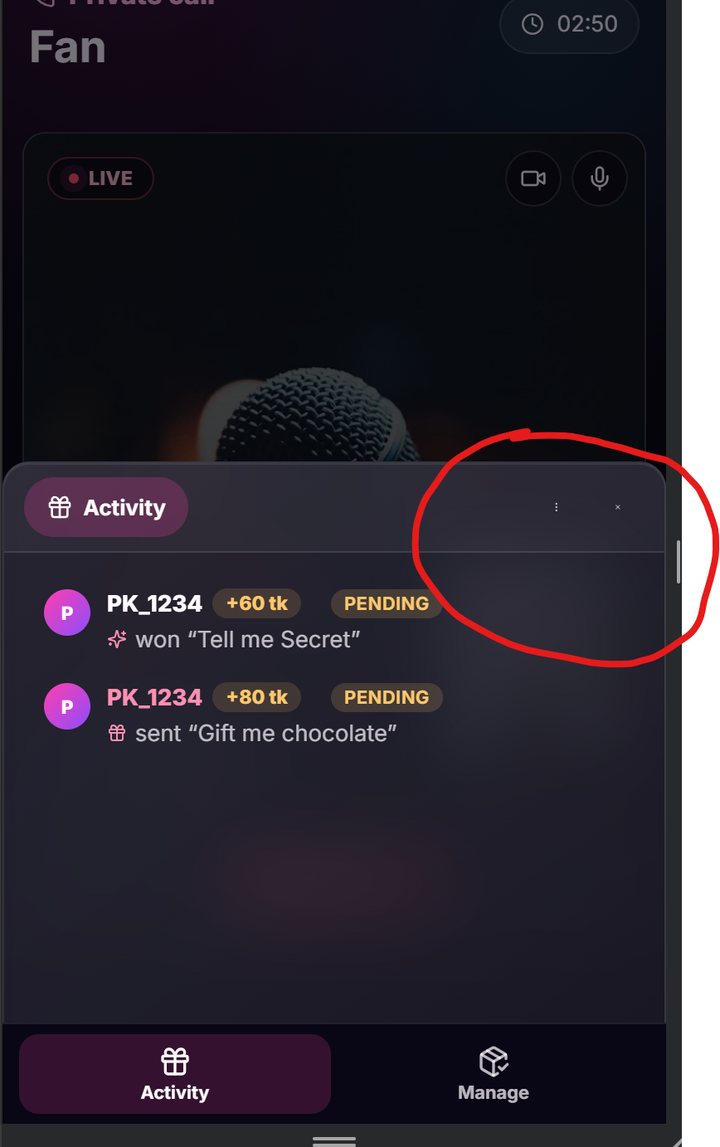
7 | In Mobile Site View OR Open User site in Mobile web browser Broadcast/Start Live Time counter never resets to zero. 1. In Home, Click on "Start Live" to start a broadcast. 2. Enter all necessory details and start a new Broadcast by clicking GO LIVE. 3. The timer starts at the top of the screen 4. From User portal, User joins the Broadcast. 5. Accept and continue the Broadcast for few mins say 2:15. 6. END CALL so that Broadcast stops. 7. Start a new Broadcast by clicking "Start Live" again. 8. Enter all the details and GO LIVE. Observe that the Timer starts at 2:16 instead of 0:00
8 | In Mobile Site View OR Open User site in Mobile web browser "Fun wheel / Rewards" notification is not displayed. 1. Initiate a Group Call. 2. From User Portal, a user joins Group Call. 2. A notification is highlighted in REQUESTS and accept the user to join. 3. Initiate Rewards/Fun Wheel entries from User portal Issue : The Notification is not highlighted under Manage tabs automatically. If navigated to other screens and return to Private call again, then notification is available.
9 | In Mobile Site View OR Open User portal in Mobile web browser The latest Private/Group Calls are not visible in Notifications list. 1. From User portal, initiate some private calls. 2. In Creator portal, click on Notification icon at the top corner (next to profile icon). Observe that the latest Private Call is not available in the Notification list. Note: The Notification list will be updated only when the user Logout and Re-login again. | 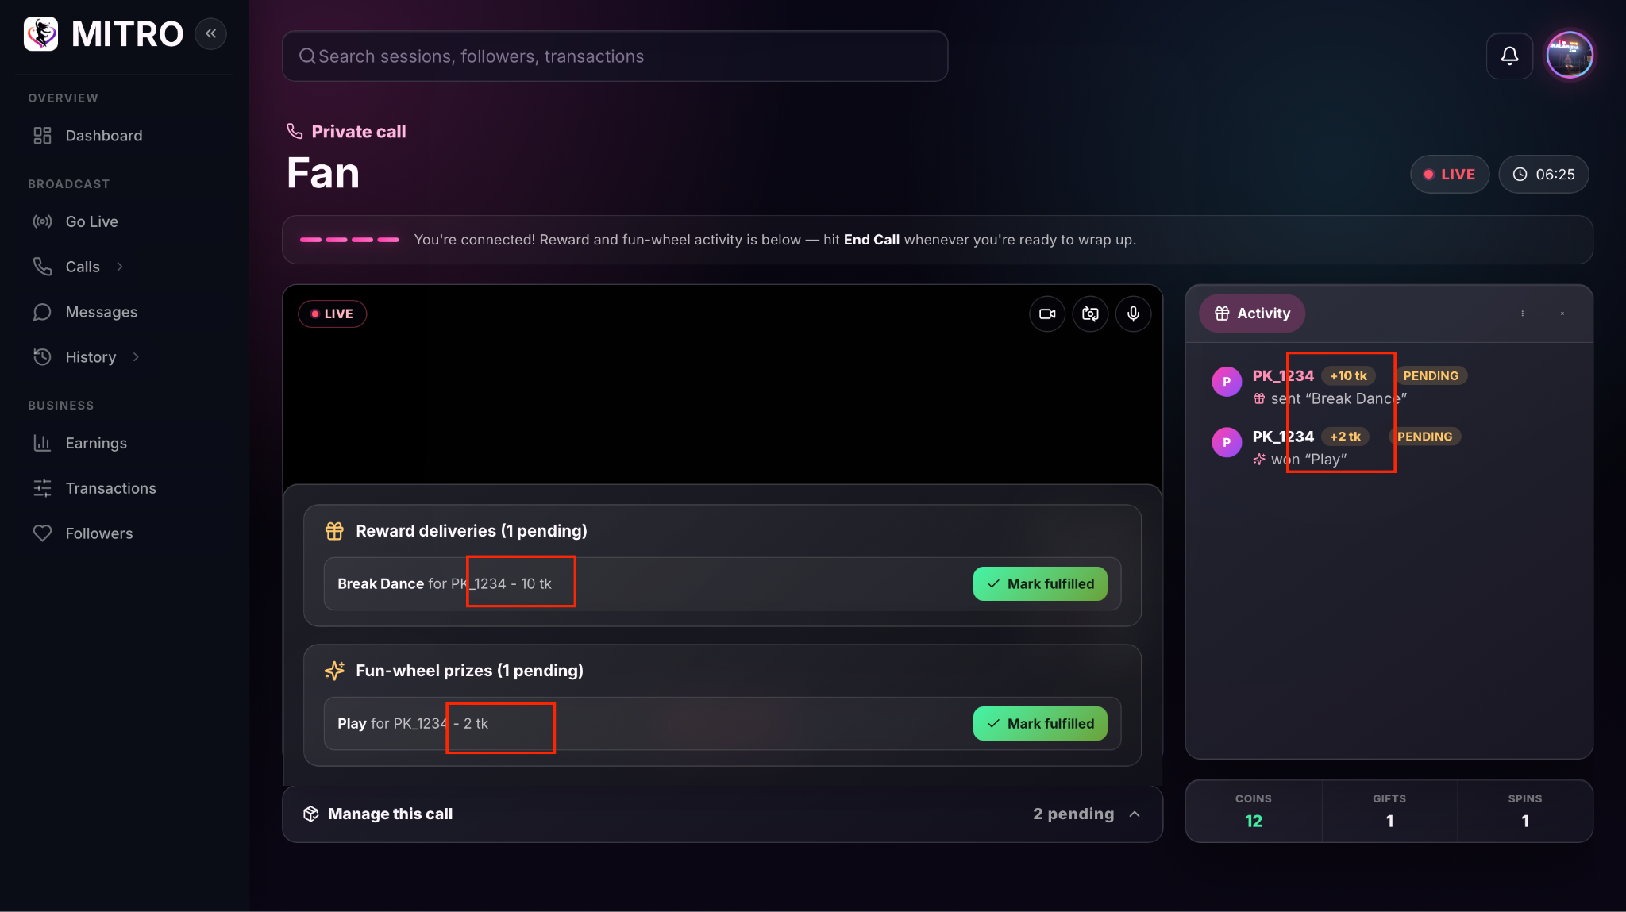
11 | Tk is displayed instead of Coins in Rewards/Fun wheel notifications
12 | Rewards and Fun wheel notifications are not displayed automatically. Precondition: User and Artist are in Private Call 1. User initiate Rewards and Flywheel Issue1: In Artist Portal, these notifications are not displayed automatically. 2. Artist is navigated to any other screen and back to Private Calls screen. Now the Reward and Fly wheel notifications are displayed along with "Activity" chat entries as PENDING
13 | "Mark Fullfilled" Rewards and Fly wheel entries are disappeared from the Activity Chat box 1. Perform same steps of above issue. 2. After the Reward and Flywheel notifications are displayed, select "Mark Fulfilled". issue 1: The "fulfilled" notifications are NOT set to DELIVERED in the "Activity Chat". Navigate to other screen and back to Private Call screen again. Issue 2: Activity Chat is BLANK
14 | When user request for private call, artist audio notification and notification browser title.
15 | Work on categories and subcategory (should be multi select option)
16 | Skills and languages (UX experience)
17 | "Internal Server error" is displayed when Artist try to accept the Private call from User whose balance is less than configured Coin/Call. 1. Artist configure the Private Calls Coins/min = 10 2. Users Coin Balance is 60 which is above minimum 5mins initial deduction. 3. User Initiate a Private call. 4. Artist try to accept the call. Observe that "Internal Server error" is displayed.

