Mold Details
Item | Part Number | Part Name | Part Picture | Resin | Cav | Injection System | Gate | EAU | Steel | Ejection | Mold Features | Target Price | CAD File | Notes
1 | F5UU164200L080 | BAR, MOORING 1 | 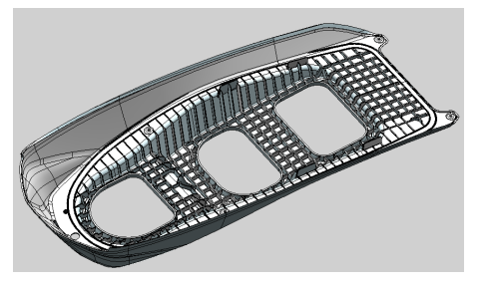 | PA6 30% GF | (1 x 1) | Incoe (1) Drop Hot Runner | Edge | 24,000 | H13 | Pins/Sleeves | (2) Slides | 7755 | F5U-U....ING_1.stp | Texture TBD
2 | F5UU164100L080 | BAR, MOORING 1 / 2 | 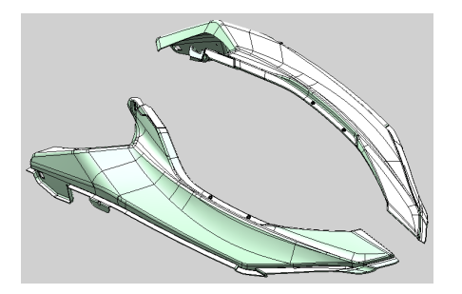 | PA6 30% GF | (1 + 1) | Incoe (1) Drop Hot Runner | Edge | 12,000 | H13 | Pins/Sleeves | (2) Slides Per | 8838 | F5U-U....ING_1.stp | Texture TBD
3 | J8AK7392000080 | COVER, LUGGAGE BOX | 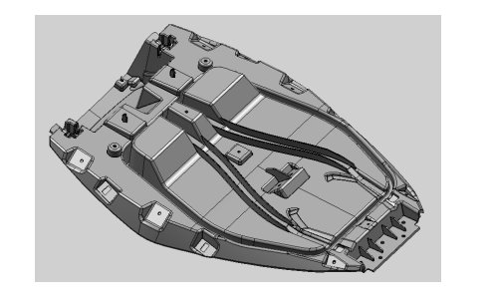 | PP-N4 (YGK-8-609) | (1 x 1) | Incoe (4) Drop SVG | Direct | 5,800 | P-20 | Pins/Sleeves | A-Side Ejection | 2353 | J8A-K....E_BOX.stp | Finish: MT11010
4 | F5UU783D00L080 | PANEL, FUEL FILLER | 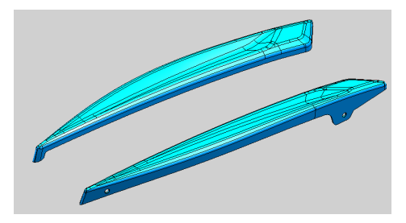 | PA12-GF15 | (1 x 1) | Incoe (2) Drop Hot Runner | Direct | 12,000 | H13 | Pins | N/A | 5356 | F5U-U....ILLER.stp
5 | F5UU555400L080 | COVER, CENTER | 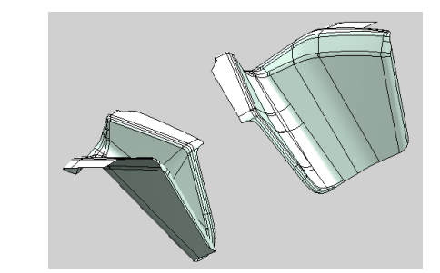 | ASA | (1 x 1) | Incoe (2) Drop Hot Runner | Edge | 12,000 | P-20 | Pins/Sleeves | N/A | 5356 | F5U-U....ENTER.stp | Texture TBD
6 | F5UUF8G200L080/F5UUF8G100L080 | FOOT REST 2 / 1 | 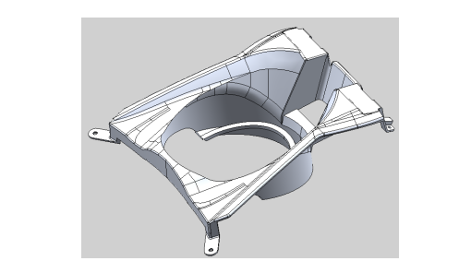 | ASA | (1 + 1) | Incoe (4) Drop Hot Runner | Edge | 12,000 | P-20 | Pins/Sleeves | N/A | 5366 | Multiple | Texture TBD
7 | F5UU377G00M080/F5UU377F00M080 | ORNAMENT SIDE RH / LH | 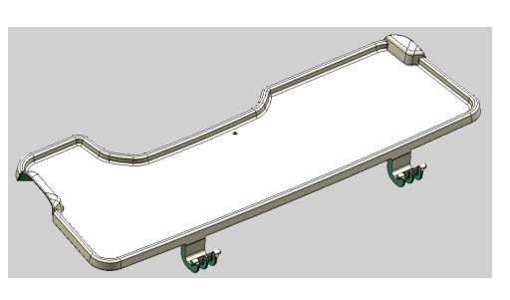 | ASA | (1 + 1) | Incoe (4) Drop SVG | Sub | 12,000 | P-20 | Pins | (2) Slides Per | 5683 | Multiple | Texture TBD
8 | F5UU519F00L080 | OUTER ENGINE HATCH | 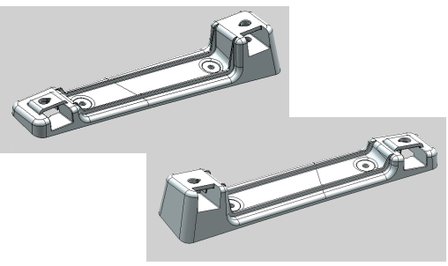 | ASA | (1 x 1) | Incoe (2) Drop Hot Runner | Direct | 12,000 | P-20 | Pins/Sleeves | (4) Lifters | 5333 | F5U-U....HATCH.stp | Texture TBD
9 | F5UU519G00L080 | INNER ENGINE HATCH | 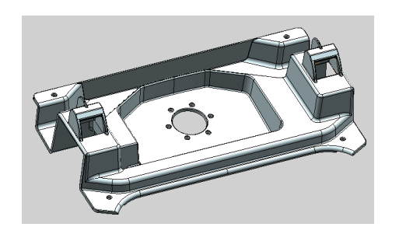 | PP-N3 | (1 x 1) | Incoe (6) Drop SVG | Direct | 12,000 | P-20 | Pins/Sleeves | Dual Ejection, Vent Inserts | 6833 | F5U-U....TCH_1.stp | Ref: NT3911
10 | F5UU377C00L080/F5UU377B00L080 | COVER SIDE 2 / 1 |  | ABS | (1 + 1) | Incoe (8) Drop SVG | Edge | 12,000 | P-20 | Pins | (3) Lifters, (2) Slides | 6933 | Multiple | Texture TBD
11 | F5UU374300L080 | BASE, SEAT 2 |  | PP-GF15 | (1 x 1) | Incoe (8) Drop Hot Runner | Direct | 12,000 | H13 | Pins + Lifters | Dual Ejection, Vent Inserts | 5432 | F5U-U....EAT_2.stp | Must fit 1500T

