Main
Query AWR
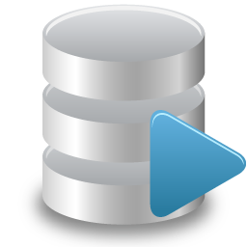
Run
 |  |  |  | Perfsheet4 is a tool for Oracle performance analysis
 |  | Username: | system2 | It provides a simplified interface to extract and visualize AWR data using Excel pivot charts
 |  | Password: |  | Authors: Luca.Canali@cern.ch, from the original concept by Tanel@TanelPoder.com
 |  | Target DB: | hmrfeh11 | Additional credits: DB_Group@CERN, Rhojel Echano, Hans-Peter Sloot, Wellington Prado
 |  | Query : |  | Version: 3.7, February 2015. First release: March 2013
 |  | First End Snap | 124751 | Use with Oracle versions 11.2.0.x and 12.1.0.x. Run with Excel 2010 or 2013 on Win7/8.1
 |  | First Start Snap | 124739 | The "Query AWR" function needs a Oracle (instant) client. Note also Oracle licensing for AWR
 |  | Second End Snap | 124847
 |  | Second Start Snap | 124835
 |  | Oracle ODBC | FALSE
Show SQL: | TRUE | ODBC name | Oracle in instantclient_11_2 | Getting started video:
Plot
Load
Save
 |  |  |  | http://youtu.be/sdvx4zB-fvo




 |  |  |  | Basic usage:
 |  |  |  | Step 1: Load data into Excel
 |  |  |  | Edit database credentials and select the query to run
 |  |  |  | Fetch AWR data into Excel: click on Run under "Query AWR"
 |  |  |  | Alternative: load AWR data from local csv files
 |  |  |  | Step 2: Plot data
Use pre-defined graphs: |  |  | Load and save AWR data from/to local csv files. | Click on the "Plot" icon to generate Pivot Charts of the AWR data
 | TRUE |  | Query AWR into csv: see the sqlplus_scripts directory

