Graph and Data
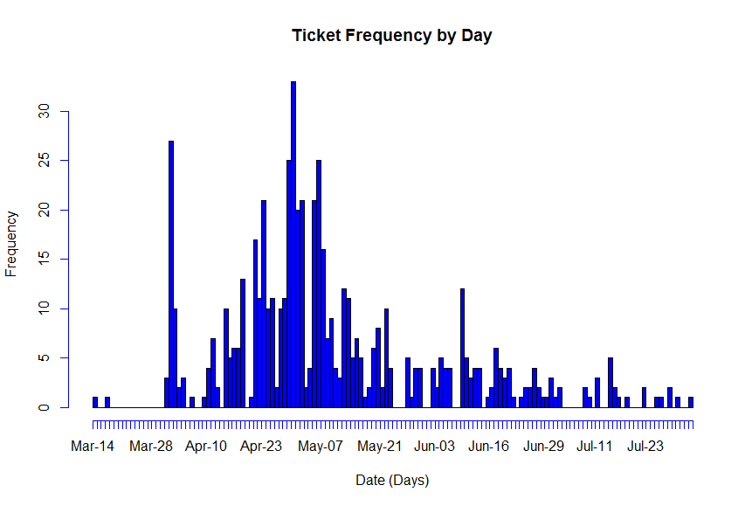

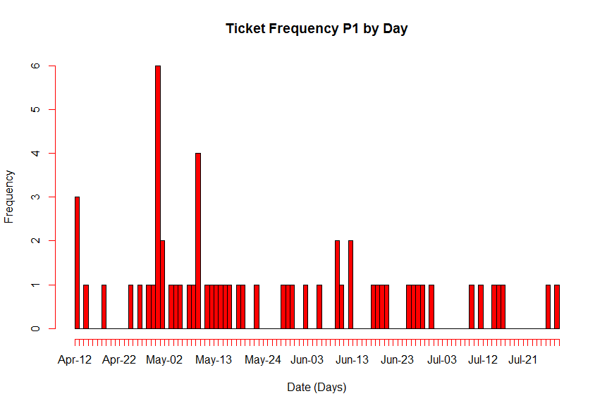

 | Notes for one Store CBK
 | 1 | Hard Lanch April 30
 | 2 | Flow / Distribution of tcikets as shown in Graph
 | 3 | Avg time to Triage = 2 hrs = 0.25 days (p: Service Time ) |  |  |  |  | 1 | Days ( Resolve)
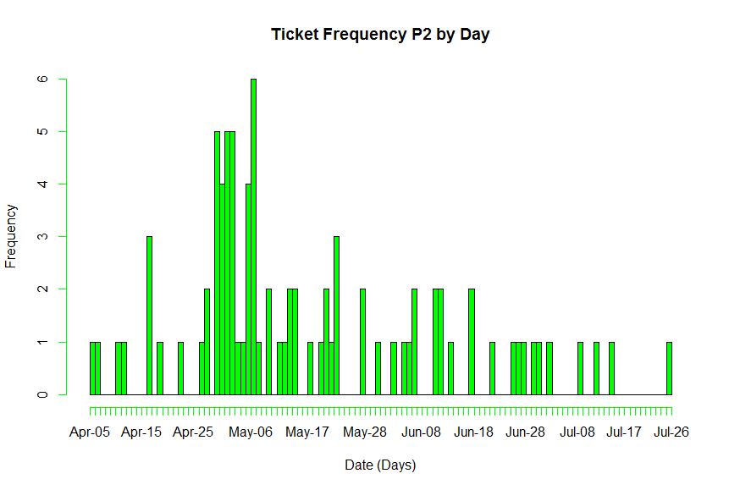
 | 4 | Bottleneck is at Traiging the issue ( Once identified 1 resource will resolve the issue in average 1-2 days)
 | 5 | Avg tickets rate= 583 tickets / 124 days |  |  |  | 4.7016129032 | (4.7 tickets / day) = Flow Rate |  | 0.21269296741
 | 6 | Std Deviation in the flow of incoming tickets |  |  |  | 0.53465265589
 | 7 | Coeff of Variation (Tickets) |  | 2.5137298257
 | 8 | Coeff of Variation in processing: |  |  | 1

 | Applyling Operations Research calculations for wait times:
 | Time (wait) = (p/m)*(utilization ^(Sqrt(2(m+1)-1))/(1- utilization)) * (CVa^2 + CVp^2)/2

 |  | Utilization = Flow rate / Capacity |  |  | 0.67165898618
 |  | Capacity (m: Resources) |  | 7

 | Wait Time (Days) |  | 0.34083111697
 |  | (Hrs) | 2.7266489358

 | Analysis for two Stores (Concurrent)
 | 2 | Flow / Distribution of tcikets as shown in Graph
 | 3 | Avg time to Triage = 2 hrs = 0.25 days (p: Service Time ) |  |  |  |  | 1
 | 4 | Bottleneck is at Traiging the issue ( Once identified 1 resource will resolve the issue in average 1-2 days)
 | 5 | Avg tickets rate= 583 tickets / 124 days |  |  |  | 9.4032258065 | ( tickets / day) = Flow Rate |  | 0.1063464837
 | 6 | Std Deviation in the flow of incoming tickets |  |  |  | 0.26732632795
 | 7 | Coeff of Variation (Tickets) |  | 2.5137298257
 | 8 | Coeff of Variation in processing: |  |  | 1

 | Applyling Operations Research calculations for wait times:
 | Time (wait) = (p/m)*(utilization ^(Sqrt(2(m+1)-1))/(1- utilization)) * (CVa^2 + CVp^2)/2

 |  | Utilization = Flow rate / Capacity |  |  | 0.85483870968
 |  | Capacity (m: Resources) |  | 11

 | Wait Time (Days) |  | 1.0801812033
 |  | (Hrs) | 8.6414496266

Date | All | P1 | P2
3/14/13 | 1
3/15/13 | 0
3/16/13 | 0
3/17/13 | 1
3/18/13 | 0
3/19/13 | 0
3/20/13 | 0
3/21/13 | 0
3/22/13 | 0
3/23/13 | 0
3/24/13 | 0
3/25/13 | 0
3/26/13 | 0
3/27/13 | 0
3/28/13 | 0
3/29/13 | 0
3/30/13 | 0
3/31/13 | 3
4/1/13 | 27
4/2/13 | 10
4/3/13 | 2
4/4/13 | 3
4/5/13 | 0 |  | 1
4/6/13 | 1 |  | 1
4/7/13 | 0 |  | 0
4/8/13 | 0 |  | 0
4/9/13 | 1 |  | 0
4/10/13 | 4 |  | 1
4/11/13 | 7 |  | 1
4/12/13 | 2 | 3 | 0
4/13/13 | 0 | 0 | 0
4/14/13 | 10 | 1 | 0
4/15/13 | 5 | 0 | 0
4/16/13 | 6 | 0 | 3
4/17/13 | 6 | 0 | 0
4/18/13 | 13 | 1 | 1
4/19/13 | 0 | 0 | 0
4/20/13 | 1 | 0 | 0
4/21/13 | 17 | 0 | 0
4/22/13 | 11 | 0 | 1
4/23/13 | 21 | 0 | 0
4/24/13 | 10 | 1 | 0
4/25/13 | 11 | 0 | 0
4/26/13 | 2 | 1 | 1
4/27/13 | 10 | 0 | 2
4/28/13 | 11 | 1 | 0
4/29/13 | 25 | 1 | 5
4/30/13 | 33 | 6 | 4
5/1/13 | 20 | 2 | 5
5/2/13 | 21 | 0 | 5
5/3/13 | 2 | 1 | 1
5/4/13 | 4 | 1 | 1
5/5/13 | 21 | 1 | 4
5/6/13 | 25 | 0 | 6
5/7/13 | 16 | 1 | 1
5/8/13 | 7 | 1 | 0
5/9/13 | 9 | 4 | 2
5/10/13 | 4 | 0 | 0
5/11/13 | 3 | 1 | 1
5/12/13 | 12 | 1 | 1
5/13/13 | 11 | 1 | 2
5/14/13 | 5 | 1 | 2
5/15/13 | 7 | 1 | 0
5/16/13 | 5 | 1 | 0
5/17/13 | 1 | 0 | 1
5/18/13 | 2 | 1 | 0
5/19/13 | 6 | 1 | 1
5/20/13 | 8 | 0 | 2
5/21/13 | 2 | 0 | 1
5/22/13 | 10 | 1 | 3
5/23/13 | 4 | 0 | 0
5/24/13 | 0 | 0 | 0
5/25/13 | 0 | 0 | 0
5/26/13 | 0 | 0 | 0
5/27/13 | 5 | 0 | 2
5/28/13 | 1 | 1 | 0
5/29/13 | 4 | 1 | 0
5/30/13 | 4 | 1 | 1
5/31/13 | 0 | 0 | 0
6/1/13 | 0 | 0 | 0
6/2/13 | 4 | 1 | 1
6/3/13 | 2 | 0 | 0
6/4/13 | 5 | 0 | 1
6/5/13 | 4 | 1 | 1
6/6/13 | 4 | 0 | 2
6/7/13 | 0 | 0 | 0
6/8/13 | 0 | 0 | 0
6/9/13 | 12 | 2 | 0
6/10/13 | 5 | 1 | 2
6/11/13 | 3 | 0 | 2
6/12/13 | 4 | 2 | 0
6/13/13 | 4 | 0 | 1
6/14/13 | 0 | 0 | 0
6/15/13 | 1 | 0 | 0
6/16/13 | 2 | 0 | 0
6/17/13 | 6 | 1 | 2
6/18/13 | 4 | 1 | 0
6/19/13 | 3 | 1 | 0
6/20/13 | 4 | 1 | 0
6/21/13 | 1 | 0 | 1
6/22/13 | 0 | 0 | 0
6/23/13 | 1 | 0 | 0
6/24/13 | 2 | 0 | 0
6/25/13 | 2 | 1 | 1
6/26/13 | 4 | 1 | 1
6/27/13 | 2 | 1 | 1
6/28/13 | 1 | 1 | 0
6/29/13 | 1 | 0 | 1
6/30/13 | 3 | 1 | 1
7/1/13 | 1 | 0 | 0
7/2/13 | 2 | 0 | 1
7/3/13 | 0 | 0 | 0
7/4/13 | 0 | 0 | 0
7/5/13 | 0 | 0 | 0
7/6/13 | 0 | 0 | 0
7/7/13 | 0 | 0 | 0
7/8/13 | 2 | 0 | 1
7/9/13 | 1 | 1 | 0
7/10/13 | 0 | 0 | 0
7/11/13 | 3 | 1 | 1
7/12/13 | 0 | 0 | 0
7/13/13 | 0 | 0 | 0
7/14/13 | 5 | 1 | 1
7/15/13 | 2 | 1 | 0
7/16/13 | 1 | 1 | 0
7/17/13 | 0 | 0 | 0
7/18/13 | 1 | 0 | 0
7/19/13 | 0 | 0 | 0
7/20/13 | 0 | 0 | 0
7/21/13 | 0 | 0 | 0
7/22/13 | 2 | 0 | 0
7/23/13 | 0 | 0 | 0
7/24/13 | 0 | 0 | 0
7/25/13 | 1 | 0 | 1
7/26/13 | 1 | 1
7/27/13 | 0 | 0
7/28/13 | 2 | 1
7/29/13 | 0
7/30/13 | 1
7/31/13 | 0
8/1/13 | 0
8/2/13 | 1

