Services
Solution Architecture on AWS

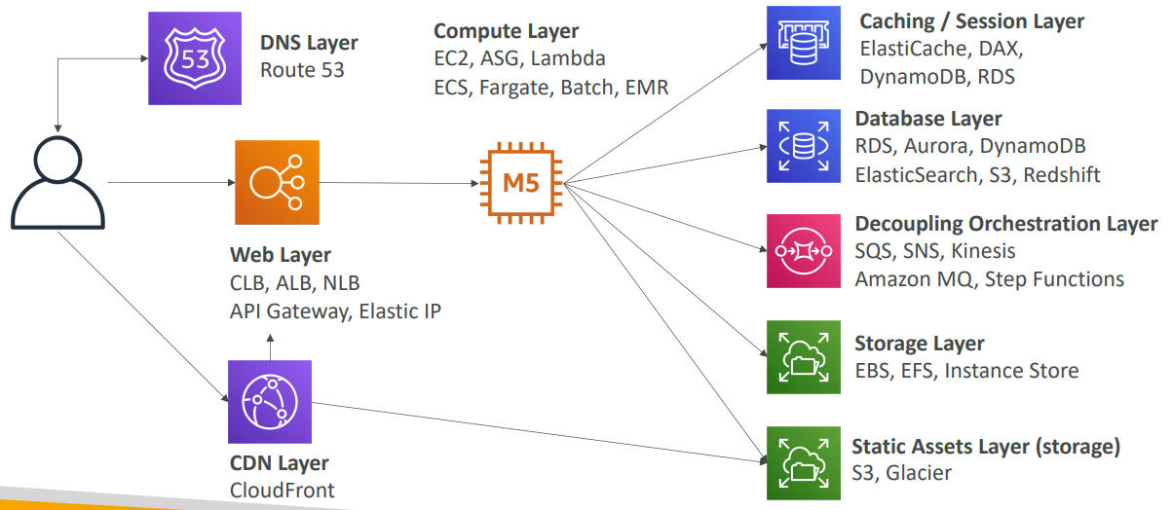

 |  |  |  |  |  | Route 53

 |  |  |  |  |  |  | Elastic IP | ECS | EC2 | Elastic search | EBS
 |  |  |  |  |  |  |  | EKS |  |  | EFS
 |  |  |  |  |  |  | API Gateway |  | Lamda |  | S3
 |  |  |  |  | Client |  |  |  |  | DynamoDB stream | DynamoDB
 |  |  |  |  |  |  | ELB |  | Farget |  | RDS
 |  |  |  |  |  |  |  |  |  |  | Aurora
 |  |  |  |  |  |  | Cloud front

 | Service Communications | Monitoring | Networking | Security
 |  | Cloud watch | ENI | IAM
 | Step Functions | X-Ray | VPC | NACL
 | SWF |  | NAT | WAF
 | SQS |  | IGT | Inspector
 | Amazon MQ |  | NAT Instance | Gard Duty
 | SNS

EC2
EC2
 | Instance Types
 |  | R-RAM | applications that needs a lot of RAM – in-memory caches
 |  | C-CPU | applications that needs good CPU – compute / databases
 |  | M-Medium | applications that are balanced (think “medium”) – general / web app
 |  | I-IO | applications that need good local I/O (instance storage) – databases
 |  | G-GPU | applications that need a GPU – video rendering / machine learning

 |  | T2 / T3 | burstable instances (up to a capacity)
 |  | T2 / T3 | - unlimited: unlimited burst

 | Placement Groups

 |  | Cluster
 |  | low-latency group in a single Availability Zone |  | Spread |  | Partition
 |  |  |  | spreads instances across underlying hardware |  | spreads instances across many different partitions
 |  |  |  | (max 7 instances per group per AZ) |  | In Same AZ but different partions
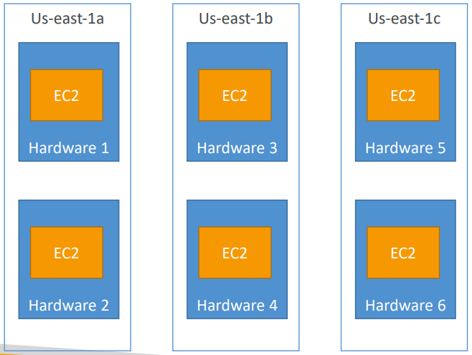
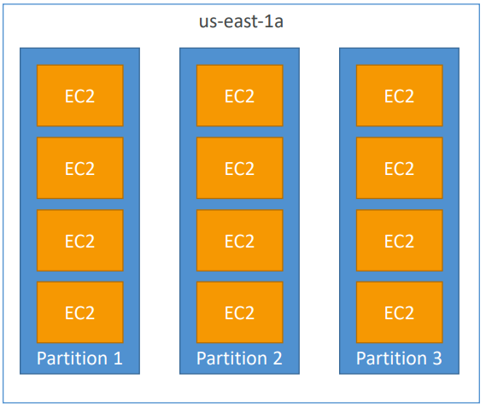

 |  | Pros: Great network (10 Gbps bandwidth between instances)
 |  | Cons: If the rack fails, all instances fails at the same time
 |  | Note: choose than instance type that has Enhanced Networking
 |  | Use case:
 |  |  | Big Data job that needs to complete fast
 |  |  | Application that needs extremely low latency and high network throughput

 |  |  |  | Pros
 |  |  |  |  | Can span across Availability Zones (AZ) | Pros
 | How to change placement Group of an instance |  |  |  | Reduced risk is simultaneous failure |  | Up to 7 partitions per AZ
 |  | Your first need to stop it |  |  | EC2 Instances are on different physical hardware |  | Up to 100s of EC2 instances
 |  | You then need to use the CLI (modify-instance-placement) |  | Cons |  |  | The instances in a partition do not share racks with the instances in the other partitions
 |  | You can then start your instance |  |  | Limited to 7 instances per AZ per placement group |  | A partition failure can affect many EC2 but won’t affect other partitions
 |  |  |  | Use case |  |  | EC2 instances get access to the partition information as metadata
 |  |  |  |  | Application that needs to maximize high availability

 | Instance Launch Types

 |  | On Demand Instances
 |  |  | short workload, predictable pricing, reliable

 |  | Spot Instances
 |  |  | short workloads, for cheap, can lose instances (not reliable)

 |  | Reserved | (MINIMUM 1 year)
 |  |  | Reserved Instances: long workloads
 |  |  | Convertible Reserved Instances: long workloads with flexible instances
 |  |  | Scheduled Reserved Instances: example – every Thursday between 3 and 6 pm

 |  | Dedicated Instances
 |  |  | no other customers will share your hardware

 |  | Dedicated Hosts
 |  |  | book an entire physical server, control instance placement

AutoScalingGroup
Auto Scaling Group

 | Scaling Policies
 |  | Simple / Step Scaling
 |  |  | ncrease or decrease instances based on two CW alarms
 |  | Target Tracking:
 |  |  | select a metric and a target value, ASG will smartly adjust
 |  |  | e.g Keep average CPU at 40%
 |  |  | Keep request count per target at 1000

 |  | To scale based on RAM, you must use a Custom CloudWatch Metric

 | Auto Scaling – Updating an application

 |  | Solution architectures to update application using advantages of autoscaling

 |  | Simple update |  | Launch new template in same target group |  | Launch new template in new target group | Create another ALB with new launch template and use Rout 53 with CNAME weighted recored
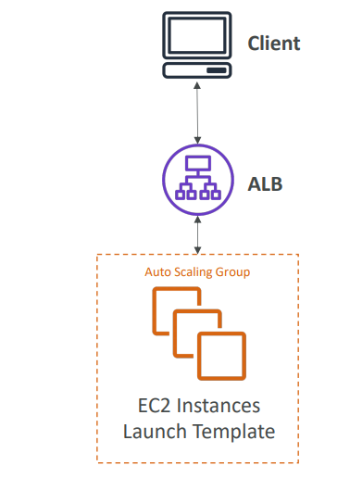
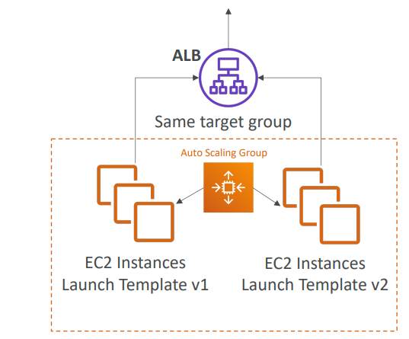
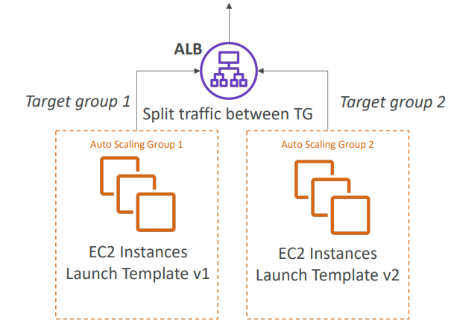
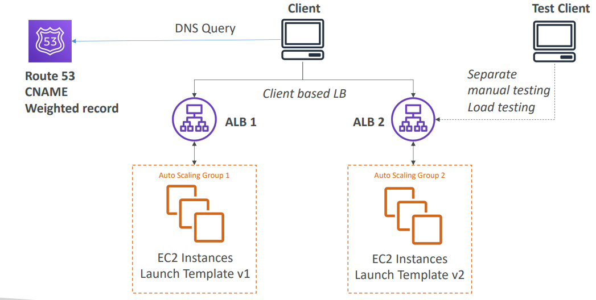

 | If new version has problems there is no way to revert |  |  | Simple to implement | Simple to implement |  |  | Using advantage of Route 53 weighted record to redirect limited traffic to new ALB
 |  |  |  | both templates are in same target group | both templates are indifferent TG |  |  | Possible to test new version indepandently
 |  |  |  | so same traffic will be passed to both TG | it is possible to redirect very few traffic to new version
 |  |  |  |  | then once it is confirmed remove TG1

IAM
IAM Identity and access management

 | Users | IAM User
 | Groups | User Groups
 | Roles | AWS service
 |  | Another AWS account
 |  | Wev Identity |  | AWS service
 |  | SAML 2.0 |  |  | Create Role for AWS service and add policies
 |  |  |  |  | e.g create role for EC2 to read write access DynamoDB
 | Resource Based Policies |  |  |  | Create role for EC2 to get readonly access to S3
 |  | AWS allow to create policies for some AWS resources or services
 |  | Amazon S3 buckets, SNS topics, SQS queues |  | Another AWS account
 |  |  |  |  | Create Role for another AWS account to allow access to AWS services
 | Policy |  |  |  | e.g Create Role for another acount to access S3 readonly
 |  | Policy will decide what is accessible
 |  | Policy is JSON with Allow permissions
 |  | DENY has precedence over ALLOW |  | web identity
 |  | Policy is attache to User and Group |  |  | Select Identity provider for now AWS cognito, Facebook and Google
 |  |  |  |  | You can create new using Openid or SAML 2.0 and register it in identity provider
 | Policy Contains
 |  |  |  | SAML 2.0 provider
 |  | Effects | Allow/Deny
 |  | Action | Action/NotAction
 |  | Resource
 |  | Condition | Can write condition for dynamic policy
 |  |  | "Condition": {"StringEquals": {"aws:PrincipalTag/job-category": "iamuser-admin"}}
 |  |  | "Condition": {"StringLike": {"s3:prefix": [ "", "home/", "home/${aws:username}/" ]}}
 |  |  | "Condition": {"IpAddress": {"aws:SourceIp": "203.0.113.0/24"}}
 |  | Policy variables
 |  |  | Variables provided by AWS can be used in condition
 |  |  | ${aws:username}
 |  |  |  |  |  |  | IAM Roles vs Resource Based Policies

 |  |  |  |  |  |  | Attach a policy to a resource (example: S3 bucket policy) versus attaching of a using a role as a proxy
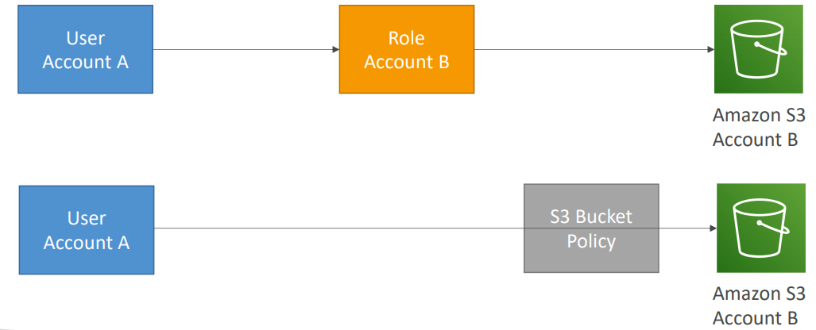
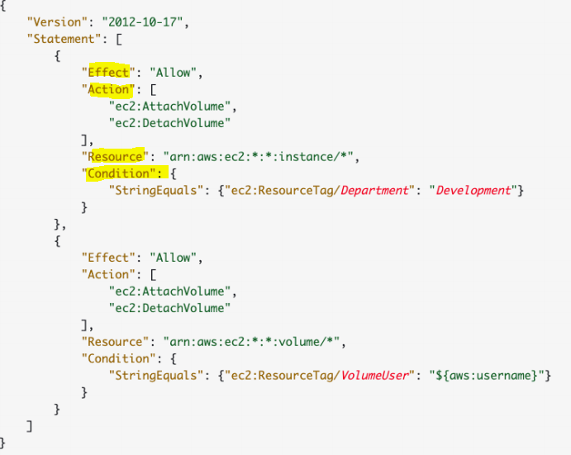
 |  | Policy

 |  |  |  |  |  | User in account A needs to scan a DynamoDB table in Account A and dump it in an S3 bucket in Account B.
 |  |  |  |  |  | First Option
 |  |  |  |  |  |  | When you assume a role (user, application or service), you give up your original permissions and take the permissions assigned to the role
 |  |  |  |  |  | Second Option
 |  |  |  |  |  |  | When using a resource based policy, the principal doesn’t have to give up any permissions

Lambda
AWS Lambda Integrations Main ones
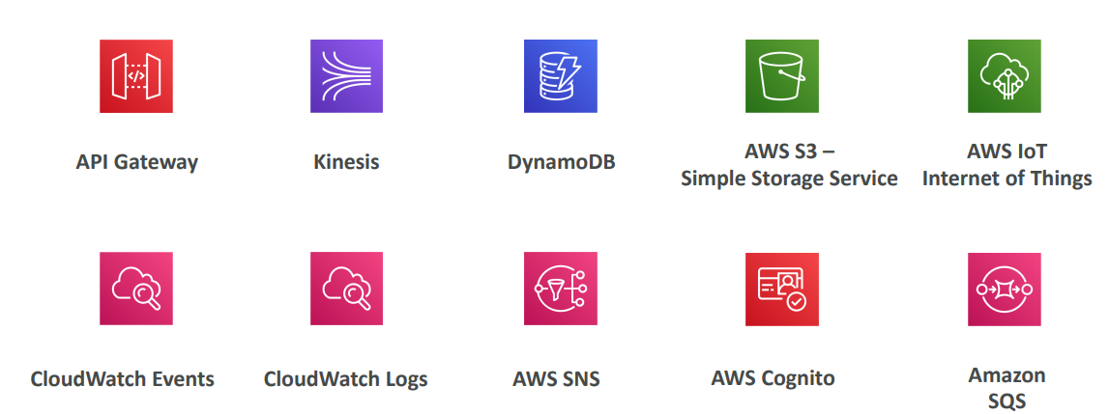
 |  |  |  |  | Lambda in a VPC

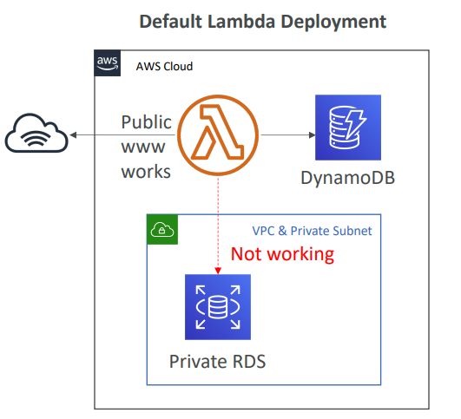
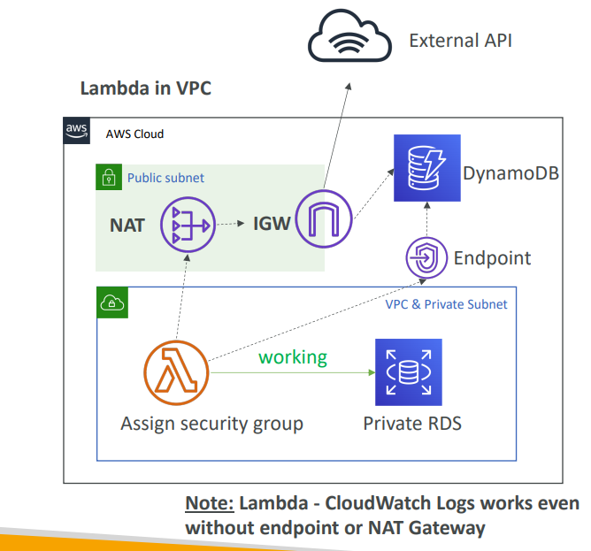

Lambda – Limits
 | RAM: 128 MB to 3G
 | CPU:
 |  | is linked to RAM (cannot be set manually)
 |  | 2 vCPU are allocated after 1.5G of RAM
 |  | Timeout: up to 15 minutes
 |  | /tmp storage: 512 MB (can’t process BIG files)
 |  | Deployment package limit: 250 MB including layers
 |  | Concurrency execution: 1000 – soft limit that can be increased

Security
 | IAM Roles for Lambda to grant access to other AWS services
 | Resource-based Policies for Lambda (similar to S3 bucket policies)
 |  | Allow other accounts to invoke or manage Lambda
 |  | Allow other services to invoke or manage Lambda

 | Synchronous Invocations |  |  |  |  | Asynchronous Invocation
 |  | Synchronous: CLI, SDK, API Gateway |  |  |  |  | S3, SNS, CloudWatch Events…
 |  |  | • Results is returned right away |  |  |  | Lambda attempts to retry on errors (3 tries total)
 |  |  |  |  |  |  | Make sure the processing is idempotent (in case of retries)
 |  |  |  |  |  |  | Can define a DLQ (dead-letter queue) – SNS or SQS – for failed processing
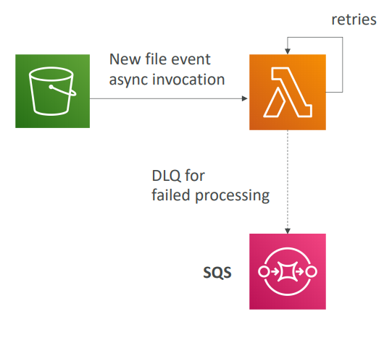

 | Event Source Mapping
 |  | Kinesis Data Streams, SQS, SQS FIFO queue, DynamoDB Streams
 |  | • Common denominator: records need to be polled from the source
 |  | All records are respect ordering properties except for SQS standard

 |  | If your function returns an error, the entire batch is reprocessed until success
 |  |  | Kinesis, DynamoDB Stream: stop shard processing
 |  |  | SQS FIFO: stop, unless a SQS DLQ has been defined
 |  |  | Need to make sure you

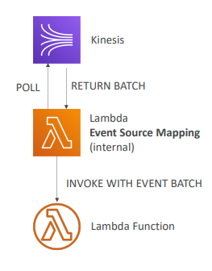

 |  |  |  | Remaning
 |  |  |  | Lambda – Destinations
 |  |  |  | AWS Lambda Versions
 |  |  |  | AWS Lambda Aliases
 |  |  |  | AWS Lambda Aliases with API Gateway
 |  |  |  | Lambda & CodeDeploy

EFS
Elastic file system EFS

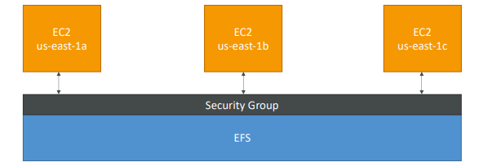
 | Managed NFS (Network file system) |  | AZ1 | AZ2 | AZ3
 | one EFS can work with multiple EC2 in different AZ |  | EC2_1 | EC2_2 | EC2_3
 | Highly Available, Scalable and Expensive
 | Pay per GB use |  | EFS
 | Compatible with Linux based AMI (not Windows)
 | Can only attach to one VPC

 | Security
 |  | security group to control access |  | • EFS Scale
 |  | Encryption at rest using KMS |  |  | • 1000s of concurrent NFS clients, 10 GB+ /s throughput
 |  |  |  |  | • Grow to Petabyte-scale network file system

 |  |  |  | • Performance mode (set at EFS creation time)
 |  |  |  |  | • General purpose (default): latency-sensitive use cases (web server, CMS, etc…)
 |  |  |  |  | • Max I/O – higher latency, higher throughput, highly parallel (big data, media processing)

 |  |  |  | • Throughput Mode
 |  |  |  |  | • Bursting Mode: common for filesystems (intensive work, then almost nothing), linked to FS size
 |  |  |  |  | • Provisioned IO Mode: high throughput to storage ratio (if burst is not enough) – expensive

 |  |  |  | • Storage Tiers (lifecycle management feature – move file after N days)
 |  |  |  |  | • Standard: for frequently accessed file
 |  |  |  |  | • Infrequent access: higher cost to retrieve the file, lower price point to store the file

KMS
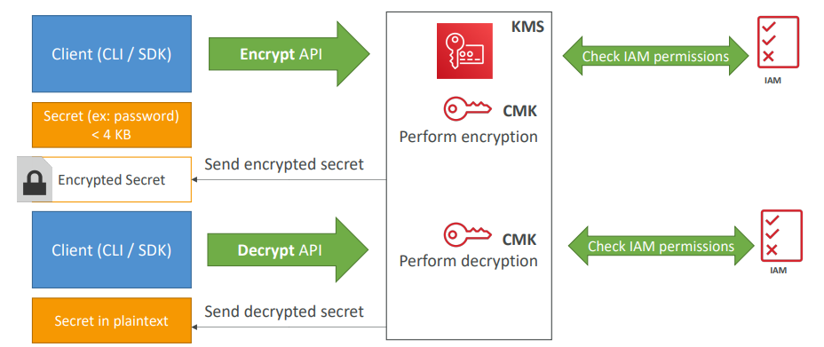
KMS - AWS Key management service

 | AWS manages keys for us
 | integrated with IAM for authorization
 | integrated with EBS,S3, Redshift, RDS, SSM, DynamoDB and other services
 | We can use SDK or CLI to encrypt and decrypt our data
 | encrypting up to 4KB of data per call
 | If data > 4 KB, use Envelope Encryption

 | AWS managed CMK
 |  | Used by AWS service (aws/s3, aws/ebs, aws/redshift)
 |  | Managed by AWS

 | Customer Manager CMK
 |  | Create, manage and use, can enable or disable
 |  | Possibility of rotation policy (new key generated every year, old key preserved)
 |  | Can add a key policy (resource policy)

 | Track API calls made to KMS in CloudTrail

S3
S3

 | Object storage, serverless, unlimited storage, pay -as -you -go
 | Good to store static content (image, video files)
 | Access objects by key, no indexing facility

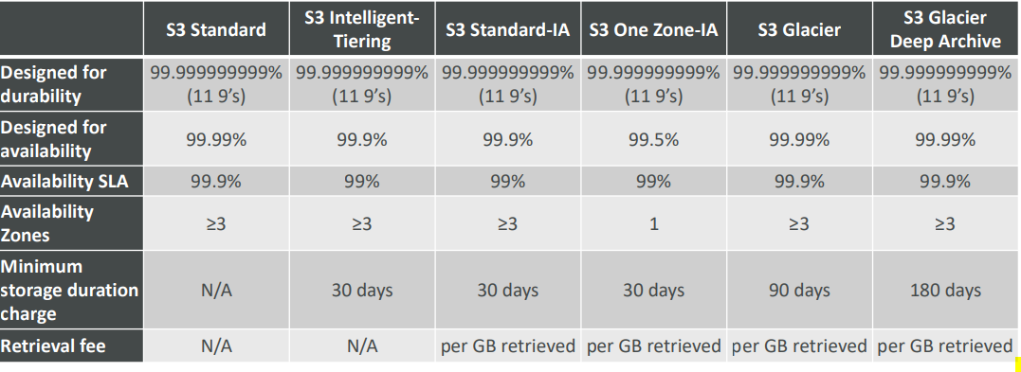

 | Object Encryption |  |  | Events
 |  | SSE-S3: encrypts S3 objects using keys handled & managed by AWS |  |  | Event notification available at bucket level
 |  | SE-KMS: leverage AWS Key Management Service to manage encryption keys |  |  |  | E.g.: new objects created, object removal, restore objects, replication events
 |  | SSE-C: when you want to manage your own encryption keys |  |  | Events can be handeled by SNS, SQS queue, Lambda
 |  | Client Side Encryption |  |  | Need to enable CloudTrail to get object level events

 |  | HTTPS is mandatory for SSE-C

 |  | Glacier: all data is AES-256 encrypted, key under AWS control |  | S3 Bucket Policies
 |  |  |  |  | • Use S3 bucket for policy to:
 |  |  |  |  |  | • Grant public access to the bucket
 |  |  |  |  |  | • Grant public access to the bucket
 | Security |  |  |  |  | • Grant access to another account (Cross Account)
 |  | User based
 |  |  | IAM policies - which API calls should be allowed for a specific user from IAM console | S3 pre-signed URLs
 |  |  |  |  | Create pre signed URL to give temporary access to S3 objects
 |  | Resource Based |  |  | Valid for a default of 3600 seconds, can change timeout
 |  |  | Bucket Policies - bucket wide rules from the S3 console - allows cross account |  | Users given a pre-signed URL inherit the permissions of the person who generated the URL for GET / PUT
 |  |  | Object Access Control List (ACL) – finer grain
 |  |  | Bucket Access Control List (ACL) – less common

 | S3 – Baseline Performance
 |  | 3,500 PUT/COPY/POST/DELETE and 5,500 GET/HEAD requests per second per prefix in a bucket.
 |  | no limits to the number of prefixes in a bucket

 | S3 Performance
 |  | Multi-Part upload
 |  |  | Can help parallelize uploads devide big files in small and upload recommended if file size > 5 GB

 |  | S3 Transfer Acceleration (upload only)
 |  |  | Use AWS edge location to upload files which will then use AWS network to update s3

 |  | Byte-Range Fetches
 |  |  | Parallelize GETs by requesting specific byte ranges

 |  | S3 Select & Glacier Select
 |  |  | Retrieve less data using SQL by performing server side filtering
 |  |  | Can filter by rows & columns (simple SQL statements)
 |  |  | Less network transfer, less CPU cost client-side

Cloud Front
Cloud front - Content delivery network

 | Improve read performance by caching data at the edge location |  |  |  |  |  | Origins
 | DDoS protection, integration with Shield, AWS Web Application Firewall
 | Can expose external HTTPS and can talk to internal HTTPS backends |  |  |  |  |  |  | CloudFront | <=> | S3 bucket | (OAI Origin access identity to provide access to CF)
 | Also support failover by configuring Primary and secondary origin |  |  |  |  |  |  |  |  |  | For distributing files and caching them at the edge
 | Files are cached for a TTL (maybe a day) |  |  |  |  |  |  |  |  |  | Enhanced security with CloudFront Origin Access Identity
 | Geo restriction can be applied |  |  |  |  |  |  |  |  |  | CloudFront can be used as an ingress (to upload files to S3)
 |  | Whitelist: can allow access only if request come from approved country
 |  | Blacklist: can blacklist country |  |  |  |  |  |  |  | S3 website | (OAI Origin access identity to provide access to CF)
 |  | it uses country Geo -IP database to determine country |  |  |  |  |  |  |  |  | bucket as a static S3 website

 |  |  |  |  |  |  |  |  |  | Custom Origin (HTTP)
 |  |  |  |  |  |  |  |  |  |  | Application Load Balancer (ALB must be public and security group must allow Edge location IP)
 | Signed URL / Signed Cookies |  |  |  |  |  |  |  |  |  | EC2 instance (instance must be public and security group must have allow public ip of Edge Locations)
 |  | Signed URL = access to individual files (one signed URL per file) |  |  |  |  |  |  |  |  | API Gateway
 |  | Signed Cookies = access to multiple files (one signed cookie for many files) |  |  |  |  |  |  |  |  | Any HTTP backend you want

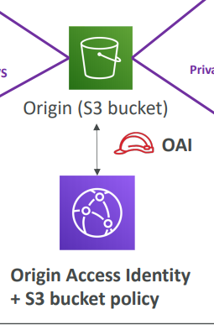
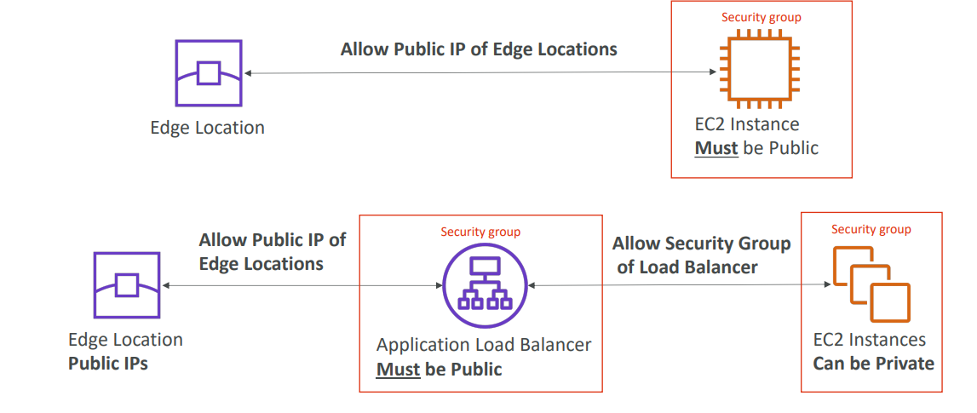
 |  | to distribute paid shared content to premium users over the world
 |  | Includes URL expiration
 |  | Includes IP ranges to access the data from
 |  | Trusted signers (which AWS accounts can create signed URLs)
 |  | Need to create application to provide sign URL to client
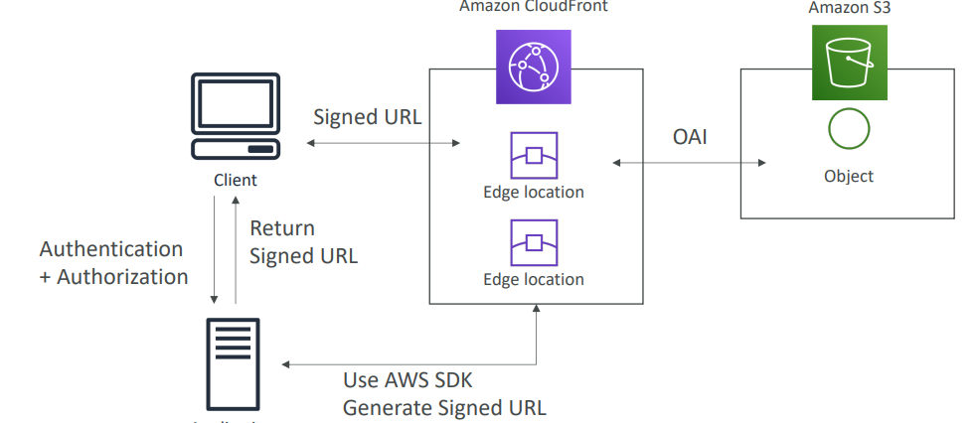

 | Caching |  |  | Lambda@Edge
 |  | Cache based on |  |  | use Lambda to change CloudFront requests and responses
 |  |  | Headers
 |  |  | Session Cookies |  | Interceptor provided
 |  |  | Query String Parameters |  |  | After CloudFront receives a request from a viewer (viewer request)
 |  | TTL (0 seconds to 1 year) |  |  |  | Before CloudFront forwards the request to the origin (origin request)
 |  |  |  |  |  | After CloudFront receives the response from the origin (origin response)
 |  |  |  |  |  | Before CloudFront forwards the response to the viewer (viewer response)

CloudTrail
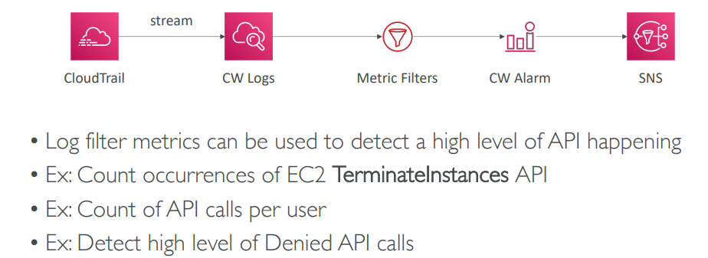
CloudTrail

 | Provides governance, compliance and audit for your AWS Account
 | CloudTrail is enabled by default! |  | 1. Create Cloud trail
 | Get an history of events / API calls made within your AWS Account by: |  | 2. Can include all accounts in organisation
 |  | Console | 3. Cretae s3 bucket or use existing bucket to store logs
 |  | SDK | 4. Encrypt logs using SSE-s3 or SSE-KMS
 |  | CLI | 5. can also enable file validation if it is modified after cloud trail delivered it
 |  | AWS Services | 6. can send SNS notification
 | Events are delivered every 5 minutes in S3
 | Can put logs from CloudTrail into CloudWatch Logs
 | If a resource is deleted in AWS, look into CloudTrail first!
 | CloudTrail console shows the past 90 days of activity |  | Solution Architecture
 | The default UI only shows “Create”, “Modify” or “Delete” events
 |  |  |  | Deliver trail logs to s3 and perform operation on it
 | You can enable cloudtrail Trail to get more details |  |  | Deliver trails logs to SNS and perform operation on it
 |  | Get a detailed list of all the events you choose
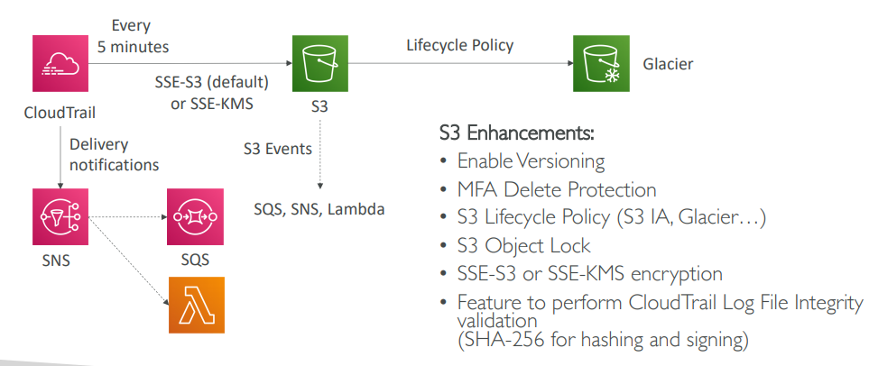
 |  | Can include events happening at the object level in S3
 |  | Ability to store these events in S3 for further analysis
 |  | Can be region specific or be global & include global events (IAM, etc)

 | Solution Architecture
 | Multi Account, Multi Region Logging
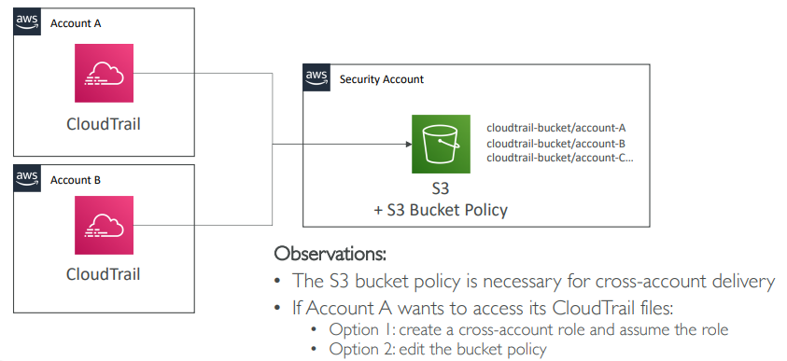

 |  |  |  |  | Alert for API calls

VPC
VPC

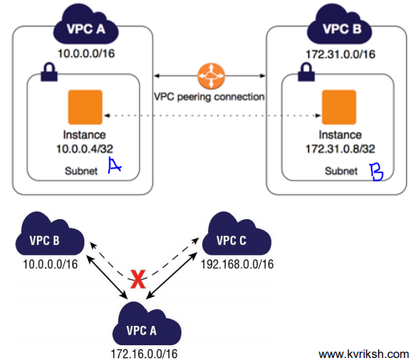
 | VPC Peering |  |  |  |  |  |  | Create VPC peering and select target vpc by providing VPC id and then approve it from target VPC peering
 |  | Inter VPC communication - VPC Peering |  |  |  |  |  | VPC B private route table, add route for VPC A (10.100.0.0/16) and target should be VPC peering connection
 |  | Enables private communication between 2 VPCs |  |  |  |  |  | VPC A public route table, add route for VPC B (172.31.0.0/16) and target should be VPC peering connection
 |  | Can connect single VPC to multiple VPCs |  |  |  |  |  | This can be done in VPC route table or Subnet level route table
 |  | CIDR should be Non-overlapping
 |  | Only one peering between given 2 VPCs
 |  | Peering connection is not transitive
 |  | VPC can be in same Region or different Region

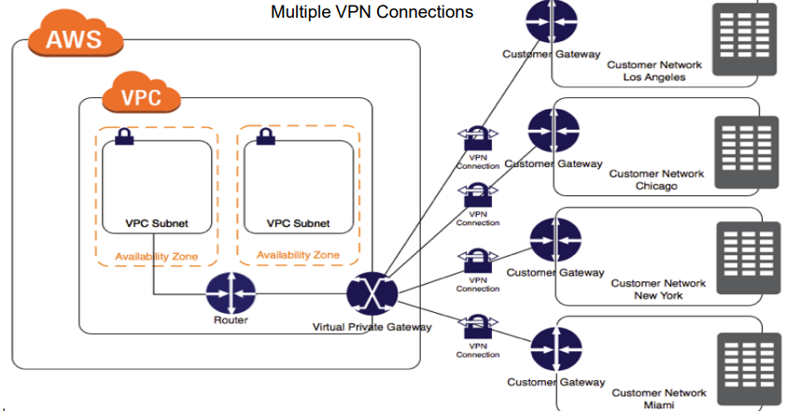
 | VPN Connections Site to Site
 |  | AWS Virtual Private Gateways (VGW)
 |  | Customer Gateways
 |  | VPN Tunnels

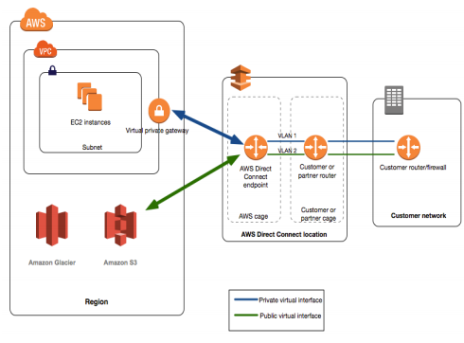

 | AWS Direct Connect
 |  | AWS will provide network to datacenter
 |  | Dedicated network connection from on -prem data center to AWS
 |  | Consistent network bandwidth and throughput
 |  | Available in 1 Gig or 10 Gig bandwidth from AWS
 |  | Sub -1 Gbps service from Direct connect partners
 |  | Where Direct connection location is not available, can choose partner network

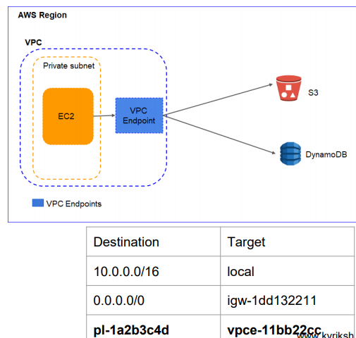

 | VPC Endpoint
 |  | Private connection between VPC and AWS services
 |  | Currently supports AWS S3 and DynamoDB connection in same AWS region
 |  | Should add corresponding route in Subnet route table

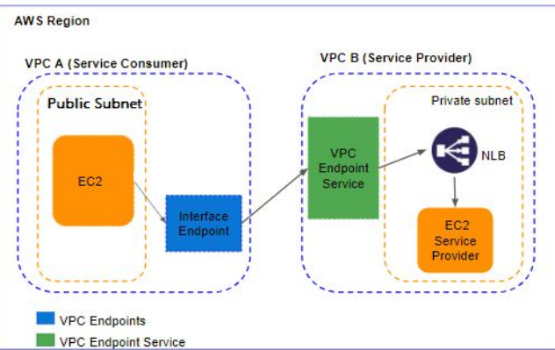

 | VPC Private Link
 |  | allows you to publish an "endpoint" that others can connect with from their own VPC
 |  | It's similar to a normal VPC Endpoint, but instead of connecting to an AWS service, people can connect to your endpoint.
 |  | it as a way to publish a private API endpoint without having to go via the Internet.
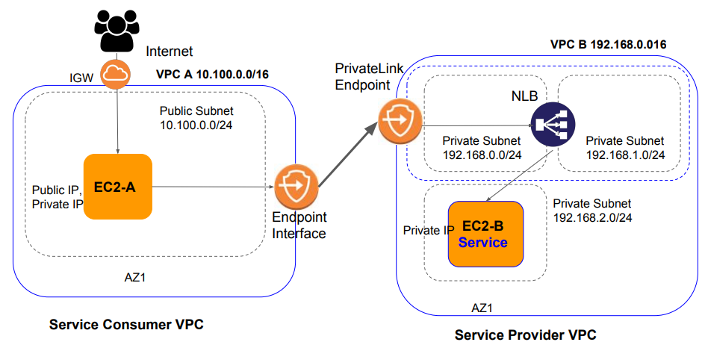

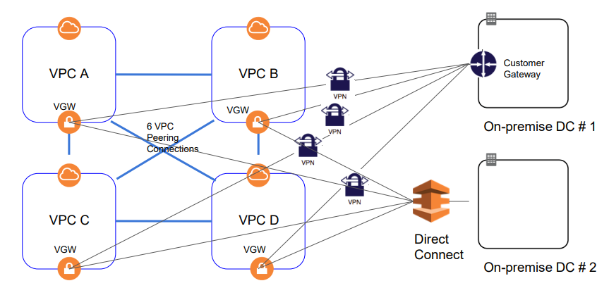
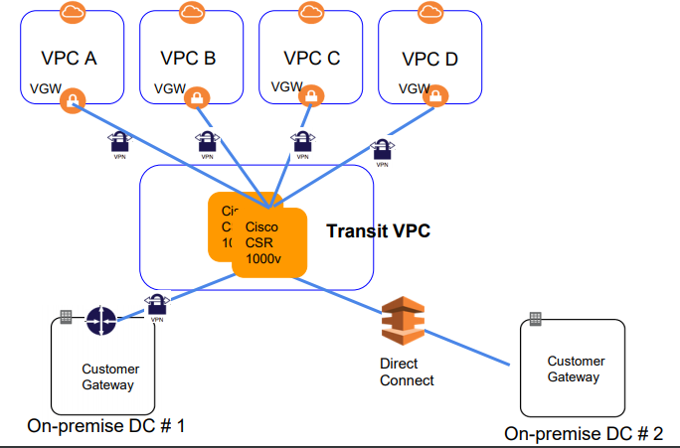
 | Transit VPC |  |  |  |  |  | Solution 1 : Transit VPC (Introduced in 2016)
 |  |  | The problem ...Network for 4 VPCs interconnections |  |  |  |  |  | HUB AND SPOKE TOPOLOGY
 |  |  |  |  |  |  |  |  |  | Simplifies Network
 |  |  |  |  |  |  |  |  |  | Need fewer connections
 |  |  |  |  |  |  |  |  |  | Reduces overall cost of physical network devices
 |  |  |  |  |  |  |  |  |  | Reduces time and efforts
 |  |  |  |  |  |  |  |  |  | Allows deploying IPS/IDS

 |  |  | Point-to-point connection between VPCs |  |  |  |  | Instance based (Cisco CSR 1000V)
 |  |  | Non transitive traffic flow |  |  |  |  | Additional EC2 cost
 |  |  | Separate connection for each VPC for on-premise VPN or Direct Connect |  |  |  |  | Software Licensing cost
 |  |  |  |  |  |  |  | Availability issues
 |  |  |  |  |  |  |  | Bandwidth limitations of EC2

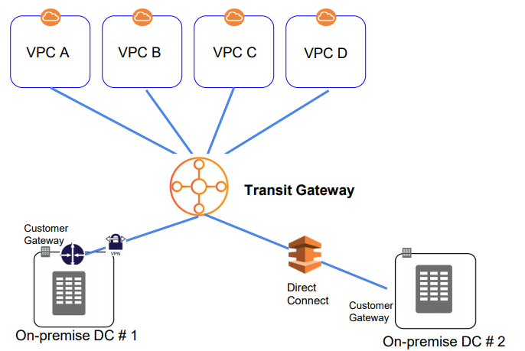
 |  |  | Solution 2: Transit Gateway (2018 Re:Invent)
 |  |  |  |  | HUB AND SPOKE TOPOLOGY
 |  |  |  |  |  | Fully managed gateway
 |  |  |  |  |  | Scales automatically
 |  |  |  |  |  | Highly Available
 |  |  |  |  |  | Supports attaching upto 5000 VPCs
 |  |  |  |  |  | Bandwidth upto 50 gbps
 |  |  |  |  |  | VPC should be in same region
 |  |  |  |  |  | Cross region support is added but available only for few Regions

 |  |  | Hoe to setup

 |  |  |  | 1. Create transit gateway
 |  |  |  | 2. add transit gateway connection for each VPC and subnet
 |  |  |  | 3. it will create route table at Transit gateway level and will add CIDR range for subnet
 |  |  |  | 4. Create route table entry for each VPC CIDR you want to communicate with in VPC route table and set target to Transit Gateway

RoutTable
Route table

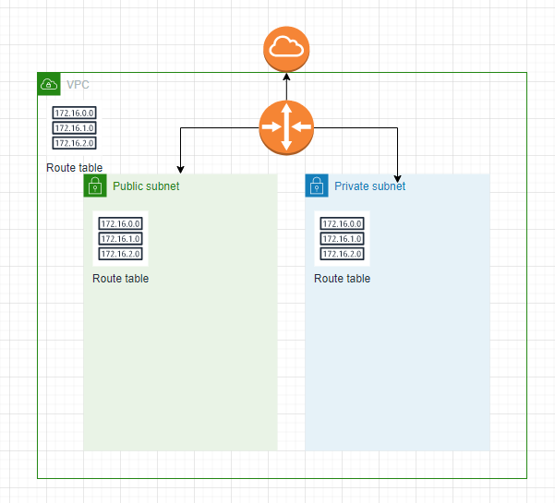
 | Contains rules to route the traffic in/out of Subnets/VPC
 | Main route table at VPC level
 | Custom route table at Subnet level
 | Each route table contains default immutable local route for VPC (10.10.0.0/16)
 | If no custom route table is defined then new subnets are associated with Main route table | no 0.0.0.0/0

 | If no route table defined at subnet it will use default route table at VPC level
 | If route table define at subnet then subnet don’t use VPC default route table |  | no 0.0.0.0/0
 | add 0.0.0.0/0 i.e all ip address to make subnet public
 | Do not include 0.0.0.0/0 in main route table. Not good practice | 0.0.0.0/0

 | Whenever need to transfer trafic from one VPC to any other AWS component use route table e.g VPC peering, VPC endpoint

NACL
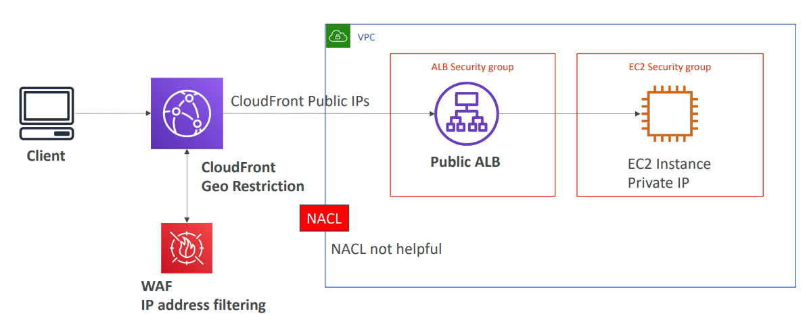
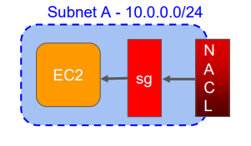
NACL (Network ACL)
 | Stateless firewall - 2nd level of network security
 | Works at Subnet level - applied to all instances
 | Contains both Allow and Deny rules
 | Rules are evaluated in the order of rule number
 | Default NACL allows all inbound and outbound traffic

 | Blocking an IP address
 |  |  | With ALB
 | For EC2 |  | Option 1 | Option 2
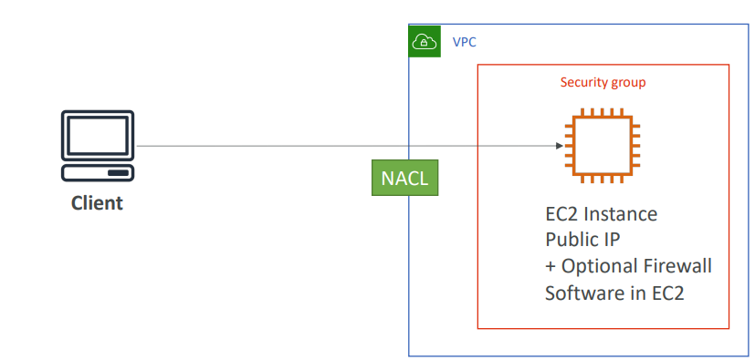
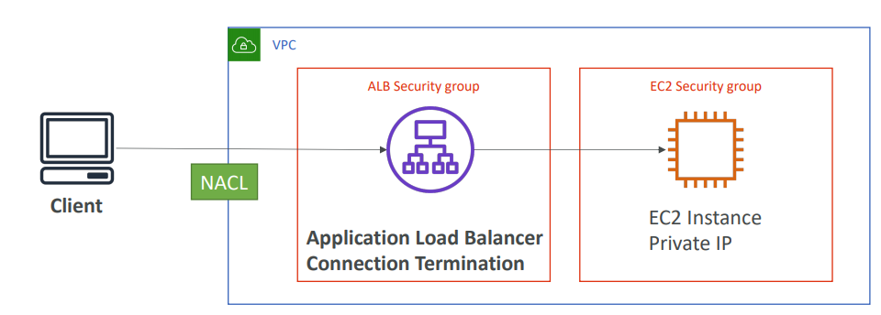
 |  |  |  |  | Use WAF, this will be lil bit costly
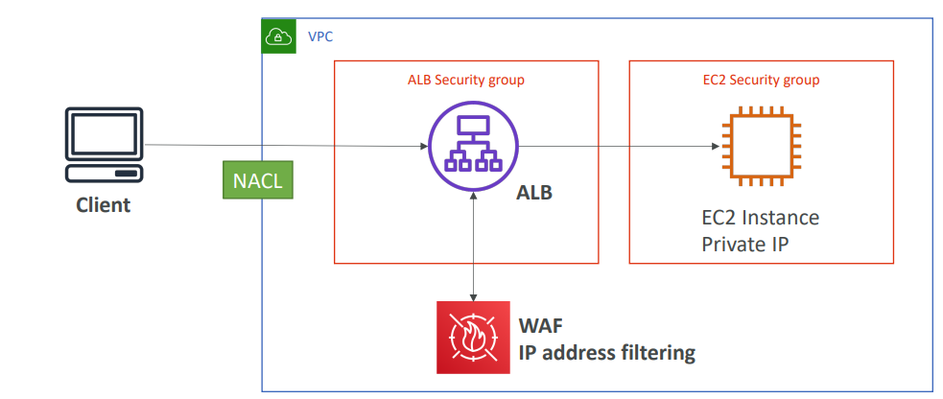

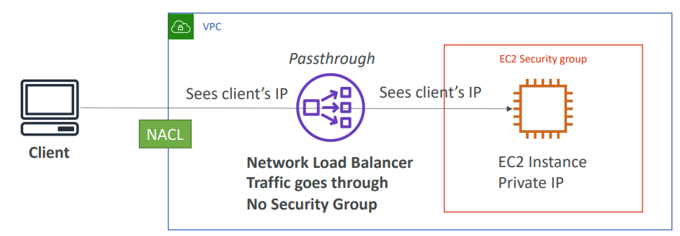
 | EC2 security group don’t have deny rule
 | option1
 |  | Use firewall software to block ip
 |  | this will use EC2 resourcess for processing

 | Optiuon 2
 |  | Use NACL and add deny rule

 | For Clounfrount
 |  | We need to enable all Public IP
 |  | Can only restrict Geo location using Cloudfront
 |  | NACL is not useful as CF ip has to allow
 |  | so we have option to install Web application fire wall and do some ip rules at CF level

NAT
NAT Gateway (Network Address translation)
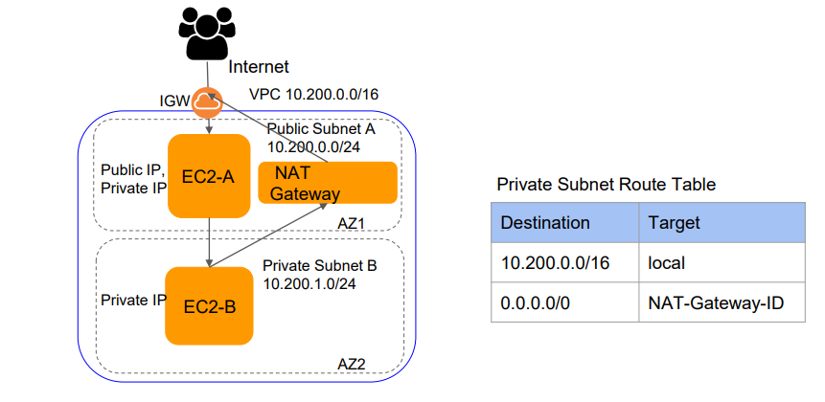
 | To provide Internet Access to instances in private subnet without IGW
 | Performs Network Address translation when packet leaves the VPC
 | Private subnet need 0.0.0.0/0 entry in subnet route table

 | How it works

 | Private EC2 create network package and send to 0.0.0.0/0

 |  | Source | Target | Other info
 |  | private ip of EC2 from private subnet | www.google.com

 | in private subnet 0.0.0.0/0 is mapped to NAT

 | NAT change this package

 |  | Source | Target | Other info
 |  | NAT IP which is in public subnet | www.google.com

 |  |  | NAT Instance
 |  |  |  | NAT EC2 can be launched using Amazon Linux Nat AMI
 |  |  |  | Disable Source/Destination check on instance
 |  |  |  | Allocate EIP

 |  |  | Nat Gateway
 |  |  |  | Managed by AWS
 |  |  |  | Highly available with AZ

Route 53
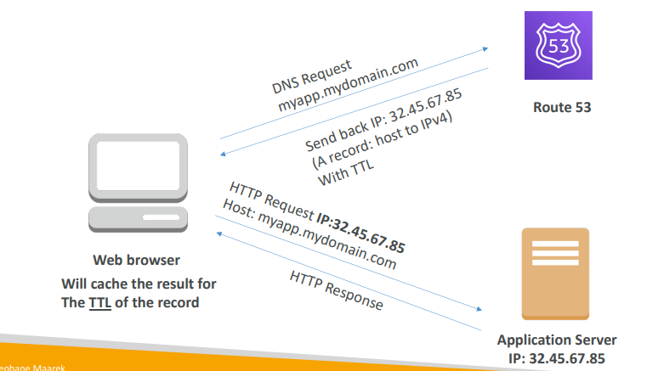
Route 53
 | Route53 is a Managed DNS (Domain Name System)
 | A: hostname to IPv4
 | • AAAA: hostname to IPv6
 | CNAME: hostname to hostname
 | Alias: hostname to AWS resource
 |  | Use for: CLB, ALB, NLB, CloudFront, S3 bucket, Elastic Beanstalk
 |  | Can be used for root apex record (mydomain.com)

 | Simple Routing Policy
 |  | Maps a hostname to a single resource
 |  | You can’t attach health checks to simple routing policy
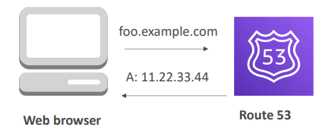

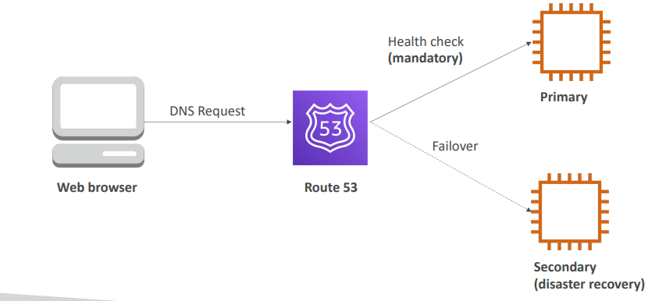
 |  |  | Failover Routing Policy Active - Passive | Latency Routing Policy
 | Weighted Routing Policy |  |  |  | Redirect to the server that has the least latency close to us
 |  | Control the % of the requests that go to specific endpoint |  |  | Super helpful when latency of users is a priority
 |  | • Helpful to test 1% of traffic on new app version for example |  |  | • Latency is evaluated in terms of user to designated AWS Region
 |  | • Helpful to split traffic between two regions – Load Balancing |  |  | Germany users may be directed to the US (if that’s the lowest latency)
 |  | • Can be associated with Health Checks |  |  | Has a failover capability if you enable health checks
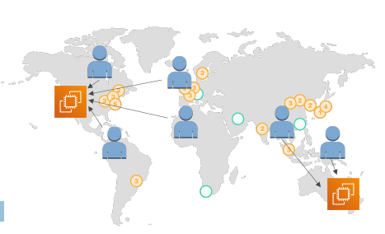
 |  | Note: The weights don’t need to sum up to 100
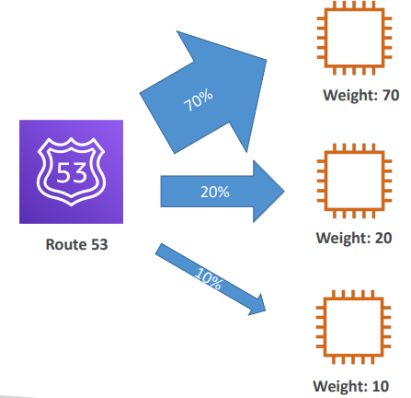

 | Geo Location Routing Policy
 |  | • Different from Latency based!
 |  | • This is routing based on user location
 |  | Here we specify: traffic from the UK should go to this specific IP
 |  | Should create a “default” policy (in case there’s no match on location)

