Sheet1
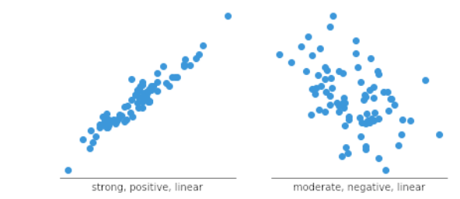
ref | https://www.atlassian.com/data/charts/histogram-complete-guide
 |  | Purpose | Use Case
 | Histograms | To show the distribution of a single variable. | identify the shape of the data distribution | identifying skewness and outliers.
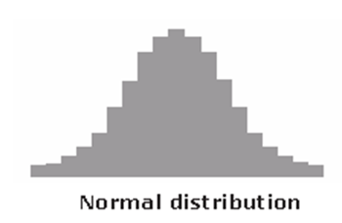
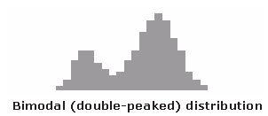
 |  |  | bell-shaped curve known as the "normal distribution. |  | The bimodal distribution looks like the back of a two-humped camel
 |  |  | points are as likely to occur on one side of the average as on the other

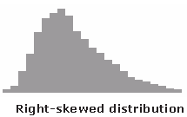
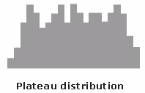
 |  |  | asymmetrical because a natural limit prevents outcomes on one side. |  | The plateau might be called a “multimodal distribution.”
 |  |  | These distributions are called right- or left-skewed according to the direction of the tail |  | Several processes with normal distributions are combined.
 |  |  |  |  | Because there are many peaks close together, the top of the distribution resembles a plateau.

 | Box Plots
 |  | uses boxes and lines to depict the distributions of one or more groups of numeric data | Box plots are used to show distributions of numeric data values, especially when you want to compare them between multiple groups
 |  | Compare multiple groups

 |  | Identifying outliers, understanding the spread and symmetry of the data

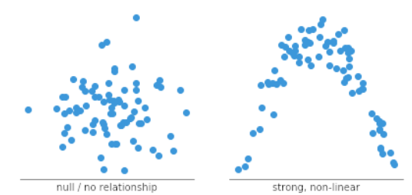
 | Scatter Plots
 |  | To show the relationship between two continuous variables | Identifying correlations, patterns, clusters, and potential outliers.

