My-work
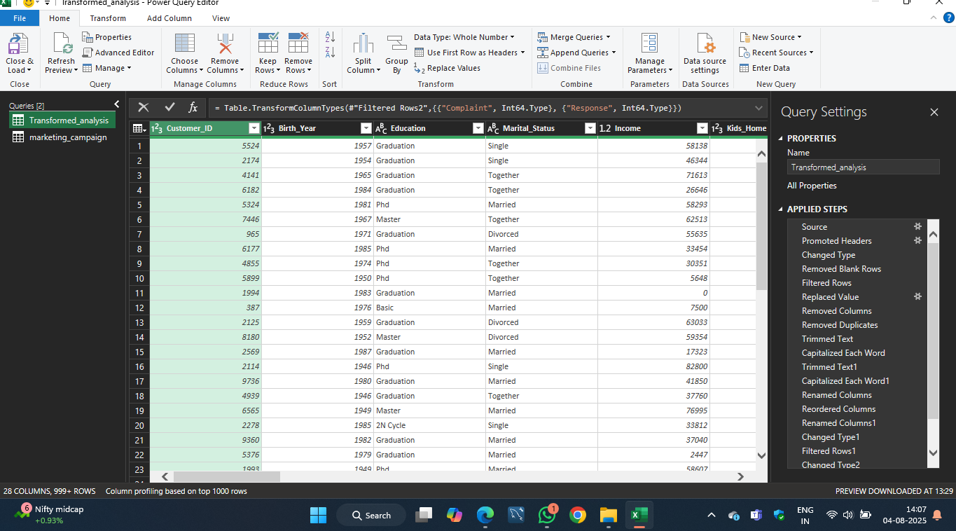
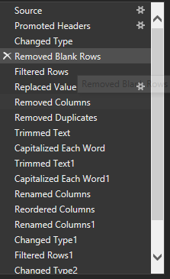
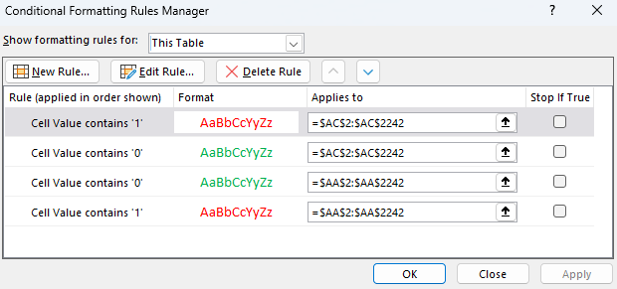
1. What are the missing values and how do you handle them.?
Identify Missing Values:
Apply filters to each column Home → Sort & Filter → Filter
Click dropdown → Check for (Blanks)
Handle Missing Values:
Replace with 0 or "Unknown" Ctrl + H → Find what: leave blank → Replace with: Unknown or 0
Or delete rows: Right-click row → Delete
2. How do you treat Duplicates records.
Identify Duplicates:
Select data range
Go to: Home → Conditional Formatting → Highlight Cells Rules → Duplicate Values
Remove Duplicates:
Select table → Data → Remove Duplicates
Choose columns to check for duplication (e.g., Customer_ID)
3. Difference between dropna() and fillna() in Pandas.
dropna() Delete rows with blank cells (Excel)
fillna(value) Replace blank cells using Ctrl + H or formula like =IF(A2="", "Unknown", A2)
4. What is outlier treatment and why is it important?
How to detect:
Use =QUARTILE.INC(range, 1) and =QUARTILE.INC(range, 3)
IQR = Q3 - Q1 Outliers: < Q1 - 1.5*IQR or > Q3 + 1.5*IQR
Handle:
Highlight values using conditional formatting
Remove or cap them using IF formulas
5. Explain the process of standardizing data.
TUse formulas:
=PROPER(A2) → Capitalize each word
=LOWER(A2) → Lowercase
=TRIM(A2) → Remove extra spaces
Date Format:
Select column → Format Cells → Choose "Short Date" or "Custom" → yyyy-mm-dd
6. How do you handle inconsistent data formats (e.g., date/time)?
Fix Date/Time:
Select column → Data → Text to Columns → Delimited → Finish
Use =DATEVALUE() or =TEXT(A2, "yyyy-mm-dd")
Fix Time:
Use =TIMEVALUE() or format cells as Time under Format Cells
7. What are common data cleaning challenges?
Blank or missing cells
Inconsistent date formats
Typos and spelling errors
Mismatched data types
Extra spaces
Duplicate rows
Outliers in numerical fields
Case mismatch ("male", "Male", "MALE")
8. How can you check data quality?
✅ Checks & Tools:
CheckTool Formula
Missing values Filters → Check (Blanks)
Duplicates Conditional Formatting → Duplicate Values
Invalid entries Use Data Validation
Text cleanup =TRIM(), =PROPER(), =CLEAN()
Date consistency Format Cells → Date
Range validation =IF(A2 < 0, "Invalid", A2)
Summary statistics Use =AVERAGE(), =MAX(), =COUNTBLANK()

