Faults
Combinational circuits - In combinational circuits even if there is a transcient fault but still it might not reach flop/ register due to electrical masking (tolerance) thus it won't translate to error simillarlly there is a logical masking in combinational circuit for example consider an AND gate with fault on one input and other input is always 0 then result will always be 0 and this fault will also not propagate further and translate into error due to this reason even in absence of safety mechanism the fault will not immediatly result into hazard but it will take some time which is known as fault tolerant time interval (FTTI) | 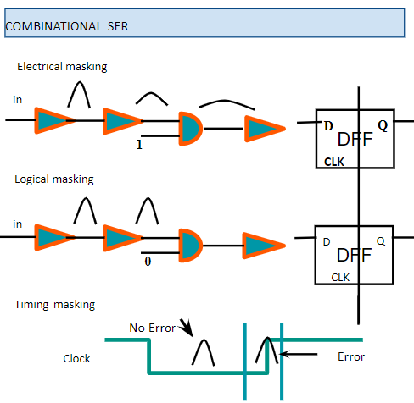 | 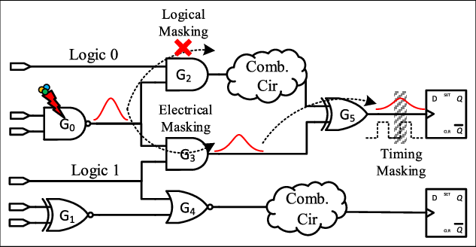
Hence we don't consider transcient faults for combinational circuits we consider it only for memory cells

IP1(ASIL - B)
Fault Detection Time | 5 CPU Clock cycles
Fault Indication Time | 16 CPU Clock cycles

IP2(ASIL - B) |  |  | e
Fault Detection Time Interval | within 3 APB clock cycles | within (DWCDSC_NUM_DSYNC_FFS + 10) CSR clocks | detected immediatly and interrupt generated based on implementation
Fault Reaction Time Interval | within 3 APB clock cycles | before the next frame feed starts | application specific Typical time - within 10ms

IP3(ASIL - B)
Fault Detection Time Interval | detected immediatly and safety interrupt is asserted in less than 10 APB clock cycles | within 3 APB clock cycles
Fault Reaction Time Interval | within 10 AHB clock cycles | within 3 APB clock cycles

Timing parameters
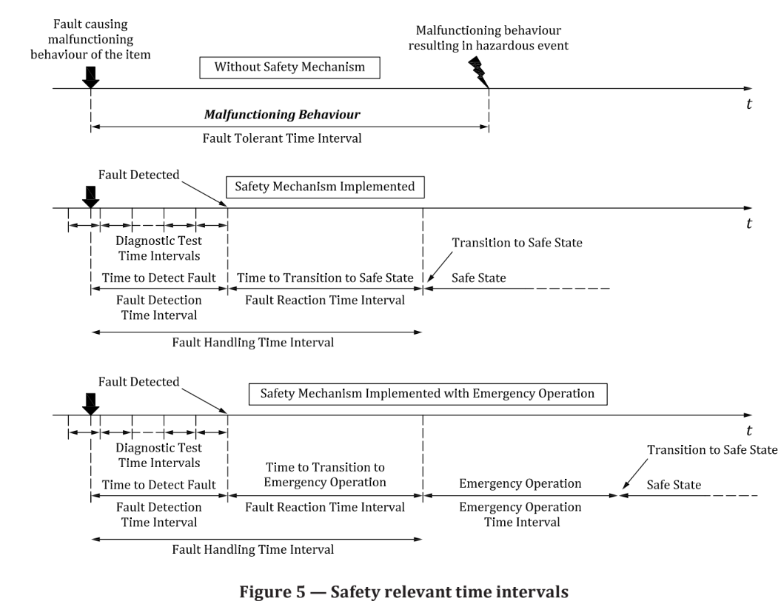
 | freq assumption = 1 GHZ
 | description | ASIL A | ASIL B | ASIL C | ASIL D | notes | IP1 | IP2 | IP3
FTTI | minimum time-span from the occurrence of a fault (3.54) in an item (3.84) to a possible occurrence of a hazardous event (3.77), if the safety mechanisms (3.142) are not activated |  | 100ms |  | 10ms | Vehicle level
FTTI |  |  | 10ms |  | 1ms | SOC level
FTTI |  |  | 0.1ms (100us),10k clk cycles |  | 0.01ms (10us) | IP level

DTTI | amount of time between the executions of online diagnostic tests by a safety mechanism (3.142) including duration of the execution of an online diagnostic test |  | 100 clk cycles |  | 10 clk cycles | IP level

FDTI or time to detect fault | time-span from the occurrence of a fault (3.54) to its detection |  | 500 clk cycles |  | 50 clk cycles | IP level |  | 3 clk cycles | 3 clk cycles

FRTI | time-span from the detection of a fault (3.54) to reaching a safe state (3.131) or to reaching emergency operation (3.43) |  | <=5000 clk cycles |  | <= 500 clk cycles | IP level |  | 3 clk cycles | 3 clk cycles

FHTI | sum of fault detection time interval (3.55) and the fault reaction time interval (3.59) |  | <= 5500 clk cycles |  | <= 550 clk cycles | IP level

