Sheet1
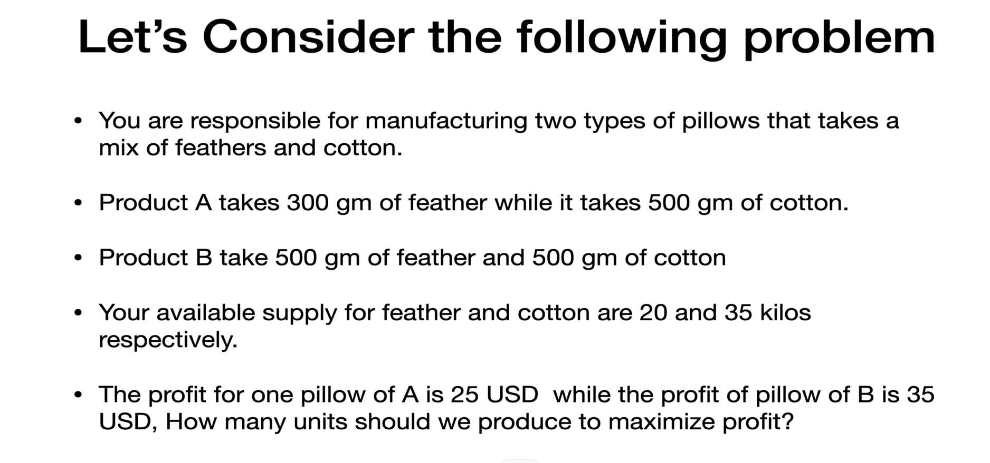
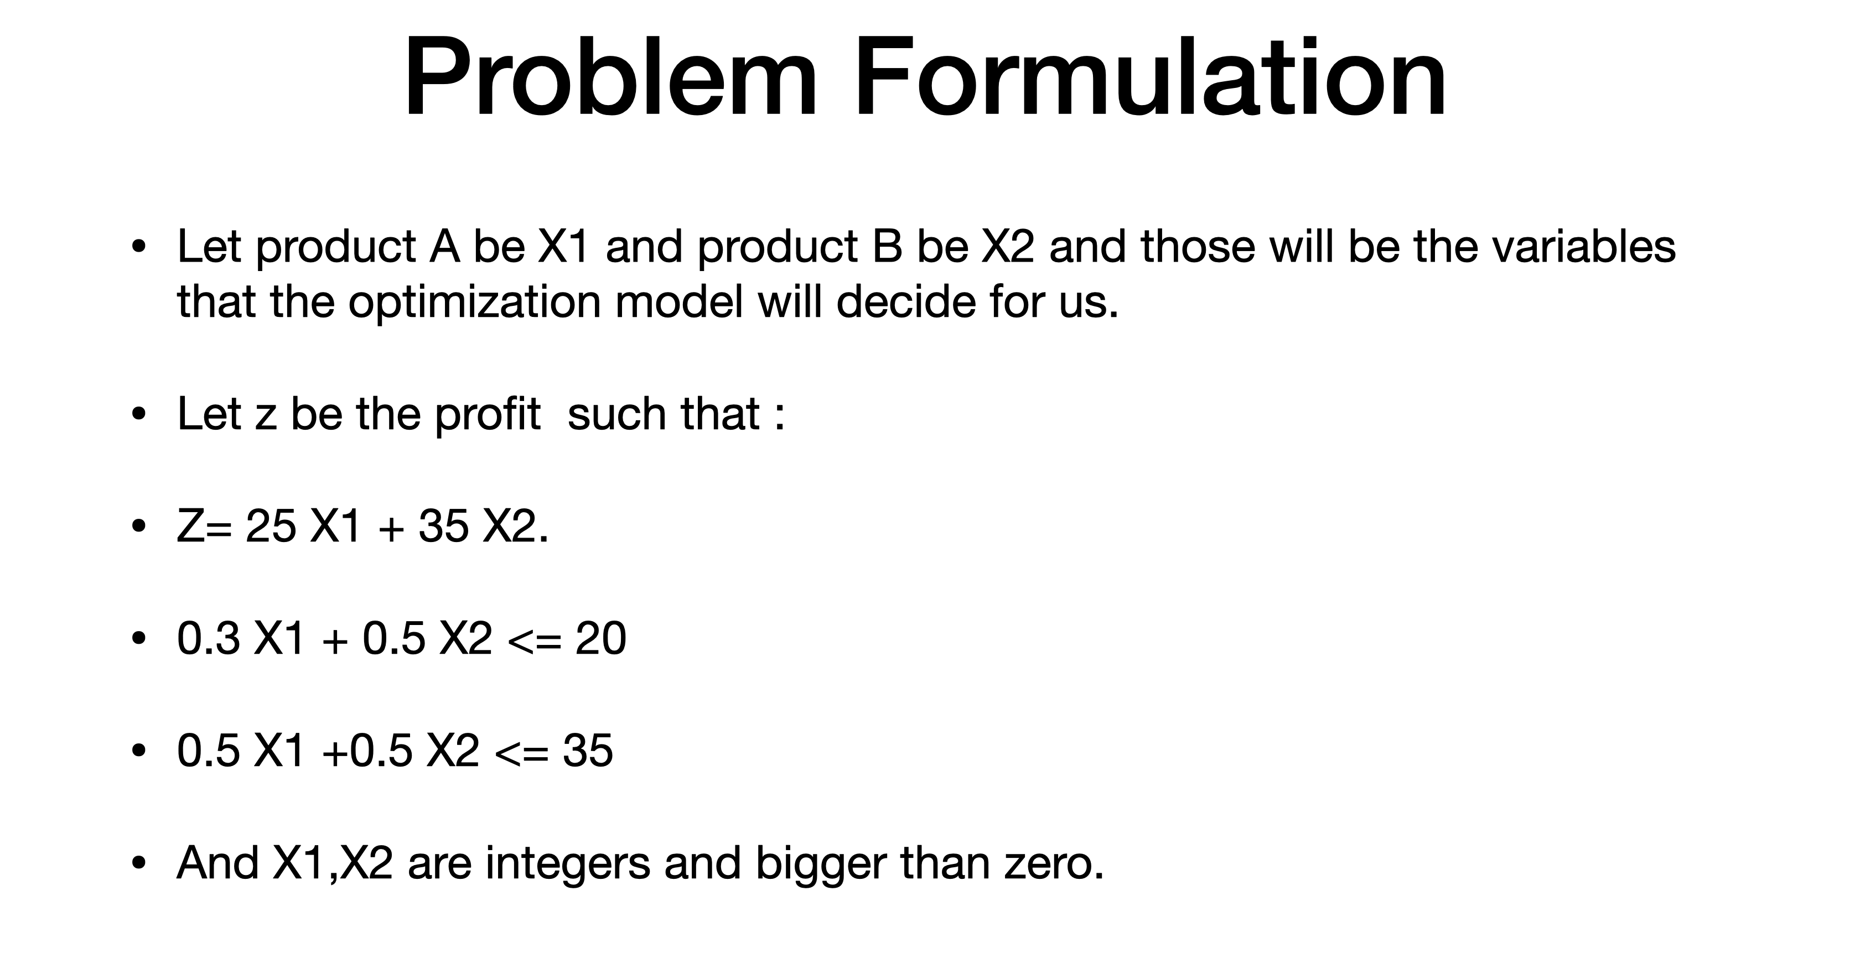

 |  |  |  | Feather | Cotton
Profit |  |  | X1 | 0.3 | 0.5
X1 | 25 |  | X2 | 0.5 | 0.5
X2 | 35 |  | Available | 20 | 35
 |  |  | Consumed | 20 | 33

 |  | X1 | X2
 |  | 65 | 1

 |  |  | Objective Function (Maximize Profit )
 |  |  |  | 1660

