Instructions
Assets Inventory Form: |  |  | Completion of this form is required to gather data for Scope and Logging & Monitoirng.
Sr.No | Instructions
1 | It is Mandatory for Customer to fill the information in the following columns:
 | The following columns are required to be filled byCustomer if Logging and Monitoring Service has been subscribed from ControlCase:
 | The details in following columns will be filled by ControlCase:
2 | Legend |  |  |  |  |  | Description
 | CHD |  |  |  |  |  | Cardholder Data
 | SPI |  |  |  |  |  | Sensitive Personal Information
 | PII |  |  |  |  |  | Personally Identifiable Information
 | PHI |  |  |  |  |  | Personal Health Information
3 | Below is the list of assets that can be included within the Asset Inventory sheet.
 | Firewall |  |  |  | Application |  |  |  | Network Device
 | Router |  |  |  | Database |  |  |  | Physical Media
 | Switch |  |  |  | Load Balancer |  |  |  | Appliance
 | Laptop |  |  |  | Workstations |  |  |  | IPS
 | Server |  |  |  | POI |  |  |  | IDS
 | Virtual Server |  |  | ATM |  |  | Hypervisor |  |  | AWS Service
4 | Columns "Asset Type", "Vendor" & "Role/Purpose" within 'Asset Inventory' sheet have the functionality of 'Drop down' implemented. Please select the appropriate combination of information pertaining to the asset.
5 | For Amazon Web Services ( AWS Services), please select the asset type as "AWS Service" and then select the respective service of AWS. For providing information about EC2 Instances, consider them as "Virtual Server" and fill the details accordingly.
6 | If the required value of "Vendor" or "Role / Purpose" is not present within the list of drop down items, please follow the below steps.
 | 1. Please select the value as "Other' from the list of drop down items. |  |  |  |  |  |  | 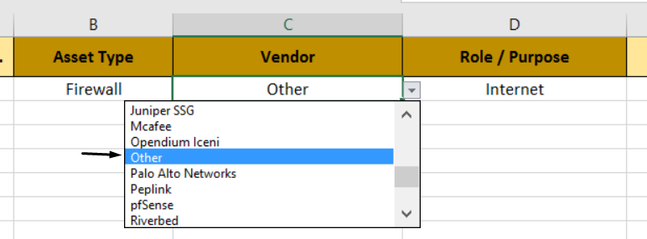
 | 2. Now, add a comment to the cell by navigating to "Review" tab and then selecting "New Comment" from within the ribbon. |  |  |  |  |  |  | 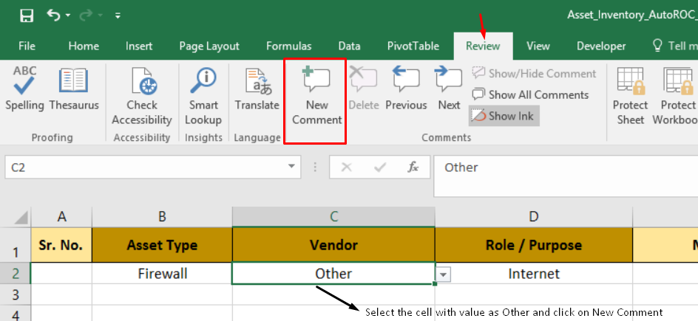
 | 3. Mention the actual name of Vendor or Role within the comment with any additional description about it. |  |  |  |  |  |  | 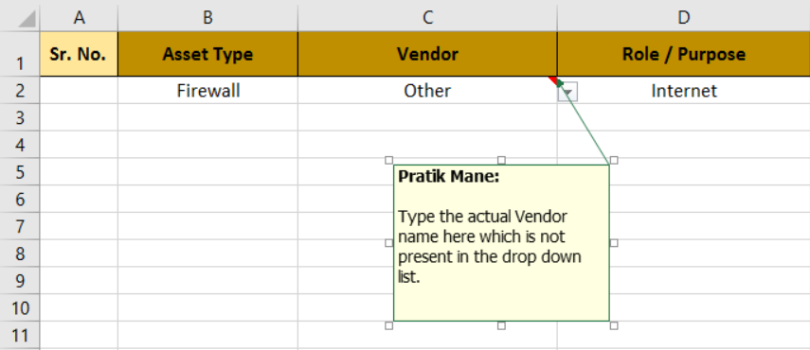
7 | Sample of Rows filled for reference.
Sr. No. | Asset Type | Vendor | Role / Purpose | Model | Software / Application | Version | Asset Name | Location/BU | Public IP Address | Private IP Address | Owner of Asset | Sesnitive Data Type (CHD/ SPI/PII/PHI)
1 | Appliance | Other | File Integrity Monitoring | NA | AlienVault | v1.1 | hostname1 | Mumbai | NA | 192.168.10.30 | OwnerName | CHD
2 | Physical Media | Other | Portable | 1TB | NA | NA | hostname2 | Mumbai | NA | NA | OwnerName
3 | ATM | Wincor Nixdorf | On Site Windows 8 | CINEO C2070 | Windows | NA | hostname3 | Pune | NA | 192.168.10.5 | OwnerName | CHD
4 | Database | MySQL | CHD | NA | Nice | v1.0 | hostname4 | Mumbai | NA | NA | OwnerName
5 | Firewall | Cisco Systems | Other | ASA 5540 | Cisco IOS | v9.2 | ASAMUMINT | Mumbai | 69.103.14.23 | 192.168.10.2 | OwnerName | CHD
6 | Hypervisor | VMware ESXi | Virtualization | NA | Vcenter | v1.1 | hostname6 | Mumbai | NA | NA | OwnerName
7 | IDS | Barracuda Networks | Internet | F600 | softwareName | v1.0 | hostname7 | Mumbai | 69.103.14.24 | 192.168.10.21 | OwnerName | CHD
8 | IPS | FireEye | Internet | NX 2500 | softwareName | v1.0 | hostname8 | Mumbai | 69.103.14.25 | 192.168.10.29 | OwnerName
9 | Laptop | Hewlett-Packard | User CDE | HP - Envy | Windows | 8.1 | LAPMUM001 | Mumbai | NA | 192.168.10.40 | OwnerName | CHD
10 | Load Balancer | F5 Networks | Internet | i10600 | softwareName | v3.0 | hostname10 | Mumbai | NA | 192.168.10.10 | OwnerName
11 | Network Device | Other | Wireless | Cisco WLC 8540 | Cisco IOS | 15.3(3)JC6 | hostname11 | Mumbai | NA | 192.168.10.12 | OwnerName | CHD
12 | POI | Ingenico | Universal Serial Bus | iPP320 | Posiflex | 2009 | POSMUM99 | Mumbai | NA | NA | OwnerName | CHD
13 | Router | Juniper Networks | Internet | Cisco 1861 | Cisco IOS | v15,4 | hostname13 | Mumbai | 69.10.14.30 | 192.168.10.4 | OwnerName
14 | Server | Windows Server 2008 R2 | Anti Virus | NA | Kaspersky | v1.7 | hostname14 | Mumbai | NA | 192.168.10.3 | OwnerName | CHD
15 | Switch | Cisco Systems | Core | Cisco 3750 | Cisco IOS | v12.02 | hostname15 | Mumbai | NA | 192.168.10.6 | OwnerName | CHD
16 | Virtual Server | Windows Server 2012 R2 | Call Recording | NA | Call Cabinet | v1.4 | hostname16 | Mumbai | NA | 192.168.10.8 | OwnerName
17 | Workstations | Other | Other | NA | Windows | v10 | hostname17 | Mumbai | NA | 192.168.10.31 | OwnerName | CHD
18 | Application | External - Graphical User Interface | Third Party - Non Card Data | NA | AWS Console | NA | mention link over here | AWS Region | NA | NA | OwnerName
19 | Application | External - Graphical User Interface | Third Party - Non Card Data | NA | VMWare Vsphere Client | v1.2 | Vsphere Client | Pune | NA | NA | OwnerName
NOTE : For any queries, please contact the QSA or designated SPOC.

