Sheet2
1.1.1 Vulnerable version of jQuery |  | 1.1.1 Improper Error Handling
Risk Level | Low | Risk Level | Low
OWASP Category | A06:2021-Vulnerable and Outdated Components | OWASP Category | A04:2021-Insecure Design
Abstract | Assessor observed application is using vulnerable version of jQuery | Abstract | Assessor observed that there is no proper error handling which leads to information disclosure to some extent.
Ease of Exploitation | Hard | Ease of Exploitation | Hard
Impact | An attacker can look for available exploits for this vulnerable version of jQuery. | Impact | Improper handling of errors can introduce a variety of security problems for a web site. The most common problem is when detailed internal error messages such as stack traces, database dumps, and error codes are displayed to the user. These messages reveal implementation details that should never be revealed. Such details can provide hackers important clues on potential flaws in the site and such messages are also disturbing to normal users.
Recommendations | It is recommended to implement latest version of jQuery. |  | Even when error messages don’t provide a lot of detail, inconsistencies in such messages can still reveal important clues on how a site works.
Substantiated Assessment |  |  | Attacker can extract company related internal information (Team member, location of data or backup) from application & can perform social engineering attack.
Affected URL | https://uatopcrm.cbdonline.ae/opcrmuat/main.aspx | Recommendations | Preventing information leakage requires discipline. The following practices have proven effective:
Reference | https://owasp.org/Top10/A06_2021-Vulnerable_and_Outdated_Components/
CWE | 1035 |  | 1. Ensure that the entire software development team shares a common approach to exception handling.
 |  |  | 2. Disable or limit detailed error handling. In particular, do not display debug information to end users, stack traces, or path information.
 |  |  | 3. Ensure that secure paths that have multiple outcomes return similar or identical error messages in roughly the same time. If this is not possible, consider imposing a random wait time for all transactions to hide this detail from the attacker.
 |  |  | 4. Various layers may return fatal or exceptional results, such as the database layer, the underlying web server (IIS, Apache, etc). It is vital that errors from all these layers are adequately checked and configured to prevent error messages from being exploited by intruders.
 |  |  | 5. Be aware that common frameworks return different HTTP error codes depending on if the error is within your custom code or within the framework’s code. It is worthwhile creating a default error handler which returns an appropriately sanitized error message for most users in production for all error paths.
 |  |  | 6. Overriding - Although security through obscurity, choosing to override the default error handler so that it always returns “200” (OK) error screens reduces the ability of automated scanning tools from determining if a serious error occurred. While this is “security through obscurity,” it can provide an extra layer of defence.
 |  |  | 7. Some larger organizations have chosen to include random / unique error codes amongst all their applications. This can assist the help desk with finding the correct solution for a particular error, but it may also allow attackers to determine exactly which path an application failed.

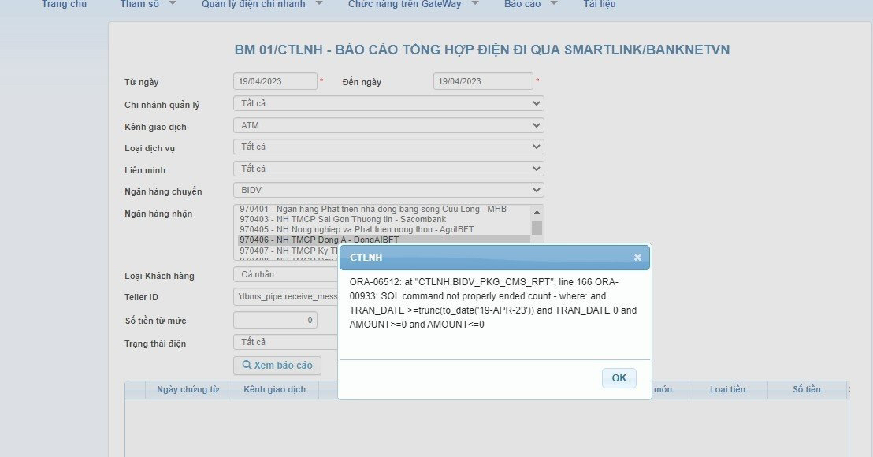
 |  |  | Note: The recommendations must be applied as centralized manner to resist any kind of exceptional. Moreover, the input validation must be handled through centralized way and not separately for each parameter.
 |  | Substantiated Assessment | 

 |  | Affected URL | http://10.53.130.106:10039/wps/portal/!ut/p/z0/04_Sj9CPykssy0xPLMnMz0vMAfIjo8ziDXAARwP9iLxcq_zMFKvygmI9n_z0zDz9ghxHRQDhMqr6/
 |  | Reference | https://owasp.org/Top10/A04_2021-Insecure_Design/
 |  | CWE | 703

