Data Structure
Array Data structure
Array | [A, B, E, D, P, Q]
Memory | 0x00 | 0x01 | 0x02 | 0x03 | 0x04 | 0x05 | 0x06
Value | A | B | E | D | P | Q
Index | 0 | 1 | 2 | 3 | 4 | 5 | 6

Insert Z on index 3
Array | [A, B, E, Z, D, P, Q]
Memory | 0x00 | 0x01 | 0x02 | 0x07 | 0x03 | 0x04 | 0x05
Value | A | B | E | Z | D | P | Q
Index | 0 | 1 | 2 | 3 | 4 | 5 | 6

Linked List Data Structure
Linked List | [A, B, E, D, P, Q]
Memory | 0x00 | 0x01 | 0x02 | 0x03 | 0x04 | 0x05
Value | A | B | E | D | P | Q
Next | 0x01 | 0x02 | 0x03 | 0x04 | 0x05 | null

Insert Z on after B
Memory | 0x00 | 0x01 | 0x06 | 0x02 | 0x03 | 0x04 | 0x05
Value | A | B | Z | E | D | P | Q
Next | 0x01 | 0x06 | 0x02 | 0x03 | 0x04 | 0x05 | null

Stack Datastructure using Linked List
Stack | [A, B, E, D, P, Q]
Memory | 0x00 | 0x01 | 0x02 | 0x03 | 0x04 | 0x05
Value | A | B | E | D | P | Q
Next | 0x01 | 0x02 | 0x03 | 0x04 | 0x05 | null

Push Z |  |  |  |  |  |  |  |  | Pop
Stack | [A, B, E, D, P, Q, Z]
Memory | 0x00 | 0x01 | 0x02 | 0x03 | 0x04 | 0x05 | 0x06
Value | A | B | E | D | P | Q | Z
Next | 0x01 | 0x02 | 0x03 | 0x04 | 0x05 | 0x06 | null

Queue Datastructure using Linked List |  |  |  | Head = 0x00 |  | Tail = 0x05
Queue | [A, B, E, D, P, Q]
Memory | 0x00 | 0x01 | 0x02 | 0x03 | 0x04 | 0x05
Value | A | B | E | D | P | Q
Next | 0x01 | 0x02 | 0x03 | 0x04 | 0x05 | null

Enqueue Z
Queue | [A, B, E, D, P, Q, Z] |  | Head = 0x00 |  |  | Tail = 0x06
Memory | 0x00 | 0x01 | 0x02 | 0x03 | 0x04 | 0x05 | 0x06
Value | A | B | E | D | P | Q | Z
Next | 0x01 | 0x02 | 0x03 | 0x04 | 0x05 | 0x06 | null

Dequeue
Queue | [B, E, D, P, Q, Z] |  | Head = 0x01 |  |  | Tail = 0x06
Memory | 0x00 | 0x01 | 0x02 | 0x03 | 0x04 | 0x05 | 0x06 |  | Dequeue operation returns A from the head of the Queue and remove it from the Queue
Value | null | B | E | D | P | Q | Z
Next | null | 0x02 | 0x03 | 0x04 | 0x05 | 0x06 | null |  | Peek operation on the other hand just returns A from the head of the Queue, doesn't remove it.

How to Calculate Running Time of an algorithm?
 |  |  |  |  |  |  |  | Let's convert this flowchart to algorithm:

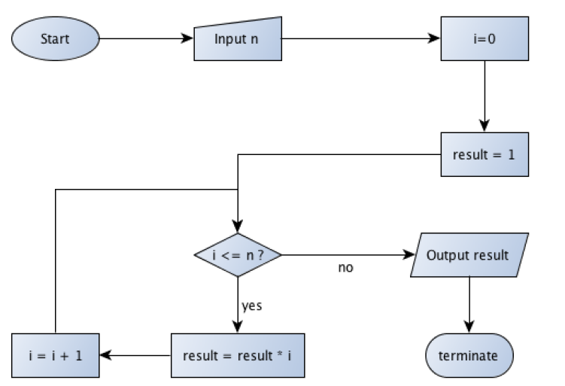
 |  |  |  |  |  |  |  | Step 1: | Take input n
 |  |  |  |  |  |  |  | Step 2: | Assign 0 to i
 |  |  |  |  |  |  |  | Step 3 | Assign 1 to result
 |  |  |  |  |  |  |  | Step 4: | If i < = n, continue, else jump to step 7
 |  |  |  |  |  |  |  | Step 5: | Multipy result with i. Assign the returned value to result.
 |  |  |  |  |  |  |  | Step 6: | Increment i and go to step 4.
 |  |  |  |  |  |  |  | Step 7: | Print result

 |  |  |  |  |  |  |  | Assumptions:
 |  |  |  |  |  |  |  | 1. Cost of assignment, addition, comparison, increment is 1
 |  |  |  |  |  |  |  | 2. Cost of taking input, printing output is 1.

 |  |  |  |  |  |  |  | Step | Cost | No. of Times | Cost * Iterations
 |  |  |  |  |  |  |  | 1 | 1 | 1 | 1
 |  |  |  |  |  |  |  | 2 | 1 | 1 | 1
 |  |  |  |  |  |  |  | 3 | 1 | 1 | 1
 |  |  |  |  |  |  |  | 4 | 1 | n+2 | n+2
 |  |  |  |  |  |  |  | 5 | 2 | n+1 | 2n+2
 |  |  |  |  |  |  |  | 6 | 2 | n+1 | 2n+2
 |  |  |  |  |  |  |  | 7 | 1 | 1 | 1

 |  |  |  |  |  |  |  | Running Time T(n): 10 + 5n Complexity: O(n)

