OS Space
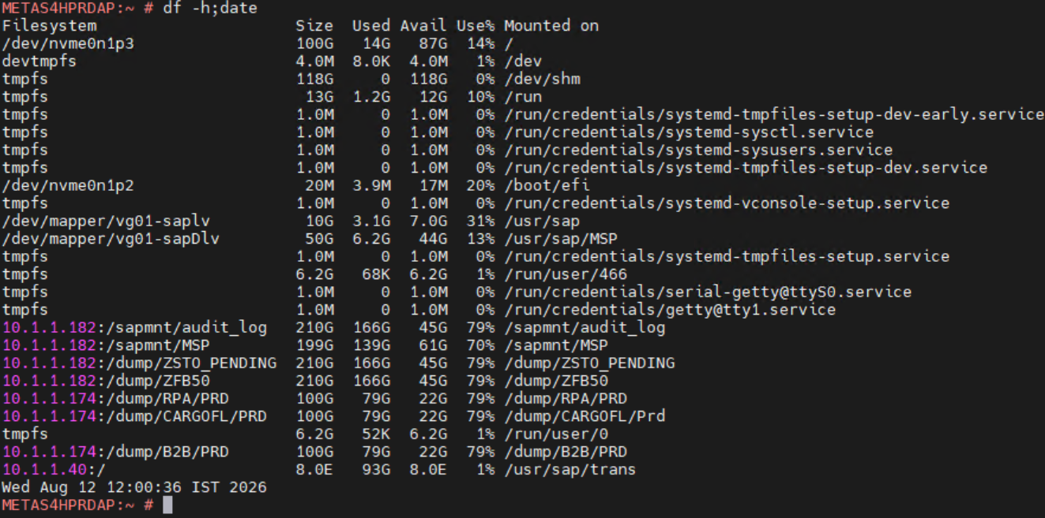
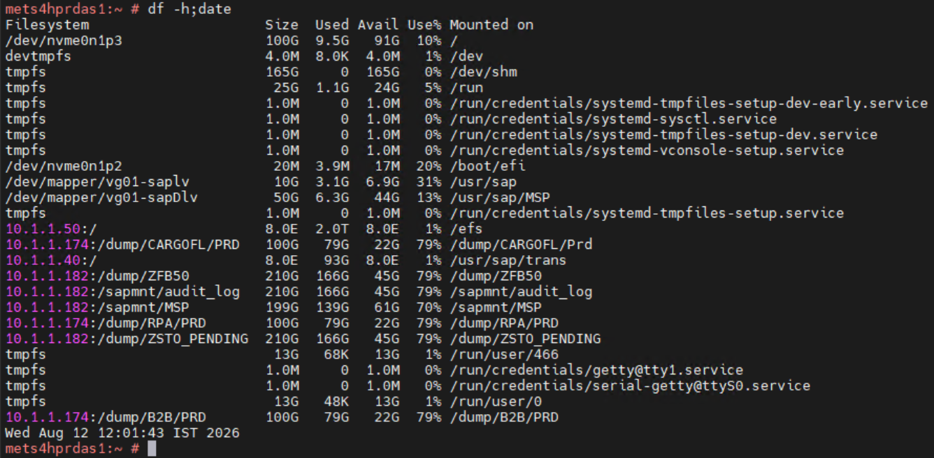
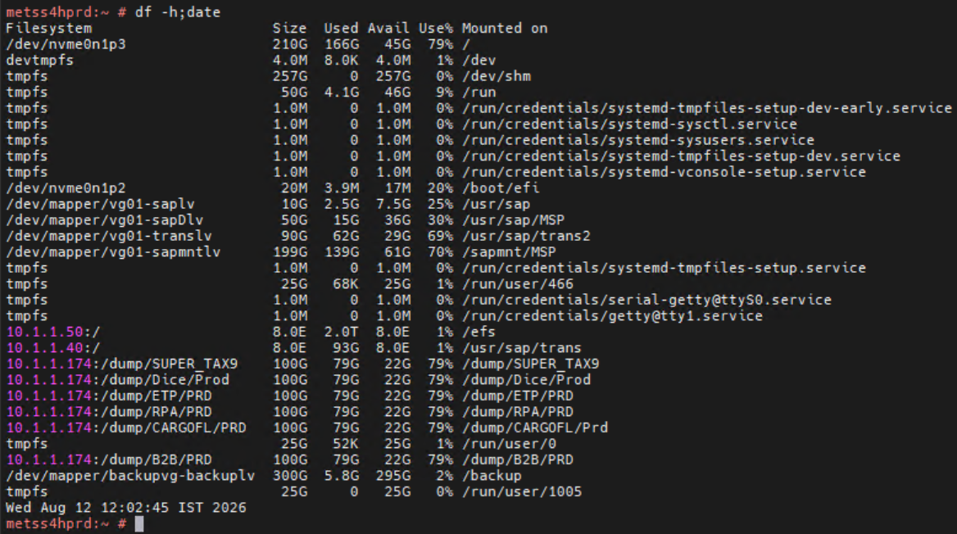
12\08\2026
Database (10.1.1.117) | Application(10.1.1.9)

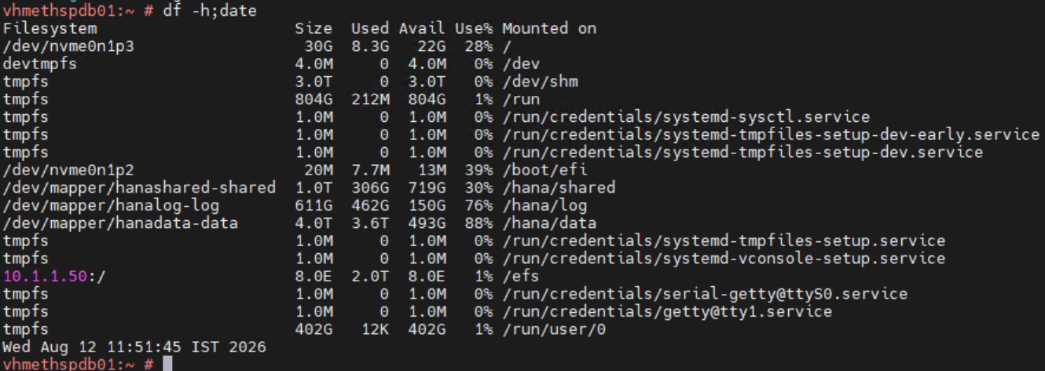
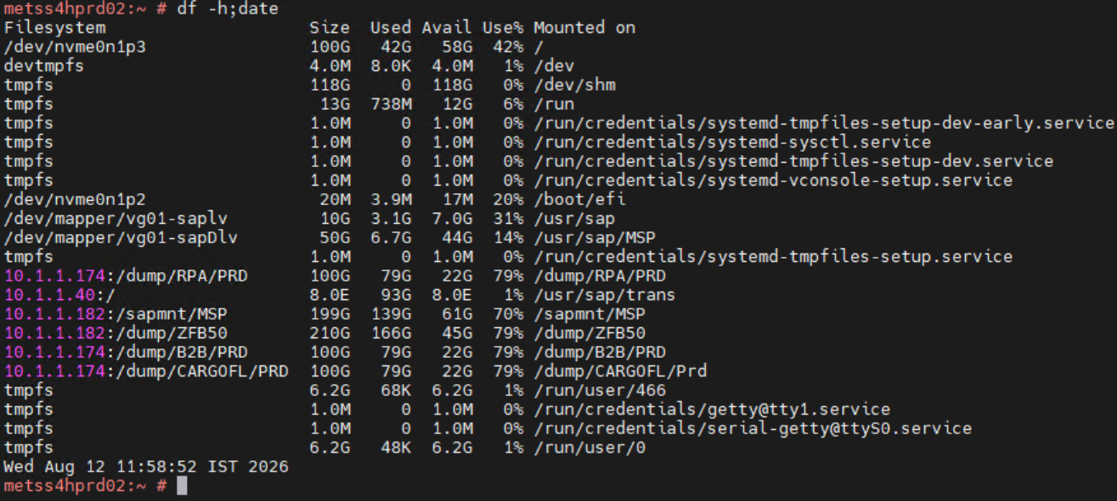

Application(10.1.1.10) | Application(10.1.1.250) | Application(10.1.1.182)

