Summary
Category | Count
Passed | 7
Failed | 5
Skipped | 0
Total | 12
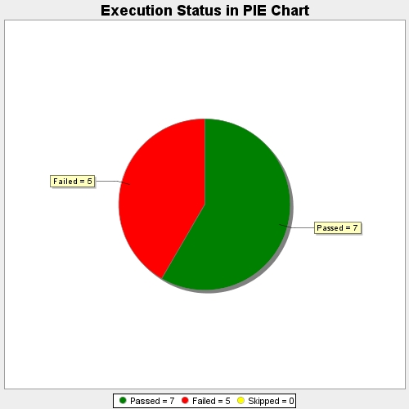
Start Time | 2018-03-28T12:14:00Z
End Time | 2018-03-28T12:14:43Z
Duration | 43314 ms

