Summary
Category | Count
Passed | 11
Failed | 1
Skipped | 0
Total | 13
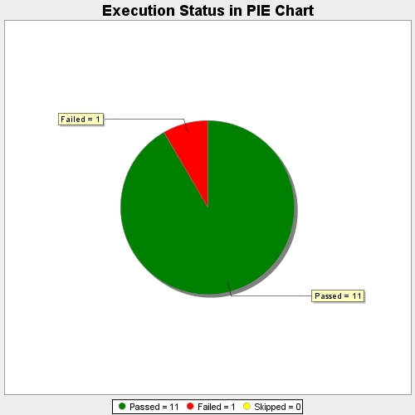
Start Time | 2018-03-28T07:20:12Z
End Time | 2018-03-28T07:20:48Z
Duration | 36631 ms

