White box testing
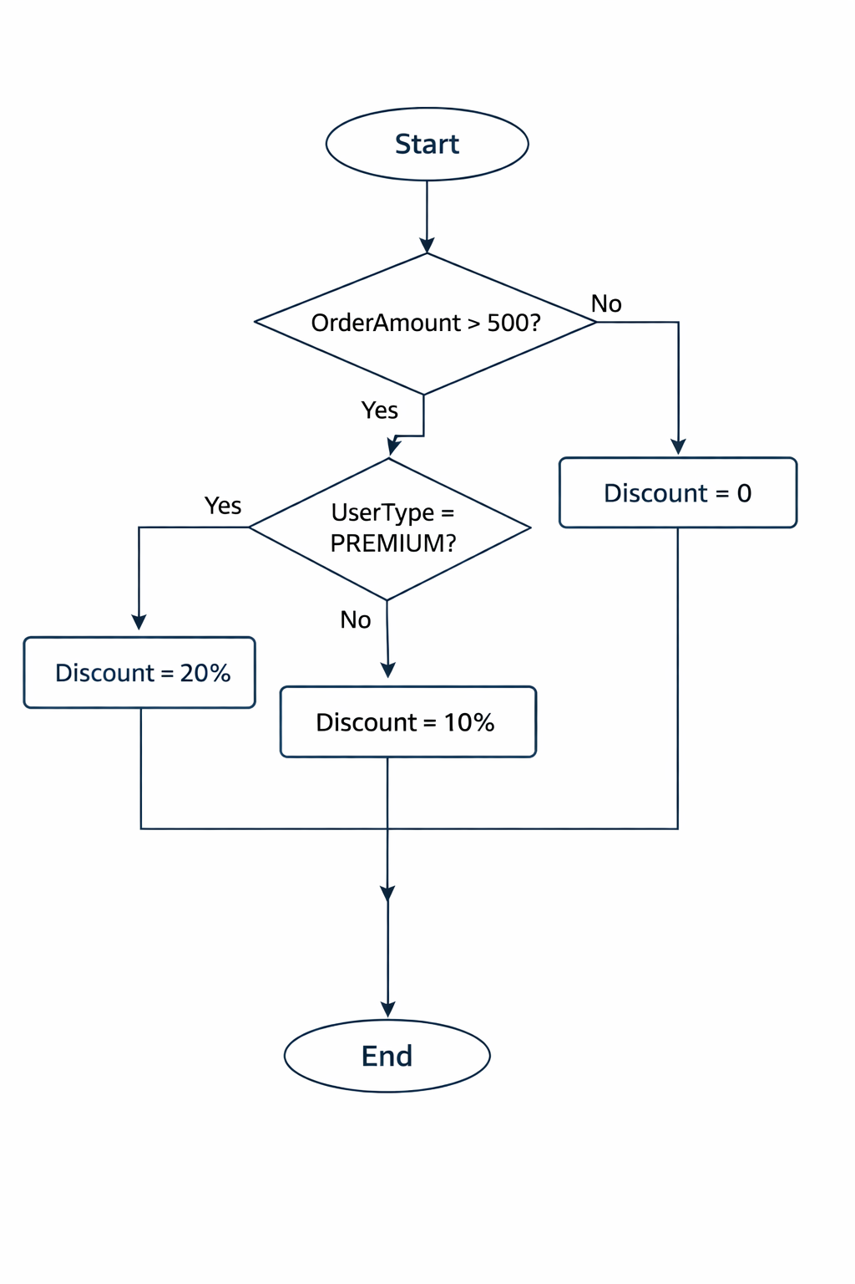
White Box Testing
Decision Coverage
Condition: orderAmount > 500 | Condition: userType == "PREMIUM" | Action: Discount
TRUE | TRUE | 20% |  | 5
TRUE | FALSE | 10%
FALSE |  | 0%
BRANCH COVERAGE
Test Case ID | Scenario | Input | Expected
TC01 | Order > 500, Premium user | orderAmount = 600, userType = "PREMIUM" | discount = 20%
TC02 | Order > 500, Non-premium user | orderAmount = 600, userType = "REGULAR" | discount = 10%
TC03 | Order ≤ 500, Premium user | orderAmount = 400, userType = "PREMIUM" | discount = 0%
TC04 | Order ≤ 500, Non-premium user | orderAmount = 400, userType = "REGULAR" | discount = 0%
Cyclomatic Complexity
E-N+2P
8-7+2(1)=3
7 nodes and 8 edges.

Nodes:

1. Start

2. Decision: orderAmount > 500?

3. Decision: userType == "PREMIUM"?

4. Action: discount = 20%

5. Action: discount = 10%

6. Action: discount = 0

7. End

Edges:

1 → 2

2 (True) → 3

2 (False) → 6

3 (True) → 4

3 (False) → 5

4 → 7

5 → 7

6 → 7

Cyclomatic Complexity

CC=Number of decisions =3

This matches the three independent paths we identified.

