Sheet1
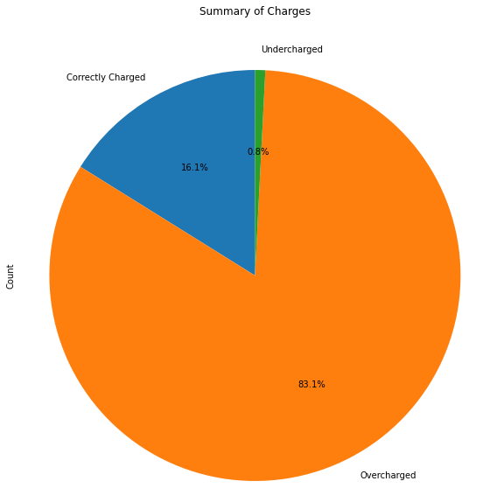
Charge Status | Count | Amount (Rs.)
Correctly Charged | 20 | 886.7
Overcharged | 103 | 12654.2
Undercharged | 1 | 107.3

