class list
 | Test 1 | Test 2 | Test 3 | Average | Rounded_Average | Honors | Grade
Allen | 89 | 78 | 89 | 85.333333333 | 85.33 | NO | B
Borlin | 67 | 56 | 66 | 63 | 63 | NO | D
Catlin | 78 | 76 | 76 | 76.666666667 | 76.67 | NO | C
Dorsey | 56 | 34 | 45 | 45 | 45 | NO | F
Eugene | 26 | 100 | 99 | 75 | 75 | NO | C
Finerran | 99 | 98 | 97 | 98 | 98 | YES | A
Greco | 78 | 87 | 88 | 84.333333333 | 84.33 | NO | B

Score | Cutoff | Grade
90-100 | 90 | A
80-89.99 | 80 | B
70-79.99 | 70 | C
60-69.99 | 60 | D
0-59.99 |  | F

Graph showing Rounded Averages

Eugene’s dream
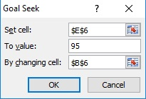
 | Test 1 | Test 2 | Test 3 | Average | Rounded_Average | Honors | Grade | Goal Seek' to check how much Eugene had to score to recieve an Honors
Allen | 89 | 78 | 89 | 85.333333333 | 85.33 | NO | B
Borlin | 67 | 56 | 66 | 63 | 63 | NO | D
Catlin | 78 | 76 | 76 | 76.666666667 | 76.67 | NO | C
Dorsey | 56 | 34 | 45 | 45 | 45 | NO | F
Eugene | 86 | 100 | 99 | 95 | 95 | YES | A
Finerran | 99 | 98 | 97 | 98 | 98 | YES | A
Greco | 78 | 87 | 88 | 84.333333333 | 84.33 | NO | B

Score | Cutoff | Grade
90-100 | 90 | A
80-89.99 | 80 | B
70-79.99 | 70 | C
60-69.99 | 60 | D
0-59.99 |  | F

Descriptive Statistics
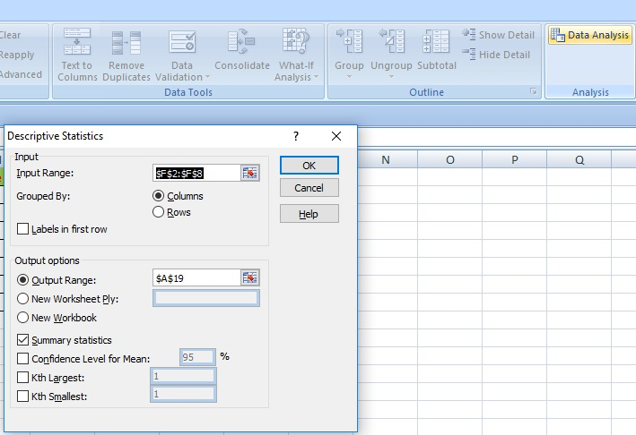
 | Test 1 | Test 2 | Test 3 | Average | Rounded_Average | Honors | Grade | Summary Statistics using 'Descriptive Statisitics' option in 'Data Analysis'
Allen | 89 | 78 | 89 | 85.333333333 | 85.33 | NO | B
Borlin | 67 | 56 | 66 | 63 | 63 | NO | D
Catlin | 78 | 76 | 76 | 76.666666667 | 76.67 | NO | C
Dorsey | 56 | 34 | 45 | 45 | 45 | NO | F
Eugene | 26 | 100 | 99 | 75 | 75 | NO | C
Finerran | 99 | 98 | 97 | 98 | 98 | YES | A
Greco | 78 | 87 | 88 | 84.333333333 | 84.33 | NO | B

Score | Cutoff | Grade
90-100 | 90 | A
80-89.99 | 80 | B
70-79.99 | 70 | C
60-69.99 | 60 | D
0-59.99 |  | F

Summary Statistics
Column1

Mean | 75.332857143
Standard Error | 6.4894991054
Median | 76.67
Mode | #N/A
Standard Deviation | 17.169600766
Sample Variance | 294.79519048
Kurtosis | 0.77656216835
Skewness | -0.75641788641
Range | 53
Minimum | 45
Maximum | 98
Sum | 527.33
Count | 7

