Sheet1
Type of Request (Select one)
Product
Managed IT Services
Professional IT Services
Product & Managed IT Services
Product & Professional IT Services
Description Be specific. What is needed? Why is it needed? What systems and business processes are impacted?
TaskUp: Extensive digital task-management tool that streamlines workflows and removes the need for paper and pen task reporting.
Business Information
Does this request have a project task #?
Yes
No
Select the purpose for your request (Select one.)
Onboard a new Third Party
Reassess an existing Third Party
Request for Proposal
Offboard with assessment
Offboard without assessment

What organization is this assessment for?
Compass / TouchPoint
What are the negative impacts without this request?
Currently not in place in Henry Ford of SE Ascension
Priority of this Request (Select one.)
Low - conceptual
Medium Low - approved and planning or already implemented
Medium High - will go into product in 30-60 days
High - will go into production in less than 30 days
Type of Assessment
Does this request pertain to the following (Select the type that best describes this request)?
Artificial Intelligence/Machine Learning
Internet of Things (IoT)
IRB [Research Study]
Joint Venture (JV)
Laboratory
Medical Devices
Has the Third Party received any external certification(s)?
Yes
No
If yes, please identify type of filing/certification or pending status and attach?
SOC Report
ISO
HITRUST
PCI
Other certificate
Third Party Information
Third Party Company Name: Compass / TouchPoint

Contact name: Morgan Fleck

Contact email address: morgan.fleck@compass-usa.com

Contact phone number: 810.263.1619

How long has the Third Party provided services to the selected company in years?
0-1 Years
2-4 Years
5-6 Years
7+ Years - TouchPoint has provided services to Ascension for more than 7 years

Will this Vendor/Third Party provide services for a Government Program Line of Business (i.e. Medicare, Medicaid, QHP, FEHB)?
Yes
No
Will this Third Party conduct financial transactions on behalf of the organization with members, providers, or hospitals?
Yes
No
Industry
Agriculture
Apparel
Banking
Biotechnology
Chemicals
Communications
Construction
Education
Electronics
Energy
Engineering
Entertainment
Environmental
Finance
Food & Beverage
Government
Healthcare
Hospitality
Insurance
Machinery
Manufacturing
Media
Not for Profit
Recreation
Retail
Shipping
Technology
Telecommunications
Transportation
Utilities
Other

Type
Software
Consulting
Hardware
Service Outsourcing
Staff Outsourcing
Other

Third Party Company URL
https://www.iamtouchpoint.com/
Enter the URL of the website(s) in scope for this assessment (e.g. https//customerportal.org and associated website extension)
Dispatcher : https://dispatcher.taskup.healthcare-compass.com/ Operator : https://operator.taskup.healthcare-compass.com/
Does the website have patient/customer portal access? (e.g. intended for use by patients/families.)
Yes
No

Subcontractor Contact
Does this Third Party use/pay a Subcontractor to perform tasks on their behalf that is in scope for this assessment?
Yes
No
Product/Service Information
What is the Product/Service mean?
TaskUp: Extensive digital task-management tool that streamlines workflows and removes the need for paper and pen task reporting.
Select Type: (Select all that apply)
Medical Device
Software/Hardware
Web application
Application Programming Interface (API)
Mobile Application
Artificial Intelligence/Machine Learning
Open Source
Custom Developed
Services only [No product]
Other

Please select the tier that best describes the product/service:
Vital
Critical
Important
Deferred
None of the above
Does this product use, transmit, or store data?
Yes
No
Choose the data classification category:
Sensitive: PHI, SSN, Credit Card Data, PII, Bank Account Information, etc.
Confidential: Audit reports, payroll data, Provider contracts, member rates, financial status information, etc.
Internal: Internal operating procedures, policies, training materials, project documents, etc.
Public: Company brochures, already release press releases, product and services brochures, etc.
No data shared with Third Party
How will the Third Party access, process, transmit, disclose, store, retain data? (Select one.)
Email
Fax
API Integration
CD/DVD
B2B VPN
Vendor Portal
SFTP
Other method
Provide a brief overview of how the Third Party will access, process, transmit, disclose, store, retain data (Attach data flow diagram if one exists).
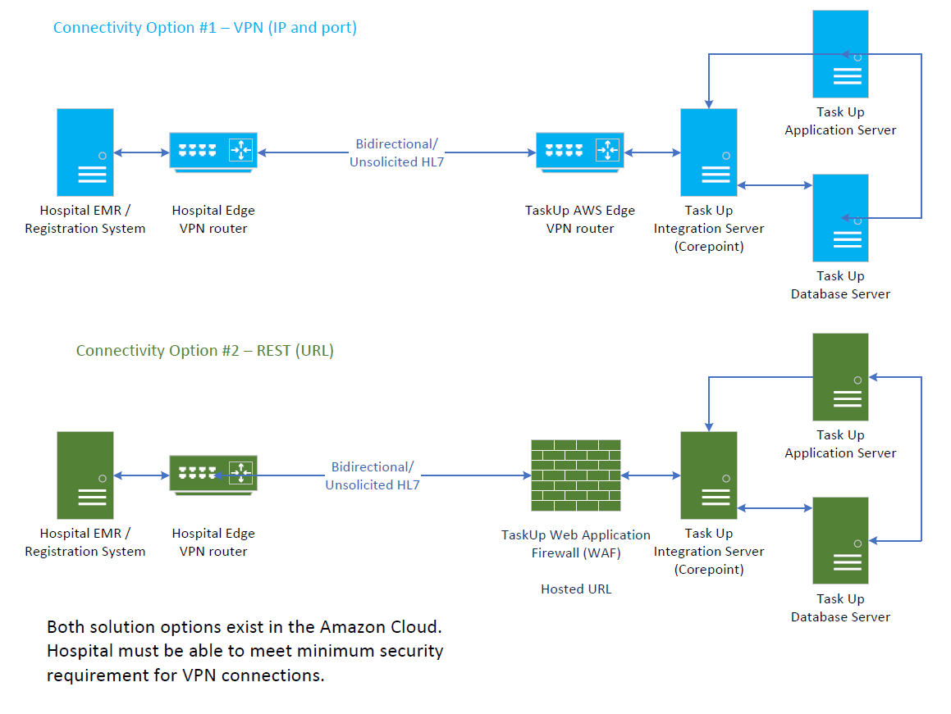
Does this product, service, or system involve the use of automated decision making (AI/ML)?
Yes
No
Does this product, service, or system require system to system integration?
Yes
No - not a requirement, but integration is possible
Is this a product replacement?
Yes
No

Pre-scoping Questions for the Assessment
What is the level of the data the Third Party will have access to? (Select all that apply.)
Sensitive: PHI, SSN, Credit Card Data, PII, Bank Account Information, etc.
Confidential: Audit reports, payroll data, Provider contracts, member rates, financial status information, etc.
Internal: Internal operating procedures, policies, training materials, project documents, etc.
Public: Company brochures, already release press releases, product and services brochures, etc.
No data shared with Third Party
Will any organization data be created, received, maintained, accessed, shared or transmitted outside of the United States
Yes
No
Volume of data records (annually)?
500+ records
Between 50 and 499 records
Less than 49 records
0 records
What format is the data in?
Electronic
Paper
Both
Will the Third Party require remote access?
Yes
No
Will the Third Party have access to any of the following on the network (vendor or company owned?) (Select all that apply.)
Product
System - ipads connected to hospital wifi
Services
Non-Applicable
Is the technology solution managed internally?
Yes
No
If technology solution managed internally is (yes):
Internally hosted, supported by Third Party (Services & Product Purchases) - TaskUp is Compass hosted, maintained, and supported.
Internally hosted, maintained and supported (Product Only)
Will there be on site Third Party resources?
Yes
No
Will the Third Party provide personnel, staff augmentation, or contracting services?
Yes
No
Will the Third Party be using non-company devices to provide support?
Yes - iPads can be Compass / TouchPoint or client procured
No
Will the Third Party deploy any vendor owned/managed equipment on company network?
Yes - iPads can be Compass / TouchPoint or client procured
No

