Map
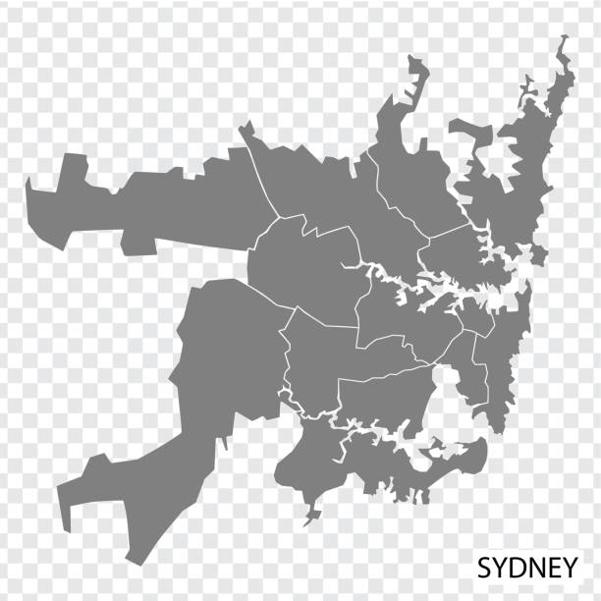
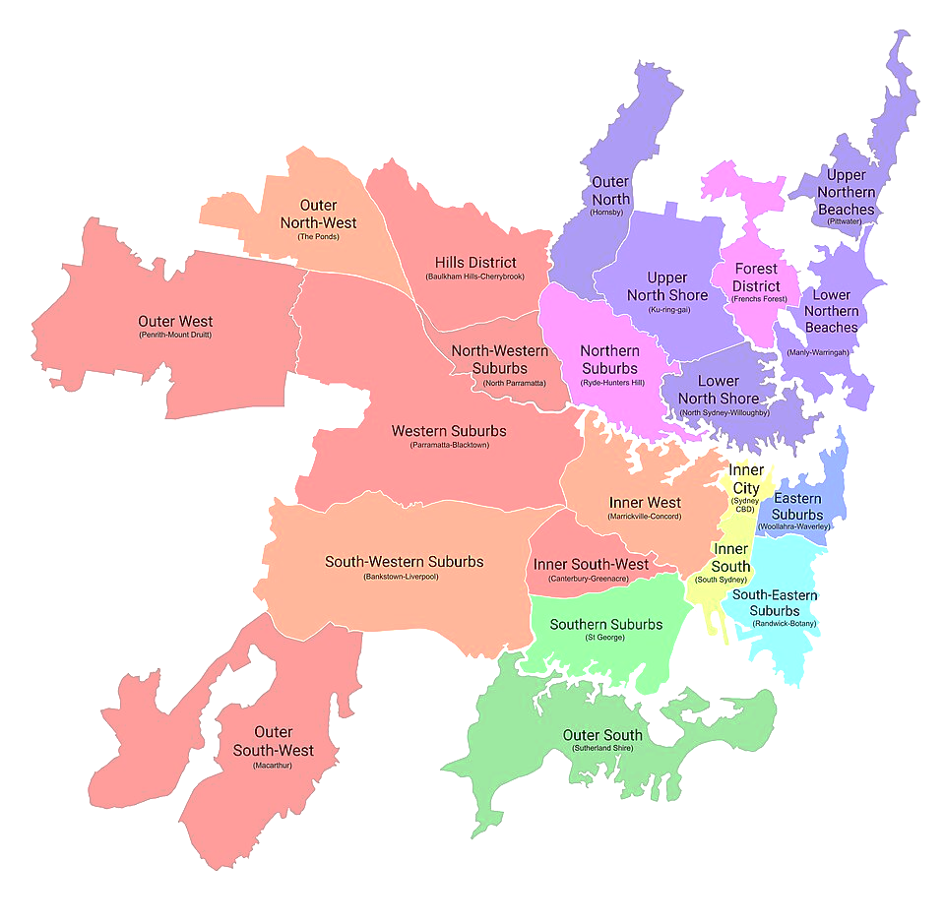

All figures are in $ '000

Note - Please interact with the map. On clicking the different suburbs, you get redirected to the individual data table and visualisation for the Suburb. There is a separate button for the Comparitive Data (KPI) to view a comparison between all 6 councils.

Hill Shire Council
Hornsby

Comparitive Data (KPI)

City of Parramatta
North Sydney

Woollahra
City of Sydney

City of Sydney
City of Sydney

Back to Map
Accounts | Budget FY 25 | Actual FY 25 | Actual FY 24 | vs Budget | YoY
Rates and annual charges | 419,230 | 420,955 | 397,592 | 1,725 | 6%
User charges and fees | 149,206 | 162,346 | 163,152 | 13,140 | 0%
Other revenues | 42,362 | 50,103 | 41,915 | 7,741 | 20%
City of Sydney
Grants and contributions provided for operating purposes | 17,477 | 15,652 | 16,508 | -1,825 | -5%
Grants and contributions provided for capital purposes | 95,048 | 111,331 | 117,839 | 16,283 | -6%
Interest and investment income | 34,285 | 39,676 | 39,591 | 5,391 | 0%
Other income | 88,075 | 109,685 | 100,738 | 21,610 | 9%
Fair Value increment / (Decrement) on Investment Properties | - | - | - | - | 0%
Net Gain from disposal of Assets | - | - | 17,242 |  | -100%
Total income from continuing operations | 845,683 | 909,748 | 894,577 | 64,065 | 2%
Employee benefits and on-costs | 289,337 | 306,623 | 276,897 | 17,286 | 11%
Materials and services | 244,959 | 286,173 | 299,048 | 41,214 | -4%
Borrowing costs | - | 211 | 216 | 211 | -2%
Other expenses | 69,197 | 46,497 | 46,557 | -22,700 | 0%
Net loss from the disposal of assets | - | 6,568 |  | 6,568 | 0%
Net share of interests in joint ventures and associates using the equity method | - | - |  | - | 0%
Total expenses from continuing operations excluding depreciation, amortisation and impairment of non-financial Assets | 603,493 | 646,072 | 622,718 | 42,579 | 4%
Operating result from continuing operations excluding depreciation, amortisation and impairment of non-financial assets | 242,190 | 263,676 | 271,859 | 21,486 | -3%
Depreciation, amortisation and impairment of non-financial assets | 126,789 | 130,214 | 123,938 | 3,425 | 5%
Operating result from continuing operations | 115,401 | 133,462 | 147,921 | 18,061 | -10%
Net operating result for the year attributable to Council | 115,401 | 133,462 | 147,921 | 18,061 | -10%
Net operating result for the year before grants and contributions provided for capital purposes | 20,353 | 22,131 | 30,082 | 1,778 | -26%

KPI
Revenue | 845,683 | 909,748 | 894,577 | 19,839 | 2%
NP % over Total Revenue | 14% | 15% | 17% | 1% | -2%
NP before Govt Grant % over Total Revenue | 2% | 2% | 3% | 0% | -1%
Direct Result from Operations % over Direct Revenue | 22% | 17% | 17% | -5% | -1%
Findings -
1. Strong revenue performance with notable improvement over prior year
Sydney’s total revenue grew from $894.6M (FY24) to $909.7M (FY25 Actual), exceeding its budget of $845.7M. This was driven by higher-than-expected user charges, other income, and strong capital grants.
2. Operating surplus remains healthy despite expense pressures
Operating result improved from $147.9M (FY24) to $133.5M (FY25) — so still strong but slightly lower YoY. While total expenses exceeded budget by $42.6M, the operating margin remains solid at ~15% of revenue, indicating strong financial capacity and efficiency.
3. Low reliance on capital grants for sustainability
Net operating result before capital grants stayed positive at $22.1M, showing Sydney can sustain operations even without capital funding. This positions the council as relatively financially resilient compared to others.

Graph Data
 | Budget FY 25 | Actual FY 25 | Actual FY 24
Operating Result | 115,401 | 133,462 | 147,921
Total Expenses | 730,282 | 776,286 | 746,656
NP % over Total Revenue | 14% | 15% | 17%
NP before Govt Grant % over Total Revenue | 2% | 2% | 3%
Direct Result from Operations % over Direct Revenue | 22% | 17% | 17%
Total Revenue | 845,683 | 909,748 | 894,577

City of Parramatta
City of Parramatta
Back to Map
Accounts | Budget FY 25 | Actual FY 25 | Actual FY 24 | vs Budget | YoY
Rates and annual charges | 229,252 | 231,565 | 221,620 | 2,313 | 4%
User charges and fees | 49,973 | 46,819 | 41,788 | -3,154 | 12%
City of Parramatta
Other revenues | 18,880 | 18,382 | 12,358 | -498 | 49%
Grants and contributions provided for operating purposes | 23,721 | 17,849 | 16,057 | -5,872 | 11%
Grants and contributions provided for capital purposes | 75,732 | 69,198 | 57,452 | -6,534 | 20%
Interest and investment income | 23,690 | 28,486 | 30,898 | 4,796 | -8%
Other income | 600 | 26,905 | 91,653 | 26,305 | -71%
Fair Value increment / (Decrement) on Investment Properties |  |  |  | - | 0%
Net Gain from disposal of Assets |  |  |  |  | 0%
Total income from continuing operations | 421,848 | 439,204 | 471,826 | 17,356 | -7%
Employee benefits and on-costs | 145,934 | 164,786 | 159,530 | 18,852 | 3%
Materials and services | 72,736 | 135,446 | 129,925 | 62,710 | 4%
Borrowing costs | 98 | 47 | 135 | -51 | -65%
Other expenses | 55,225 | 5,907 | 6,488 | -49,318 | -9%
Net loss from the disposal of assets | -211 | 7,307 | 25,659 | 7,518 | -72%
Net share of interests in joint ventures and associates using the equity method |  |  |  | - | 0%
Total expenses from continuing operations excluding depreciation, amortisation and impairment of non-financial Assets | 273,782 | 313,493 | 321,737 | 39,711 | -3%
Operating result from continuing operations excluding depreciation, amortisation and impairment of non-financial assets | 148,066 | 125,711 | 150,089 | -22,355 | -16%
Depreciation, amortisation and impairment of non-financial assets | 66,500 | 70,059 | 61,531 | 3,559 | 14%
Operating result from continuing operations | 81,566 | 55,652 | 88,558 | -25,914 | -37%
Net operating result for the year attributable to Council | 81,566 | 55,652 | 88,558 | -25,914 | -37%
Net operating result for the year before grants and contributions provided for capital purposes | 5,834 | -13,546 | 31,106 | -19,380 | -144%

KPI
Revenue | 324,719 | 417,451 | 383,483 | 90,892 | 9%
NP % over Total Revenue | 19% | 13% | 19% | -7% | -6%
NP before Govt Grant % over Total Revenue | 1% | -3% | 7% | -4% | -10%
Direct Result from Operations % over Direct Revenue | 42% | 18% | 14% | -24% | 4%

Findings -
1. Revenue performed better than budget but declined year-on-year Parramatta’s FY25 revenue of $439.2M exceeded the FY25 budget by $17.4M, supported by higher user charges, interest income, and other income. However, compared to FY24’s $471.8M, total revenue decreased due to a significant reduction in capital grants.
2. Significant expense overruns impacted operating result
Expenses rose sharply to $313.5M (FY25) vs budgeted $273.8M, a $39.7M overrun. This led to a weaker operating result of $55.7M, falling 37% short of budget and significantly below FY24 levels.
3. Underlying sustainability remains a concern
Net operating result before capital grants was –$13.5M, versus +$31.1M the prior year. This indicates the council operated at a structural deficit in FY25 without capital funding — a key risk indicator.
Graph Data
 | Budget FY 25 | Actual FY 25 | Actual FY 24
Operating Result | 81,566 | 55,652 | 88,558
Total Expenses | 340,282 | 383,552 | 383,268
NP % over Total Revenue | 19% | 13% | 19%
NP before Govt Grant % over Total Revenue | 1% | -3% | 7%
Direct Result from Operations % over Direct Revenue | 42% | 18% | 14%
Total Revenue | 421,848 | 439,204 | 471,826

Hill Shire Council
Hill Shire Council

Back to Map
Accounts | Budget FY 25 | Actual FY 25 | Actual FY 24 | vs Budget | YoY
Rates and annual charges | 142,994 | 144,008 | 128,728 | 1,014 | 12%
User charges and fees | 29,911 | 35,509 | 31,193 | 5,598 | 14%
Hill Shire Council
Other revenues | 6,933 | 9,660 | 9,312 | 2,727 | 4%
Grants and contributions provided for operating purposes | 19,810 | 18,992 | 23,113 | -818 | -18%
Grants and contributions provided for capital purposes | 102,404 | 167,184 | 154,622 | 64,780 | 8%
Interest and investment income | 12,978 | 30,305 | 25,956 | 17,327 | 17%
Other income | 8,427 | 8,691 | 8,152 | 264 | 7%
Fair Value increment / (Decrement) on Investment Properties |  |  |  | - | 0%
Net Gain from disposal of Assets | 1,262 | 3,102 | 2,407 |  | 29%
Total income from continuing operations | 324,719 | 417,451 | 383,483 | 90,892 | 9%
Employee benefits and on-costs | 83,698 | 81,713 | 73,247 | -1,985 | 12%
Materials and services | 88,447 | 89,550 | 79,966 | 1,103 | 12%
Borrowing costs | - | 64 | 37 | 64 | 73%
Other expenses | 6,710 | 19,498 | 41,618 | 12,788 | -53%
Net loss from the disposal of assets | - | - | - | - | 0%
Net share of interests in joint ventures and associates using the equity method | - | - | - | - | 0%
Total expenses from continuing operations excluding depreciation, amortisation and impairment of non-financial Assets | 178,855 | 190,825 | 194,868 | 11,970 | -2%
Operating result from continuing operations excluding depreciation, amortisation and impairment of non-financial assets | 145,864 | 226,626 | 188,615 | 78,922 | 20%
Depreciation, amortisation and impairment of non-financial assets | 29,613 | 30,232 | 26,904 | 619 | 12%
Operating result from continuing operations | 116,251 | 196,394 | 161,711 | 78,303 | 21%
Net operating result for the year attributable to Council | 116,251 | 196,394 | 161,711 | 78,303 | 21%
Net operating result for the year before grants and contributions provided for capital purposes | 13,847 | 29,210 | 7,089 | 13,523 | 312%

KPI
Revenue | 324,719 | 417,451 | 383,483 | 91,826 | 9%
NP % over Total Revenue | 36% | 47% | 42% | 11% | 5%
NP before Govt Grant % over Total Revenue | 4% | 7% | 2% | 3% | 5%
Direct Result from Operations % over Direct Revenue | 42% | 53% | 55% | 11% | -1%

Findings -
1. Exceptional revenue performance driven by capital grants
Hills grew revenues to $417.5M, far above both FY24 ($383.5M) and budget ($324.7M). The biggest driver was capital grants, which exceeded budget by $64.8M.
2. Strongest operating result
Operating result reached $196.4M, a 21% YoY increase and almost $80M above budget. This indicates Hills had the strongest overall financial performance in operational terms.
3. Underlying operations remain positive but heavily grant-dependent
Net operating result before capital grants improved to $29.2M, over 300% higher than FY24, but still represents only ~7% of revenue. A large portion of Hills’ performance uplift is from capital funding, suggesting mild sustainability risk if grant levels normalise.
Graph Data
 | Budget FY 25 | Actual FY 25 | Actual FY 24
Operating Result | 116,251 | 196,394 | 161,711
Total Expenses | 208,468 | 221,057 | 221,772
NP % over Total Revenue | 36% | 47% | 42%
NP before Govt Grant % over Total Revenue | 4% | 7% | 2%
Direct Result from Operations % over Direct Revenue | 42% | 53% | 55%
Total Revenue | 324,719 | 417,451 | 383,483

Hornsby Council
Hornsby Council
Back to Map
Accounts | Budget FY 25 | Actual FY 25 | Actual FY 24 | vs Budget | YoY
Rates and annual charges | 125,129 | 126,012 | 116,643 | 883 | 8%
User charges and fees | 14,958 | 16,427 | 14,762 | 1,469 | 11%
Hornsby Council
Other revenues | 3,963 | 4,636 | 4,179 | 673 | 11%
Grants and contributions provided for operating purposes | 9,174 | 13,562 | 10,642 | 4,388 | 27%
Grants and contributions provided for capital purposes | 9,940 | 41,945 | -22,203 | 32,005 | -289%
Interest and investment income | 10,271 | 12,548 | 12,970 | 2,277 | -3%
Other income | 4,050 | 9,991 | 5,759 | 5,941 | 73%
Fair Value increment / (Decrement) on Investment Properties | - | - | - | - | 0%
Net Gain from disposal of Assets |  |  |  |  | 0%
Total income from continuing operations | 177,485 | 225,121 | 142,752 | 47,636 | 58%
Employee benefits and on-costs | 58,497 | 58,441 | 54,031 | -56 | 8%
Materials and services | 71,796 | 72,268 | 82,222 | 472 | -12%
Borrowing costs | 10 | 23 | 16 | 13 | 44%
Other expenses | 4,576 | 4,686 | 4,813 | 110 | -3%
Net loss from the disposal of assets | - | 1,211 | 4,560 | 1,211 | -73%
Net share of interests in joint ventures and associates using the equity method | - | - | - | - | 0%
Total expenses from continuing operations excluding depreciation, amortisation and impairment of non-financial Assets | 134,879 | 136,629 | 145,642 | 1,750 | -6%
Operating result from continuing operations excluding depreciation, amortisation and impairment of non-financial assets | 42,606 | 88,492 | -2,890 | 45,886 | -3162%
Depreciation, amortisation and impairment of non-financial assets | 25,461 | 25,979 | 25,107 | 518 | 3%
Operating result from continuing operations | 17,145 | 62,513 | -27,997 | 45,368 | -323%
Net operating result for the year attributable to Council | 17,145 | 62,513 | -27,997 | 45,368 | -323%
Net operating result for the year before grants and contributions provided for capital purposes | 7,205 | 20,568 | -5,794 | 13,363 | -455%

KPI
Revenue | 177,485 | 225,121 | 142,752 | 47,636 | 58%
NP % over Total Revenue | 10% | 28% | -20% | 18% | 47%
NP before Govt Grant % over Total Revenue | 4% | 9% | -4% | 5% | 13%
Direct Result from Operations % over Direct Revenue | 18% | 34% | -14% | 16% | 48%
Findings-
1. Outstanding revenue growth driven by a major uplift in capital grants
Hornsby’s total revenue surged from $142.7M (FY24) to $225.1M (FY25 Actual) — a 58% YoY increase, the highest among all councils shown so far. This was almost entirely driven by a sharp rebound in capital grants, which moved from a negative prior-year adjustment to $41.9M in FY25.
2. Significant turnaround in operating performance
Operating result improved from –$28.0M (FY24) to a positive $62.5M (FY25). Even the underlying operating result before capital grants improved to $20.6M, signalling a strong recovery in core operations after a very weak FY24.
3. Expenses remain contained despite revenue jump
Total expenses decreased 6% YoY, from $145.6M → $136.6M, showing strong cost discipline. This tight control amplified the revenue-driven surplus and indicates operational efficiency.

Graph Data
 | Budget FY 25 | Actual FY 25 | Actual FY 24
Operating Result | 17,145 | 62,513 | -27,997
Total Expenses | 160,340 | 162,608 | 170,749
NP % over Total Revenue | 10% | 28% | -20%
NP before Govt Grant % over Total Revenue | 4% | 9% | -4%
Direct Result from Operations % over Direct Revenue | 18% | 34% | -14%
Total Revenue | 177,485 | 225,121 | 142,752

North Sydney Council
North Sydney Council

Back to Map
Accounts | Budget FY 25 | Actual FY 25 | Actual FY 24 | vs Budget | YoY
Rates and annual charges | 79,066 | 79,820 | 75,559 | 754 | 6%
User charges and fees | 36,774 | 30,734 | 32,134 | -6,040 | -4%
North Sydney Council
Other revenues | 10,216 | 13,967 | 10,239 | 3,751 | 36%
Grants and contributions provided for operating purposes | 4,666 | 4,869 | 5,453 | 203 | -11%
Grants and contributions provided for capital purposes | 3,058 | 13,909 | 16,690 | 10,851 | -17%
Interest and investment income | 2,665 | 5,759 | 5,612 | 3,094 | 3%
Other income | 5,887 | 5,522 | 5,970 | -365 | -8%
Fair Value increment / (Decrement) on Investment Properties | - | - | - | - | 0%
Net Gain from disposal of Assets |  |  |  |  | 0%
Total income from continuing operations | 142,332 | 154,580 | 151,657 | 12,248 | 2%
Employee benefits and on-costs | 55,651 | 48,080 | 49,118 | -7,571 | -2%
Materials and services | 53,337 | 52,555 | 51,176 | -782 | 3%
Borrowing costs | 2,382 | 2,365 | 1,497 | -17 | 58%
Other expenses | 4,783 | 5,108 | 7,269 | 325 | -30%
Net loss from the disposal of assets | 277 | 883 | 1,304 | 606 | -32%
Net share of interests in joint ventures and associates using the equity method | - | 1 | - | 1 | 0%
Total expenses from continuing operations excluding depreciation, amortisation and impairment of non-financial Assets | 116,430 | 108,992 | 110,364 | -7,438 | -1%
Operating result from continuing operations excluding depreciation, amortisation and impairment of non-financial assets | 25,902 | 45,588 | 41,293 | 19,686 | 10%
Depreciation, amortisation and impairment of non-financial assets | 31,095 | 30,411 | 28,240 | -684 | 8%
Operating result from continuing operations | -5,193 | 15,177 | 13,053 | 20,370 | 16%
Net operating result for the year attributable to Council | -5,193 | 15,177 | 13,053 | 20,370 | 16%
Net operating result for the year before grants and contributions provided for capital purposes | -8,251 | 1,268 | -3,637 | 9,519 | -135%

KPI
Revenue | 142,332 | 154,580 | 151,657 | 29,889 | 2%
NP % over Total Revenue | -4% | 10% | 9% | 13% | 1%
NP before Govt Grant % over Total Revenue | -6% | 1% | -2% | 7% | 3%
Direct Result from Operations % over Direct Revenue | 12% | 22% | 23% | 10% | -1%
Findings-
1. Revenue growth remained modest and below expectations
North Sydney’s revenue increased only 2% YoY, from $151.7M → $154.6M, while falling short of the YoY growth seen in most other councils. User charges also declined YoY by –4%, pointing to weaker service-based income.
2. Operating result improved but remains structurally weak
Operating result rose to $15.2M, up 16% YoY — but underlying sustainability is softer: Net operating result before capital grants is just $1.3M, meaning operations barely break even without capital funding.
3. Strong interest income contributed significantly
Interest and investment income nearly doubled against budget ($2.7M above budget and 8% YoY increase) due to higher interest rates. This masks weaker underlying fee revenue performance and should be monitored for volatility.

Graph Data
 | Budget FY 25 | Actual FY 25 | Actual FY 24
Operating Result | -5,193 | 15,177 | 13,053
Total Expenses | 147,525 | 139,403 | 138,604
NP % over Total Revenue | -4% | 10% | 9%
NP before Govt Grant % over Total Revenue | -6% | 1% | -2%
Direct Result from Operations % over Direct Revenue | 12% | 22% | 23%
Total Revenue | 142,332 | 154,580 | 151,657

Woollahra Council
Woollahra Council
Back to Map
Accounts | Budget FY 25 | Actual FY 25 | Actual FY 24 | vs Budget | YoY
Rates and annual charges | 70,681 | 70,552 | 66,136 | -129 | 7%
User charges and fees | 14,655 | 16,689 | 15,565 | 2,034 | 7%
Woolahra Council
Other revenues | 16,941 | 15,347 | 16,230 | -1,594 | -5%
Grants and contributions provided for operating purposes | 5,014 | 4,615 | 5,676 | -399 | -19%
Grants and contributions provided for capital purposes | 2,897 | 8,612 | 16,212 | 5,715 | -47%
Interest and investment income | 3,223 | 6,103 | 5,626 | 2,880 | 8%
Other income | 17,920 | 17,655 | 17,608 | -265 | 0%
Fair Value increment / (Decrement) on Investment Properties | 1,200 | 19 | -6,683 | -1,181 | -100%
Net Gain from disposal of Assets |  |  |  |  | 0%
Total income from continuing operations | 132,531 | 139,592 | 136,370 | 7,061 | 2%
Employee benefits and on-costs | 53,223 | 52,968 | 47,706 | -255 | 11%
Materials and services | 48,496 | 51,840 | 50,408 | 3,344 | 3%
Borrowing costs | 3,014 | 1,745 | 1,806 | -1,269 | -3%
Other expenses | 5,041 | 4,717 | 4,807 | -324 | -2%
Net loss from the disposal of assets | 1,685 | 1,946 | 2,538 | 261 | -23%
Net share of interests in joint ventures and associates using the equity method | - | - | - | - | 0%
Total expenses from continuing operations excluding depreciation, amortisation and impairment of non-financial Assets | 111,459 | 113,216 | 107,265 | 1,757 | 6%
Operating result from continuing operations excluding depreciation, amortisation and impairment of non-financial assets | 21,072 | 26,376 | 29,105 | 5,304 | -9%
Depreciation, amortisation and impairment of non-financial assets | 16,948 | 16,413 | 15,348 | -535 | 7%
Operating result from continuing operations | 4,125 | 9,963 | 13,757 | 5,839 | -28%
Net operating result for the year attributable to Council | 4,125 | 9,963 | 13,757 | 5,839 | -28%
Net operating result for the year before grants and contributions provided for capital purposes | 1,228 | 1,351 | -2,455 | 124 | -155%

KPI
Revenue | 132,531 | 139,592 | 136,370 | 5,962 | 2%
NP % over Total Revenue | 3% | 7% | 10% | 4% | -3%
NP before Govt Grant % over Total Revenue | 1% | 1% | -2% | 0% | 3%
Direct Result from Operations % over Direct Revenue | -9% | -4% | 5% | 5% | -10%

Findings-
1. Revenue stable but driven increasingly by investment and capital income
Revenue remained stable overall, with modest growth of 2%. Capital grants decreased YoY, while interest income and user charges increased slightly. Fair-value adjustments were volatile, shifting from a negative adjustment in FY24 to a small positive amount in FY25.
2. Operating result fell sharply YoY due to expense increases
The operating result declined by 28% as rising expenses (+6% YoY) combined with lower operating and capital grants reduced overall profitability.
3. Underlying operations remain barely positive
Net operating result before capital grants improved slightly to $1.35M, but still represents only 1% of total revenue, indicating thin margins and a reliance on capital grants to maintain overall financial strength.
Graph Data
 | Budget FY 25 | Actual FY 25 | Actual FY 24
Operating Result | 4,125 | 9,963 | 13,757
Total Expenses | 128,407 | 129,629 | 122,613
NP % over Total Revenue | 3% | 7% | 10%
NP before Govt Grant % over Total Revenue | 1% | 1% | -2%
Direct Result from Operations % over Direct Revenue | -9% | -4% | 5%
Total Revenue | 132,531 | 139,592 | 136,370

Comparitive data (KPIs)
Actual 2024
Actual 2025
Actual 2025
 | NP % over Total Revenue | NP before Govt Grant % over Total Revenue | Direct Result from Operations % over Direct Revenue | Revenue (000) | Operating Result (000)
City of Sydney | 15% | 2% | 17% | 909,748 | 133,462
City of Parramatta | 13% | -3% | 18% | 439,204 | 55,652
Hill Shire Council | 47% | 7% | 53% | 417,451 | 30,232
Hornsby Council | 28% | 9% | 34% | 225,121 | 62,513
North Sydney Council | 10% | 1% | 22% | 154,580 | 15,177
Woollahra Council | 7% | 1% | -4% | 139,592 | 9,963

Actual 2024
 | NP % over Total Revenue | NP before Govt Grant % over Total Revenue | Direct Result from Operations % over Direct Revenue | Revenue (000) | Operating Result (000)
City of Sydney | 17% | 3% | 17% | 894,577 | 147,921
City of Parramatta | 19% | 7% | 14% | 471,826 | 88,558
Hill Shire Council | 42% | 2% | 55% | 383,483 | 26,904
Hornsby Council | -20% | -4% | -14% | 142,752 | -27,997
North Sydney Council | 9% | -2% | 23% | 151,657 | 13,053
Woollahra Council | 10% | -2% | 5% | 136,370 | 13,757

Top 5 Findings -
1. The Hills Shire Council stands out as the strongest performer. Hills delivered the highest operating result and the strongest profit margins, supported by significant capital grants and steady revenue growth. Even when excluding grants, the council remained comfortably in surplus, showing strong operational efficiency.
2. The City of Sydney continues to demonstrate stable, resilient financial health. Sydney operates with the largest revenue base and maintains consistent surpluses. Importantly, it shows very low reliance on capital grants, with solid underlying results driven by strong user charges and investment income.
3. Hornsby Shire Council shows the most dramatic improvement year-on-year. After recording a loss in FY2024, Hornsby returned to a healthy surplus in FY2025. This turnaround was driven mainly by the reinstatement of capital grants and tight cost control. While much of the improvement is grant-related, it still reflects a significant recovery.
4. North Sydney Council remains comparatively fragile. Although North Sydney recorded a positive operating result, its underlying profit before grants is very thin. This suggests the council is only just breaking even operationally and is somewhat exposed to fluctuations in non-operating revenue such as interest income.
5. Parramatta and Woollahra show signs of underlying sustainability pressure. Both councils recorded low or negative profit margins once capital grants are removed. Parramatta, in particular, continues to face cost pressures that outweigh its revenue growth, while Woollahra’s operating result has declined year-on-year, leaving only a small underlying surplus.

