page 1


page 10
JIRA Concepts - Workflow Customizable workflows to meet business needs

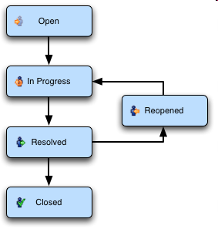

Akeles Consulting

page 13
JIRA Features – Reports

• JIRA delivers real-time, relevant information in a convenient format • JIRA enables the management to have clear visibility of the situation
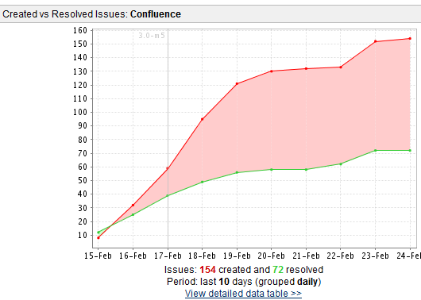 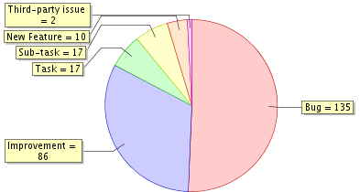 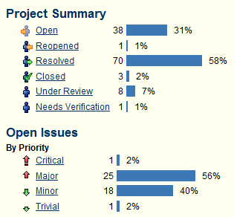

Akeles Consulting

page 14
Jira Features – Roadmaps

• JIRA enables you to know what is outstanding and when issues are scheduled to be resolved
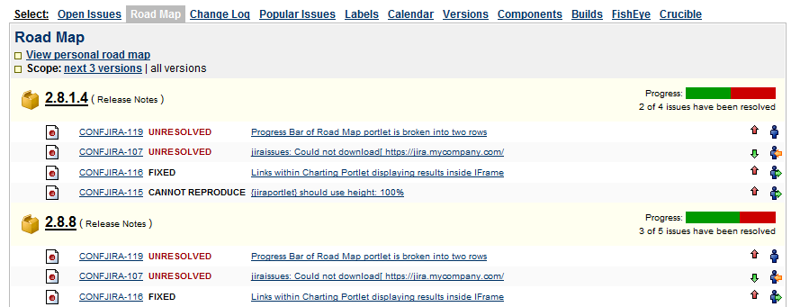

Akeles Consulting

page 16
Jira Features – Powerful Search • Find precisely what you are looking for in seconds • Search can be saved as filters and reused • Powerful and flexible searching • Supports searching of customized fields too

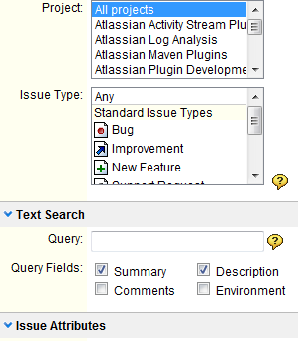 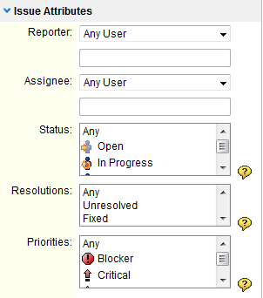 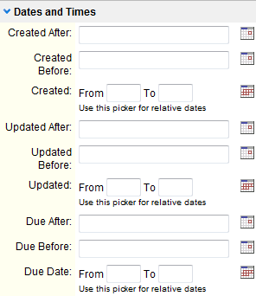

Akeles Consulting

page 20
Top 10 reasons to use JIRA 1. Features you won’t find elsewhere 2. It … just … works 3. Fair, upfront licensing policy 4. Battle tested by the world corporations 5. The information you need, when you need it 6. Easily customizable and extensible 7. Legendary service 8. Jira runs anywhere 9. Continually improving 10. Recognized with many industry awards







Akeles Consulting

