3-Ihavandhoo Sound
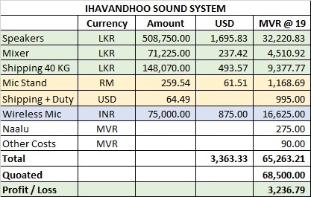
Project-3 Ihavandhoo - Supply of Sound system
Project Value |  | 68,500.00
Total Cost |  | 65,541.87
Profit | 4.32 | 2,958.13

Payments/Costs |  |  | Payment by
Speakers |  | 32,220.83 | Absy, MD?
Mixer |  | 4,510.92 | Absy, MD?
Speakers, Mixer shipping |  | 9,377.77 | Absy, MD?
Mic Stand |  | 1,168.69 | Absy, MD?
Mic stand Shipping+duty |  | 995.00 | Absy, MD?
Wireless Mic system |  | 16,625.00 | Absy, MD?
Domestic Freight Mic & stand |  | 368.66 | Ziyad
Pickup - Speakers and mixer |  | 55.00 | Ziyad
Naalu -speakers and mixer |  | 220.00 | Ziyad
total Cost |  | 65,541.87

