System Information
System Description from RiskVision
The purpose of the VistA Adaptive Maintenance (VAM) project is to establish a secure, sustainable, high-performing, cloud-based service to implement provider workflow logic back-end processing and storage. The VAM service will replicate the Remote Procedure Call (RPC) functionality currently provided via VistA in a modern, well-documented platform (i.e., Node.js and NoSQL database). VAM will enable the incremental transition of clinical workflow logic out of VistA into VAM services, while maintaining full compatibility with current VistA clients such as CPRS. VAM will be hosted in production within the VA’s Enterprise Cloud (VAEC) using the Amazon Web Services (AWS) service provider.
System Description in Stakeholders Words
Please answer the following question to the best of your knowledge if not already covered in the system description:
Q1. What sort of information does the system contain e.g. PHI/PII/Financial Data/Other?
PHI/PII, All Veteran Health information; All VHA Employee information (all 8 million veterans; 100,000 VA nurses; 35,000 VA doctors - all of their demographic, clinical, health, and PHI/PII)
Q2. Is the system connected to other systems to share data?
Interfaced to over 200 other systems; to VBA, to DOD, and external health exchange parners
Q3. Does the system store the information in database within the system accreditation boundary or external to the accreditation boundary?
Stores its data within the accreditation boundary; however this is interfaced to many external partners like VLER Health; to VBA; to DOD; etc.
Q4. Approximately, how many users use the system?
250,000+ VHA and VBA employees, doctors, nurses, staff, and administrators use VistA data on a daily basis
Q5. Approximately, how many records are stored in the system?
300 million veteran-years of data (35+ years x 8 million veterans)
Q6. Is the system Internal to VA, or Public Facing, or Both?
Internal to VA; Public facing via VLER; vets.gov; and other
Q7. Are there manual workaround available in the event that the system is not available or compromised?
Read-only failover VistA systems are available if it is hacked or the system goes down for any reason.
Security Categorization Assessment Tool
Security Categorization is the first step in Risk Management Framework (RMF) per NIST SP 800-37. The purpose of the security categorization re/assessment activity is to ensure that the system is appropriately categorized based on the type of information it uses, stores, processes, and transmits. Use this worksheet to identify the applicable information types and to determine the potential impact level (low, moderate, high) if the security objectives (confidentiality, integrity, and availability) are compromised for each of the identified information type.
System Identification | GRC RiskVision
System Name | VistA Adaptive Maintenance (VAM)
System Acronym (GRC App Code) | VAM
RiskVision Unique ID | 029-555555302
Related Data | VASI
System Type | Support System
VA Business Reference Model (BRM) Capabilities | Provide Health Care Administration Provide Information Technology Services
BRM Functions | Manage Health Care Costs and Administrative Efficiency Provide and Maintain IT Infrastructure
BRM Business Functions | Manage Data Center
Key Stakeholders | Name | e-Mail
Information Owner | N/A | N/A
Information User | N/A | N/A
System Owner (SO) | Rafael Richards | rafael.richards@va.gov
Information Security Officer (ISO) | Bobbi Begay Richard Alomar-Loubriel (Alternate ISSO) | bobbi.begay@va.gov richard.alomar-loubriel@va.gov
System Steward (SS) | Badhan S. Mandal John Allen Joseph A Fourcade Robert Ballon Thomas Spinelli (ITPM) William P. McDonough | badhan.mandal@va.gov john.allen4@va.gov joseph.fourcade@va.gov robert.ballon@va.gov thomas.spinelli@va.gov william.mcdonough@va.gov
Other | Jennifer Rohrbach | Jennifer.Rohrbach2@va.gov
Current Security Category | C= High; I= High; A= High; Overall= High | New Security Category | C=; I=; A=; Overall=
Meeting date(s) | 9/26/2018, 1/25/2019 | Recorder | Bailey Zhang
EPMO IA Team | Name | e-Mail | Role
 | Bayo Iferika | Bayo.Iferika@va.gov | Team Lead
 | Abbas Ali | Abbas.Ali3@va.gov | IT Specialist
 | Bailey G. Zhang | Bailey.Zhang@va.gov | Statistical Analyst
 | Edmund Addei | Edmund.Addei@va.gov | IA Analyst
Participating Stakeholders | Rafael Richards | rafael.richards@va.gov | System Owner
 | Charles A. Adejumo | charles.adejumo@va.gov | ISO
 | Bobbi Begay | bobbi.begay@va.gov | ISO

Assessment Instructions

Instructions to Complete the Assessment
System Information Tab
Complete the System Identification, Key Stakeholder, Current Security Category, and Participating Stakeholders sections.
In your own words, provide system description covering any information that may be missing in system description provided in RiskVision.
Ensure to answer the following question to the best of your knowledge if not already covered in system description:
Q1. What kind of information this system handles or processes? PHI/PII/Financial Data/Other?
Q2. Does the system has connections with other systems to pull the data?
Q3. Does the system stores the information in database within the system accreditation boundary or external to the accreditation boundary?
Q4. Approximately, how many users use the system?
Q5. Approximately, how many records are stored on the system?
Q6. Is the system Internal to VA, or Public Facing, or Both?
Q7. What is the system's main function?
Q8. Are there redundancies in place in case confidentiality, integrity, and availability is compromised? For (e.g.) data backups, manual work around to continue the function/mission?
Q9. Any other information…
Mission-Based Info Types Tab
Identify the high level mission based information types applicable to the system, and place "Y" in column E next to the information type.
Once all applicable high level mission based information types are identified, expand each to identify the sub-level information types. Place "Y" in column E next to the information type.
Next, provide response in column F to question, what if Confidentiality, Integrity, and Availability is compromised? Refer to workbook tabs "FIPS 199 & SP 800-60 Guide" and "Factors to Consider" for guidance. Recommendation: You can also click on the page number links in column D, to see the information type description and recommended C/I/A impact levels.
Instead of simply saying, the loss of C/I/A will result in catastrophic impact, explain the consequences of loosing the C/I/A to support your justification. For (e.g.), loss of confidentiality can result in ID theft and fraudulent financial gain by the unauthorized group or individual and may have serious adverse effect (Moderate).
Continue providing the responses for each of the security objectives (C/I/A) for each of the identified information type.
If "High" impact is determined for any of the security objectives, no need to discuss that particular security objective for the remaining information types.
Management & Support Info Types Tab
Once the assessment of all identified Mission-Based information types is complete, continue to complete the assessment of Management & Support Info Types following the steps listed under Mission-Based Info types Tab section above.
Conclusion
After the assessment is complete for both Mission-Based and Management & Support Info types, the high watermark identified for each security object will determine the overall security categorization of the system.

 | EXAMPLE

FIPS 199 & SP 800-60 Guide
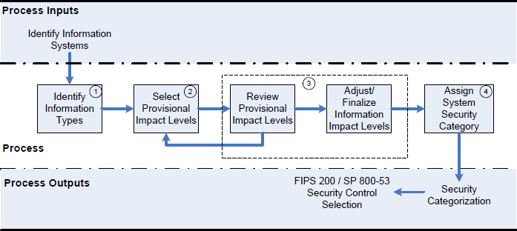
Information and Information System Security Objectives |  |  |  | References | SP 800-60 Security Categorization Process Execution
Security Objectives | FISMA Definition [44 U.S.C., Sec. 3542] | FIPS 199 Definition |  | Click here to open FIPS 199 in your web browser
Confidentiality | “Preserving authorized restrictions on information access and disclosure, including means for protecting personal privacy and proprietary information…” | A loss of confidentiality is the unauthorized disclosure of information. |  | Click here to open SP 800-37 in your web browser.
Integrity | “Guarding against improper information modification or destruction, and includes ensuring information non-repudiation and authenticity…” | A loss of integrity is the unauthorized modification or destruction of information.
Availability | “Ensuring timely and reliable access to and use of information…” | A loss of availability is the disruption of access to or use of information or an information system.

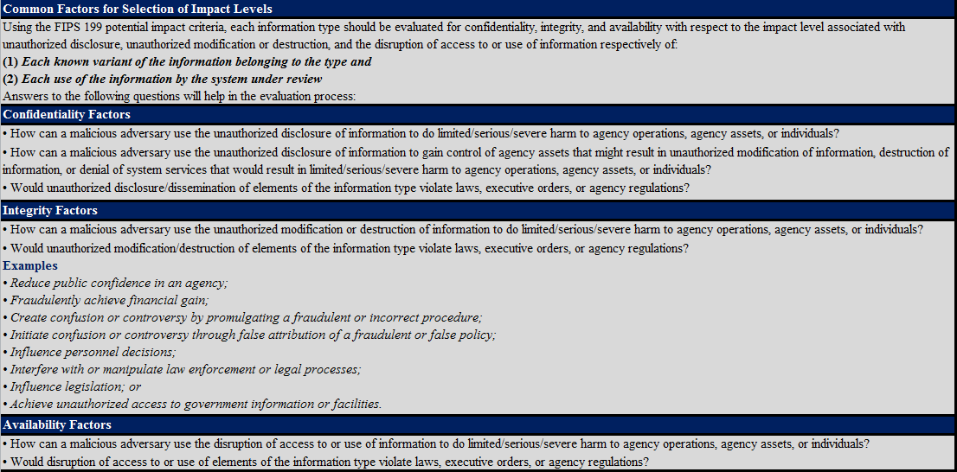
Potential Impact Levels
Potential Impact | Definitions | Effect Types | # | Results
Low | The potential impact is low if—The loss of confidentiality, integrity, or availability could be expected to have a limited adverse effect on organizational operations, organizational assets, or individuals. | Limited Adverse Effect | 1 | Cause a degradation in mission capability to an extent and duration that the organization is able to perform its primary functions, but the effectiveness of the functions is noticeably reduced.
 |  |  | 2 | Result in minor damage to organizational assets
 |  |  | 3 | Result in minor financial loss
 |  |  | 4 | Result in minor harm to individuals
Moderate | The potential impact is moderate if—The loss of confidentiality, integrity, or availability could be expected to have a serious adverse effect on organizational operations, organizational assets, or individuals. | Serious Adverse Effect | 1 | Cause a significant degradation in mission capability to an extent and duration that the organization is able to perform its primary functions, but the effectiveness of the functions is significantly reduced.
 |  |  | 2 | Result in significant damage to organizational assets
 |  |  | 3 | Result in significant financial loss
 |  |  | 4 | Result in significant harm to individuals that does not involve loss of life or serious life threatening injuries.
High | The potential impact is high if—The loss of confidentiality, integrity, or availability could be expected to have a severe or catastrophic adverse effect on organizational operations, organizational assets, or individuals. | Severe or Catastrophic Adverse Effect | 1 | Cause a severe degradation in or loss of mission capability to an extent and duration that the organization is not able to perform one or more of its primary functions.
 |  |  | 2 | Result in major damage to organizational assets
 |  |  | 3 | Result in major financial loss
 |  |  | 4 | Result in severe or catastrophic harm to individuals involving loss of life or serious life threatening injuries.

Information Types
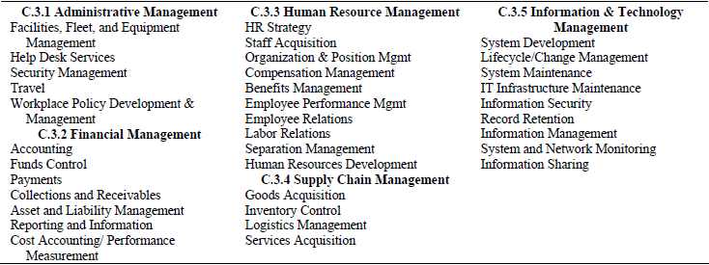
Information Types at a Glance

Mission-Based Information Types and Delivery Mechanisms | Services Delivery Support Functions and Information Types

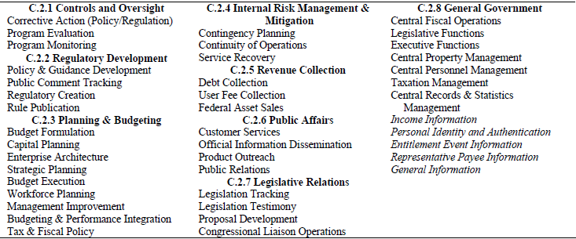

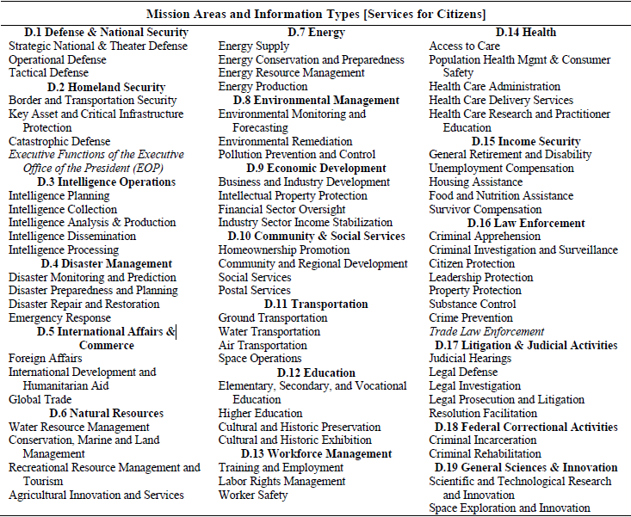

 | Government Resource Management Functions and Information Types

