Note
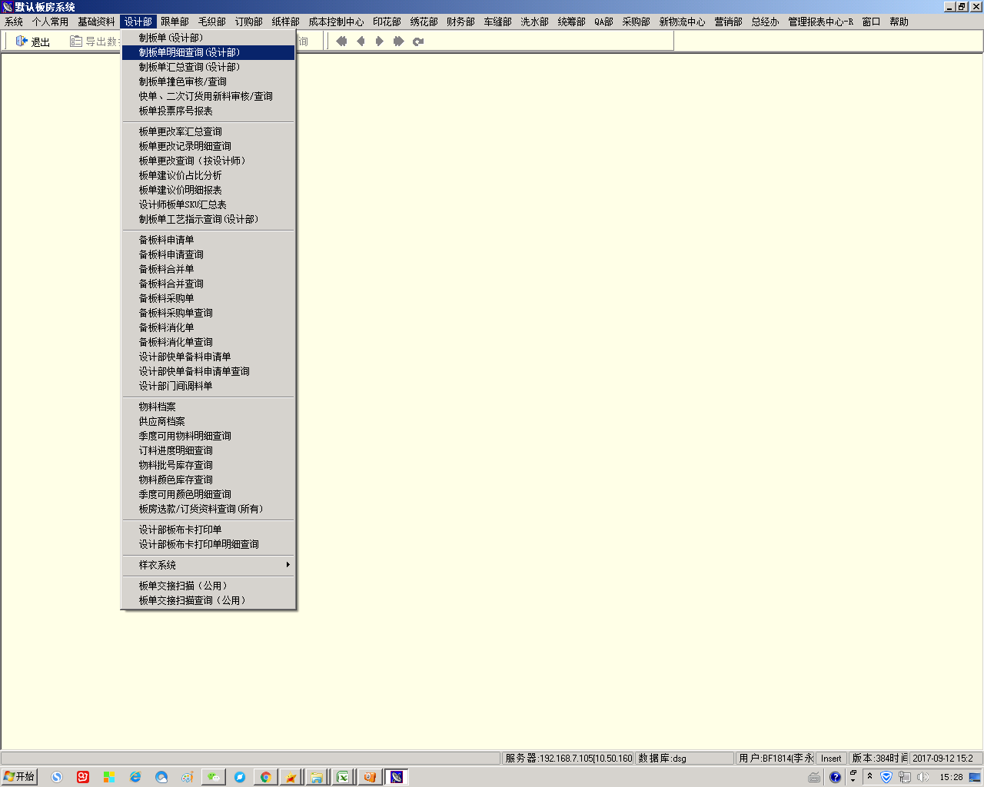
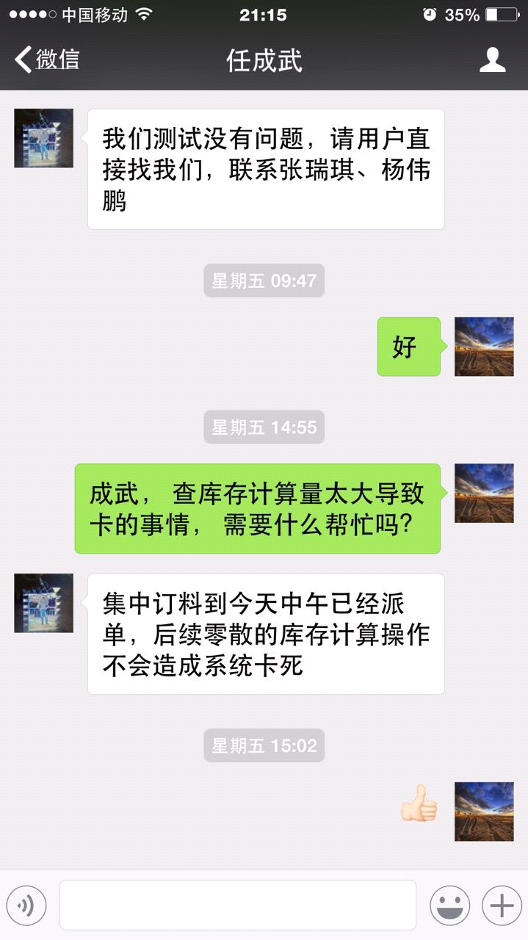
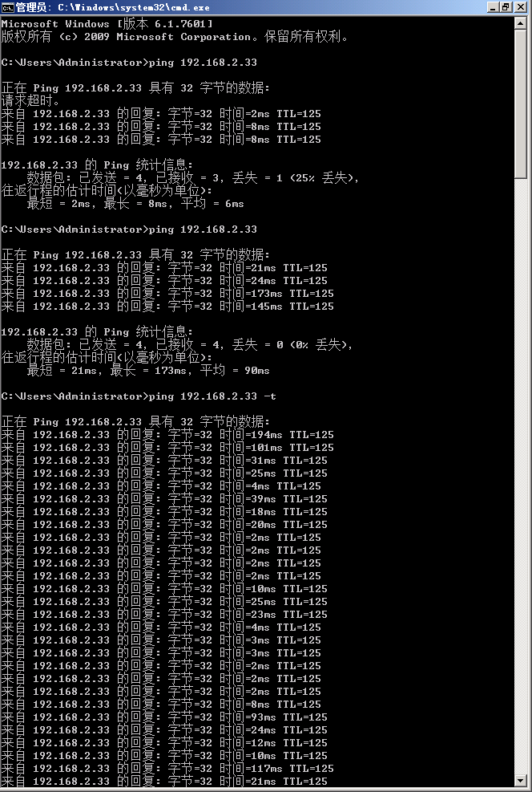
锁表： | 每十秒收集数据库中的表锁， 出现锁表次数前10的表
前13 SQL： | 每十秒收集数据库中的“wait-time"进程中的SQL语句， 出现锁表次数前10的表

采样时间： | 8.26， 9AM-3PM

编号 | 报表/操作路径 | 存储过程 |  | 使用频率 | 运行速度
SQL1: | 后台每隔四小时的作业，作业名：DSG转选板资料到营销部交换空间 |  |  | HＭＬ | ＨＭＬ
SQL2: | 设计部-制版单明细查询（设计部) | sp_helptext spbanmakebillsjbdetailquery | 实时
SQL3: | 后台每隔一小时的作业，作业名：更新dsg_bi Ban_Node_Datetime样衣开发时间节点 前台有很多界面会用关联dsg_bi.dbo.Ban_Node_Datetime查询，如： 跟单部-原板发放进度-原板发放进度汇总表(全部) 跟单部-原板发放进度-原板发放进度汇总表(按跟单组) 跟单部-原板发放进度-原板发放进度汇总表(按跟单人) 跟单部-原板发放进度-原板发放进度汇总表(按款) |  | 1H | 20分钟运行时间
SQL4: | 新物流中心-板房仓库系统-出库管理-物料出库明细查询 | sP_helptext spMaterialSendDetailList | 实时
SQL5: | 纸样部-纸样师绩效考核-纸样师绩效分数表 | sp_helptext sp_Paper_Perform001 | 0.5天更新
SQL6: | 订购部-采购部系统-物料订购单-导入申请资料按钮 | sp_helptext spprelistinfimportreqpodetaild | 实时
SQL7: | 订购部-采购部系统-物料订购单-导入申请资料按钮（与SQL6只是查询条件不同） | sp_helptext spprelistinfimportreqpodetaild | 实时
SQL8: 慢 | 跟单部-跟单部界面-订料进度明细查询 | sp_helptext spprereqorderplanquery2 | 实时
SQL9: 慢 | 跟单部-板单进度查询(按扫描日期) | sp_helptext SP_BanScanDateQry | 1H
SQL10: | 新物流中心-板房仓库系统-出库管理-物料领料单，新增选择物料的窗口 | sp_helptext spMaterialByBatchID | 实时
SQL11: | 订购部-采购部系统-订购单明细查询 | sp_helptext SPREQPOQUERYNEW | 实时
SQL12: | 后台一天两次的作业，作业名：自动产生板布回复批复的与制板单明细查询相关数据批次号和缸号，前台以下界面会关联作业产生的数据进行查询： 跟单部-跟单部界面-制板单明细查询 |  | 0.5天更新
SQL13: | 新物流中心-板房仓库系统-入库管理-物料入库明细查询 | sp_helptext spMaterialCollectQuery | 实时

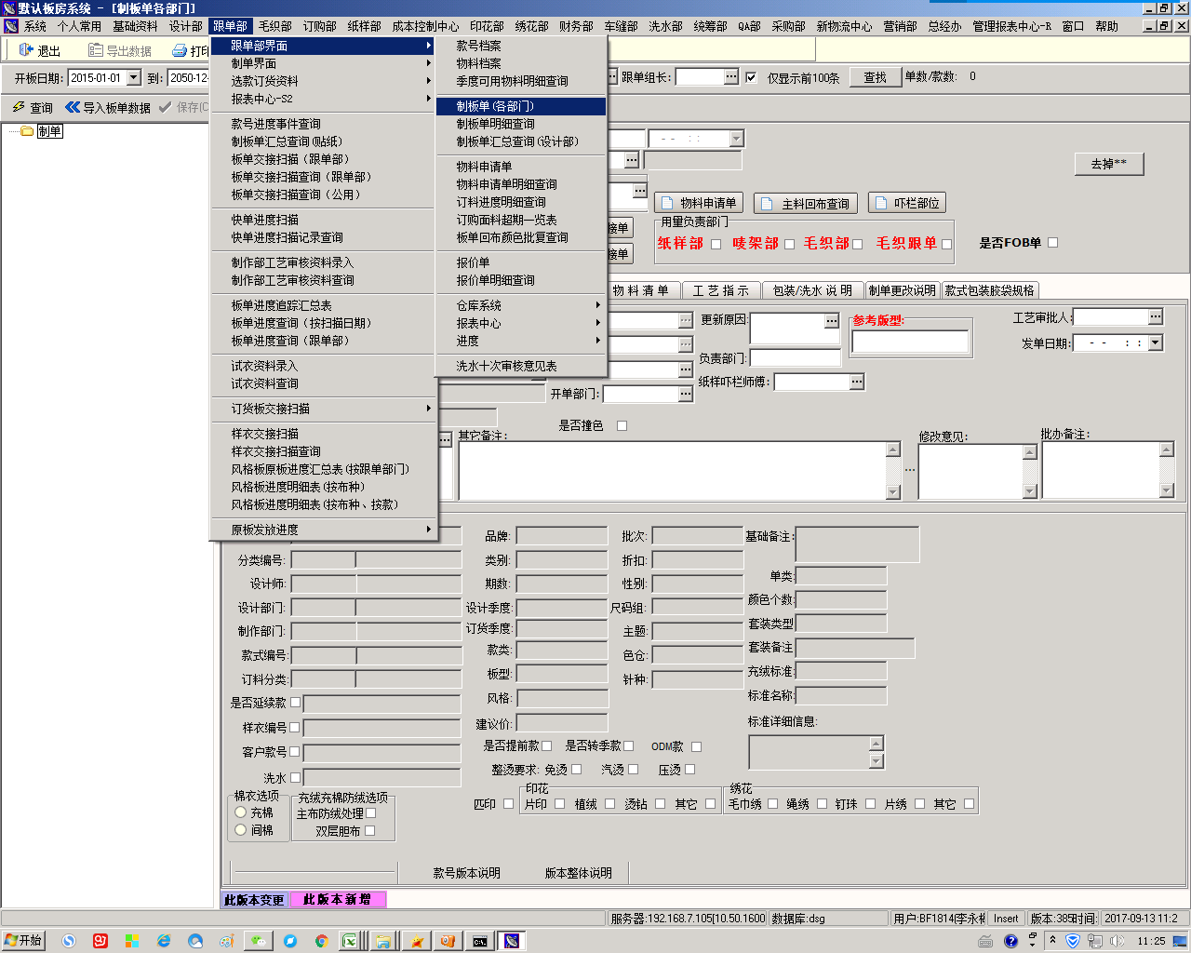
跟单部制板单 | 条件太多， 也写LOG

