DE DSA study plan
Topics for DE | Phase 1
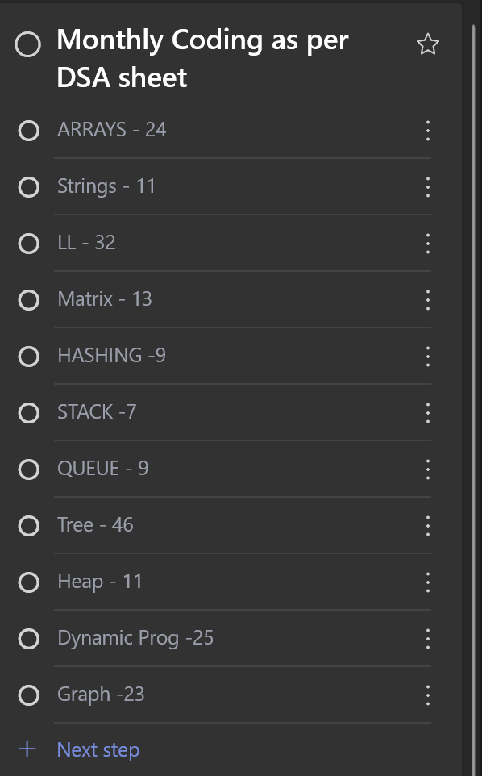
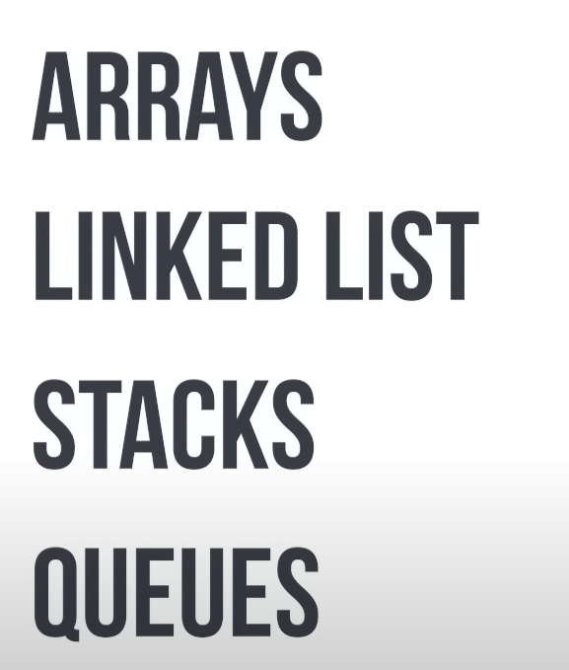

 | Phase 2 |  | Algos
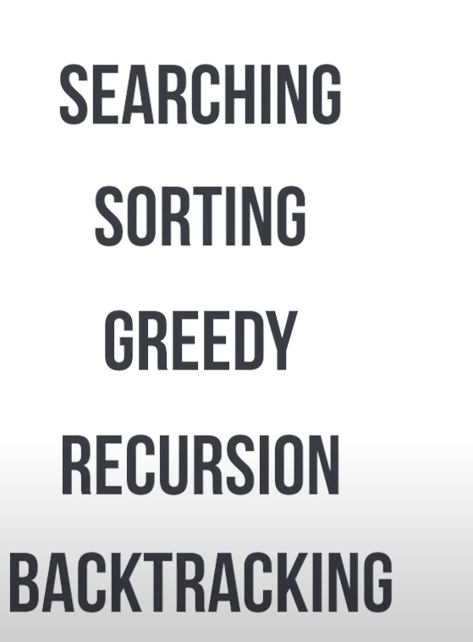

 | Phase 3 |  | Algos

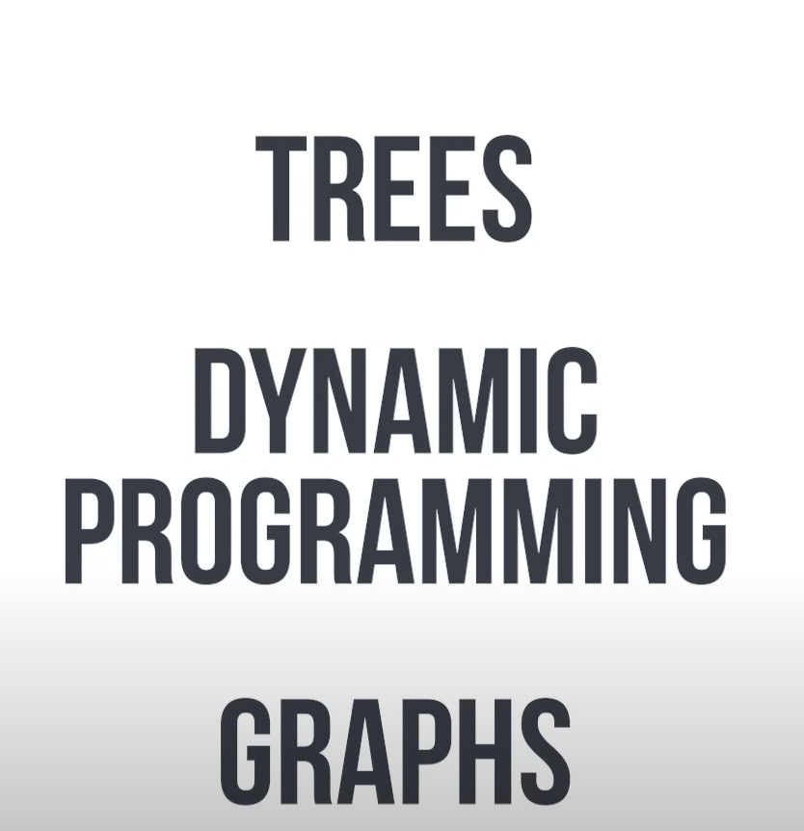

 | Phase 4 | Upsolving (refer other people solution) |  | Leetcode

 | Phase 5 | Go to comments and reverse

