Nomenclature
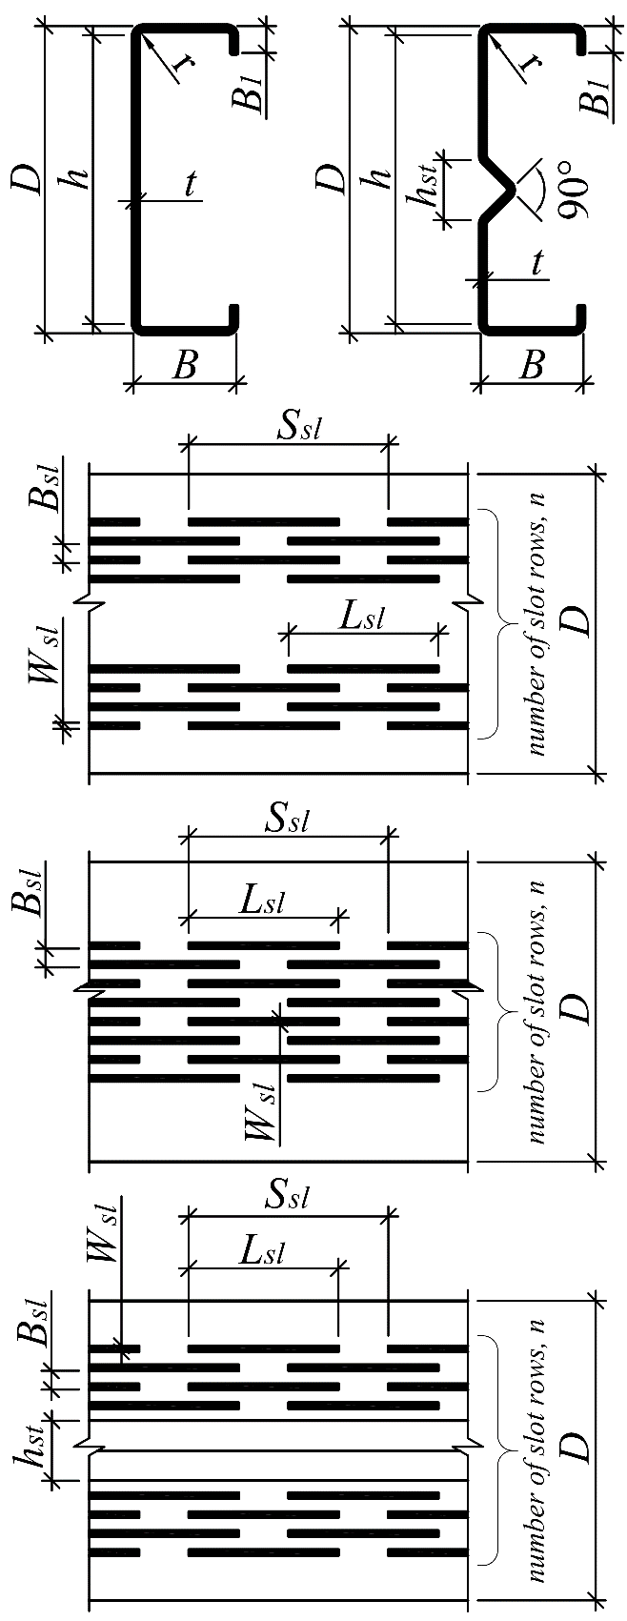
D is channel overall depth; B is channel flange width; B1 is channel flange lip length; t is base steel thickness; Lsl is slot length; Wsl is slot height; Ssl is slot spacing along channel length; Bsl is slot spacing along channel height; N is number of perforated regions; n is number of slot courses across channel web; Fy is yield stress of steel; BC is boundary conditions: R is realistic boundary conditions and TS is test setup boundary conditions; r is inside bend radius; a/h is aspect ratio; a is shear span; h is depth of channel web excluding thickness of ﬂanges and rounded corners between the ﬂanges and the web; hst is height of longitudinal stiﬀener; Vcr is elastic shear buckling load; Vn is ultimate shear strength.

