Mock Up
*Desain pada dokumen ini hanyalah sketsa / mockup. Interface aplikasi mengikuti style dan CSS dari aplikasi IAA

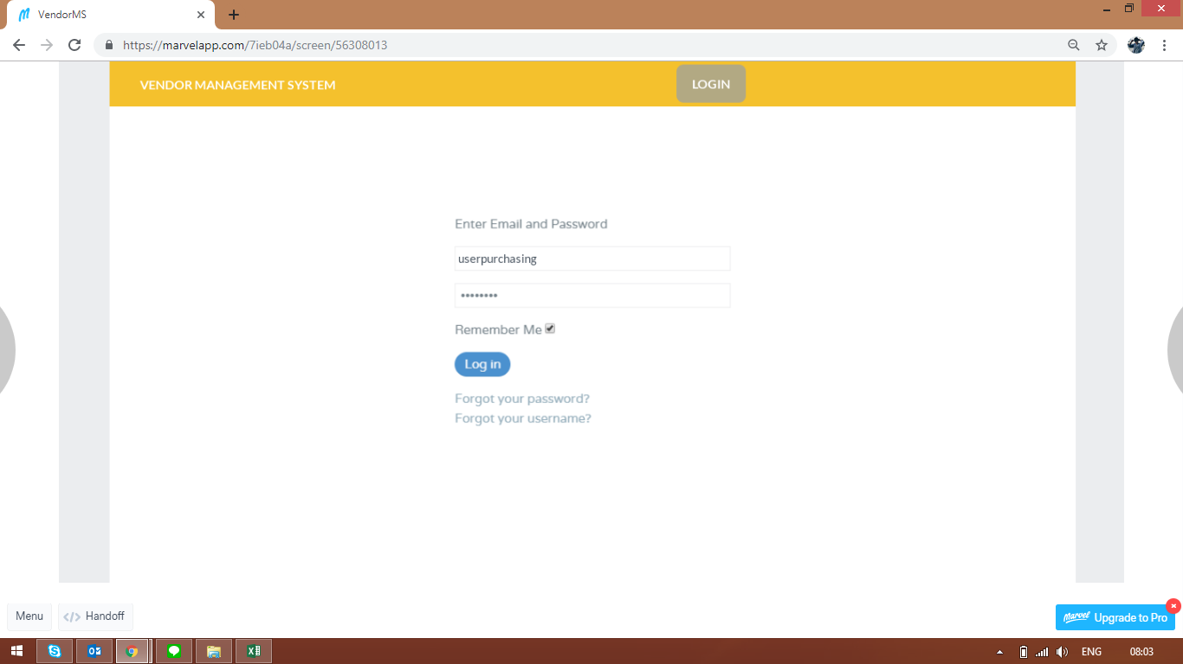
 | 1. Halaman Login

 | Credential user GP

 | Authen aplikasi internal

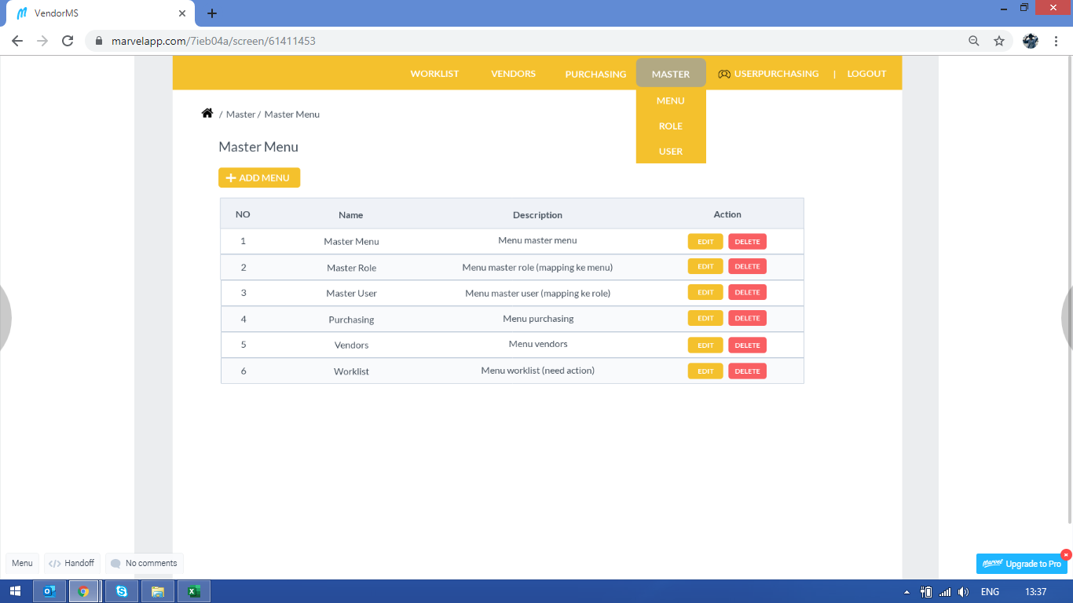
 | 2. Halaman List Menu
 |  | Menampilkan list menu (READ)

 | Table: ms_menus

 | Function: |  | [button] add menu
 |  |  | [button] edit
 |  |  | [button] delete -> confirmation box required "Are you sure?"

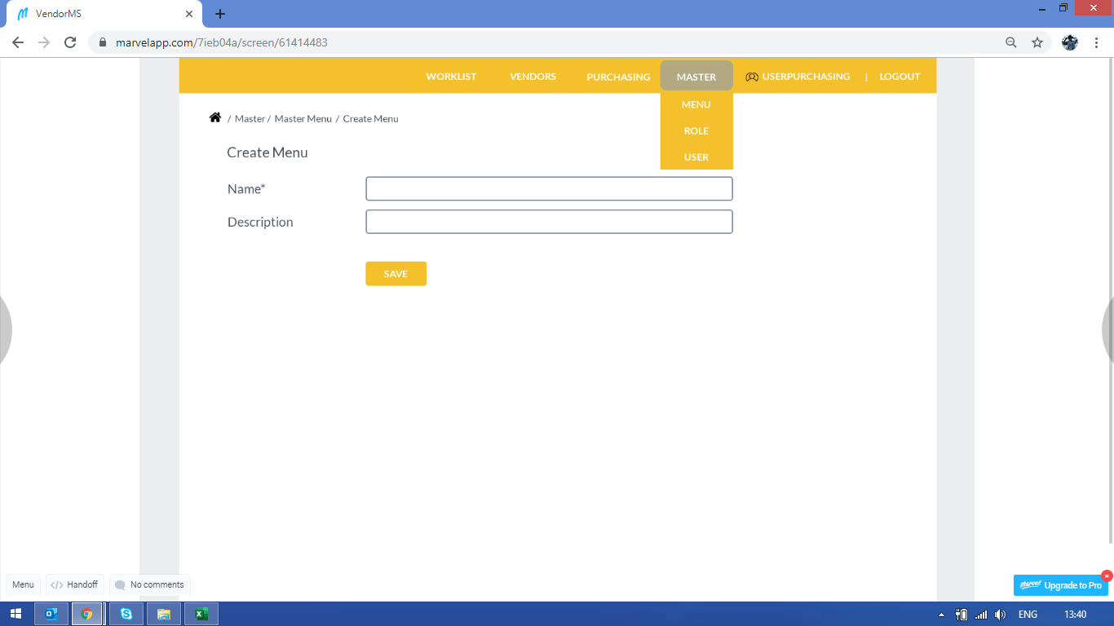

 | 3. Halaman Create Menu

 | Trigger: [button] add menu - halaman 2.

 | Table: ms_menus

 | field Name is mandatory

 | Function: [button] save -> confirmation box required

 | create data ms_menus

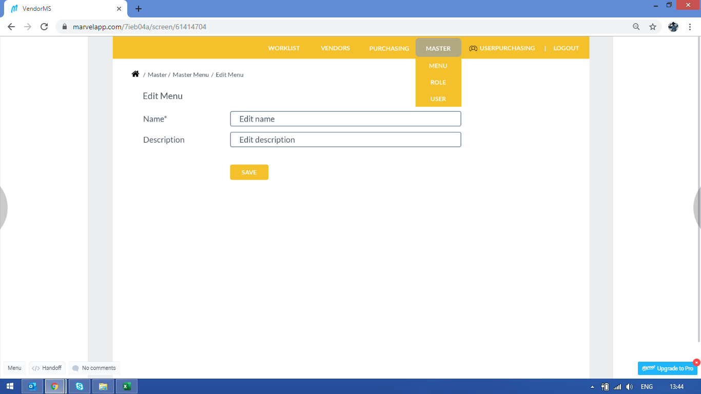

 | 4. Halaman Edit Menu

 | Trigger: [button] edit - halaman 2.

 | Table: ms_menus

 | field Name is mandatory

 | Function: [button] save -> confirmation box required

 | UPDATE data ms_menus where id =

