Plan1
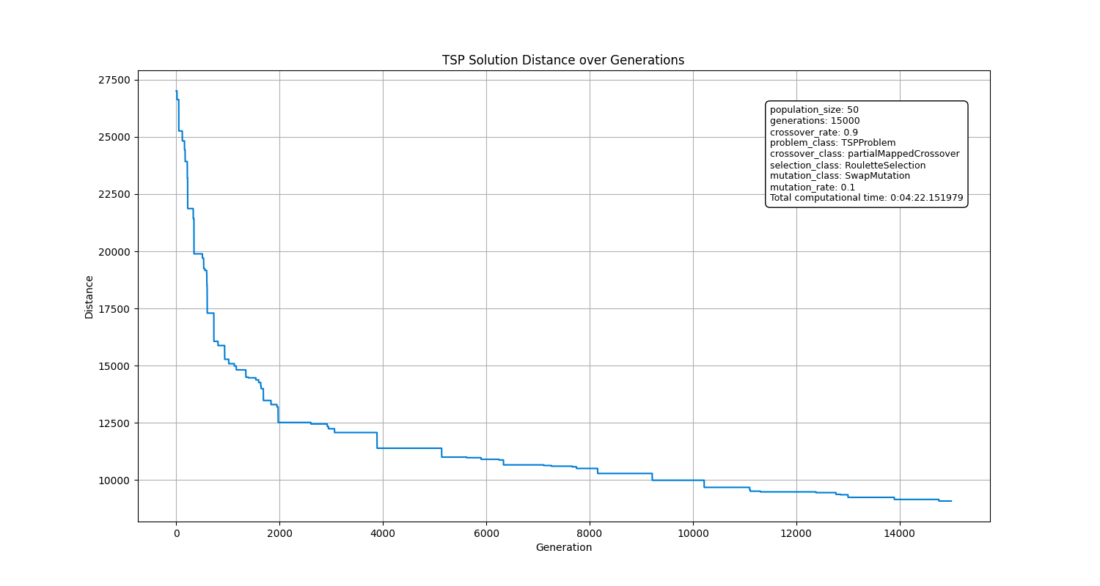
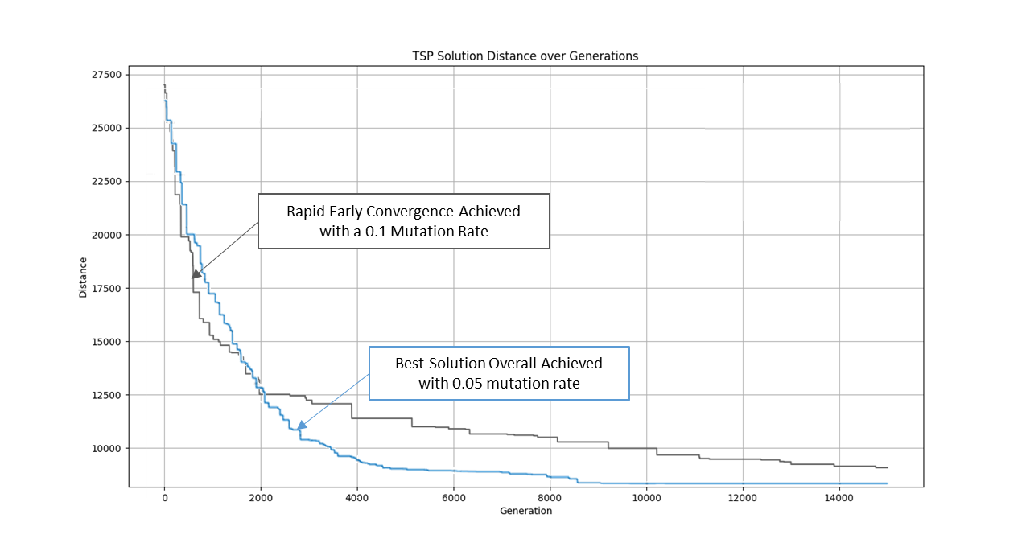

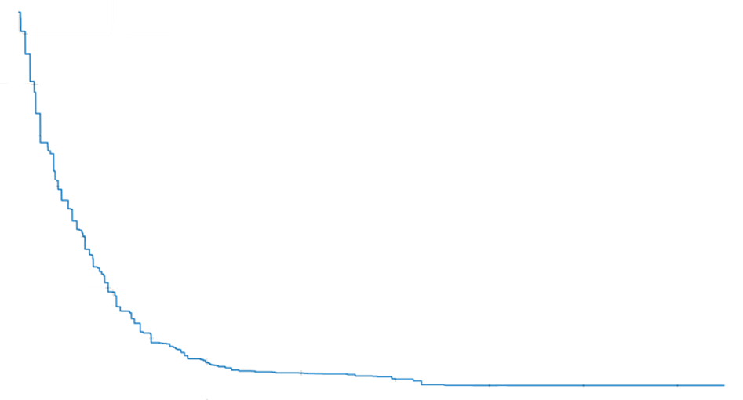


Rapid Early Convergence Achieved with a 0.1 Mutation Rate

Best Solution Overall Achieved with 0.05 mutation rate

