Plan1
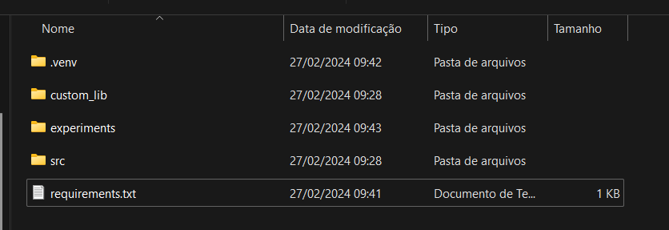
Virtual environment to be created

Genetic algorithm library folder

Experiments folder
Folder where the main.py file is

Requirements to be installed in the virtual environment

