Sheet1
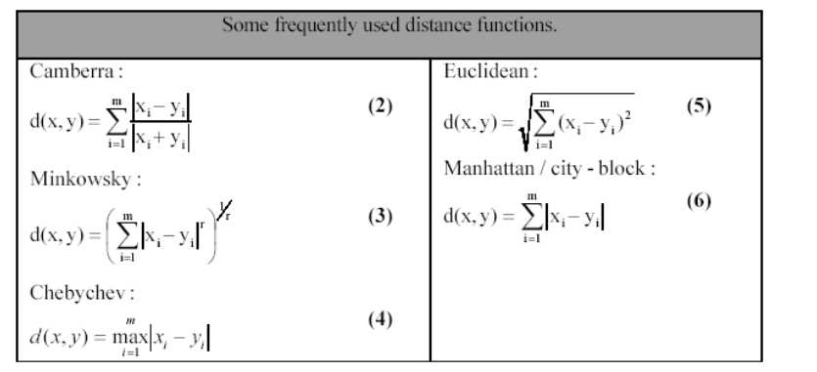
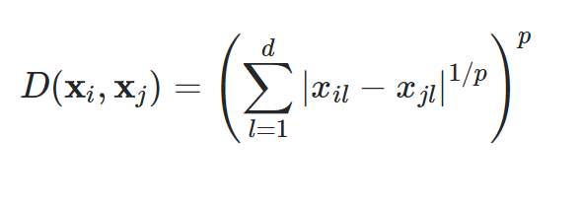
 |  |  | 1 | 2 |  | Manhatan |  | Euclidiana
 | X | Y | Manhatan | Euclidiana |  | X | Y | X | Y | https://math.stackexchange.com/questions/128255/what-is-the-correct-definition-of-minkowski-distance
Ponto 1 | 2 | 2 | 4 | 2.8284271247 | inicial | 2 | 2 | 2 | 2
Ponto 2 | 4 | 4 |  |  | intermediário | 2 | 4 | 4 | 4
 |  |  |  |  | final | 4 | 4 |  |  | http://www.molmine.com/magma/analysis/distance.htm

