List1
Název | Logo | Výrobce | www
teslaSCADA |  | LLC TESLA | https://teslascada.com/
SIMATIC WinCC V7 | - | SIMATIC | https://new.siemens.com/global/en/products/automation/industry-software/automation-software/scada/simatic-wincc-v7.html
Vijeo Designer | 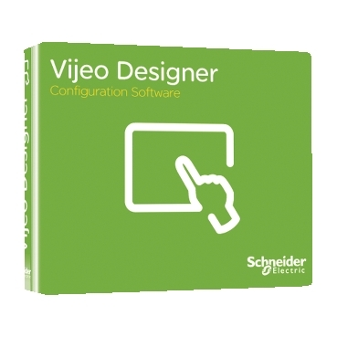 | Schneider | https://www.se.com/ww/en/product-range/1054-vijeo-designer/
Zenon |  | COPADAT | https://www.copadata.com/en/product/zenon-software-platform-for-industrial-automation-energy-automation/
Node-RED |  | OpenJS Foundation | https://nodered.org/

