YearRound_temp_dist
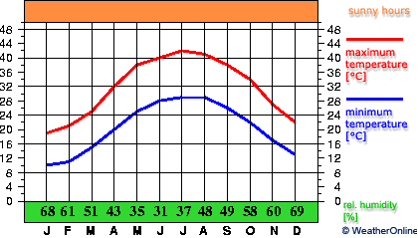
Source: https://en.wikipedia.org/wiki/Climate_of_Saudi_Arabia
KSA AVG TEMP (Degree Cent)
MONTH | Jan | Feb | Mar | Apr | May | Jun | Jul | Aug | Sep | Oct | Nov | Dec | Year
AVG. Temp | 14 | 17 | 21 | 27 | 32 | 34 | 36 | 36 | 33 | 28 | 22 | 17 | 26

