Application_Layer
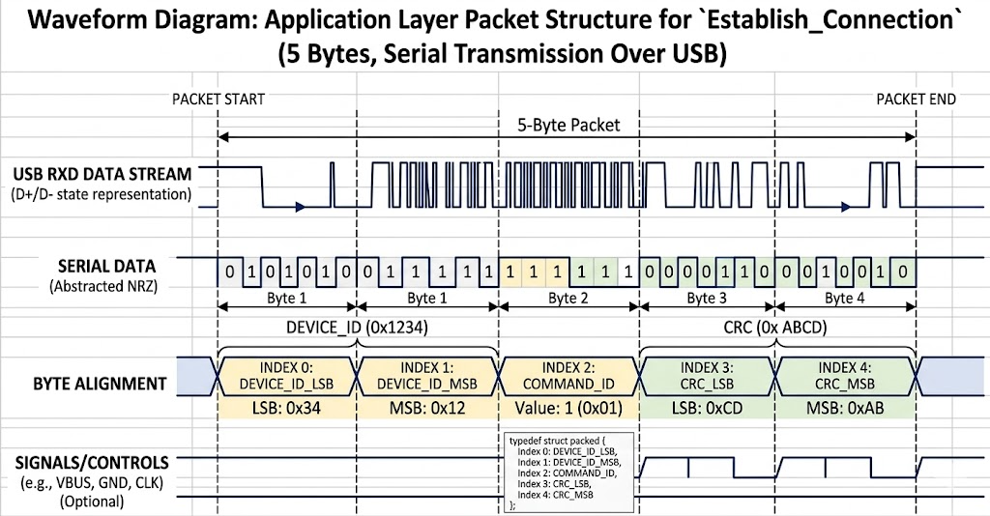
PinOut STM32F407
Microcontroller Pin | USB Signal Name | Target Connection (USB Cable/Port) | Purpose
PA11 | USB_OTG_FS_DM | D- (Data Minus) | Differential Data Signal Pair
PA12 | USB_OTG_FS_DP | D+ (Data Plus) | Differential Data Signal Pair (Includes internal 1.5K Omh pull-up resistor)
PA9 | USB_OTG_FS_VBUS | VBUS (+5V) | VBUS Sensing (Monitors if a USB cable is actively plugged into a host)
GND | GND | GND (Ground) | Common electrical ground reference

