Customer Account Profile
Customer Account Profile
 | Business on Line | 365 online Mobile, Tablet Banking App users | Post Office (A+ solution) | AA (A+ solution)
Service Type | REST | REST
REST Type | GET | GET
INPUT Payload
Header | 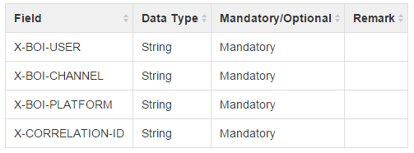
X-BOI-CHANNEL | BOL | B365 | PO | AA
REST URL | https://<hostIP>:<port>/fs-customeraccountprofile-service/services/customerAccountProfile/channel/business/profile/{USER-ID}/accounts | https://<hostIP>:<port>/fs-customeraccountprofile-service/services/customerAccountProfile/channel/personal/profile/{USER-ID}/accounts
XSD
Error and Success Codes

Login
Customer Account Profile
 | Business on Line | 365 online Mobile, Tablet Banking App users | Post Office (A+ solution) | AA (A+ solution)
Service Type | REST
REST Type | GET
INPUT Payload
Header
X-BOI-CHANNEL | BOL | B365 | PO | AA
REST URL | https://<hostIP>:<port>/fs-login-business-service/services/loginServiceBusiness/channel/business/login
XSD
Error and Success Codes | 

