BasicInput
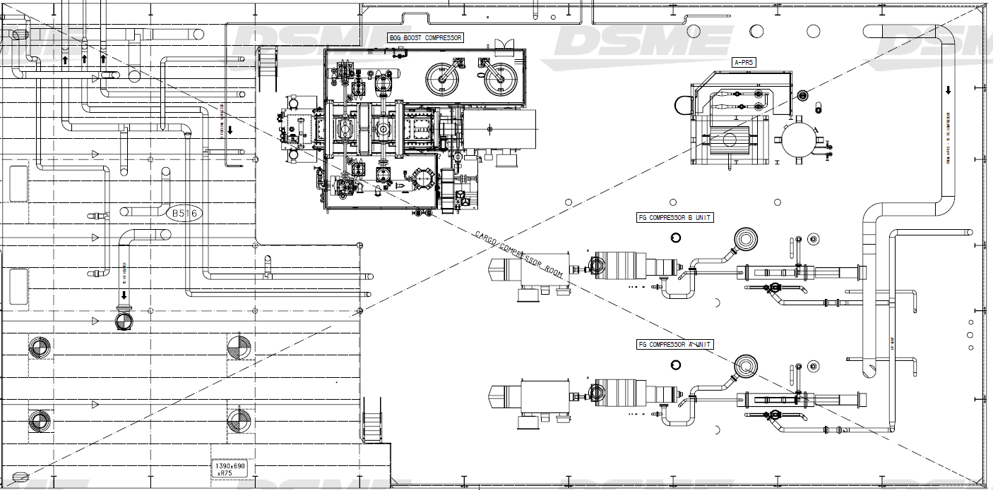
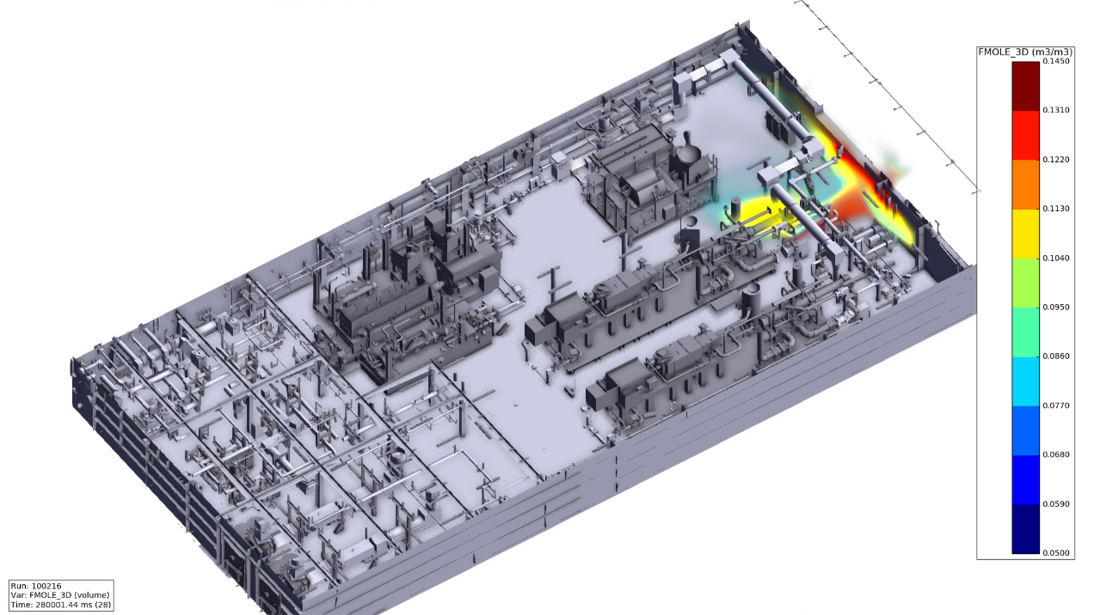
Hole size category | Size_min (mm) | Size_max (mm) | Correction factor, gas | Correction factor, liq
NE | 0.0 | 4.0 | 1.00 | 1.00 | 2.8
SM | 4.0 | 7.0 | 1.00 | 1.00 | 5.7
ME | 7.0 | 13.0 | 1.00 | 1.00 | 10.4
MA | 13.0 | 25.0 | 1.00 | 1.00 | 19.9
LA | 25.0 | 300000.0 | 1.00 | 1.00 | 25

 |  |  |  |  |  |  | Table 4.5 | Typical gas leak rate [kg/s] – Leak smaller than 0.1 kg/s will be disregarded
Leak category | Time to detection [s] | Time to initiate ESD [s] | Valve closing time [s] | Time from isolation to blowdown [s] |  |  | Seg No. | Pressure (bara) | Small | Medium | Major | Large | Remark | Blowdown orifice [mm2] | D[mm]
Small | 60 | 30 | 30 | 180 |  |  | 1 | 1.05 | 7.76E-04 | 8.07E-02 | 2.57E-01 | 5.17E-01
Medium | 30 | 30 | 30 | 180 |  |  | 2 | 1.02 | 3.14E-04 | 7.77E-02 | 2.57E-01 | 5.13E-01
Major | 10 | 30 | 30 | 180 |  |  | 3 | Outlet:13 | 8.63E-03 | 2.14E-01 | 7.04E-01 | 1.41 |  | 12.84 | 7.2
Large | 5 | 30 | 30 | 180 | 6.35 | 3.4817307692 | 8 | Outlet:151 | 6.17E-03 | 2.04E-01 | 7.03E-01 | 1.6 |  | 51.04 | 14.3
 |  |  |  |  |  |  | 9 | 4.01 | 4.11E-02 | 2.16E-01 | 7.03E-01 | 1.41

