DimCube_0320
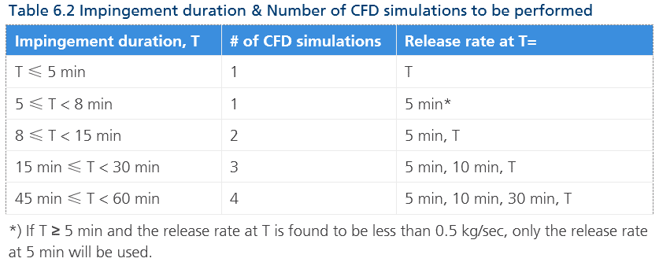
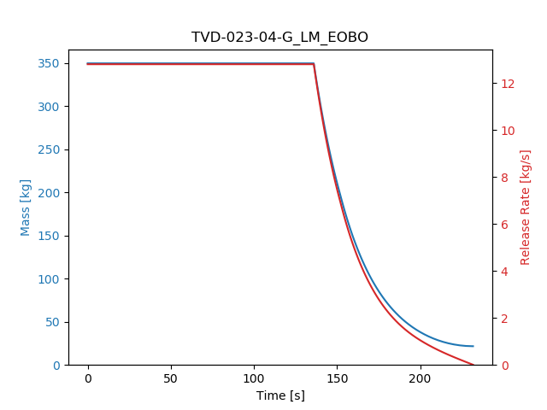
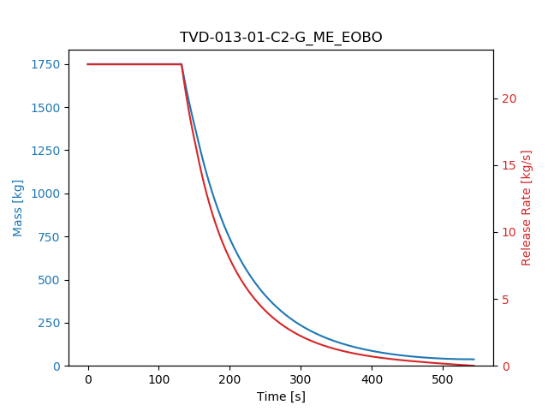
 | 2020-03-27 |  |  |  |  |  |  |  |  |  |  |  |  | Coordinates |  |  |  |  |  |  |  |  |  | Penetration Point
Jxx | IS | Mod | Deck | Cube | Duration [sec] | Duration [min] | Release Rate[Tend] | Release Rate[T=5min] | 5min | 10 min | T | # of sim | 수행순서? | IS |  |  | Cube |  |  | Distance | Delta |  |  | x | y | z |  |  | z | PENENTRATION SIDE | FROM | TO | Time to leave the cube | Release rate leaving the cube | Ratio of distances to cube cener and to the nearest cube plane | Delay ratio
7 | 020-05-01-G\MA_EXBX\14.5DFO_Jet | S05 | A | S05_A_AS | 427.2 | 7.1 | 0.5 | 5.6 | v |  |  | 1 | 15 | 188 | -19.6 | 40.9 | 175.4 | -19.3 | 39.5 |  | -12.6 | 0.3 | -1.4
8 | 020-02-01-Li\ME_EOBN\7.7DFO_Jet | S05 | A | S05_A_AP | 452.5 | 7.5 | 33.3 | 34.4 | v |  |  | 1 | 14 | 181 | -18 | 41 | 175.4 | -8.6 | 39.5 |  | -5.6 | 9.4 | -1.5
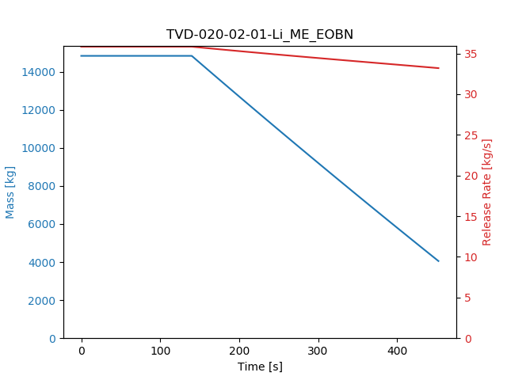
9/10 | 027-01-G-DA\LM_EXBO\7.7DFO_Jet | P05 | A | S05_A_F | 606.3 | 10.1 | 5.6 | 23.5 | v |  | v | 2 | 16 | 174 | 11.6 | 38.8 | 189.2 | -15.1 | 39.5 |  | 15.2 | -26.7 | 0.7 | 184.4 | -6.6 | 174.4 | 189.8 | 184.5 | 39.3 | S05_A_AP (FWD SIDE) | P05_A_P | S05_A_F | 855.4 | 2 | 0.7 | 1.41
11 | 027-01-G-DB\ME_EOBO\2.9FFO_Jet | P05 | B | S05_B_AP | 426.8 | 7.1 | 5 | 8.5 | v |  |  | 1 | 17 | 179 | 13.1 | 48.2 | 180.3 | -12.8 | 52 |  | 1.3 | -25.9 | 3.8 | 179.9 | -5.2 | 179.5 | 180.8 | 180.0 | 49.7 | S05_B_AP (PORT SIDE) | P05_B_F | S05_B_AP | 658.1 | 1.8 | 0.7 | 1.54
12 | 027-01-G-DB\LM_EOBO\7.7DFO_Jet | P05 | B | S05_B_F | 351 | 5.8 | 6 | 9.7 | v |  |  | 1 | 18 | 179 | 13.1 | 48.2 | 193 | -15.2 | 52 |  | 14 | -28.3 | 3.8 | 183.8 | 3.3 | 179.5 | 193.6 | 183.9 | 49.4 | R05 (PORT SIDE) | P05_B_F | S05_B_F | 626 | 0.3 | 0.3 | 1.78
13 | 024-02-G-DA\LM_EOBO\7.7DFO_Jet | P04 | A | S04_A_A | 334.1 | 5.6 | 4.1 | 6.4 | v |  |  | 1 | 20 | 156 | 11.5 | 38.5 | 146.4 | -14.8 | 39.5 | 28 | -9.6 | -26.3 | 1 | 149.9 | -5.2 | 156.4 | 147.1 | 150.0 | 39.2 | S04_A_A (PORT SIDE) | P04_A_FS | S04_A_A | 405 | 1.2 | 0.6 | 1.21
14 | 020-02-01-Li\ME_EOBN\7.7DFO_Jet | S05 | A | S04_A_FP | 452.5 | 7.5 | 33.3 | 34.4 | v |  |  | 1 | 19 | 181 | -18 | 41 | 158.1 | -9.4 | 39.5 |  | -22.9 | 8.6 | -1.5 | 170.1 | -13.9 | 181.9 | 158.4 | 170.7 | 40.3 | S05_A_AP (STBD SIDE) | S05_A_AS | S04_A_AP | 452.5 | 33.2 | 0.5 | 1.00 | Discharge stop!
15 | 027-01-G-DA\ME_EOBO\7.7DFO_Jet | P05 | A | S04_A_FS | 305.2 | 5.1 | 8.5 | 8.5 | v |  |  | 1 | 21 | 174 | 11.6 | 38.8 | 158.1 | -21.4 | 39.5 |  | -15.9 | -33 | 0.7 | 165.2 | -6.8 | 174.4 | 159.5 | 165.3 | 39.2 | S04_A_AP (FWD SIDE) | P05_A_P | S04_A_FS | 672.3 | 1.7 | 0.6 | 2.20
16 | 023-03-01-G-DB\LM_EOBO\2.9FFO_Jet | S03 | B | S04_B_AP | 264.6 | 4.4 | 5.2 | 4.3 |  |  | v | 1 | 22 | 126 | -9 | 47.6 | 151 | -16.2 | 52 |  | 25 | -7.2 | 4.4 | 132.0 | -10.7 | 126.3 | 151.9 | 132.4 | 48.6 | S03_B_F (AFT SIDE) | S03_B_A | S04_B_AP | 1370.5 | 0.1 | 0.2 | 5.18
17 | 013-01-C2-G\LM_EOBO\7.7DFO_Jet | S05 | B | S04_B_F | 335.5 | 5.6 | 0.9 | 1.3 | v |  |  | 1 | 23 | 176 | -10.3 | 44.8 | 163.6 | -15.1 | 52 |  | -12.4 | -4.8 | 7.2 | 165.2 | -14.5 | 176.3 | 164.3 | 165.8 | 51.1 | S04_B_F (FWD SIDE) | S05_B_AP | S04_B_F | 356.4 | 0.6 | 0.9 | 1.06
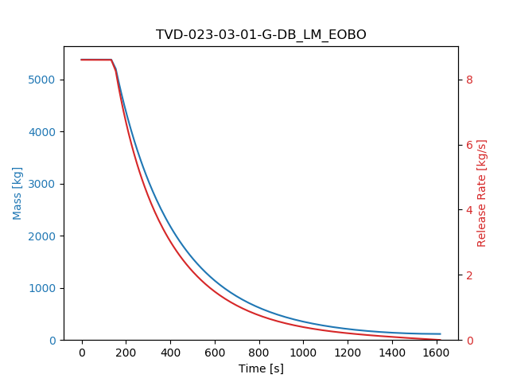
18 | 020-05-01-G\LA_EXBO\2.9FFO_Jet | S05 | A | S03_A_P | 163.8 | 2.7 | 43.2 | 0 |  |  | v | 1 | 5 | 188 | -19.6 | 40.9 | 130.3 | -10.3 | 39.5 |  | -57.7 | 9.3 | -1.4 | 184.4 | -19.0 | 189.0 | 130.7 | 185.4 | 40.8 | S05_A_AS (FWD SIDE) | S05_A_F | S03_A_P | 298.1 | 0 | 0.1 | 1.82
19 | 027-01-G-DB\LM_EOBO\7.7DFO_Jet | P05 | B | S03_B_A | 187 | 3.1 | 33 | 9.7 |  |  | v | 1 | 6 | 179 | 13.1 | 48.2 | 125.9 | -14.3 | 50.5 |  | -53.1 | -27.4 | 2.3 | 143.6 | -5.2 | 179.5 | 126.7 | 143.7 | 49.8 | S04_B_AP (PORT SIDE) | P05_B_F | S03_B_A | 287.5 | 11 | 0.7 | 1.54
20 | 023-02-01-G-DB\LM_EOBO\14.5DFO_Jet | P03 | B | S03_B_F | 200.2 | 3.3 | 3.8 | 0.8 |  |  | v | 1 | 7 | 133 | 15.3 | 47.3 | 136.2 | -14.3 | 50.5 |  | 3.2 | -29.6 | 3.2 | 135.2 | -5.2 | 133.9 | 136.9 | 135.3 | 48.8 | S03_B_F (PORT SIDE) | P03_B_FS | S03_B_F | 270.5 | 1.4 | 0.7 | 1.35
21 | 045-01-G\MA_EOBX\7.7DFO_Jet | P03 | B | P02_B_FS | 130.4 | 2.2 | 2.1 | 0 |  |  | v | 1 | 1 | 134 | 11.1 | 45.4 | 112.9 | 9.9 | 48 |  | -21.1 | -1.2 | 2.6 | 130.4 | 10.9 | 134.5 | 113.3 | 130.8 | 45.8 | P03_A_AS (FWD SIDE) | P03_B_FS | P02_B_FS | 133.4 | 0 | 0.2 | 1.02
22 | 045-01-G\ME_EOBO\2.9FFO_Jet | P03 | B | P02_B_FP | 136.7 | 2.3 | 3.4 | 0 |  |  | v | 1 | 2 | 134 | 11.1 | 45.4 | 112.9 | 18.8 | 48 |  | -21.1 | 7.7 | 2.6 | 130.4 | 12.4 | 134.5 | 114.5 | 131.0 | 45.9 | P03_A_AS (FWD SIDE) | P03_B_FS | P02_B_FP | 168.1 | 0 | 0.2 | 1.23
27 | 027-02-G\LM_EOBO\7.7DFO_Jet | P05 | B | P03_B_P | 159.1 | 2.7 | 16.4 | 0 |  |  | v | 1 | 4 | 175 | 10.1 | 47 | 130.4 | 23.4 | 48.5 |  | -44.6 | 13.3 | 1.5 | 165.2 | 13.0 | 175.3 | 132.5 | 165.7 | 47.3 | P04_B_FS (FWD SIDE) | P05_B_A | P03_B_P | 207 | 0.3 | 0.2 | 1.30
28 | 023-01-01-G-DB\LM_EOBO\2.9FFO_Jet | P03 | B | P03_B_FS | 305 | 5.1 | 0.2 | 0.2 | v |  |  | 1 | 3 | 132 | 18.8 | 47.2 | 134.1 | 12.4 | 48.5 |  | 2.1 | -6.4 | 1.3
1 | 025-02-01-G\LM_EOBO\7.7DFO_Jet | P04 | B | P04_A_AP | 425.4 | 7.1 | 0.1 | 7.5 | v |  |  | 1 | 13 | 145 | 16 | 44.6 | 146.9 | 20.5 | 43.5 |  | 1.9 | 4.5 | -1.1
2 | 024-02-G-DC\LM_EOBO\7.7DFO_Jet | P04 | C | P04_A_FP | 407.2 | 6.8 | 1.2 | 6.4 | v |  |  | 1 | 12 | 147 | 16.2 | 55.4 | 159 | 20.5 | 43.5 |  | 12 | 4.3 | -11.9
3 | 024-03-01-G\LM_EOBO\14.5DFO_Jet | P04 | B | P04_A_AS | 426.8 | 7.1 | 0.6 | 6.7 | v |  |  | 1 | 11 | 145 | 20.6 | 50.8 | 148.1 | 9.1 | 39.5 |  | 3.1 | -11.5 | -11.3
4 | 020-02-01-Li\ME_EOBN\7.7DFO_Jet | S05 | A | P04_A_FS | 452.5 | 7.5 | 33.3 | 34.4 | v |  |  | 1 | 9 | 181 | -18 | 41 | 160.7 | 9.1 | 39.5 |  | -20.3 | 27.1 | -1.5 | 177.9 | -13.9 | 181.9 | 161.0 | 178.5 | 40.8 | S05_A_AP (STBD SIDE) | S05_A_AS | P04_A_FS | 452.5 | 33.2 | 0.2 | 1.00
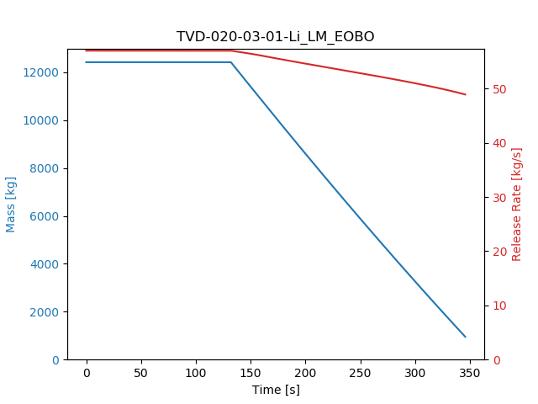
5 | 025-01-01-G\LM_EOBO\7.7DFO_Jet | P04 | C | P04_B_AS | 355.2 | 5.9 | 0.6 | 2.7 | v |  |  | 1 | 10 | 150 | 20.8 | 53 | 147.7 | 10.1 | 48 |  | -2.3 | -10.7 | -5 | 148.5 | 13.9 | 151.4 | 148.0 | 149.2 | 49.7 | P04_C (PORT SIDE) | P04_C | P04_B_FS | 362.1 | 0.1 | 0.6 | 1.02
6 | 020-03-01-Li\LM_EOBO\7.7DFO_Jet | S04 | B | P04_B_FS | 345.8 | 5.8 | 49.3 | 50.8 | v |  |  | 1 | 8 | 158 | -9.3 | 44.8 | 160.1 | 10.1 | 50 |  | 2.1 | 19.4 | 5.2 | 159.6 | 5.2 | 158.3 | 160.4 | 159.6 | 48.1 | P04_B_FS (STBD SIDE) | S04_B_AP | P04_B_FS | 345.8 | 48.9 | 0.7 | 1.00
23 | 024-02-G-DA\LM_EOBX\14.5DFO_Jet | P04 | A | P05_A_P | 404.5 | 6.7 | 1.8 | 7.1 | v |  |  | 1 | 27 | 156 | 11.5 | 38.5 | 180.8 | 15.9 | 39.5 |  | 24.8 | 4.4 | 1 | 169.5 | 13.9 | 156.4 | 181.5 | 170.1 | 39.0 | P05_A_P (AFT SIDE) | P04_A_FS | P05_A_P | 456.5 | 0.4 | 0.5 | 1.13
24 | 027-03-G\ME_EXBO\2.9FFO_Jet | P05 | B | P05_A_S | 433.4 | 7.2 | 2.4 | 5.5 | v |  |  | 1 | 26 | 189 | 24.5 | 45 | 180.8 | 7.2 | 39.5 |  | -8.2 | -17.3 | -5.5
25 | 025-02-01-G\LM_EOBO\7.7DFO_Jet | P04 | B | P05_B_A | 341.9 | 5.7 | 4.2 | 7.5 | v |  |  | 1 | 28 | 145 | 16 | 44.6 | 173 | 15.1 | 49 |  | 28 | -0.9 | 4.4 | 150.4 | 15.8 | 145.9 | 173.7 | 151.3 | 45.5 | P04_A_FP (AFT SIDE) | P04_A_AP | P05_B_A | 425.4 | 0.1 | 0.2 | 1.24
26 | 013-01-N2-G\LM_EOBO\7.7DFO_Jet | S05 | B | P05_B_F | 258.3 | 4.3 | 2.7 | 1.1 |  |  | v | 1 | 25 | 190 | -7 | 44.9 | 184.7 | 15.1 | 49 |  | -5.3 | 22.1 | 4.1 | 189.6 | -5.2 | 190.1 | 185.3 | 189.6 | 45.3 | S05_B_F (PORT SIDE) | P05_B_F | S05_B_F | 393 | 0 | 0.1 | 1.52
29 | 045-01-G\MA_EOBX\7.7DFO_Jet | P03 | B | KOD_B | 123.7 | 2.1 | 62.8 | 0 |  |  | v | 1 | 24 | 134 | 11.1 | 45.4 | 207.9 | 17.4 | 42.5 |  | 73.9 | 6.3 | -2.9 | 143.4 | 11.9 | 134.5 | 208.6 | 143.9 | 45.0 | P04_B_AS (AFT SIDE) | P03_B_FS | BESIDE OF TURRET | 133.1 | 0.2 | 0.1 | 1.08
 |  |  |  |  |  |  |  |  |  |  |  | 29

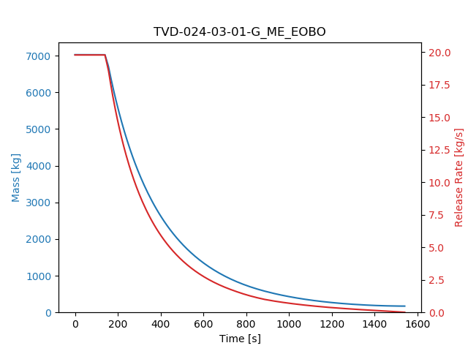
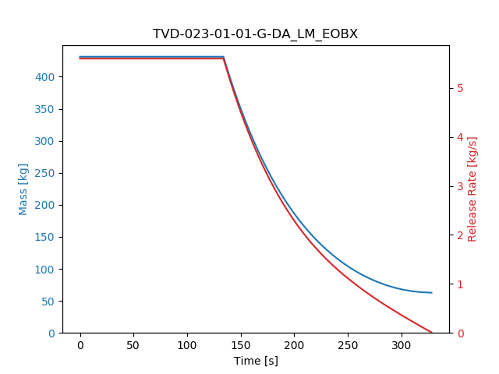
 |  |  |  | jl_lowe = 2.8893*np.power(55.5*m,0.3728)
 |  |  | 4.1 | 21.852990828

