001
<--This button

002
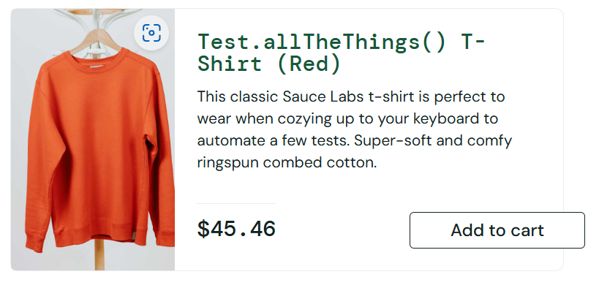

003
<---This link

