Descriptive Summary for Key Var
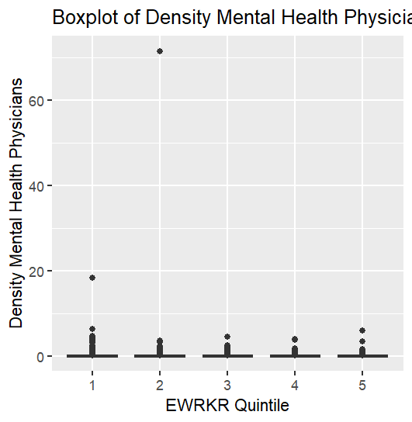
Descriptive Characteristics of Key Neighborhood Indicators
Removed 1016 NA EWRKR_PROP as they have 0 populations or 0 workers | Color Coding: the darker green, the higher evidence that this increases when the proportion of essential workers increases. the darker red, the higher likelihood this decreases. yellow indicates a weaker relationship
 | ** Based off very prelim descriptive analysis
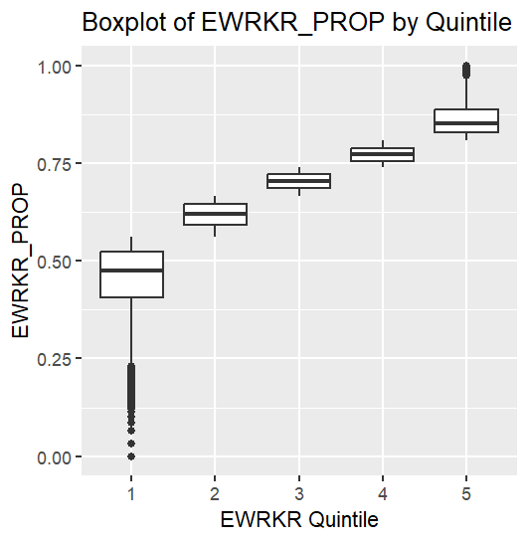
EWRKR_PROP (Response)
EWRKR_quintile mean median sd iqr min max q1 q3
<int> <dbl> <dbl> <dbl> <dbl> <dbl> <dbl> <dbl> <dbl>
1 1 0.454 0.474 0.0859 0.117 0 0.561 0.406 0.523
2 2 0.618 0.620 0.0303 0.0519 0.561 0.667 0.593 0.645
3 3 0.704 0.705 0.0211 0.0366 0.667 0.740 0.686 0.723
4 4 0.773 0.772 0.0195 0.0337 0.740 0.808 0.756 0.789
5 5 0.862 0.853 0.0412 0.0587 0.808 1 0.829 0.887

Relatively intuitive as the distribution should reflect five groups of similar proportion essential workers. There are clear outlying census tracts with distinctly small OR large proportions of essential workers.

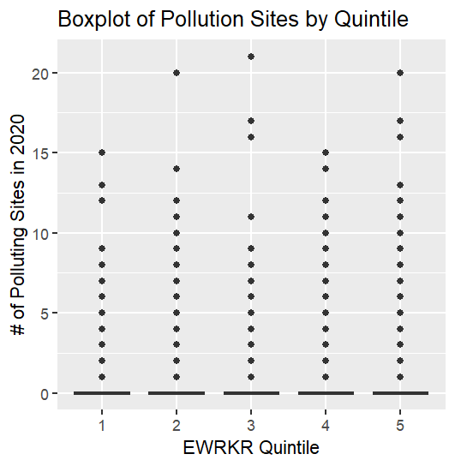
Pollution Sites
EWRKR_quintile mean median sd iqr min max q1 q3
<int> <dbl> <dbl> <dbl> <dbl> <int> <int> <dbl> <dbl>
1 1 0.126 0 0.568 0 0 15 0 0
2 2 0.216 0 0.734 0 0 20 0 0
3 3 0.274 0 0.822 0 0 21 0 0
4 4 0.318 0 0.881 0 0 15 0 0
5 5 0.315 0 0.942 0 0 20 0 0

As proportion of essential workers increases, number of pollution sites generally do as well.

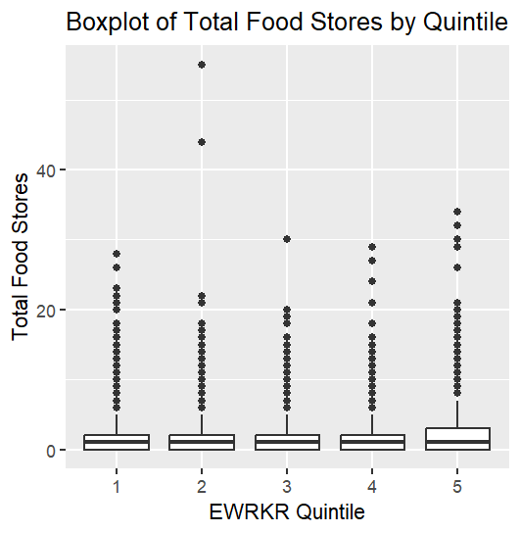
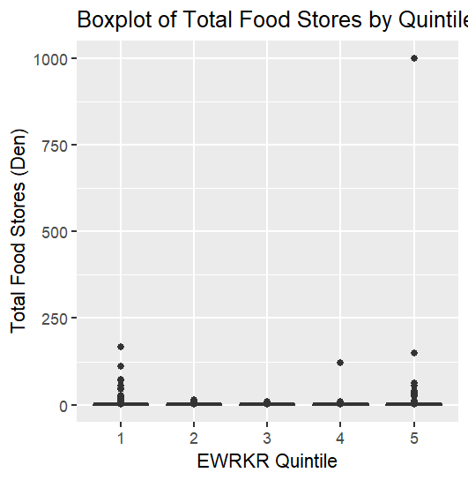
Total Food Stores | density total food stores
EWRKR_quintile mean median sd iqr min max q1 q3 | EWRKR_quintile mean median sd iqr min max q1 q3
<int> <dbl> <dbl> <dbl> <dbl> <int> <int> <dbl> <dbl> | <int> <dbl> <dbl> <dbl> <dbl> <dbl> <dbl> <dbl> <dbl>
1 1 1.39 1 1.94 2 0 28 0 2 | 1 1 0.421 0.209 2.02 0.520 0 167. 0 0.520
2 2 1.29 1 1.79 2 0 55 0 2 | 2 2 0.347 0.205 0.531 0.488 0 15.3 0 0.488
3 3 1.35 1 1.66 2 0 30 0 2 | 3 3 0.365 0.247 0.481 0.528 0 8.30 0 0.528
4 4 1.46 1 1.76 2 0 29 0 2 | 4 4 0.405 0.280 1.06 0.581 0 122. 0 0.581
5 5 1.74 1 2.13 3 0 34 0 3 | 5 5 0.594 0.346 7.85 0.734 0 1000 0 0.734

 | No immediate visible relationship between food store density and prop. EWRKR
 | Is the major Q5 outlier significant

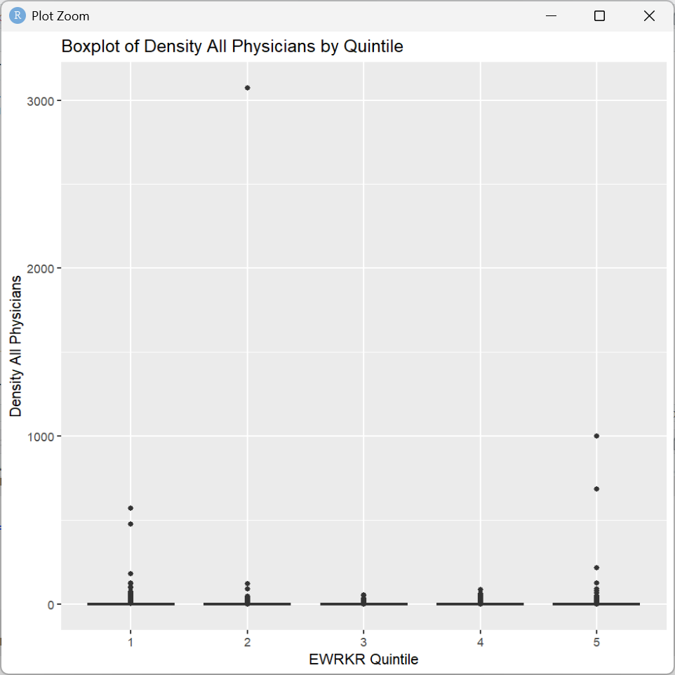
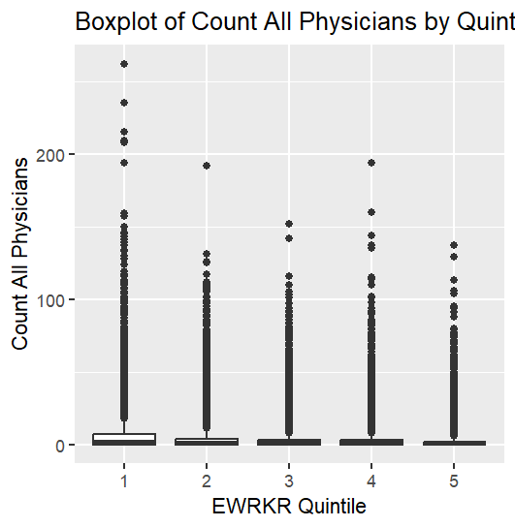
Count All Physicians | density all physicians
EWRKR_quintile mean median sd iqr min max q1 q3 | EWRKR_quintile mean median sd iqr min max q1 q3
<int> <dbl> <dbl> <dbl> <dbl> <int> <int> <dbl> <dbl> | <int> <dbl> <dbl> <dbl> <dbl> <dbl> <dbl> <dbl> <dbl>
1 1 6.51 2 12.8 7 0 262 0 7 | 1 1 1.84 0.585 7.23 1.80 0 571. 0 1.80
2 2 4.43 1 9.47 4 0 192 0 4 | 2 2 1.35 0.338 23.8 1.11 0 3071. 0 1.11
3 3 3.46 1 7.95 3 0 152 0 3 | 3 3 0.909 0.259 2.20 0.845 0 56.3 0 0.845
4 4 2.93 1 7.44 3 0 194 0 3 | 4 4 0.810 0.219 2.36 0.716 0 85.9 0 0.716
5 5 2.45 1 6.31 2 0 137 0 2 | 5 5 0.909 0.159 9.99 0.649 0 1000 0 0.649

 | Generally fewer physicians (all types) in higher ewrkr proportion populations
Count Mental Health Physicians
EWRKR_quintile mean median sd iqr min max q1 q3 | EWRKR_quintile mean median sd iqr min max q1 q3
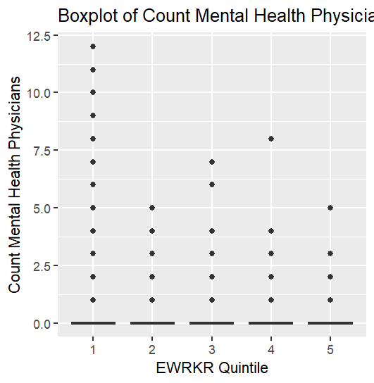
<int> <dbl> <dbl> <dbl> <dbl> <int> <int> <dbl> <dbl> | <int> <dbl> <dbl> <dbl> <dbl> <dbl> <dbl> <dbl> <dbl>
1 1 0.193 0 0.629 0 0 12 0 0 | 1 1 0.0543 0 0.242 0 0 18.3 0 0
2 2 0.0805 0 0.345 0 0 5 0 0 | 2 2 0.0268 0 0.561 0 0 71.4 0 0
3 3 0.0507 0 0.263 0 0 7 0 0 | 3 3 0.0141 0 0.0869 0 0 4.42 0 0
4 4 0.0368 0 0.225 0 0 8 0 0 | 4 4 0.0104 0 0.0766 0 0 3.91 0 0
5 5 0.0274 0 0.187 0 0 5 0 0 | 5 5 0.00906 0 0.0831 0 0 5.99 0 0

 | Inverse relationship (seemingly)

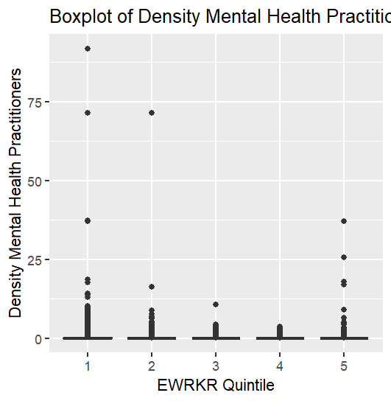
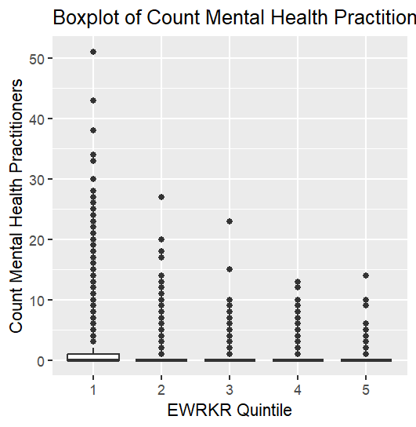
Count Mental Health Practitioners
EWRKR_quintile mean median sd iqr min max q1 q3 | EWRKR_quintile mean median sd iqr min max q1 q3
<int> <dbl> <dbl> <dbl> <dbl> <int> <int> <dbl> <dbl> | <int> <dbl> <dbl> <dbl> <dbl> <dbl> <dbl> <dbl> <dbl>
1 1 0.873 0 2.19 1 0 51 0 1 | 1 1 0.252 0 1.18 0.244 0 91.7 0 0.244
2 2 0.352 0 1.05 0 0 27 0 0 | 2 2 0.102 0 0.657 0 0 71.4 0 0
3 3 0.208 0 0.704 0 0 23 0 0 | 3 3 0.0564 0 0.218 0 0 10.6 0 0
4 4 0.138 0 0.542 0 0 13 0 0 | 4 4 0.0386 0 0.162 0 0 3.54 0 0
5 5 0.0880 0 0.419 0 0 14 0 0 | 5 5 0.0345 0 0.431 0 0 37.0 0 0

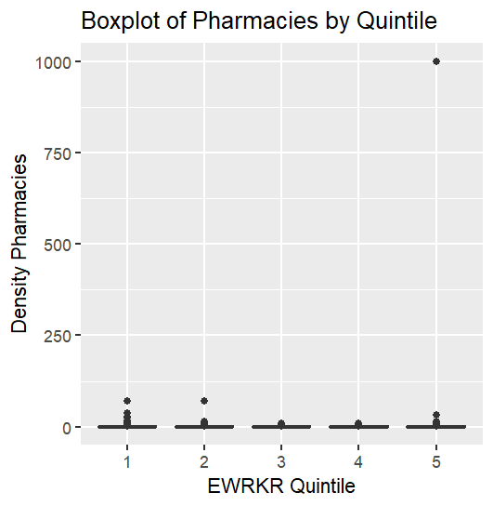
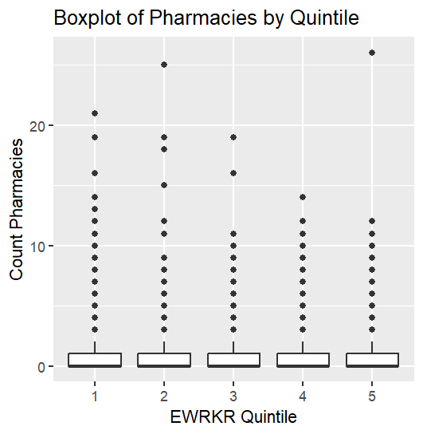
Count Pharmacies
EWRKR_quintile mean median sd iqr min max q1 q3 | EWRKR_quintile mean median sd iqr min max q1 q3
<int> <dbl> <dbl> <dbl> <dbl> <int> <int> <dbl> <dbl> | <int> <dbl> <dbl> <dbl> <dbl> <dbl> <dbl> <dbl> <dbl>
1 1 0.793 0 1.27 1 0 21 0 1 | 1 1 0.221 0 0.799 0.302 0 71.4 0 0.302
2 2 0.690 0 1.13 1 0 25 0 1 | 2 2 0.185 0 0.647 0.271 0 71.4 0 0.271
3 3 0.668 0 1.09 1 0 19 0 1 | 3 3 0.177 0 0.313 0.273 0 8.85 0 0.273
4 4 0.654 0 1.07 1 0 14 0 1 | 4 4 0.179 0 0.320 0.281 0 9.01 0 0.281
5 5 0.618 0 1.07 1 0 26 0 1 | 5 5 0.249 0 7.71 0.278 0 1000 0 0.278

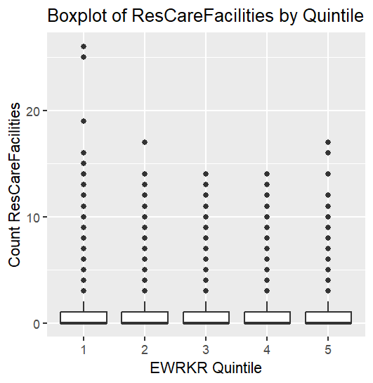
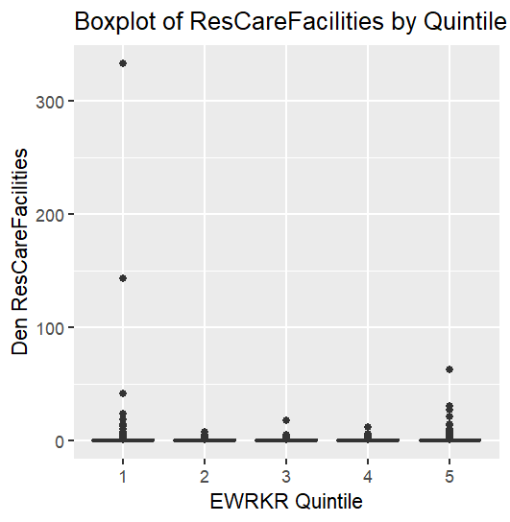
Count Residential Care Facilities
EWRKR_quintile mean median sd iqr min max q1 q3 | EWRKR_quintile mean median sd iqr min max q1 q3
<int> <dbl> <dbl> <dbl> <dbl> <int> <int> <dbl> <dbl> | <int> <dbl> <dbl> <dbl> <dbl> <dbl> <dbl> <dbl> <dbl>
1 1 0.876 0 1.47 1 0 26 0 1 | 1 1 0.267 0 2.86 0.326 0 333. 0 0.326
2 2 0.848 0 1.39 1 0 17 0 1 | 2 2 0.220 0 0.392 0.314 0 7.63 0 0.314
3 3 0.855 0 1.40 1 0 14 0 1 | 3 3 0.226 0 0.405 0.333 0 17.7 0 0.333
4 4 0.797 0 1.34 1 0 14 0 1 | 4 4 0.217 0 0.390 0.319 0 11.7 0 0.319
5 5 0.653 0 1.19 1 0 17 0 1 | 5 5 0.207 0 0.737 0.284 0 62.5 0 0.284

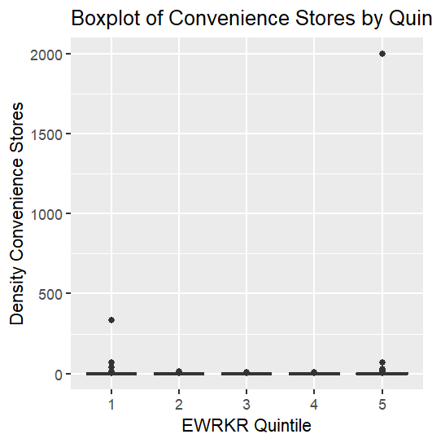
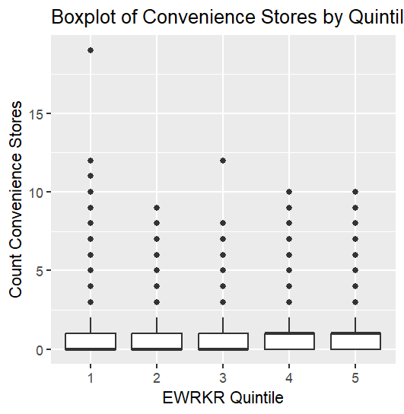
Convenience Stores
EWRKR_quintile mean median sd iqr min max q1 q3 | EWRKR_quintile mean median sd iqr min max q1 q3
<int> <dbl> <dbl> <dbl> <dbl> <int> <int> <dbl> <dbl> | <int> <dbl> <dbl> <dbl> <dbl> <dbl> <dbl> <dbl> <dbl>
1 1 0.486 0 0.839 1 0 19 0 1 | 1 1 0.159 0 2.66 0.211 0 333. 0 0.211
2 2 0.658 0 0.932 1 0 9 0 1 | 2 2 0.173 0 0.297 0.277 0 13.4 0 0.277
3 3 0.770 0 1.01 1 0 12 0 1 | 3 3 0.208 0 0.304 0.328 0 7.07 0 0.328
4 4 0.820 1 1.04 1 0 10 0 1 | 4 4 0.227 0.148 0.317 0.360 0 9.01 0 0.360
5 5 0.855 1 1.10 1 0 10 0 1 | 5 5 0.380 0.152 15.4 0.400 0 2000 0 0.400

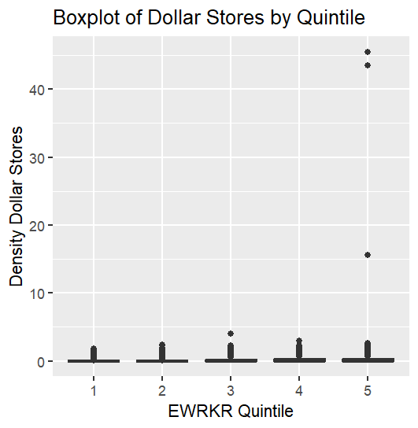
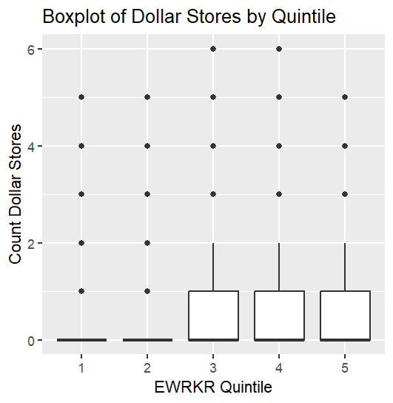
Dollar Stores
EWRKR_quintile mean median sd iqr min max q1 q3 | EWRKR_quintile mean median sd iqr min max q1 q3
<int> <dbl> <dbl> <dbl> <dbl> <int> <int> <dbl> <dbl> | <int> <dbl> <dbl> <dbl> <dbl> <dbl> <dbl> <dbl> <dbl>
1 1 0.105 0 0.351 0 0 5 0 0 | 1 1 0.0280 0 0.103 0 0 1.76 0 0
2 2 0.256 0 0.548 0 0 5 0 0 | 2 2 0.0676 0 0.161 0 0 2.33 0 0
3 3 0.398 0 0.666 1 0 6 0 1 | 3 3 0.108 0 0.199 0.197 0 4.05 0 0.197
4 4 0.509 0 0.741 1 0 6 0 1 | 4 4 0.142 0 0.224 0.256 0 2.96 0 0.256
5 5 0.518 0 0.761 1 0 5 0 1 | 5 5 0.164 0 0.558 0.276 0 45.5 0 0.276

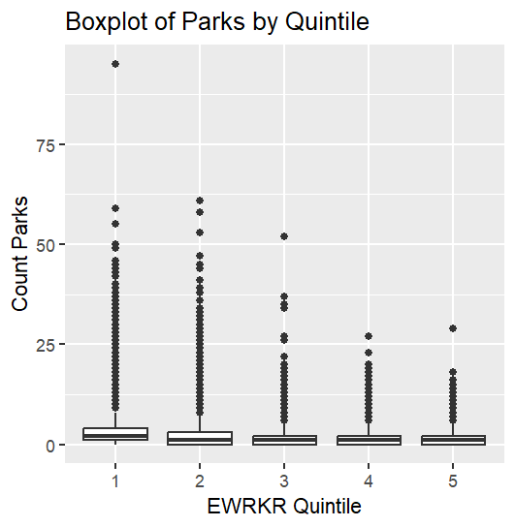
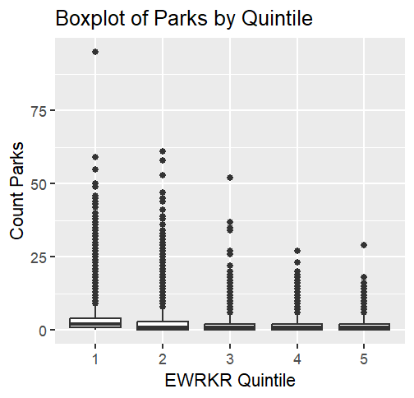
Parks | PROP_PARK_AREA_TRACT
EWRKR_quintile mean median sd iqr min max q1 q3 | EWRKR_quintile mean median sd iqr min max q1 q3
<int> <dbl> <dbl> <dbl> <dbl> <int> <int> <dbl> <dbl> | <int> <dbl> <dbl> <dbl> <dbl> <dbl> <dbl> <dbl> <dbl>
1 1 2.92 2 3.94 3 0 95 1 4 | 1 1 0.0633 0.0203 0.112 0.0690 0 1 0.000854 0.0699
2 2 2.19 1 3.00 3 0 61 0 3 | 2 2 0.0485 0.00880 0.108 0.0440 0 0.969 0 0.0440
3 3 1.75 1 2.35 2 0 52 0 2 | 3 3 0.0378 0.00340 0.0945 0.0301 0 0.985 0 0.0301
4 4 1.56 1 2.08 2 0 27 0 2 | 4 4 0.0330 0.00181 0.0896 0.0240 0 0.984 0 0.0240
5 5 1.44 1 1.76 2 0 29 0 2 | 5 5 0.0305 0.00310 0.0791 0.0254 0 1 0 0.0254

T-Tests
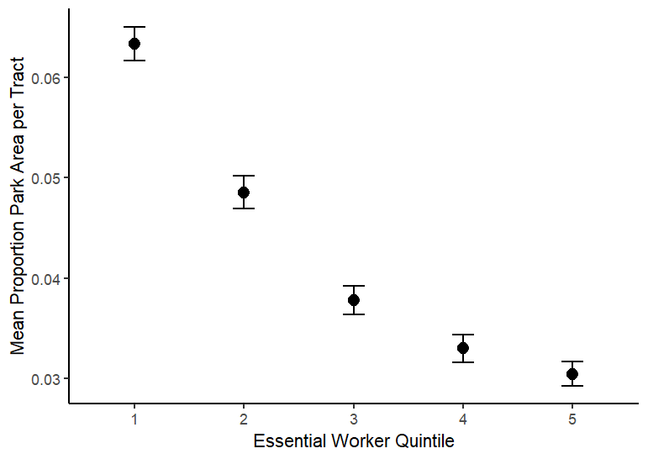
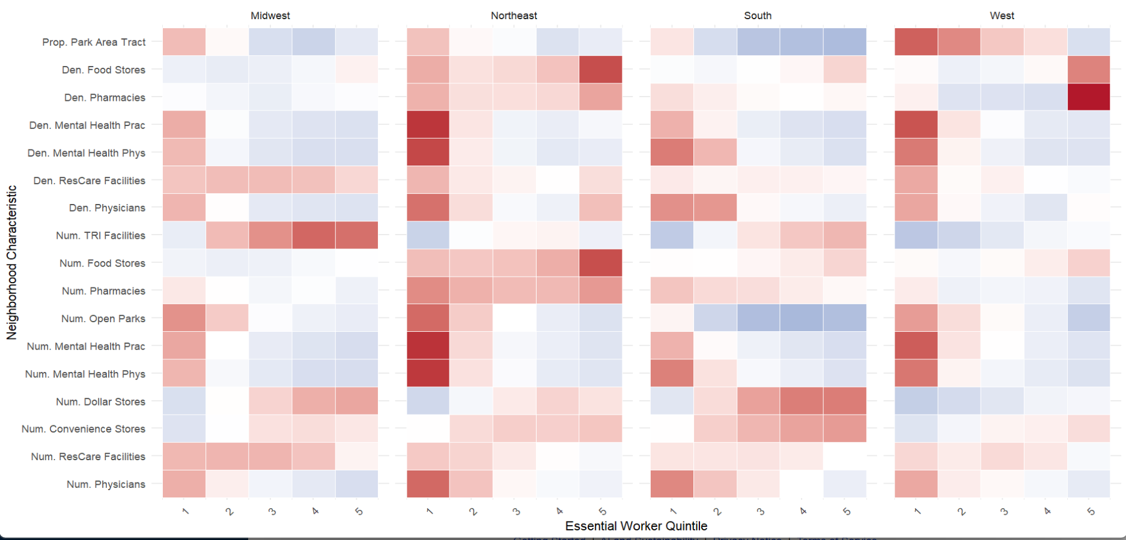
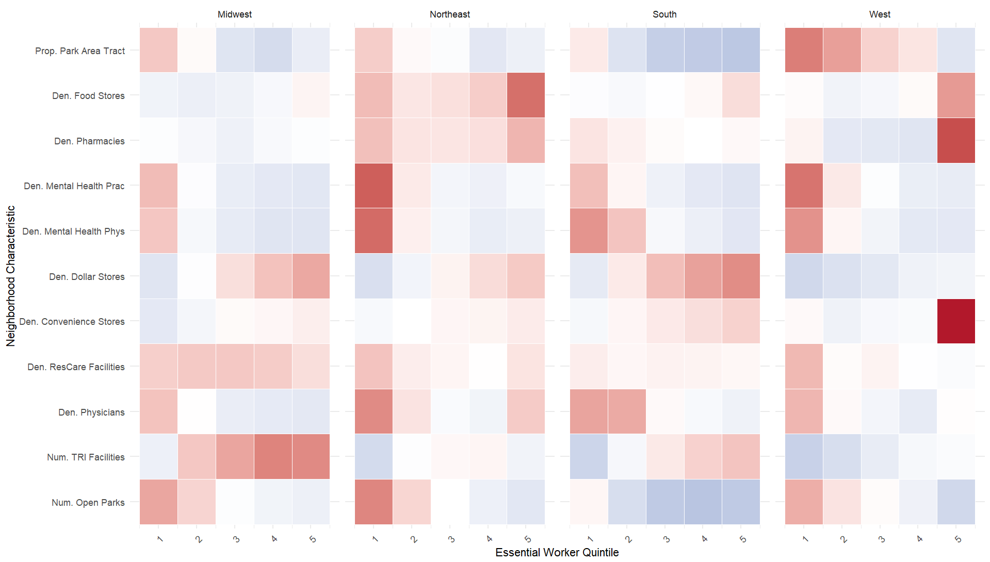
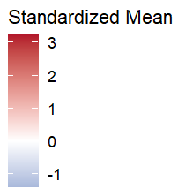
t-tests to compare the neighborhood characteristics in the highest (Q5) vs lowest (Q1) quintile of essential workers
 | Q1 - Q5 | lowest quintile of essential workers - highest quintile
Total Food Stores |  | negative t-value suggests the neighborhood variable is less available in neighborhoods with high proportions of essential workers
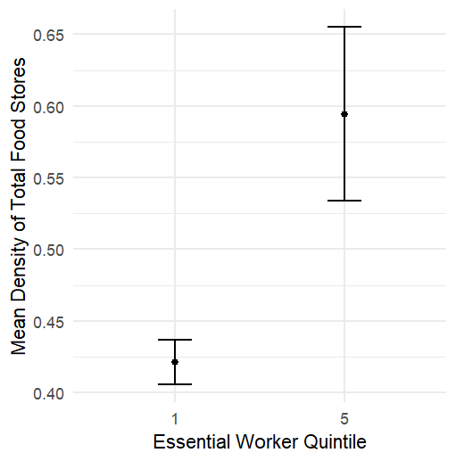
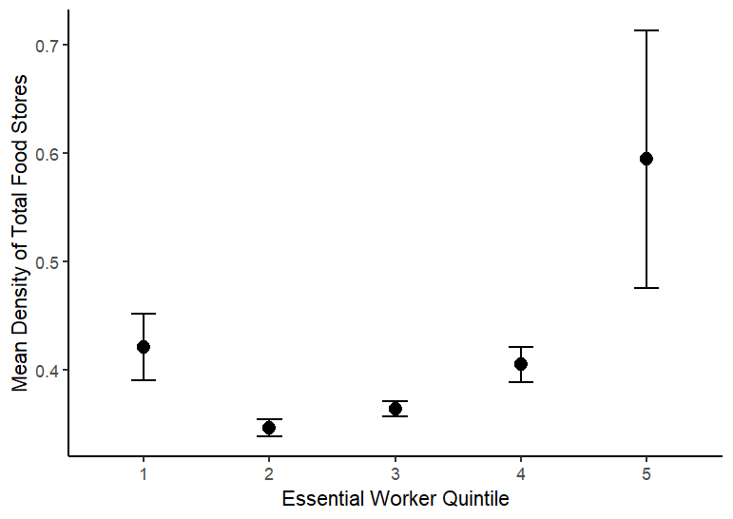
data: count_totalfoodstores by EWRKR_quintile |  |  | data: den_totalfoodstores by EWRKR_quintile |  |  | Spearman's rank correlation rho
t = -15.833, df = 33450, p-value < 2.2e-16 |  |  | t = -2.776, df = 19097, p-value = 0.005508
alternative hypothesis: true difference in means between group 1 and group 5 is not equal to 0 |  |  | alternative hypothesis: true difference in means between group 1 and group 5 is not equal to 0 |  |  | data: df_plusgroceries$den_totalfoodstores and df_plusgroceries$EWRKR_quintile
95 percent confidence interval: |  |  | 95 percent confidence interval: |  |  | S = 8.9748e+13, p-value < 2.2e-16
-0.3943587 -0.3074770 |  |  | -0.29573352 -0.05094998 |  |  | alternative hypothesis: true rho is not equal to 0
sample estimates: |  |  | sample estimates: |  |  | sample estimates:
mean in group 1 mean in group 5 |  |  | mean in group 1 mean in group 5 |  |  | rho
1.387793 1.738710 |  |  | 0.4210996 0.5944414 |  |  | 0.1033092

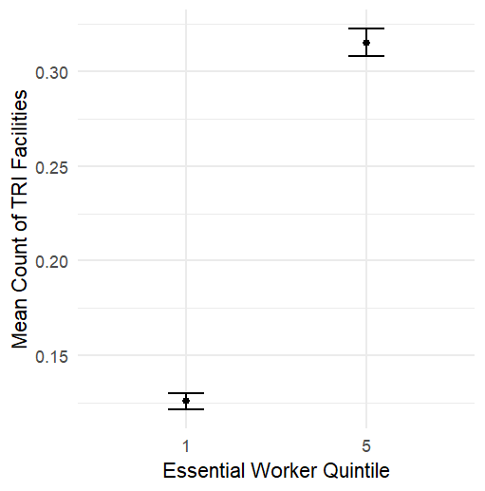
Pollution

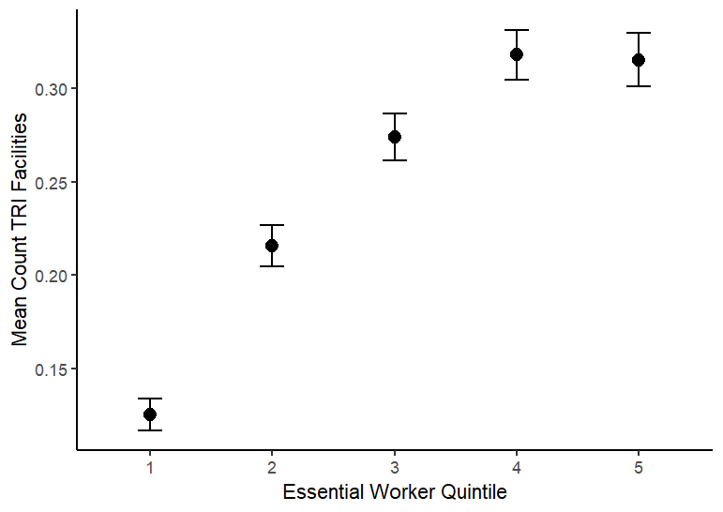
data: COUNT_TRI_FACILITIES by EWRKR_quintile
t = -22.379, df = 27706, p-value < 2.2e-16
alternative hypothesis: true difference in means between group 1 and group 5 is not equal to 0 |  |  |  | Spearman's rank correlation rho
95 percent confidence interval:
-0.2061295 -0.1729301 |  |  |  | data: df_pluspollution$COUNT_TRI_FACILITIES and df_pluspollution$EWRKR_quintile
sample estimates: |  |  |  | S = 9.0191e+13, p-value < 2.2e-16
mean in group 1 mean in group 5 |  |  |  | alternative hypothesis: true rho is not equal to 0
0.1256296 0.3151594 |  |  |  | sample estimates:
 |  |  |  | rho
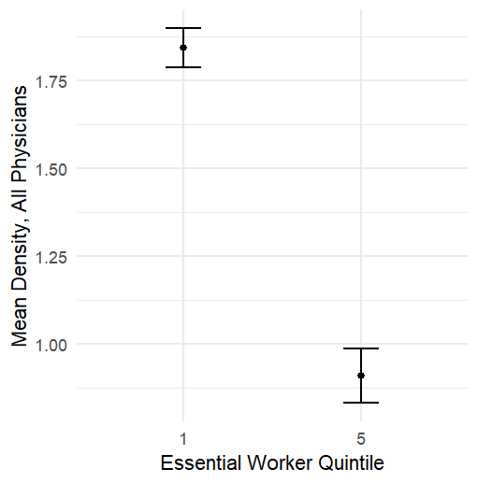
Physicians |  |  |  | 0.09904709
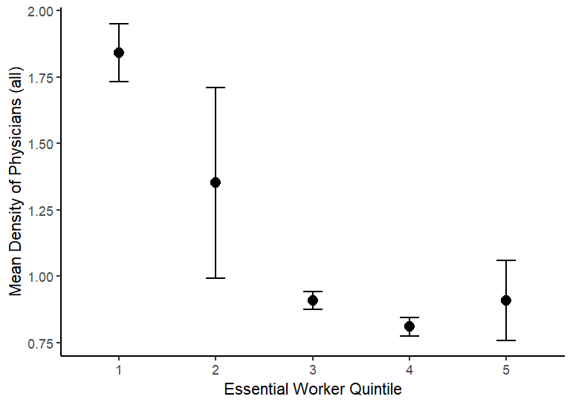
 |  |  |  |  |  |  | Spearman's rank correlation rho
data: count_allphysicians by EWRKR_quintile |  |  | data: den_allphysicians by EWRKR_quintile
t = 37.026, df = 24642, p-value < 2.2e-16 |  |  | t = 9.8239, df = 30736, p-value < 2.2e-16 |  |  |  | data: df_plushealthservices$den_allphysicians and df_plushealthservices$den_allphysicians
alternative hypothesis: true difference in means between group 1 and group 5 is not equal to 0 |  |  | alternative hypothesis: true difference in means between group 1 and group 5 is not equal to 0 |  |  |  | S = 0, p-value < 2.2e-16
95 percent confidence interval: |  |  | 95 percent confidence interval: |  |  |  | alternative hypothesis: true rho is not equal to 0
3.845863 4.275802 |  |  | 0.7465235 1.1186609 |  |  |  | sample estimates:
sample estimates: |  |  | sample estimates: |  |  |  | rho
mean in group 1 mean in group 5 |  |  | mean in group 1 mean in group 5 |  |  |  | 1
6.509630 2.448797 |  |  | 1.842010 0.909418

Mental Health Physicians

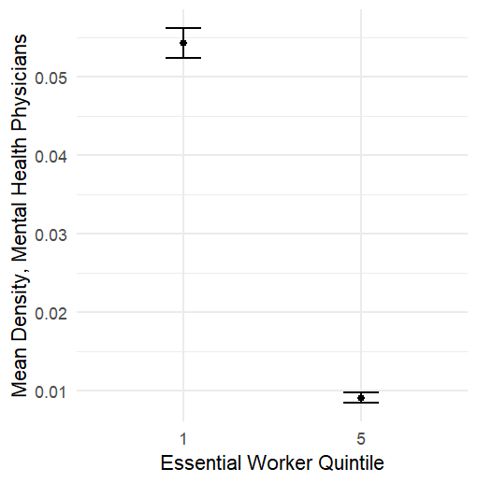
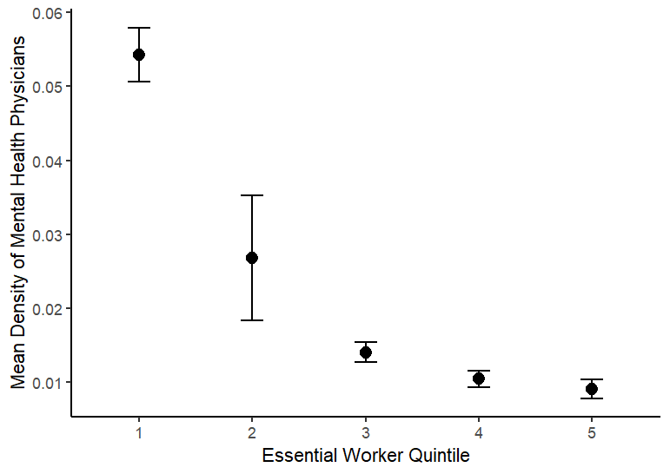
data: count_mentalhealthphys by EWRKR_quintile |  |  | data: den_mentalhealthphys by EWRKR_quintile
t = 32.798, df = 19841, p-value < 2.2e-16 |  |  | t = 22.956, df = 20804, p-value < 2.2e-16
alternative hypothesis: true difference in means between group 1 and group 5 is not equal to 0 |  |  | alternative hypothesis: true difference in means between group 1 and group 5 is not equal to 0
95 percent confidence interval: |  |  | 95 percent confidence interval: |  |  | Spearman's rank correlation rho
0.1558969 0.1757147 |  |  | 0.04135638 0.04907801
sample estimates: |  |  | sample estimates: |  |  | data: df_plushealthservices$den_mentalhealthphys and df_plushealthservices$den_mentalhealthphys
mean in group 1 mean in group 5 |  |  | mean in group 1 mean in group 5 |  |  | S = 0.011112, p-value < 2.2e-16
0.19324444 0.02743866 |  |  | 0.054274496 0.009057299 |  |  | alternative hypothesis: true rho is not equal to 0
 |  |  |  |  |  | sample estimates:
Mental Health Practitioner |  |  |  |  |  | rho
 |  |  |  |  |  | 1
data: count_mentalhealthpractitioners by EWRKR_quintile |  |  | data: den_mentalhealthpractitioners by EWRKR_quintile
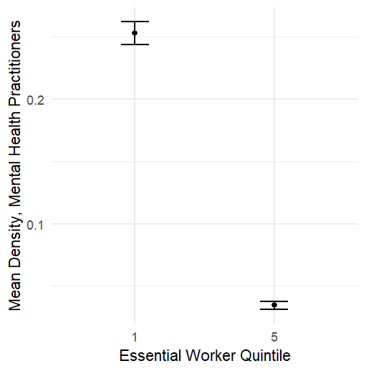
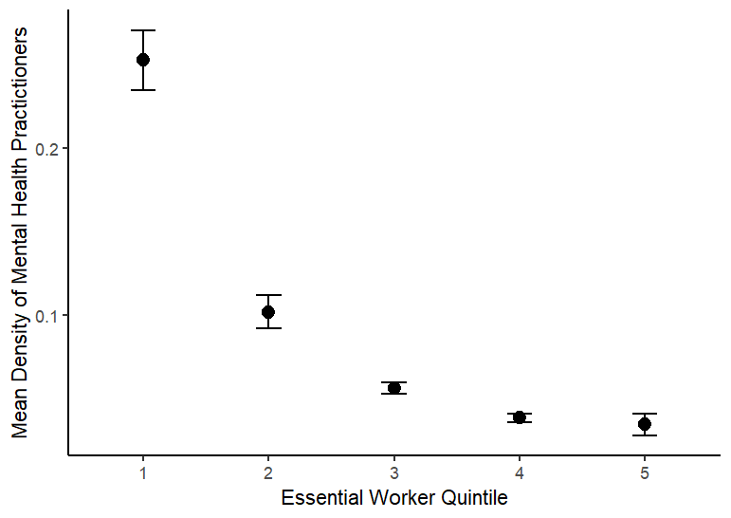
t = 45.776, df = 18110, p-value < 2.2e-16 |  |  | t = 22.488, df = 21273, p-value < 2.2e-16
alternative hypothesis: true difference in means between group 1 and group 5 is not equal to 0 |  |  | alternative hypothesis: true difference in means between group 1 and group 5 is not equal to 0 |  |  | Spearman's rank correlation rho
95 percent confidence interval: |  |  | 95 percent confidence interval:
0.7515025 0.8187390 |  |  | 0.1989472 0.2369400 |  |  | data: df_plushealthservices$den_mentalhealthpractitioners and df_plushealthservices$den_mentalhealthpractitioners
sample estimates: |  |  | sample estimates: |  |  | S = 0, p-value < 2.2e-16
mean in group 1 mean in group 5 |  |  | mean in group 1 mean in group 5 |  |  | alternative hypothesis: true rho is not equal to 0
0.87312593 0.08800522 |  |  | 0.25247502 0.03453143 |  |  | sample estimates:
 |  |  |  |  |  | rho
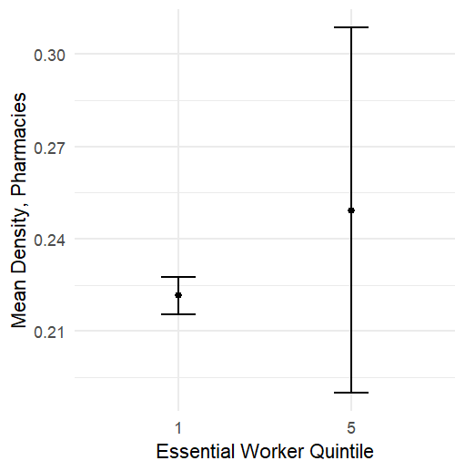
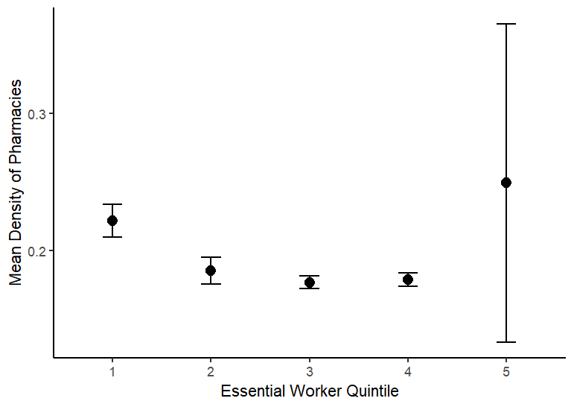
Pharmacies |  |  |  |  |  | 1

data: count_pharmacies by EWRKR_quintile |  |  | data: den_pharmacies by EWRKR_quintile |  |  |  | Spearman's rank correlation rho
t = 13.704, df = 32856, p-value < 2.2e-16 |  |  | t = -0.46497, df = 17230, p-value = 0.642
alternative hypothesis: true difference in means between group 1 and group 5 is not equal to 0 |  |  | alternative hypothesis: true difference in means between group 1 and group 5 is not equal to 0 |  |  |  | data: df_plushealthservices$den_pharmacies and df_plushealthservices$den_pharmacies
95 percent confidence interval: |  |  | 95 percent confidence interval: |  |  |  | S = 0.011112, p-value < 2.2e-16
0.1500348 0.2001142 |  |  | -0.14476829 0.08925399 |  |  |  | alternative hypothesis: true rho is not equal to 0
sample estimates: |  |  | sample estimates: |  |  |  | sample estimates:
mean in group 1 mean in group 5 |  |  | mean in group 1 mean in group 5 |  |  |  | rho
0.7933037 0.6182292 |  |  | 0.2214601 0.2492173 |  |  |  | 1

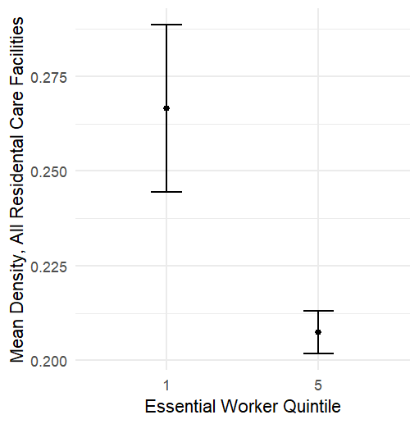
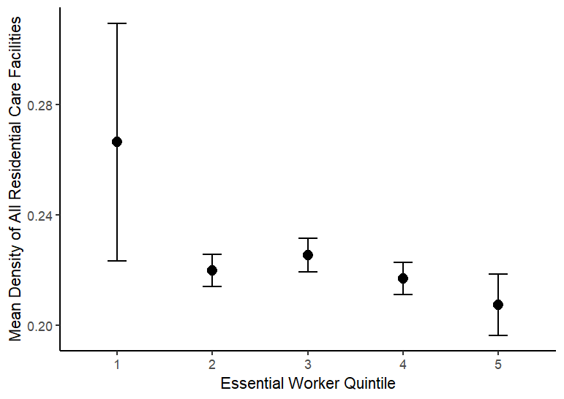
Residential Care Facilities

data: count_allrescarefacilities by EWRKR_quintile |  |  | data: den_allrescarefacilities by EWRKR_quintile
t = 15.323, df = 32364, p-value < 2.2e-16 |  |  | t = 2.6023, df = 19114, p-value = 0.009266
alternative hypothesis: true difference in means between group 1 and group 5 is not equal to 0 |  |  | alternative hypothesis: true difference in means between group 1 and group 5 is not equal to 0
95 percent confidence interval: |  |  | 95 percent confidence interval:
0.1946415 0.2517403 |  |  | 0.01458179 0.10358618
sample estimates: |  |  | sample estimates:
mean in group 1 mean in group 5 |  |  | mean in group 1 mean in group 5
0.8764444 0.6532535 |  |  | 0.2665373 0.2074533

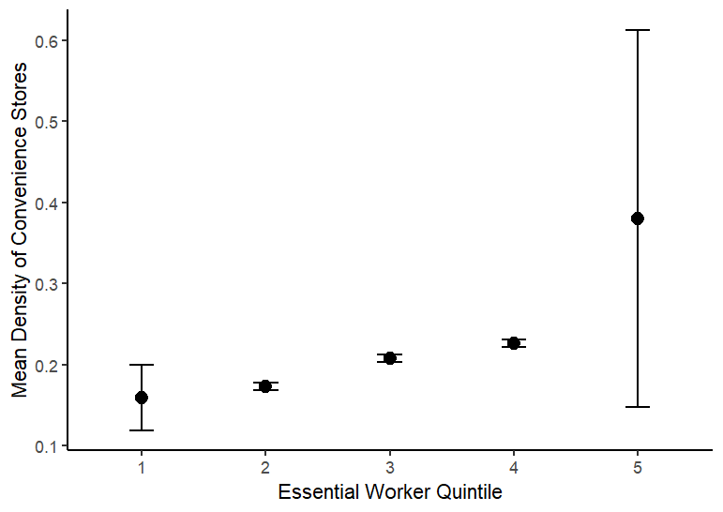
Convenience Stores
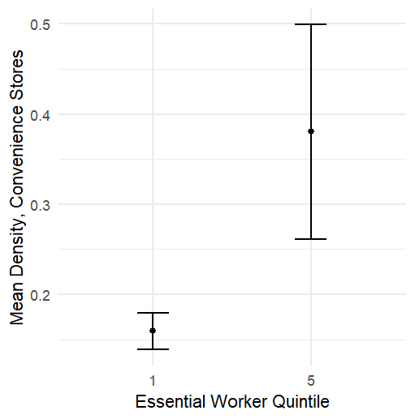
data: count_conveniencestores by EWRKR_quintile |  |  | data: den_conveniencestores by EWRKR_quintile
t = -34.635, df = 31576, p-value < 2.2e-16 |  |  | t = -1.8356, df = 17869, p-value = 0.06644
alternative hypothesis: true difference in means between group 1 and group 5 is not equal to 0 |  |  | alternative hypothesis: true difference in means between group 1 and group 5 is not equal to 0
95 percent confidence interval: |  |  | 95 percent confidence interval:
-0.3891296 -0.3474458 |  |  | -0.45703477 0.01499606
sample estimates: |  |  | sample estimates:
mean in group 1 mean in group 5 |  |  | mean in group 1 mean in group 5
0.4863407 0.8546284 |  |  | 0.1592776 0.3802970

Dollar Stores

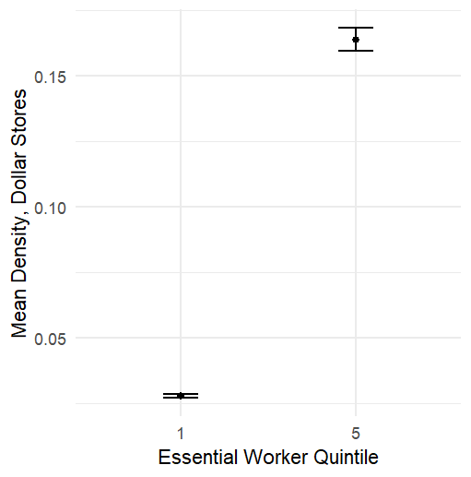
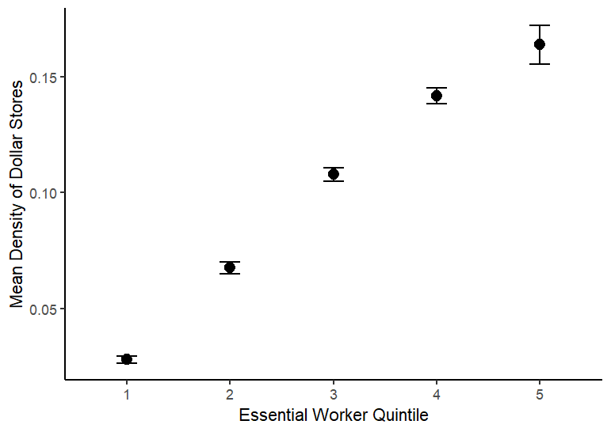
data: count_dollarstores by EWRKR_quintile |  |  | data: den_dollarstores by EWRKR_quintile
t = -64.01, df = 23745, p-value < 2.2e-16 |  |  | t = -31.074, df = 18024, p-value < 2.2e-16
alternative hypothesis: true difference in means between group 1 and group 5 is not equal to 0 |  |  | alternative hypothesis: true difference in means between group 1 and group 5 is not equal to 0
95 percent confidence interval: |  |  | 95 percent confidence interval:
-0.4256554 -0.4003616 |  |  | -0.1443970 -0.1272615
sample estimates: |  |  | sample estimates:
mean in group 1 mean in group 5 |  |  | mean in group 1 mean in group 5
0.1053630 0.5183715 |  |  | 0.02801354 0.16384278

Parks

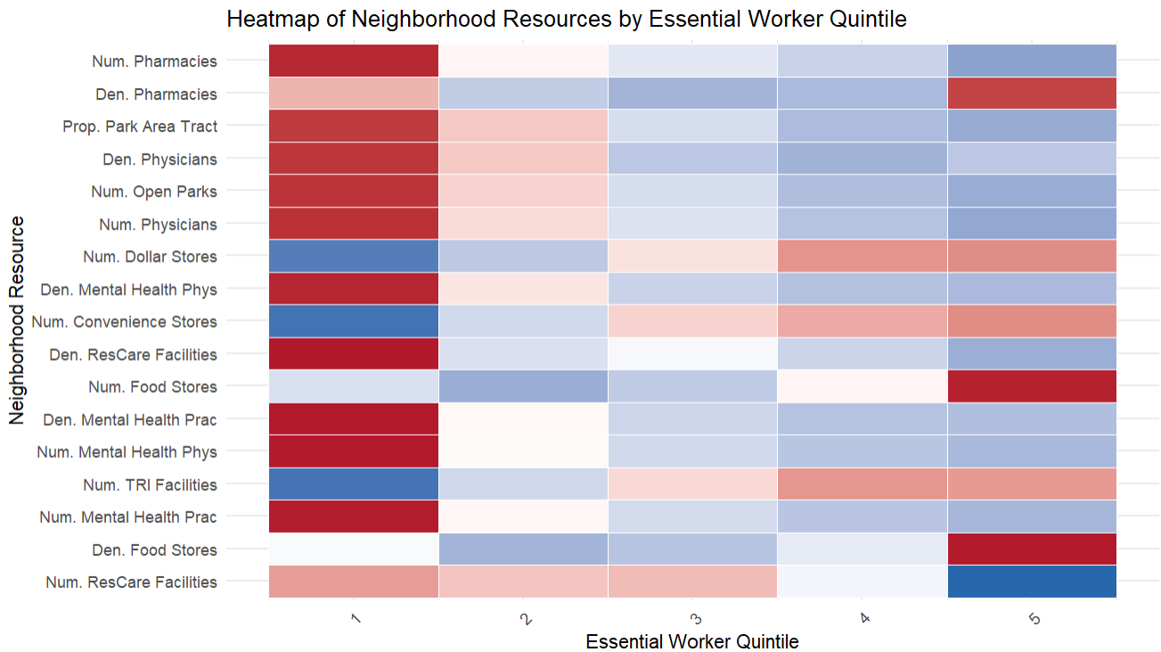
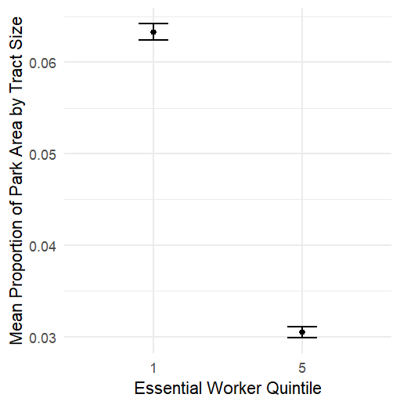
data: COUNT_OPEN_PARKS by EWRKR_quintile |  |  | data: PROP_PARK_AREA_TRACT by EWRKR_quintile
t = 44.663, df = 23355, p-value < 2.2e-16 |  |  | t = 30.861, df = 30187, p-value < 2.2e-16
alternative hypothesis: true difference in means between group 1 and group 5 is not equal to 0 |  |  | alternative hypothesis: true difference in means between group 1 and group 5 is not equal to 0
95 percent confidence interval: |  |  | 95 percent confidence interval:
1.423165 1.553811 |  |  | 0.03074039 0.03490991
sample estimates: |  |  | sample estimates:
mean in group 1 mean in group 5 |  |  | mean in group 1 mean in group 5 |  |  |  |  | v
2.923773 1.435285 |  |  | 0.06329856 0.03047341
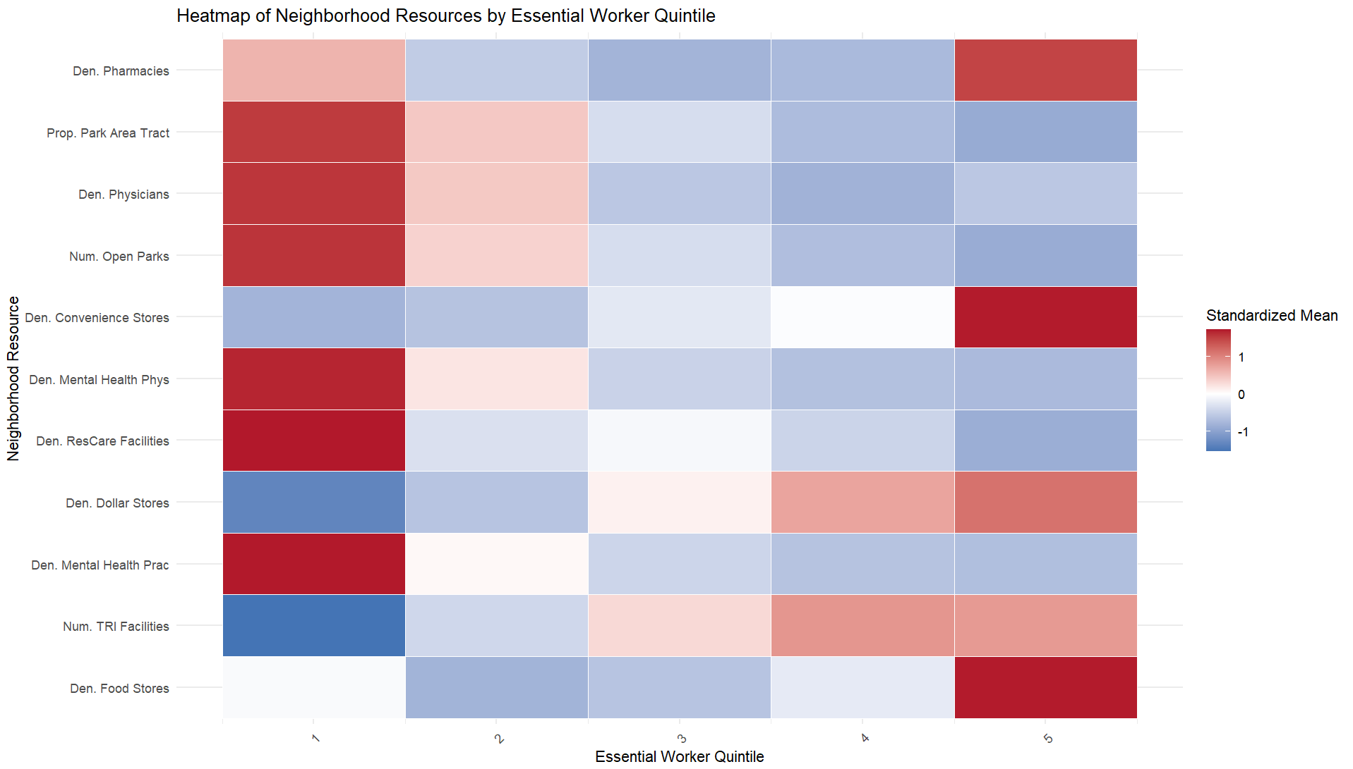

 |  |  |  |  | DENSITY ONLY

pLOS-one R&R edits
Monotone trend test OR t-tests for all adjacent quintile pairs to determine whether signal is concentrated only at the extremes or also startistically consistent across the distribution. Incorporate Q2-Q4

Pollution Sites | Pollution Sites Monotonic trend test indicates a trend in TRI Facilities by EWRKR_quintile. Only Q4-Q5 comparison was not statistically significant, but over the entire trend it is. According to Mann-Kendall trend test which was used due to its ability to explain trends for large sample sizes
Mann-Kendall trend test

data: df_pluspollution$COUNT_TRI_FACILITIES[order(df_pluspollution$EWRKR_quintile)]
z = 29.701, n = 84373, p-value < 2.2e-16
alternative hypothesis: true S is not equal to 0
sample estimates:
S varS tau
1.485829e+08 2.502569e+13 8.186288e-02

Q1 vs Q2 |  | Q2 vs Q3 | Q3 vs Q4 | Q4 vs Q5
data: COUNT_TRI_FACILITIES by EWRKR_quintile |  | data: COUNT_TRI_FACILITIES by EWRKR_quintile | data: COUNT_TRI_FACILITIES by EWRKR_quintile | data: COUNT_TRI_FACILITIES by EWRKR_quintile
t = -12.597, df = 31745, p-value < 2.2e-16 |  | t = -6.8656, df = 33326, p-value = 6.735e-12 | t = -4.7283, df = 33584, p-value = 2.274e-06 | t = 0.26253, df = 33597, p-value = 0.7929
alternative hypothesis: true difference in means between group 1 and group 2 is not equal to 0 |  | alternative hypothesis: true difference in means between group 2 and group 3 is not equal to 0 | alternative hypothesis: true difference in means between group 3 and group 4 is not equal to 0 | alternative hypothesis: true difference in means between group 4 and group 5 is not equal to 0
95 percent confidence interval: |  | 95 percent confidence interval: | 95 percent confidence interval: | 95 percent confidence interval:
-0.10402084 -0.07600879 |  | -0.07488185 -0.04162186 | -0.06205670 -0.02568466 | -0.01686037 0.02207550
sample estimates: |  | sample estimates: | sample estimates: | sample estimates:
mean in group 1 mean in group 2 |  | mean in group 2 mean in group 3 | mean in group 3 mean in group 4 | mean in group 4 mean in group 5
0.1256296 0.2156444 |  | 0.2156444 0.2738963 | 0.2738963 0.3177670 | 0.3177670 0.3151594

Total Food Stores
Mann-Kendall trend test

data: .
z = 29.111, n = 84368, p-value < 2.2e-16
alternative hypothesis: true S is not equal to 0
sample estimates:
S varS tau
2.314435e+08 6.320863e+13 7.015102e-02

Q1 vs Q2 |  | Q2 vs Q3 | Q3 vs Q4 | Q4 vs Q5
data: den_totalfoodstores by EWRKR_quintile |  | data: den_totalfoodstores by EWRKR_quintile | data: den_totalfoodstores by EWRKR_quintile | data: den_totalfoodstores by EWRKR_quintile
t = 4.5866, df = 19184, p-value = 4.533e-06 |  | t = -3.1393, df = 33432, p-value = 0.001695 | t = -4.5445, df = 23564, p-value = 5.533e-06 | t = -3.101, df = 17481, p-value = 0.001932
alternative hypothesis: true difference in means between group 1 and group 2 is not equal to 0 |  | alternative hypothesis: true difference in means between group 2 and group 3 is not equal to 0 | alternative hypothesis: true difference in means between group 3 and group 4 is not equal to 0 | alternative hypothesis: true difference in means between group 4 and group 5 is not equal to 0
95 percent confidence interval: |  | 95 percent confidence interval: | 95 percent confidence interval: | 95 percent confidence interval:
0.04230009 0.10543381 |  | -0.028126843 -0.006504416 | -0.05823483 -0.02313835 | -0.30880064 -0.06961232
sample estimates: |  | sample estimates: | sample estimates: | sample estimates:
mean in group 1 mean in group 2 |  | mean in group 2 mean in group 3 | mean in group 3 mean in group 4 | mean in group 4 mean in group 5
0.4210996 0.3472327 |  | 0.3472327 0.3645483 | 0.3645483 0.4052349 | 0.4052349 0.5944414

Physicians
Mann-Kendall trend test

data: .
z = -54.256, n = 84368, p-value < 2.2e-16
alternative hypothesis: true S is not equal to 0
sample estimates:
S varS tau
-4.294471e+08 6.264963e+13 -1.312793e-01

Q1 vs Q2 |  | Q2 vs Q3 | Q3 vs Q4 | Q4 vs Q5
data: den_allphysicians by EWRKR_quintile |  | data: den_allphysicians by EWRKR_quintile | ata: den_allphysicians by EWRKR_quintile | data: den_allphysicians by EWRKR_quintile
t = 2.5564, df = 19958, p-value = 0.01058 |  | t = 2.4064, df = 17163, p-value = 0.01612 | t = 3.9837, df = 33589, p-value = 6.801e-05 | t = -1.2557, df = 18746, p-value = 0.2092
alternative hypothesis: true difference in means between group 1 and group 2 is not equal to 0 |  | alternative hypothesis: true difference in means between group 2 and group 3 is not equal to 0 | alternative hypothesis: true difference in means between group 3 and group 4 is not equal to 0 | alternative hypothesis: true difference in means between group 4 and group 5 is not equal to 0
95 percent confidence interval: |  | 95 percent confidence interval: | 95 percent confidence interval: | 95 percent confidence interval:
0.1142393 0.8652669 |  | 0.08216827 0.80388458 | 0.05031033 0.14776940 | -0.25411875 0.05566435
sample estimates: |  | sample estimates: | sample estimates: | sample estimates:
mean in group 1 mean in group 2 |  | mean in group 2 mean in group 3 | mean in group 3 mean in group 4 | mean in group 4 mean in group 5
1.842010 1.352257 |  | 1.3522571 0.9092306 | 0.9092306 0.8101908 | 0.8101908 0.9094180

Urban-Rural Stratifications
RUCA4 Disaggregation

WAITING FOR 2020 RUCA CODES DATA

A sensitivity analysis restricting the sample to metropolitan statistical areas, or including a rural–urban continuum code as a covariate in the comparison, would considerably sharpen the paper's contribution.

WAITING FOR 2020 RUCA CODES DATA

The mapping from ACS occupation codes to the 14 ACLU categories, and thence to the 16 CISA essential industry sectors, involves definitional choices that are deferred entirely to a supplemental table; a concise summary of any occupation categories that were ambiguous or excluded, and the likely direction of any resulting bias, would improve transparency.

simple tabulation of median household income or poverty rate by quintile, readily available from ACS and NaNDA
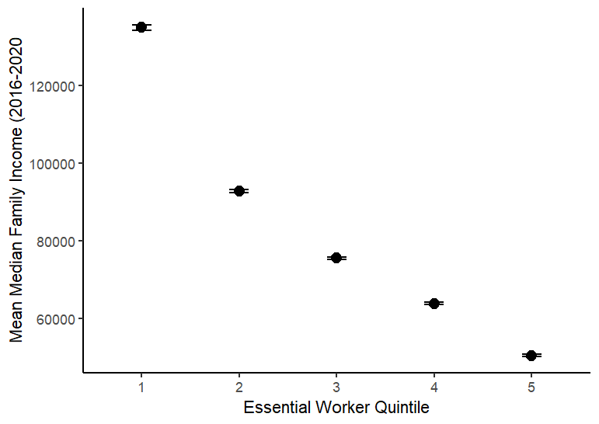
 |  |  | EWRKR_quintile mean se `95% Confint.`
 |  |  | <int> <dbl> <dbl> <chr>
 |  |  | 1 1 134939 355 (134243.2, 135634.8)
 |  |  | 2 2 92808 214 (92388.56, 93227.44)
 |  |  | 3 3 75502 169 (75170.76, 75833.24)
 |  |  | 4 4 63893 145 (63608.8, 64177.2)
 |  |  | 5 5 50493 133 (50232.32, 50753.68)

Pearson Correlation
Pearson Correlation Coefficients between EWRKR_PROP (which is grouped into quintiles) and Key Neighborhood Characteristics

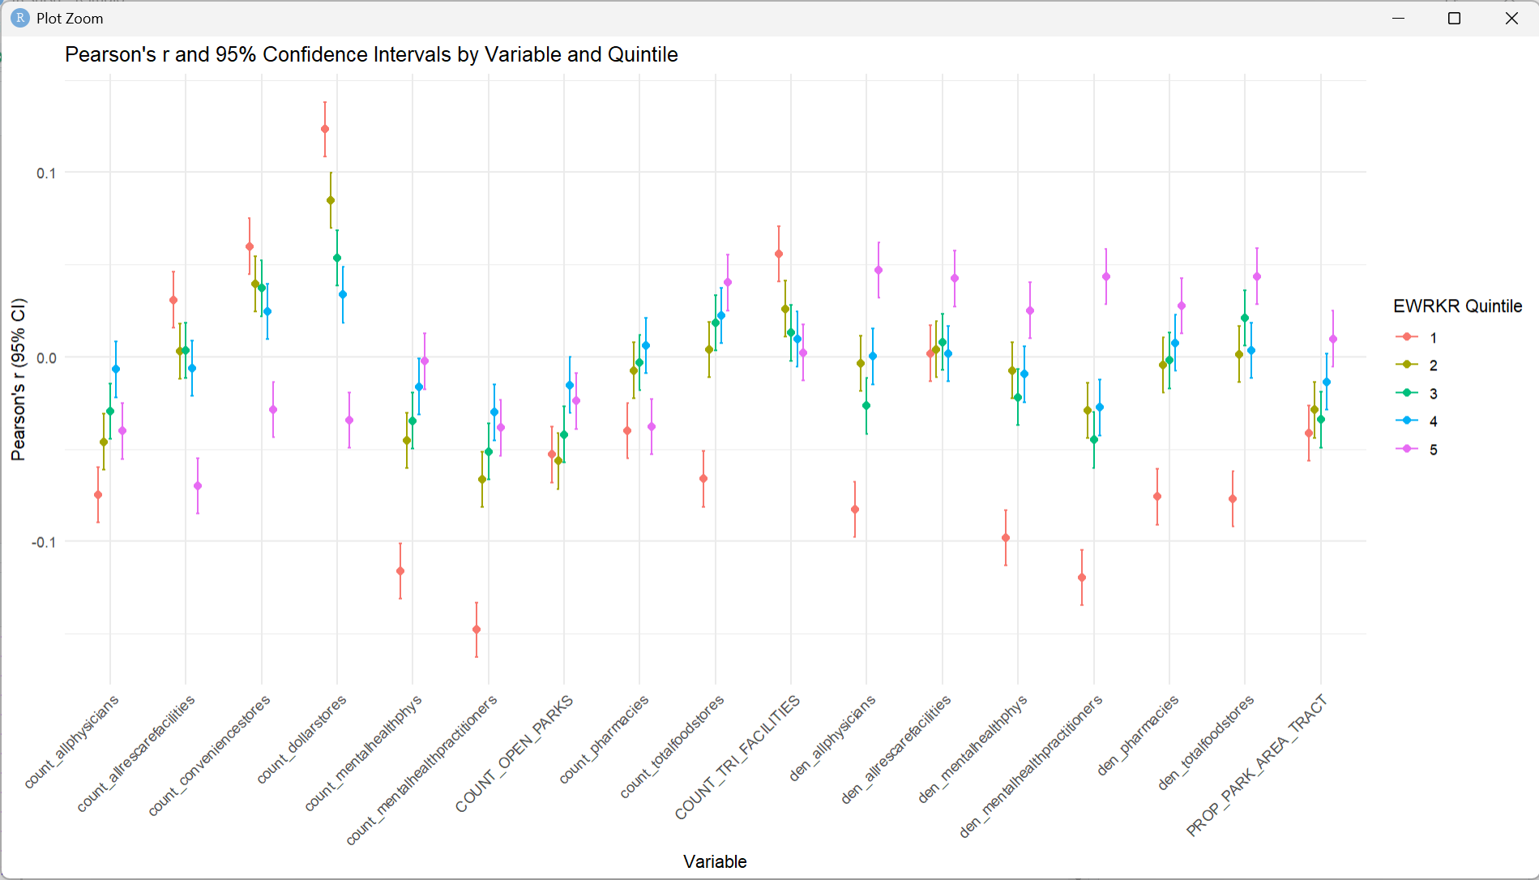
EWRKR Quintile (1 is lowest EWRKR_PROP) | Variable | Pearson (r) | Conf.Low | Conf.High
5 | COUNT_TRI_FACILITIES | 0.002303 | -0.01279 | 0.017391
4 | COUNT_TRI_FACILITIES | 0.00965 | -0.00544 | 0.024735
3 | COUNT_TRI_FACILITIES | 0.013047 | -0.00204 | 0.02813
2 | COUNT_TRI_FACILITIES | 0.026029 | 0.010945 | 0.0411
1 | COUNT_TRI_FACILITIES | 0.055815 | 0.040761 | 0.070843

1 | count_allphysicians | -0.07484 | -0.08983 | -0.05982
2 | count_allphysicians | -0.04596 | -0.06101 | -0.0309
5 | count_allphysicians | -0.04018 | -0.05524 | -0.02511
3 | count_allphysicians | -0.02946 | -0.04453 | -0.01438
4 | count_allphysicians | -0.00676 | -0.02184 | 0.008332

5 | count_allrescarefacilities | -0.06988 | -0.08488 | -0.05485
4 | count_allrescarefacilities | -0.00611 | -0.0212 | 0.008975
2 | count_allrescarefacilities | 0.003006 | -0.01208 | 0.018093
3 | count_allrescarefacilities | 0.003499 | -0.01159 | 0.018586
1 | count_allrescarefacilities | 0.030889 | 0.015808 | 0.045955

5 | count_conveniencestores | -0.02866 | -0.04373 | -0.01358
4 | count_conveniencestores | 0.024556 | 0.009471 | 0.03963
3 | count_conveniencestores | 0.037169 | 0.022094 | 0.052228
2 | count_conveniencestores | 0.039577 | 0.024504 | 0.054633
1 | count_conveniencestores | 0.059948 | 0.044901 | 0.074968

5 | count_dollarstores | -0.03439 | -0.04945 | -0.01931
4 | count_dollarstores | 0.033596 | 0.018516 | 0.048659
3 | count_dollarstores | 0.053608 | 0.038551 | 0.068641
2 | count_dollarstores | 0.084911 | 0.069912 | 0.099871
1 | count_dollarstores | 0.123322 | 0.108436 | 0.138153

1 | count_mentalhealthphys | -0.11598 | -0.13084 | -0.10107
2 | count_mentalhealthphys | -0.04536 | -0.0604 | -0.03029
3 | count_mentalhealthphys | -0.03459 | -0.04966 | -0.01952
4 | count_mentalhealthphys | -0.01608 | -0.03116 | -0.00099
5 | count_mentalhealthphys | -0.00237 | -0.01746 | 0.012715

1 | count_mentalhealthpractitioners | -0.14779 | -0.16251 | -0.13299
2 | count_mentalhealthpractitioners | -0.06643 | -0.08143 | -0.05139
3 | count_mentalhealthpractitioners | -0.05133 | -0.06636 | -0.03627
5 | count_mentalhealthpractitioners | -0.03846 | -0.05351 | -0.02338
4 | count_mentalhealthpractitioners | -0.03004 | -0.04511 | -0.01496

1 | count_pharmacies | -0.03997 | -0.05502 | -0.0249
5 | count_pharmacies | -0.03779 | -0.05285 | -0.02272
2 | count_pharmacies | -0.00742 | -0.0225 | 0.007671
3 | count_pharmacies | -0.00309 | -0.01818 | 0.012
4 | count_pharmacies | 0.006054 | -0.00904 | 0.021141

1 | count_totalfoodstores | -0.06612 | -0.08113 | -0.05109
2 | count_totalfoodstores | 0.003992 | -0.0111 | 0.019079
3 | count_totalfoodstores | 0.01849 | 0.003403 | 0.033569
4 | count_totalfoodstores | 0.022452 | 0.007366 | 0.037528
5 | count_totalfoodstores | 0.040194 | 0.025121 | 0.055249

1 | den_allphysicians | -0.08272 | -0.09768 | -0.06771
3 | den_allphysicians | -0.02659 | -0.04166 | -0.01151
2 | den_allphysicians | -0.00355 | -0.01864 | 0.011538
4 | den_allphysicians | 0.000235 | -0.01485 | 0.015324
5 | den_allphysicians | 0.046915 | 0.031847 | 0.061962

4 | den_allrescarefacilities | 0.001762 | -0.01333 | 0.01685
1 | den_allrescarefacilities | 0.001848 | -0.01324 | 0.016936
2 | den_allrescarefacilities | 0.004063 | -0.01103 | 0.01915
3 | den_allrescarefacilities | 0.007981 | -0.00711 | 0.023066
5 | den_allrescarefacilities | 0.042494 | 0.027421 | 0.057548

1 | den_mentalhealthphys | -0.09814 | -0.11306 | -0.08318
3 | den_mentalhealthphys | -0.02182 | -0.0369 | -0.00674
4 | den_mentalhealthphys | -0.0094 | -0.02448 | 0.00569
2 | den_mentalhealthphys | -0.00732 | -0.0224 | 0.00777
5 | den_mentalhealthphys | 0.025124 | 0.010038 | 0.0402

1 | den_mentalhealthpractitioners | -0.11971 | -0.13456 | -0.10481
3 | den_mentalhealthpractitioners | -0.04499 | -0.06003 | -0.02992
2 | den_mentalhealthpractitioners | -0.02912 | -0.04419 | -0.01404
4 | den_mentalhealthpractitioners | -0.02739 | -0.04246 | -0.0123
5 | den_mentalhealthpractitioners | 0.043552 | 0.02848 | 0.058604

1 | den_pharmacies | -0.07582 | -0.09081 | -0.0608
2 | den_pharmacies | -0.00443 | -0.01951 | 0.010663
3 | den_pharmacies | -0.00199 | -0.01708 | 0.013097
4 | den_pharmacies | 0.007619 | -0.00747 | 0.022705
5 | den_pharmacies | 0.027614 | 0.012528 | 0.042687

1 | den_totalfoodstores | -0.0771 | -0.09208 | -0.06209
2 | den_totalfoodstores | 0.001472 | -0.01362 | 0.01656
4 | den_totalfoodstores | 0.003547 | -0.01154 | 0.018634
3 | den_totalfoodstores | 0.021027 | 0.005941 | 0.036104
5 | den_totalfoodstores | 0.043665 | 0.028593 | 0.058717

2 | COUNT_OPEN_PARKS | -0.0564 | -0.0715 | -0.0413
1 | COUNT_OPEN_PARKS | -0.0529 | -0.068 | -0.0378
3 | COUNT_OPEN_PARKS | -0.042 | -0.0572 | -0.0269
5 | COUNT_OPEN_PARKS | -0.0238 | -0.0391 | -0.0086
4 | COUNT_OPEN_PARKS | -0.0153 | -0.0305 | -0.000102

