WebConf#Screens
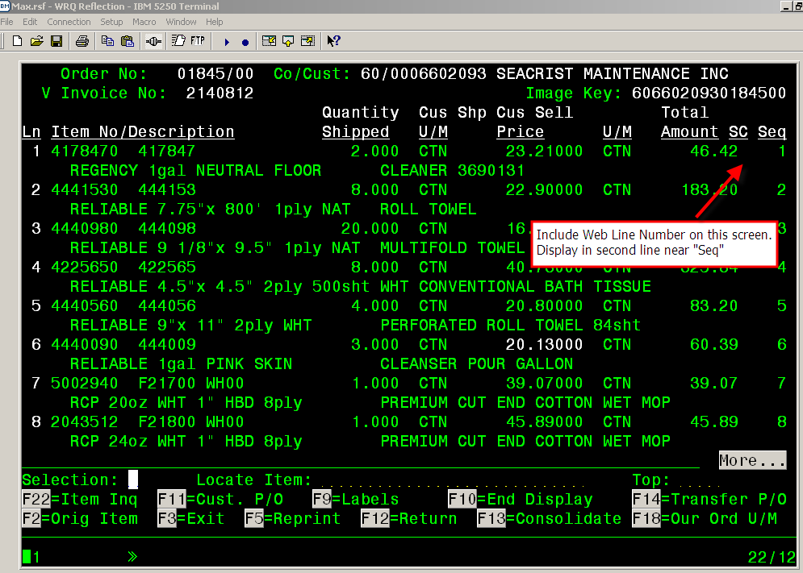
 | WebConf# Screen Examples:

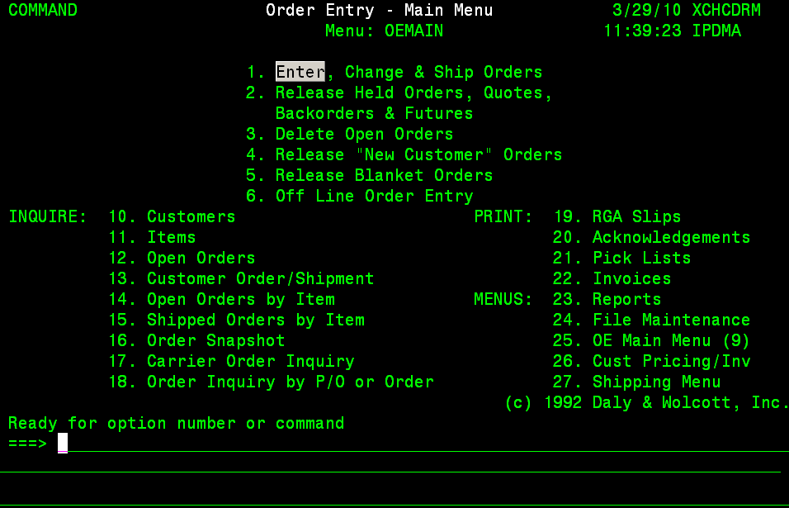

 |  | The web conf # should show or be searchable from this screen: -18. Order Inquiry by P/O or Order

(Web Confirm Search - 18. Order Inquiry by P/O or Order)
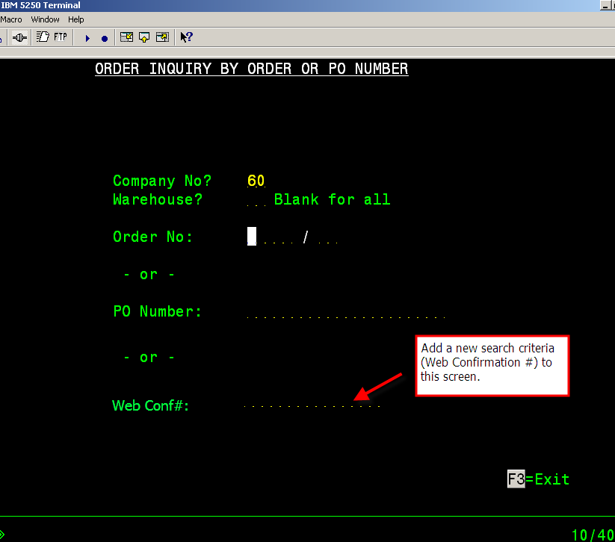

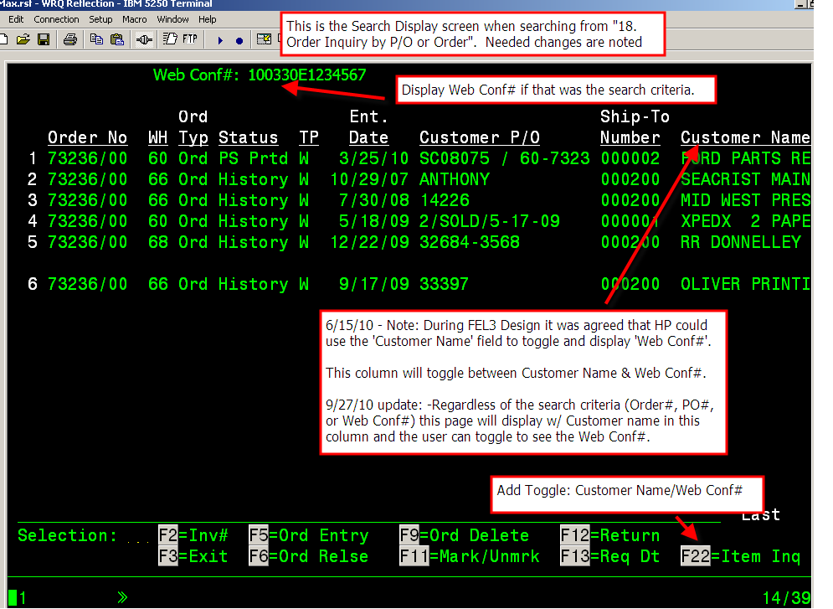

 | 6/15/10 - Note: During FEL3 Design it was agreed that HP could use the 'Customer Name' field to toggle and display 'Web Conf#'.

 | 6/15/10 - Note in FEL3 design it was agreed w/ HP that the customer name could be moved approx 3 spaces to provide room to add the Web Conf#.

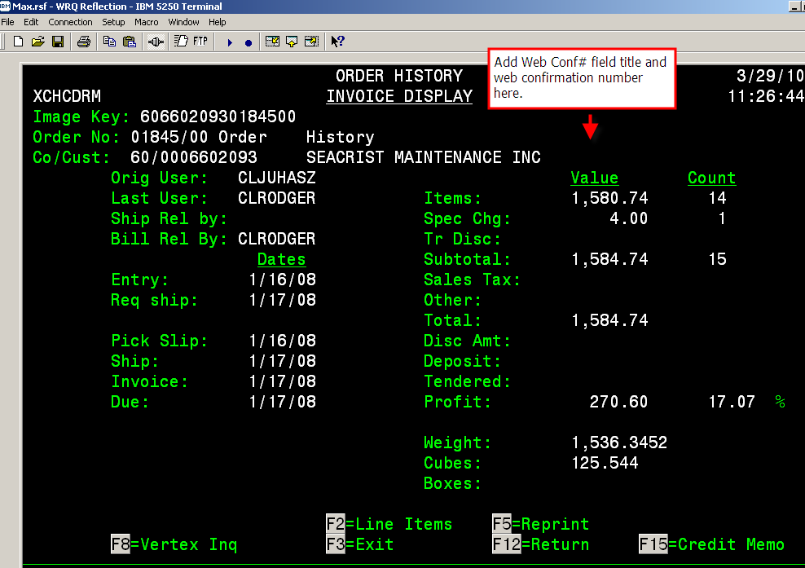

No need to display the Web Confirmation # on any further screens after the following:
6/15/2010 - In FEL3 design it was agreed w/ HP that they could create a toggle on the 2nd line w/ the SC flag to display Web Line#.

Webhold-Update screen
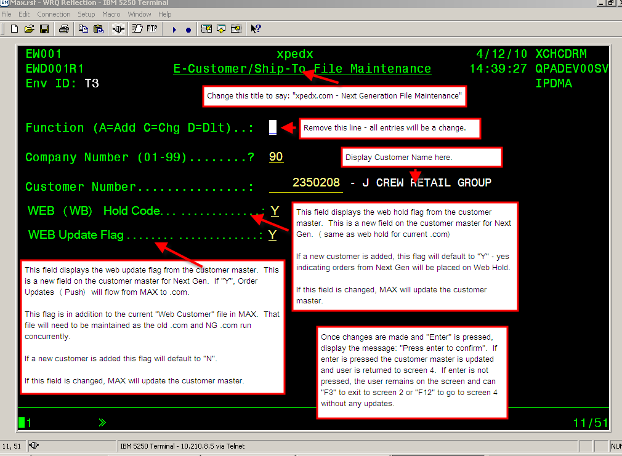
Screen 1: |  | Screen 2:
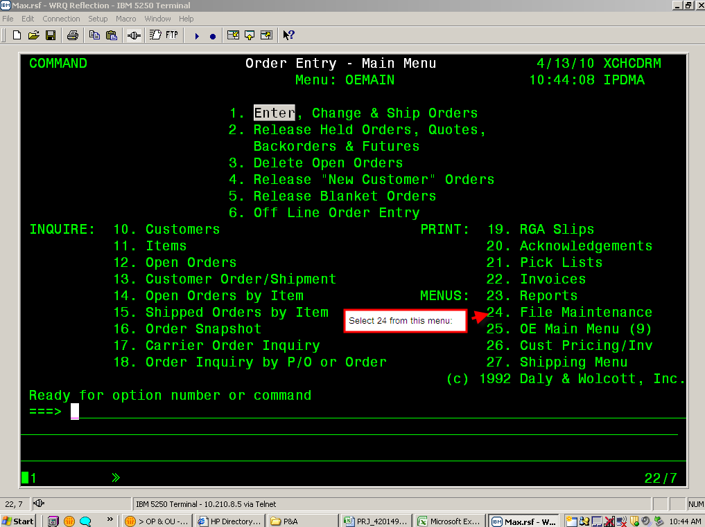
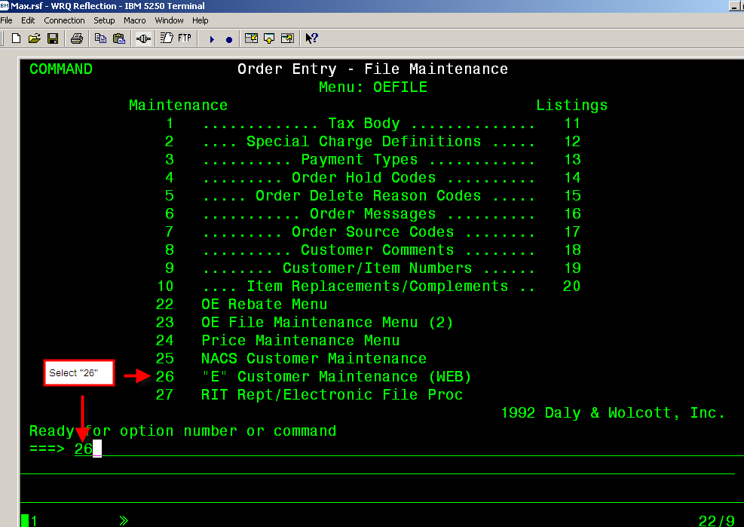

 | Screen 3:
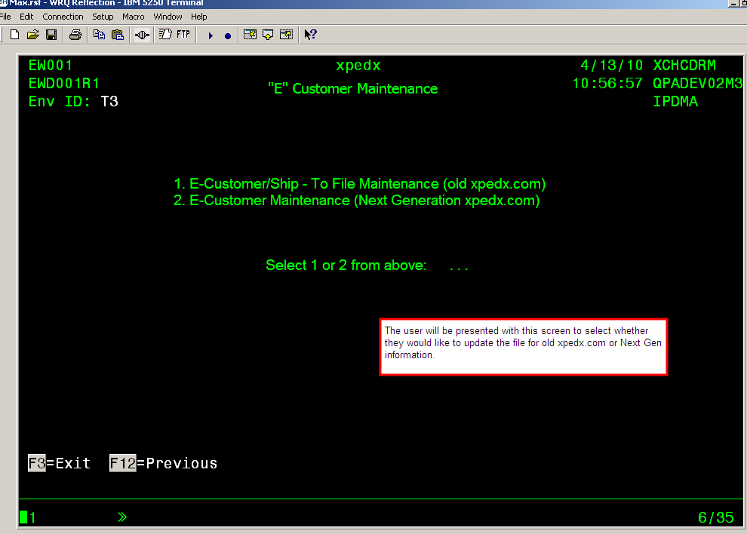

Screen 4:
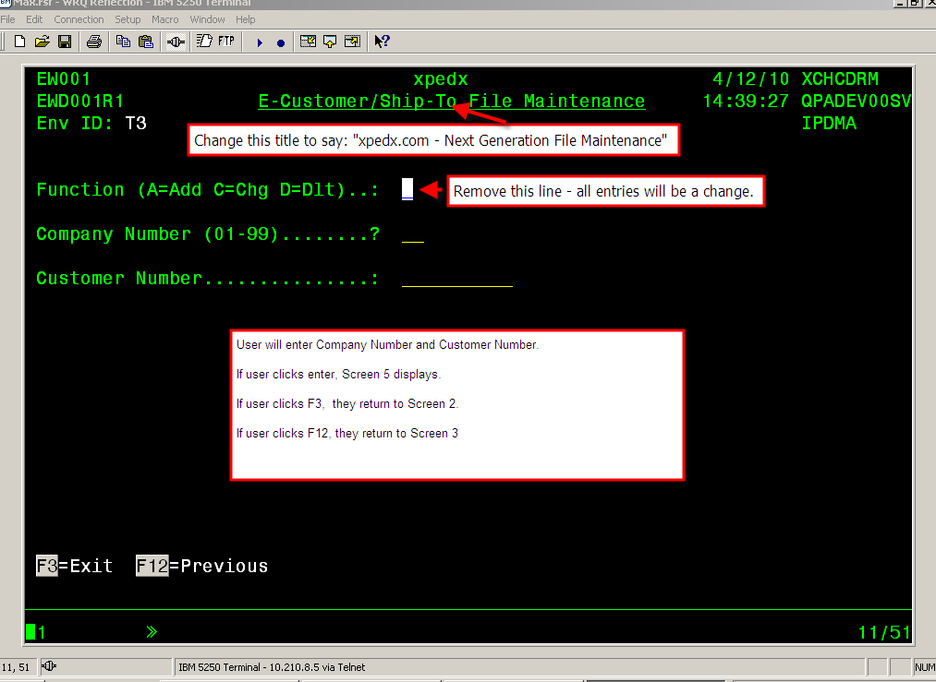

Screen 5

Data Mapping
If the Order Placement change fails or succeeds, MAX will send back what we receive from NG (sterling) instead of refreshing the order header/line from the order in MAX unless the change impacts fields that are calculated, in that case calculated fields will be re-calculated.
NO. | DW Field Name | .com Name-Yellow Highlight = new field | Target File/ Field | Action | Data Type .com (MAX) | Web Size | Interface Size | MAX Size | Start Position | MAX Description | MAX Source File/Field | Valid Values* | Can MAX accept change on OP from .com? (MAX Interrogates for change?) | Green = further discussion needed Notes
0.1 |  | Key |  |  |  |  |  |  | TBD |  |  | (Will discuss further w/ wM the values and format.) Sri will inform Mike W. Then subsequently inform BIM so we can update the map. | No | For webMethods use only. This will be used by wM & MAX. The key will identify the record that MAX should retrieve (or wM should retrieve) on sends back and forth from/to wM & MAX.
1 | NOT IN THE DW | Source Indicator - New Field |  | N/A | String (Alpha/Num) | 1 | N/A | N/A | TBD |  |  | Web -1 B2B -2 | No | For webMethods use only. Queue Identifier - This field is important for wM to know whether it needs to be put in the batch or the interactive queue.
2 | NOT IN THE DW | Transaction Status |  | N/A | String (Alpha/Num) | 1 | N/A | N/A | TBD |  |  | P - Pass F- Fail | No | For webMethods use only. This is to indicate whether or not this transaction failed from wM.
3 | NOT IN THE DW | Transaction Error Message |  | N/A | String | TBD | N/A | N/A | TBD |  |  |  | No | For webMethods use only. This field will contain the error stack when an application error is encountered by webMethods. It is passed to .com to log on their end
4 | NOT IN THE DW | Environment Id |  | R/S | String (Alpha/Num) | 2 | 2 | 2 | TBD | Environment Id |  | Mb | No | MAX will always populate w/ a M followed by a space. MAX will not use this field. Sterling and web Methods will use this field as a legacy/system identifier.
5 | NOT IN THE DW | Company |  | R/S | String (Numeric) | 2 | 2 | 2 | TBD | Company |  | XX | No | MAX will always populate w/ XX. All systems will ignore this field. MAX will use field 13 'Customer Division' CO_BR for the company code.
6 | NOT IN THE DW | Web Confirmation Number |  | R/S | String (Alpha/Num) | 14 | 14 | 14 | TBD | Web Confirmation Number |  | YYMMDDE####### if order is originating from .com | No | Generated by the system that the order is created in at the time of creating a new order . MAX will store this number in the MAX application. MAX will store the web confirmation number with the order throughout the life of the Order including History. The key characteristic of the WC# is that it is unique in the whole system for each “consolidated order” and is carried over in each split within that “consolidated order”, whether the legacy splits it or .com splits it. On order placement change - .com will send the WC# from original order. Structure of the WC# <Creation Date><System Identifier><7 digit number> Format of the WC# is YYMMDD(A|M|E)[(0-9)]{7} YY – 2 digit year MM – 2 digit month DD -2 digit day of month A – Access M – Max E – eCommerce The last 7 digit number in .com will be any 7 digit number. Legacy will be the Company + Order Number
7 |  | Order Division | ohwhid | R/S | String (Alpha/Num) | 2 | 2 | 2 | TBD | Warehouse ID |  | This is the same as the ship from | No | Division for which the order is placed. This is the MAX default warehouse for the ship to record. On new order - Not present on orders created by .com, but will be returned in the Order Place Response by Legacy. On order placement change - Passed from .com to Legacy . MAX will store as sent in Order placement change as done on current .com.
8 | ORD | Legacy Order Number | OHORNO | R/S | String (Alpha/Num) | 5 | 5 | 5 | TBD | Order Number |  | 5 digit base order number | No | Generated by Legacy. MAX order number is based on the company, order#, order generation. On new order - from .com, will not be populated. Will be returned by Legacy on Order Place Response - MAX will send the 1st order number. On order placement change - Will be passed from .com and MAX uses this as a key.
9 | SHIP_GEN | Generation Number | OHORGN | R/S | String (Alpha/Num) | 2 | 2 | 2 | TBD | Generation Number |  |  | No | Generated by Legacy. 1 field in MAX, 2 fields for ACCESS, Dist & Shipment. Assumption is wM is going to concatenate these 2 one position fields into generation number. On new order - Not populated by .com. Will be returned by Legacy in Order Place Response. On order placement change - Will be passed from .com on subsequent updates and MAX will use this as a key.
10 | NOT IN THE DW | Legacy Order Type |  | R/S | String (Alpha/Num) | 1 | 1 | 1 | TBD |  |  | D= Direct Orders S = All Others R = Returns (Future Use) Order Types 'Q', 'B' and 'R' will be handled in future releases but are out of scope for this project. Additional Legacy Order types will be mapped during detail design. | No | On new order - .com will send only D and S. If the order status changes in legacy, the order type will be evaluated in legacy and sent based on the table in the "codes" tab. Once the Direct order is placed, then the order can not be edited. (On the Order Update "Push" the Order Status will be marked as Released. Which will prevent any updates on the web.) It is ok to have multiple vendors on the sales order. PLEASE NOTE: Direct Orders-They do not go on release status. They go from backorder hold to invoice ready to print. 4/11/11 Clarification: When an item is sent to MAX as a stock item and MAX determines that the item is direct only, MAX will create a direct order and send a direct order type in the order placement response. If the order has both stock and direct items, the direct items will fail. (JIRA 1296)
11 |  | Update Flag WB Hold Flag |  | R/S | String (Alpha/Num) | 1 | 1 | 1 | TBD |  |  | 3/29/11: Y = .com sends as Web Hold Yes N Blank= .com sends as Web Hold No O = .com sends as taken off Web Hold | Yes | 3/29/11: See Web Hold Rqt tab and WH1.0 on the Functional Requirements tab. Default Value is N. Any value sent other than Y N & O will be treated as Not on Web Hold Y. (O will no longer be used.)
12 |  | Ship From Division | ohwhid | R/S |  | 2 | 2 | 2 | TBD |  |  | 3/19/10 - In MAX - (from Sri) Header will be populated w/ default customer warehouse. But MAX will ignore header and determine sourcing logic based on the line. If ship from override, NG will send at the line level. By default the Ship From at line will be blank. If line level is blank, MAX will perform the default sourcing logic. MAX will look at the line level first for determining ship from. | No | Division from where the order is shipped. MAX will not use this field. .com - On new order - Populate from customer profile. CSR can override this value. On order placement change - pass what is on the order.
 | NOT IN THE DW CURRENTLY | Customer Environment Id | sienv | R/S | String (Alpha/Num) | 2 | 2 | 2 | TBD | Environment Id |  | N3 N4 T3 T4 D3 D4 | No | The Environment ID will be sent from MAX Data Warehouse to Web in Customer Batch. MAX will use this field for validation to ensure that the transaction is in the correct environment. N3(PROD),N4(PROD),T3(STAGING),T4(STAGING), D3(DEV),D4(DEV) Assumption: -Datawarehouse will send "production" ex N3 in the customer profile -.com will do a process for staging to "initialize" these to indicate staging ex. T3. -Users (ex. legacy and web apps testers) will be able to modify customer profile in NG to indicate D3 for a customer so testing can be done and change customer back to T3 as needed. Statement: We will not hold up the Order Placement requirements due to this. (This applies to P &A and Order Update too.)
13 | CO_BR | Customer Division |  | R/S | String (Alpha/Num) | 2 | 2 | 2 | TBD |  |  |  | No | Send the company info as in number 5.
14 | CUST | Customer Number | ohcsno | R/S | String (Alpha/Num) | 10 | 10 | 10 | TBD | Customer Number |  |  | No | On new order - .com will populate from Customer Profile. On order placement update - .com will pass what is on the order. MAX will always pass as received from .com . Must be valid customer in MAX. Customer Account No, which is 117930 from the previous example
15 | SHIP_TO_SUFF | Ship To Suffix | ohshp# | R/S | String (Alpha/Num) | 7 | 7 | 7-can only enter 6 on the screen | TBD | Ship To Number |  |  | No | For ACCESS only. MAX will not allow a ship to override for BR1 and in future .com will send 9999999 for an override as 999 is a valid ship to. MAX will always pass as received from .com. This field will be in the interface for future use. Until MAX allows ship to overrides we will always receive the actual Ship To. Must be valid in MAX. Customer Ship to number, which is 200 from the previous example
16 |  | Ship to Name | ohshnm | R/S | String (Alpha/Num) |  | 30 | 30 | TBD | Ship- to Name |  |  | No | For ACCESS ONLY. MAX will not allow a ship to override. MAX will send information based on the Ship To master in MAX and ignore it in the inbound.
17 | ATTN | Attention Name | ohscnt | R/S | String (Alpha/Num) |  | 30 | 30 | TBD | Contact |  |  | Yes | Can be overridden. On new order - com will populate from Customer Profile or can be overridden. On order update - com will pass what is on the order MAX will store as received from .com in the Sales contact field (OHSCNT) and always send as received from .com up to 30 characters as is currently done today.
18 | ST_CUST_ADDR_1 | Ship to Address 1 | ohsad1 | R/S | String (Alpha/Num) |  | 30 | 30 | TBD | Ship-To Address 1 |  |  | No | MAX will populate from the order in MAX which is populated from the Ship-To master in MAX and send to .com. This field will be in the interface for future use.
19 | ST_CUST_ADDR_2 | Ship to Address 2 | ohsad2 | R/S | String (Alpha/Num) |  | 30 | 30 | TBD | Ship-To Address 2 |  |  | No | MAX will populate from the order in MAX which is populated from the Ship-To master in MAX and send to .com. This field will be in the interface for future use.
20 | ST_CUST_ADDR_3 | Ship to Address 3 | N/A | N/A | N/A |  | 30 | N/A | TBD | N/A |  |  | No | N/A - MAX does not have this field and will create on the interface table but not populate in MAX. MAX will send blank. This field will be in the interface for future use.
21 | ST_CUST_CITY | Ship to City | ohscty | R/S | String (Alpha/Num) | 20 | 20 | 20 | TBD | Ship-To City |  |  | No | MAX will populate from the order in MAX which is populated from the Ship-To master in MAX and send to .com. This field will be in the interface for future use.
22 | ST_CUST_ST | Ship to State | ohshst | R/S | String (Alpha/Num) | 2 | 2 | 2 | TBD | Ship-To State |  |  | No | MAX will populate from the order in MAX which is populated from the Ship-Tomaster in MAX and send to .com. This field will be in the interface for future use.
23 | ST_CUST_ZIP_CDE | Ship to ZIP | ohszip | R/S | String (Alpha/Num) |  | 10 | 10 | TBD | Ship-To Zip Code |  |  | No | MAX will populate from the order in MAX which is populated from the Ship-To master in MAX and send to .com. This field will be in the interface for future use.
24 | ST_COUNTRY_CODE | Ship to Country Code |  | R/S | String (Alpha/Num) | 2 | 2 | 2 | TBD | Ship-To Country Code |  |  | No | MAX will populate from the Ship-To master in MAX and send to .com. This field will be in the interface for future use. Not all MAX customers have country codes listed and blank will be sent.
25 | BILL_TO_SUFFIX | Bill To Suffix |  | R/S | String (Alpha/Num) |  | 3 | 3 | TBD |  |  | MAX sends 000 | No | 000 for MAX always . MAX will receive 000and send back 000.
26 | BILL_TO_NAME | Bill to Name | ohcsnm | S | String (Alpha/Num) |  | 30 | 30 | TBD | Customer Name |  |  | No | MAX will populate from the order in MAX which is populated from the customer master in MAX and send to .com.
27 | BT_CUST_ADDR_1 | Bill to Address 1 | ohcad1 | R/S | String (Alpha/Num) |  | 30 | 30 | TBD | Customer Address Line 1 |  |  | No | On new order - .com will populate from Customer Profile. On order placement update - . com pass what is on the order. MAX will populate from the order in MAX which is populated from the customer master in MAX and send to .com.
28 | BT_CUST_ADDR_2 | Bill to Address 2 | ohcad2 | R/S | String (Alpha/Num) |  | 30 | 30 | TBD | Customer Address Line 2 |  |  | No | On new order - .com will populate from Customer Profile. On order placement update - . com pass what is on the order. MAX will populate from the order in MAX which is populated from the customer master in MAX and send to .com.
29 | BT_CUST_ADDR_3 | Bill to Address 3 | N/A | N/A |  |  | 30 | N/A | TBD | N/A |  |  | No | N/A - MAX does not have this field and will create on the interface table but not populate in MAX. MAX will send spaces. This field will be in the interface for future use.
30 | BT_CUST_CITY | Bill to City | ohblcy | R/S | String (Alpha/Num) | 20 | 20 | 20 | TBD | Bill-To City |  |  | No | On new order - .com will populate from Customer Profile. On order placement update - . com pass what is on the order. MAX will populate from the order in MAX which is populated from the customer master in MAX on send to .com.
31 | BT_CUST_STATE | Bill to State | ohblst | R/S | String (Alpha/Num) | 2 | 2 | 2 | TBD | Bill-To State |  |  | No | On new order - .com will populate from Customer Profile. On order placement update - . com pass what is on the order. MAX will populate from the order in MAX which is populated from the customer master in MAX and send to .com.
32 | BT_CUST_ZIP_CDE | Bill to Zip | ohblzp | R/S | String (Alpha/Num) |  | 10 | 10 | TBD | Bill-To Zip Code |  |  | No | On new order - .com will populate from Customer Profile. On order placement update - . com pass what is on the order. MAX will populate from the order in MAX which is populated from the customer master in MAX and send to .com.
33 | BT_COUNTRY_CODE | Bill to Country Code |  | R/S | N/A |  | 2 | 3 - can only enter 2 in MAX | TBD | Customer Country | cusms/CMCTID |  | No | N/A - MAX does not have this field and will ignore this data. MAX will send from the customer master. This data will not be maintained on the order.
34 | CUST_PO | Customer PO | ohcspo | R/S | String (Alpha/Num) |  | 22 | 22 | TBD | Customer Purchase Order Number |  |  | Yes - If the header Customer PO changes MAX will change this field on the MAX order and only change the line po# if line po# is also changed on the receive from .com. MAX will not change the line po # in response to the header change. | Customer supplied value. Can be empty. On new order - .com will use value supplied by customer. Legacy suggests .com allowing changes since currently they can be made on the Legacy. 4/7/10 - Per George T. .com will allow editing in this field.
35 | NA | Order Code | ohhlcd | R/S | String (Alpha/Num) | 1 | 1 | 2 | TBD | Order Hold Code |  | H - Customer requested hold Space - No selection by customer O - Customer removed hold request. MAX will translate H into XC. Space is no action required. O will remove the XC hold. When sending back to .com translate XC back to H . | Yes
36 | N/A | Ship Complete | ohcscd | R/S | String (Alpha/Num) | 1 | 1 | 1 | TBD | Complete Ship Code |  | 3/29/11: Next Gen will send: C=Ship Complete (will be translated to H on the order in MAX) Items will ship complete - no shipment until backorders are received N (will be translated to D on the order in MAX) =MAX will fill with what we have on promise date; kill the rest (no b/o) Y (will remain a blank on the order in MAX) = Accepts Back Orders - MAX will allow backorders. Blank=no customer selection, legacy uses what's on the master record | Yes | 3/29/11: On new order - set flag based on value received from Next Gen. When there's no selection, legacy will default to customer's master set up. Next Gen should generally send a value, it would be a very rare circumstance that a value will not be sent. If Blank sent on the order from Next Gen, MAX will use as defined on the customer master. -If Accept B/O? = Y on Customer Master, MAX will send "Y" & Back Orders will be accepted on the order. The order in MAX will contain blank on the Ship Complete field. If Accept B/O = N on Customer Master, MAX will send C & Items will ship complete - no shipment until backorders are received. The order in MAX will contain "H" on the Ship Complete field. If Accept B/O = D on Customer Master, MAX will send N & and MAX will fill with items we have on promise date; kill the rest . The order in MAX will contain "D" on the Ship Complete field. Ship complete is ignored for Direct Type orders On Order Placement Change (edit/cancel), this field is editable in Next Gen and MAX expects Y, N, or C from Next Gen. MAX will populate the order based on what is received from Next Gen as described above.
37 |  | Will Call (aka Shipment Code ) | worhof/xhus15 | R/S | String (Alpha/Num) | 1 | 1 | 1 | TBD | Shipment Code |  | P - Will call Space - standard In MAX the "P" will be translated to the 'Will Call" carrier code. Will need to translate this back to "P" when sending back to .com | Yes by CSR only | Will call checkbox on the website. If it is checked, pass 'P'. If it is left blank, it will ship standard or rule defined in legacy. MAX will designate this order as a "Will Call". Can not change on the web once the order is placed for MAX. These orders print immediately. 4-13-10 Will Call orders can not be sourced from anywhere other than the customers primary warehouse.
38 | SHIP_DATE | Ship Date ( aka Requested Deliver Date) | ohrsdt ohrscc (century) | R/S | String (Alpha/Num) | 8 | 8 | 6 + 2 | TBD | Requested Ship Date |  | .com format:YYYYMMDD MAX: YYMMDD w/ 2 position century field YY(century) is in a different field | Yes | 4-13-10 Ship date will be determined using current logic.
39 | NA | Header Comments |  | R/S | String (Alpha/Num) | 250 | 250 | N/A | TBD |  |  |  | Yes No | 3-29-11 Change: Sterling will hand off to wM as a header comment. Web Methods will process a 250 character sting from Sterling into up to 5- 62 character strings (each 5 is made up of 2- 31 character strings). MAX will make this/these a line comment(s) detail records on New Order Placement. These comments will be identified as header via 000 HDCOMMENT in web line number when received from .com. Header comments will be sent back as received 000 with HDCOMMENT in Web Line Number for header comments on New Order Placement and Order Placement change. MAX will ignore Header Comments sent from Next Gen for the order in MAX. The Header Comments in the Order Placement Response can have more than 250 characters. Please refer to the Functional Tab/HCOM requirements. (wM will drop off the web line# before sending to Sterling.) On new order - ..com will send if present. Change order - .com will send changes
40 | ORD_BY | Ordered By Name | orhedxx/ohadta key = ordby | R/S | String (Alpha/Num) | 50 | 50 | 50 | TBD |  |  |  | No | Web user name, person name ordering on the web. On new order - .com will populate user name from User Profile. On order update - .com will pass what is on the order. MAX will send back as received from the web. 4/7/10 - if no name is received from .com, current MAX logic applies.
41 | ORD_ENTRY_DATE | Order Create Date (aka Entry Date) | ohetdt ohetcc (century) | R/S | String (Alpha/Num) | 8 | 8 | 6 + 2 | TBD | Entry Date |  | .com format: YYYYMMDD MAX: YYMMDD w/ 2 position century field YY(century) is in a different field | No | On new order - .com will set current date. On order update - .com will pass what is on the order. MAX will ignore the date sent by .com and use the MAX order create date - The MAX system date when the order was created in MAX. The MAX order create date will be sent back to .com.
42 | ORD_ENT_METH | Order Source | ohorsc | R/S | String (Alpha/Num) |  | 1 | 2 | TBD | Order Source |  | 4/7/11 Web Apps changed the values but there is no change to MAX handling. Recording the new definition of the values as an fyi: 1 = B2B - EDI (Electronic) 2 = B2b - EDI - Internal (touched by eCSR in .com) 3 = Web Order - External - Orders placed via web channel 4 = Web Order - Internal - Orders placed via Call Center (Touched by eCSR in .com) | No | B2B/Internal/External/CurrentDotcom On new order - assigned by .com On order update - what ever is on the order .com will just send that. .com will feed this information to MAX. MAX will feed to Data Warehouse. MAX will send as received. MAX will continue to have Order Source identify any 1-4 as "IN" coming from the web. 1-4 will also be stored behind the scenes. MAX needs to send IN and 1-4 to data warehouse. MAX will store throughout Order History. (Added 4/19/10) Need to understand that 1-4 can not be changed in MAX and therefore can't id via this field if order updates were made in MAX. Order Source needs to be on the split and backorders.
43 | NA | Header Process Code | N/A | R/S | String (Alpha/Num) |  | 1 |  | TBD | N/A |  | A = Add C=Change D = Delete H = Header Update only | Yes | A = Add, C=Change, D = Delete, H = Header Update Only 6/15/10 -MAX will receive 'A ' (Add a new order) from NG. MAX will send 'C' if successful or 'D' if unsuccessful in the Order Placement response. -MAX will receive 'C' (Change the order) from NG for Order Placement changes. MAX will send 'C' if successful or unsuccessful in the Order Placement response. -MAX will receive 'D' (Delete the whole order) from NG if the whole order is cancelled. MAX will send 'D' if successful or 'C' if unsuccessful in the Order Placement response. The following header data can be changed on .com: Customer PO Order Hold Code Header Comments (4/7/10 - We will have H, however web apps is still discussing if Sterling can feasibly do this. Need to know for HP during design whether this is feasible.) 'H' Header Update only will not be used.
44 |  | Order Status |  | R/S | String (Alpha/Num) |  | 15 | 3 | TBD |  |  |  | No | Please see Order Status Tab - as of 2-16-2011, a 3 character code will be sent and blanks in all other positions of the field.
45 |  | Order Status Comment |  |  |  |  | 20 |  | TBD |  |  |  | No | Please see Order Status Tab - as of 2-16-2011 blanks will be sent.
46 | CURNCY_CDE | Currency Code | N/A | R/S | String (Alpha/Num) | 3 | 3 | 3 | TBD | N/A |  | Use ISO standard abbreviations | No | New field that specifies which currency the prices are on this order. On new order - .com will populate from Customer Profile. For MAX this will always send USD until currency code is put in place for MAX. MAX will send back as received.
47 |  | Total Shippable Value |  | S | String (Alpha/Num) |  | 15,5 |  | TBD |  |  |  | No, MAX will recalculate and populate on send. | This contains the extended price based on shippable qty (not ordered) Total of all shippable charges + Misc Charges (Shippable taxes should not be included in this) MAX will calculate from ohisam + ohscam and send this. Please follow the same logic as OE101C.
48 |  | Total Order Value (aka Total Sales) | ohorvl | S | String (Alpha/Num) |  | 15,5 |  | TBD |  |  |  | No, MAX will recalculate and populate on send. | Order Total = Ordered Value (Shippable taxes should not be included in this) MAX will send this. Please follow the same logic as OE101C. 12/30/10 Update: Shippable taxes are included.
49 |  | Order Special Charges |  | S | String (Alpha/Num) |  | 15,5 |  | TBD |  |  |  | No, MAX will recalculate and populate on send. | SG - Total of all special charges. We will populate it. If sterling doesn't want to use it is up to them. Please follow the same logic as OE101C.
50 |  | Order Freight |  | S | String (Alpha/Num) |  | 15,5 |  | TBD |  |  |  | No, MAX will recalculate and populate on send. | Values will always be zero because freight is included in the miscellaneous charges.
51 |  | OrderTax | ohtxam | S | String (Alpha/Num) |  | 15,5 |  | TBD |  |  |  | No, MAX will recalculate and populate on send. | MAX will populate shippable order tax. Order Tax = Tax on Shippable values (Do what is currently done on MAX currently for xpedx.com.) If not taxable on the whole order, then send 0’s. Please follow the same logic as OE101C.
52 | NA | Header Status Code |  | S | String (Alpha/Num) |  | 5 |  | TBD |  |  | M#### = M + 4 digit error code M0000 = Successful Order Entry M0002 = Order Not Found in Change Mode M0003 = Order in use in Change Mode M0004 = Order Status Not Valid in Change Mode M0005 = Order not found for delete in DELETE Mode M0006 = 129: Customer no. does not exist in Customer Master File M0007 = 802: This Customer has been suspended M0008 = 751: This ship-to number is not on file M0009 = Order Status not valid for delete M0010 = Order in Use Delete not allowed M0020 = Invalid Request Date M0023 = 821: Warehouse ID is not valid M0039 = Company number sent is zero or blank M0040 = Customer Number sent is zero or blank M0099 = Environment sent is invalid See Notes for additional status added in December. | No | Need to define all possible codes. Legacy to define in case of error. At the end of design HP will provide a list of error codes to be added in this document and forwarded to Web Apps. Web Apps will define the message that displays on the .com. 4/9/10 - Sri has already given the current errors to Barb however, due to new fields etc. it now seems likely the errors will come at the end of design. The process (requirement from .com) will be if 10 lines come in from .com and 1 line errors (line 5) , then MAX will send back all lines and one line will indicate an error in the response back to .com after the order has been created. (Order Placement response will contain 10 lines.) MAX will not have the line w/ the error - Only 9 lines. MAX will have a sequence line number of 5 but it will have the web line number of 6 in 5. .com will still have 10 lines. .com will correct the issue in .com and send through as an order placement change with web line 5 (MAX line 10). Current MAX process: Trigger the interface program which receives and processes to validate that the data is good. It builds the data to send in the off-line process. The data stored in work files will be used for OE130. OE130 is called and updates the work files so at the return of 0E130, the can see if there are immediate pick requirements. The update data will return info to communicate triggers but not errors. A response is sent to .com once an order is created in MAX and print if immediate print carrier. If there is a fatal error (environment issue etc.) the OE130 will not be invoked. M0038 = NHOPCD <> (A, C, D) M0097 = Requested Ship date is a far off date in future. EWF025 file is checked here. Fatal error and order not created. M0036 = Requested ship date is Invalid(for example, a Sunday), TAKEN FROM EWF020 file. Or if there is a Blank Ship date. Both are non - Fatal errors. Next shipping date is taken M0037 = date/warehouse/carrier is not in the date file(EWF020) M0021 =
Added Aug 2011 |  | Lock Flag |  | R/S |  | 1 | 1 | 1 |  |  |  | Y = Lock N = Unlock Blank (this value is used for some Order Updates) |  | MAX will return as received from Next Gen for the Order Placement Response. See functional requirments tab - Requirement "Issue 2 - 1" for more information.
Added Aug 2011 |  | Unique Key |  | R/S | Alpha/Numeric | 50 | 60 | 60 |  |  |  |  |  | MAX will receive, store, and return as received from Next Gen. See functional requirments tab - Requirement "Issue 3 - 1" for more information.
53 |  | End of Order Header |  | R/S - legacy will receive/send from webMethods | String (Alpha/Num) |  | 1 |  | TBD |  |  | ":" (colon) | No | Indicates the end of the header.
LINE STARTS HERE |  |  |  |  |  |  |  |  | TBD
0.1 |  | Key |  |  |  |  |  |  | TBD |  |  | Will be determined in design by HP & wM. |  | For webMethods use only. This will be used by wM & MAX. The key will identify the record that MAX should retrieve (or wM should be retrieved on sends back and forth from/to wM & MAX.
0.2 |  | Line Sequence Number |  | S |  |  |  |  | TBD |  |  |  | NA | This will be used by webMethods only. Added per Sri on 3/22/10
1 | NA | Web Line Number |  | R/S | String (Alpha/Num) |  | 9 | 9 | TBD |  |  | M######## or E######## M = MAX ,(E = ecommerce), (Sterling will use up to the 8 least significant digits of the system generated line key. ) Legacy will use the actual order number (5 digits) + line sequence. | No | On new line - Generated at the time of adding a new line by the system that is creating the line. On change line - carry the WL# from original order. MAX will store the webline with the order throughout the life of the Order including History. 3/29/11 Note: See Functional Requirement WL 6.0 for additional information on Web Line numbers for comment lines associated to items.
2 | LNE_NO | Legacy Line Number |  | R/S | String (Alpha/Num) | 3 | 3 | 3 | TBD |  |  |  | No | On new order from .com - sent empty. Contains a value when legacy returns the Order Place response. On change order from .com - pass the value on original line. NEED TO DETERMINE A WAY ON THE SEND TO IDENTIFY HEADER COMMENTS FOR .COM. THE SOLUTION NEEDS TO CONSIDER KEEPING THE SEQUENCE OF LINE NUMBERS FOR THE ORDER OF PRESENTATION.
3 |  | Line Process Code |  | R/S | String (Alpha/Num) | 1 | 1 | 1 | TBD |  |  | A = Add, C= Change and D= Delete ADD (in new order all will be A) | Yes | These requirements will assume Sterling is sending the entire order on an Order Placement New & Change. 6/15/2010: -MAX will receive an 'A' from NG if a new line is added or for all lines of a new order. MAX will send a 'C' if successful or 'D' if not successful in the Order Placement response. - MAX will receive a 'C' from NG if there is a line change. MAX will send 'C' if successful ornot successful in the Order Placement response. - MAX will receive a 'D' from NG if the line is deleted. MAX will send a 'D' if successful or 'C' if not successful in the Order Placement response.
Note: It was determined in design that the promotion special charge codes would be 14 (instead of M00) and 15 (instead of M01)
4 | LNE_TYPE | Line Type | odlitp | R/S | String (Alpha/Num) | 1 | 1 | 1 | TBD | Line Item Type |  | S-type is based on customer profile flag. Cross reference shopping experience needs to be discussed P - Legacy product # = I (Item) in MAX S - Customer part # = I in MAX M - Charges = C (Charges) in MAX C - Comments = M (Management Comment) in MAX N - Mill (Non Stock) = M in MAX (product number is concatenated with the description.) O -Promotion = C (This is new) | No | MAX will send back what it receives in Order Placement. If .com sends a miscellaneous/special charge to MAX, .com will include the MAX charge code in the Special Charge Code (field 7). .com will indicate a price override and include the value of the charge in Unit Price. PROMOTIONS: please refer to the functional requirements also 2 types of O lines (Promotions) may be sent and both will be assigned a special charge code in MAX. .com will not send the Special Charge Code (field 7) for Promotions. .com will send a Promo code field up to 12 characters in the Legacy Product Code (field 5) • 1st type: Line Type O, when this is sent from .com it will: - include a negative value in the price and cost fields - include promotion code in Legacy Product Code. Promo code -new field in MAX - MAX will create the special charge code M00 - MAX will not send M00 back to .com • 2nd type: Line Type O, when this is sent from .com it will: - include promotion code in Legacy Product Code. Promo code -new field in MAX - inlcude zero in the price and cost fields. - Price Overrides are expected in other lines based on this promotion - MAX will create the special charge code M01 -MAX will not send M01 back to .com If the promotion description is received in the Line Descriptions (12 & 12.1), MAX will store on the order. If the promotion description is not received, MAX will populate the order with the MAX special charge code description and return to .com in Line Descriptions (12 & 12.1) . Special charge codes of M00 & M01 need to be created in MAX for this project. The BIM will indicate whether the charges are to be included in the terms or not using the flags in MAX. We suggest no discounted terms if they are getting a promotion amount. GL mapping must be performed for the new special charge codes for promotions. As of 4/19/10 whether or not the promo discount will be includ
5 | XPEDX_PART | Legacy Product Code | oditno | R/S | String (Alpha/Num) | 15 | 15 | 27 | TBD | Item Number |  |  | No | .com will send the legacy product code for each line whether or not the Customer Product Code is sent.
6 | CUST_PART | Customer Product Code | (send = iaxrf/cicsit) | R/S | String (Alpha/Num) | 27 | 27 | 27 | TBD | Item Number |  | MAX currently looks up the customer x-referenced part number and does not store what comes in from .com. | Yes | Customer Part Number On new line - if customer specific part number exists - populate. On change line - populate with value on original line. 3/19/10 MAX will validate as done today in Order Placement. - MAX will fail the line in order placement if invalid.
7 |  | Special Charge Code |  | R/S |  |  | 3 |  | TBD |  |  | MAX assumes .com will have the MAX Special Charge codes. | No | The special charge codes will be in this field. This field will be used also to identify the promotion type and Coupon. The fuel surcharge will not be sent back w/ the Order Placement response. This will be sent in the Order Update when the line is added in MAX for fuel surcharge.
8 | BASE_STK_UM | Base Unit of Measure | odunms | R/S | String (Alpha/Num) | 3 | 3 | 3 | TBD | Unit of Measure |  |  | No | Base UOM For the legacy part # on the line. 6/15/10- This is the legacy UOM not the EDI UOM.
9 |  | Ordered Qty in Base | odqtor | R/S | String (Alpha/Num) |  | 7 | 10 | TBD | Quantity Ordered |  |  | Yes | Qty ordered translated in Base Units. This cannot be negative or decimal value. Pass whole number for e.g 1, not 1.00 3/22/10 - Added back in per Sri/Bill
9.1 |  | Shippable Qty in Base | odqtsh | S | String (Alpha/Num) |  | 7 | 10 | TBD | Quantity Shipped |  |  | No MAX will re-populate on send
9.2 |  | Backorder Qty in Base | odboqt | S | String (Alpha/Num) |  | 7 | 10 | TBD | Quantity Backordered |  |  | No MAX will re-populate on send
10 |  | Price Unit of Measure | ODPRUM | R/S |  | 3 | 3 | 3 | TBD |  |  |  | No | Price Override "Unit Price" must be limited to 2 decimal places. Sterling should only accept 2 decimal.) Price override is on a unit price. 6/15/10- This is the legacy UOM not the EDI UOM.
11 |  | Unit Price (expressed in Price Unit of Measure) | ODASLP ORDETX/ ODPRCE | R/S |  |  | 15,5 | 11,5 | TBD |  |  |  | Yes | MAX - will not allow negative amounts (for Promotions, assuming using a Special Charge Code with the amount. New Order - set this value to include any discounts.
12 |  | Line Description - 1 | ODITD1, ODITD2 (31 each) | R/S |  |  | 62 | 31 | TBD |  |  |  | No (3/29/11) | Line description - field is not used for P and S type lines (legacy and customer part# type) and MAX will populate with MAX item descriptions. For line comments,/ notes from .com, webMethods will process a 250 character sting from Sterling into up to 5- 62 character strings made up of 2- 31 character strings. MAX will make this/these a line comment(s) detail records. These comments will be identified as header via 000 line number when received as header comments from .com. Header comments will be sent back as received 000 for header comments. Mill (Non-Stock) items are sent as comments. On new order - ..com will send if present. Change order - .com will send changes
12.1 |  | Line Description - 2 |  | R/S |  |  |  | 31 | TBD |  |  |  | No (3/29/11) | See comments in 12.
13 |  | Price Override Flag | ORDETX/ ODMTY1 | R/S |  |  | 1 | 1 | TBD |  |  | P - Price Override Blank - Use MAX pricing | Yes, but only blank to "P". Not P to blank. | MAX will price based on MAX pricing rules unless a P is sent from .com. For Next Gen the price override will be accepted by MAX regardless of interactive or b2b. MAX will return this as P or Blank based on what will be sent by .com. (MAX Price override can only take up to two decimal places. Sterling should only accept 2 decimal.) Price override is on a unit price.)
14 |  | Requested Unit of Measure (aka Customer order unit of measure) | ODCOUM | R/S |  | 3 | 3 | 3 | TBD |  |  |  | Yes | Requested UOM. EDI 2 character. The following 4 fields are always populated and are in sync with the Base unit/ordered qty, shippable qty and backordered qty fields. MAX will convert to a 3 character UOM and put on order in the MAX. The send to .com will be the 2 character UOM originally sent from .com. 6/15/10 - Receive/Send Case 1 - MAX will verify if UOM sent is the Customer UOM. If requested UOM matches to the Customer x-ref UOM then populate the field in MAX on the order with the associated MAX UOM. MAX will send the customer UOM as received from Next Gen.to Next Gen. Documents will print as today w/ the customer UOM. Case 2 - If not Customer UOM, validate that it is a valid MAX UOM, for the item, then populate the field in MAX on the order w/ the UOM received on the order. MAX will send the UOM as received from Next Gen. Case 3 - If not Case 1 or 2, send an error status as invalid UOM.
15 |  | Order Quantity in Requested UOM (aka Customer order quantity) | ODCQTO | R/S |  |  | 10,3 | 10,3 | TBD |  |  | 1.275 carton will look like 0000001275 1275 sheets will look like 0001275000 The decimal is implied. | Yes | Requested Order Qty. Never negative 7/12/10 MAX will send back the Order Qty in requested UOM value as received from .com on the send to NG. MAX will convert the quantity based on the customer UOM in IAXRF if applicable. MAX will store this field on the order as done today.
16 |  | Shippable Qty in Requested UOM (based on the Customer's ordering UOM) |  | S |  |  | 10,3 |  | TBD |  |  | 1.275 carton will look like 0000001275 1275 sheets will look like 0001275000 The decimal is implied. | No MAX will re-populate and send to .com | MAX will populate based on what MAX can ship converted into the customer's ordering UOM. 7/12/10 MAX will send back the shippable quantity in requested UOM value as received from .com on the send to NG. MAX will convert the shippable quantity in requested UOM based on the customer UOM in IAXRF if applicable. MAX will store this field on the order as done today.
17 |  | Backorder Qty in Requested (based on the Customer's ordering UOM) |  | S |  |  | 10,3 |  | TBD |  |  | 1.275 carton will look like 0000001275 1275 sheets will look like 0001275000 The decimal is implied. | No MAX will re-populate and send to .com | MAX will populate based on what MAX has back ordered converted into the customer's ordering UOM. 6/15/10 MAX will send back the Backorder Qty in requested UOM value as received from .com on the send to NG. MAX will convert the Backorder Qty in requested UOM based on the customer UOM in IAXRF if applicable. MAX will store this field on the order as done today.
18 |  | Customer line sequence number | ODCUGL | R/S |  |  | 6 | (5) See note | TBD | Customer line number |  | first 5 into POS 20->24 of ODCUGL (ODCUGL has a total size of 24) | Yes - (possibly only update vs. delete and add) | MAX will continue to use the interim solution. Customer Solutions will need to continue to control this in the mapping of new customers so that no more than 5 characters are sent for this field. From interface perspective we would receive three new fields but all the three will be mapped to GL Code field ODCUGL in MAX.
19 |  | Customer Line PO # | ODCSP2 | R/S |  |  | 18 | 22 | TBD |  |  |  | Yes - (possibly only update vs. delete and add) | MAX will store this and return as sent to .com.
20 |  | Customer line fld 1 | ODCUGL | R/S |  |  | 20 | (8) See note | TBD | Customer user fld 1 |  | first 8 into POS 1->8 of ODCUGL (ODCUGL has a total size of 24) | Yes - (possibly only update vs. delete and add) | MAX will continue to use the interim solution. Customer Solutions will need to continue to control this in the mapping of new customers so that no more than 8 characters are sent for this field. From interface perspective we would receive three new fields but all the three will be mapped to GL Code field ODCUGL in MAX.
21 |  | Customer line fld 2 | ODCUGL | R/S |  |  | 20 | (11) See note | TBD | Customer user fld 1 |  | first 11 into POS 9->19 of ODCUGL (ODCUGL has a total size of 24) | Yes - (possibly only update vs. delete and add) | MAX will continue to use the interim solution. Customer Solutions will need to continue to control this in the mapping of new customers so that no more than 11 characters are sent for this field. From interface perspective we would receive three new fields but all the three will be mapped to GL Code ODCUGL field in MAX.
21.1 |  | Customer line User Field 3 |  |  |  |  | 20 |  |  |  |  |  | NA | This will not be mapped to MAX from Next Gen. MAX will send blanks.
22 |  | Customer Line Account Number | ODSOP2 |  |  |  | 22 | 22 | TBD | Line Level Code/Job Acct#) |  |  | Yes - (possibly only update vs. delete and add) | User entered value. (aka Line Item PO#). MAX will store this and return as sent to .com.
23 |  | Ship from Branch | The ship from must be from the transfer circle. | R/S |  |  | 2 |  | TBD |  |  |  | Yes (Not available for BR1 - per GT 11/7/11) | Populate each line with the information from the header unless it is overridden. Inbound: MAX expects from .com that Ship from Branch is blank unless overridden. MAX will perform current ship from logic if not overridden. MAX will populate with the branch that the line was placed with on the send to .com.
24 |  | Line Notes Note, Any line notes in .com will be treated as comments in MAX. |  |  |  |  | 240 |  | TBD |  |  |  | NA | User entered field. wM to handle this field. Per discussions, this will not be used since Line level notes are not supported by MAX. If ACCESS populates this field, it'll be read-only on the web.
25 |  | Line Special Charges |  |  |  |  |  |  | TBD |  |  |  | NA
26 |  | Line Freight |  |  |  |  |  |  | TBD |  |  |  | NA
27 |  | Line Tax |  |  |  |  |  |  | TBD |  |  |  | NA | Multi-Supplier - For future release
28 |  | Shippable Line Total | odlnam | S |  |  | 15,5 |  | TBD | Line Total |  | Example: $120.00 = 000000012000000 | No | Total Line Value. Shippable Line Total (shippable quantity x unit price). MAX will calculate and populate in the send. This line could be negative due to promotions. (4/19/10)
28.1 |  | Adjustment Amount (added 4/2/2010) |  | R/S | Alpha/Numeric |  | 15,5 |  | TBD |  |  | Normally this will be negative. | Yes | This indicates the amount the line was adjusted based on the coupon. This field will only have a value if there is a Coupon code on the line. Price Override will be "P". MAX will retain this information with the line and send back to .com the amount as received. This will be sent to the history file and carried to the Data Warehouse. (This is not an editable field in MAX.)
28.2 |  | Coupon Code (added 4/2/2010 |  | R/S | Alpha/Numeric |  | 12 | 12 | TBD |  |  | TBD | Yes | This indicates that a coupon applies to the line. MAX needs to store the code to return as sent to .com. MAX will carry this information to the history file and data warehouse. Coupons will come in as an item line.
28.3 |  | Extended Line Total - | odlnvl | S |  |  | 15,5 | ? | TBD |  |  | Example: $120.00 = 000000012000001 | No | Extended Line Total (Order Quantity * Unit Price) This line could be negative due to promotions. (4/19/10)
29 |  | Line Status Code |  | S |  |  | 5 |  | TBD |  |  | M#### = M + 4 digit error code M0000 = Success M0011 = Invalid Line Type M0012 = 712: item number is not in the item master file M0013 = 801: This item is supended - cannont be ordered M0014 = 706: Quantity(s) are invalid M0019 = Invalid line code provided for header code send M0023 = 821:Warehouse ID is not valid M0029 = Invalid Customer UOM M0030 = Invalid MAX UOM See Notes for additional Line Status codes added in December 2010. | No | Need to define all possible codes. Legacy to define in case of error. At the end of design HP will provide a list of error codes to be added in this document and forwarded to Web Apps. Web Apps will define the message that displays on the .com. Additional error codes identified for BIM in December: M0022 = If change or delete is attempted on a direct order. M0080 = Invalid Order multiple M0098 = Item Not found in ITBAL M0078 = Customer Item number in Inbound(NDCSIT) <> Customer item number in IAXRF M0075 = Qty ordered>(9999999) M0024 = Header process code(NHOPCD) = 'A' and line process code <> 'A' M0025 = Header process code(NHOPCD) = 'D' and line process code <> 'D' M0031 = If the customer ordered UOM is not there a Base UOM or alternate UOM or an IAXRF UOM Added on 6/7/11: M0089 = IBDRSH is D for one item and not a D for the other item in a order. (An order has one or more Direct lines and other line(s) that are not direct.)

Appendix-Mapping Ex.
