K8s
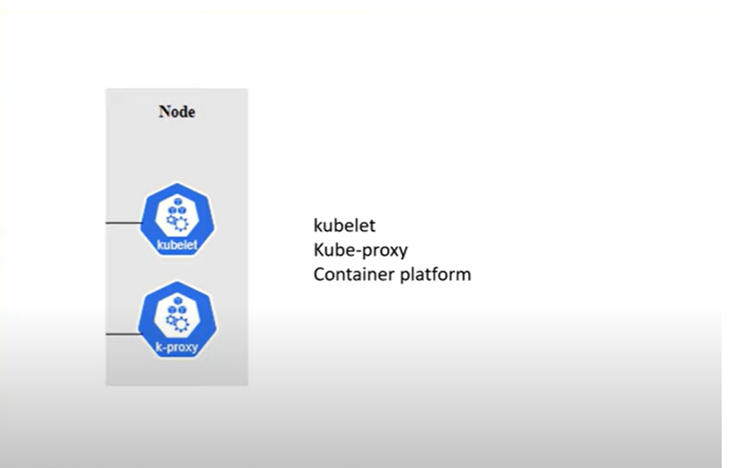
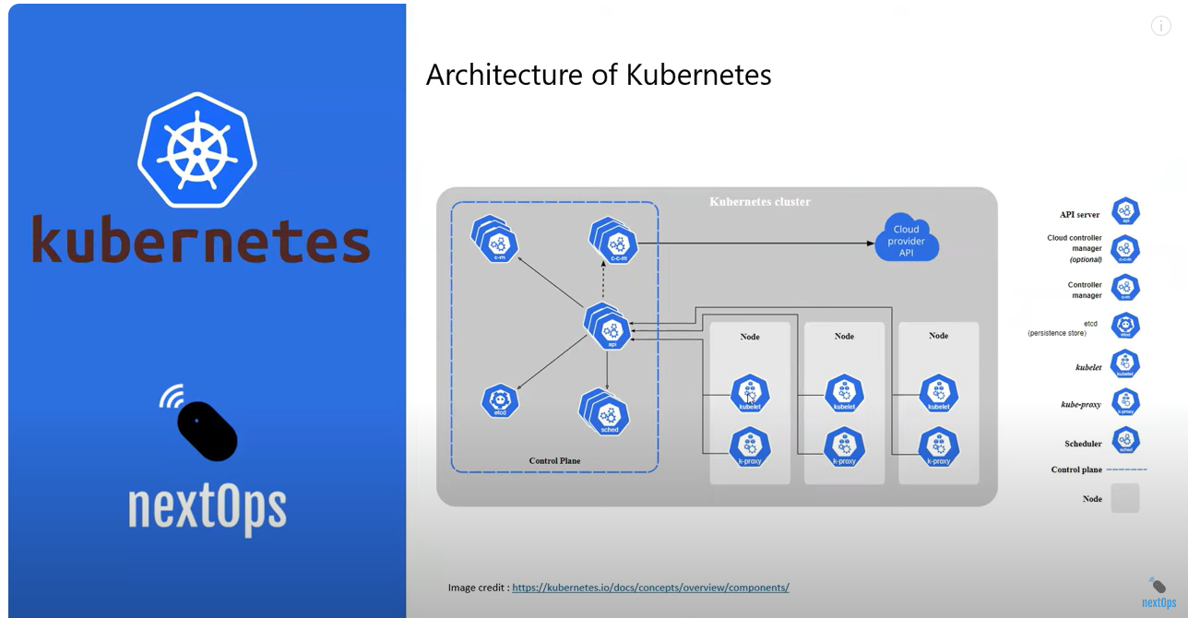

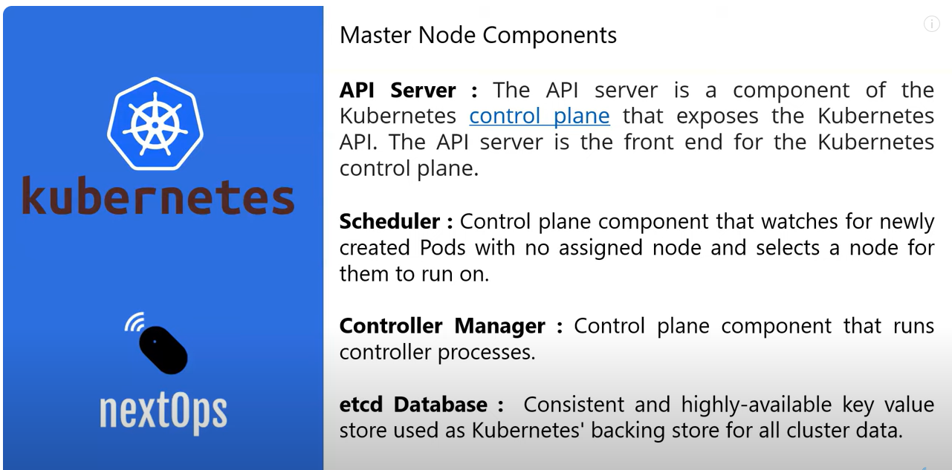

Worked Node Components
Kubelet | is the agent running in Worker node and the responsibility to connect with Master Node and update the perfomance metrics and status of the Worker node and its PODs
Kube-Proxy | responsibliyt of kube Proxy is to establish communication between Pods with in the worker node or from pod running in other worker node
Container Platform | is the platform for holding containers either it could be docker engine or any other simialr contaner platform

