Sheet1
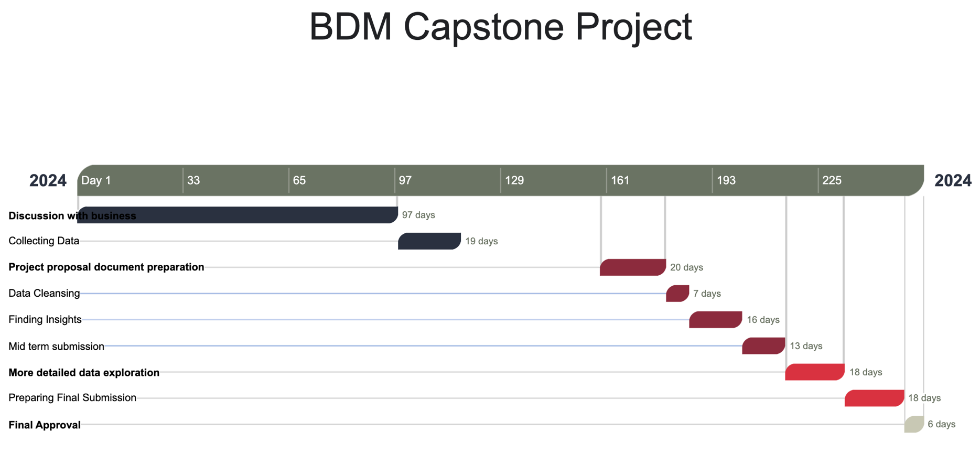

 |  | Tasks | Start Date | End Date | No. Of Days
 | 1 | BDM Project
 | 1.1 | Discussion with business | 10-Jan-24 | 15-Apr-24 | 96
 | 1.2 | Collectiong Data | 16-Apr-24 | 4-May-24 | 18
 | 1.3 | Project proposal document preparation & proposal acceptance | 16-Jun-24 | 5-Aug-24 | 50
 | 1.4 | Data Cleansing | 6-Aug-24 | 12-Aug-24 | 6
 | 1.5 | Finding Insights | 13-Aug-24 | 28-Aug-24 | 15
 | 1.6 | Mid term submission | 29-Aug-24 | 10-Sep-24 | 12
 | 1.7 | More detailed data exploration | 11-Sep-24 | 28-Sep-24 | 17
 | 1.8 | Preparing Final Submission | 29-Sep-24 | 15-Oct-24 | 16
 | 1.9 | Final Approval | 16-Oct-24 | 21-Oct-24 | 5

https://online.officetimeline.com/app/#/file/cd4da84e-46a6-4fc6-a441-a0ae2d8565ff/gantt-view

