trends-complete
setting | 2019-36 | 2019-38 | 2019-40 | 2019-42 | 2019-45 | 2019-47 | 2019-49 | 2019-51 | 2020-01 | 2020-03 | 2020-05 | 2020-07 | 2020-09 | 2020-11 | 2020-13 | 2020-15 | 2020-17 | 2020-19 | 2020-21 | 2020-23 | 2020-32 | 2020-34 | 2020-36
mx-true | 75.84% | 75.91% | 75.85% | 75.88% | 75.57% | 75.70% | 75.83% | 75.80% | 75.72% | 75.65% | 75.59% | 75.56% | 75.50% | 75.44% | 75.48% | 75.40% | 75.37% | 75.28% | 75.03% | 74.93% | 74.78% | 74.70% | 74.67%
mx-false | 23.58% | 24.09% | 24.15% | 24.12% | 24.43% | 24.30% | 24.17% | 24.20% | 24.28% | 24.35% | 24.41% | 24.44% | 24.50% | 24.56% | 24.52% | 24.60% | 24.63% | 24.72% | 24.97% | 25.07% | 25.22% | 25.30% | 25.33%
spf-false | 67.20% | 66.74% | 66.60% | 66.11% | 65.77% | 65.56% | 65.25% | 65.11% | 65.03% | 64.78% | 64.67% | 64.49% | 64.30% | 64.06% | 63.92% | 63.75% | 63.57% | 63.46% | 63.37% | 63.24% | 62.78% | 62.59% | 62.37%
spf-hardfail | 11.70% | 12.64% | 12.69% | 12.80% | 13.08% | 13.03% | 13.11% | 13.18% | 13.21% | 13.29% | 13.32% | 13.39% | 13.50% | 13.59% | 13.63% | 13.69% | 13.73% | 13.78% | 13.78% | 13.83% | 14.65% | 14.70% | 14.81%
spf-softfail | 17.10% | 17.21% | 17.31% | 17.71% | 17.80% | 18.07% | 18.33% | 18.40% | 18.47% | 18.65% | 18.75% | 18.87% | 18.97% | 19.15% | 19.27% | 19.39% | 19.55% | 19.62% | 19.74% | 19.84% | 19.53% | 19.68% | 19.78%
spf-nostance | 3.42% | 3.41% | 3.40% | 3.38% | 3.35% | 3.33% | 3.32% | 3.32% | 3.30% | 3.28% | 3.26% | 3.24% | 3.23% | 3.19% | 3.18% | 3.17% | 3.15% | 3.13% | 3.11% | 3.09% | 3.05% | 3.03% | 3.03%
dmarc-false | 96.03% | 95.66% | 95.61% | 95.51% | 95.17% | 95.27% | 95.08% | 95.04% | 94.98% | 94.92% | 94.91% | 95.17% | 95.23% | 95.38% | 95.51% | 95.46% | 95.42% | 95.38% | 95.35% | 95.31% | 94.73% | 94.69% | 94.57%
dmarc-test | 2.81% | 3.29% | 3.31% | 3.39% | 3.64% | 3.59% | 3.76% | 3.80% | 3.84% | 3.87% | 3.86% | 3.98% | 3.91% | 3.75% | 3.61% | 3.63% | 3.66% | 3.67% | 3.69% | 3.71% | 3.79% | 3.81% | 3.83%
dmarc-quarantine | 0.12% | 0.13% | 0.13% | 0.13% | 0.13% | 0.14% | 0.14% | 0.14% | 0.15% | 0.15% | 0.16% | 0.17% | 0.18% | 0.18% | 0.19% | 0.20% | 0.20% | 0.22% | 0.23% | 0.25% | 0.25% | 0.25% | 0.25%
dmarc-reject | 0.46% | 0.91% | 0.94% | 0.96% | 1.00% | 0.99% | 1.00% | 1.01% | 1.02% | 1.04% | 1.05% | 0.67% | 0.67% | 0.68% | 0.68% | 0.69% | 0.70% | 0.71% | 0.72% | 0.73% | 1.22% | 1.24% | 1.34%
dmarc-unknown | 0.00% | 0.01% | 0.01% | 0.01% | 0.06% | 0.01% | 0.01% | 0.01% | 0.01% | 0.01% | 0.01% | 0.01% | 0.01% | 0.01% | 0.01% | 0.01% | 0.01% | 0.01% | 0.01% | 0.01% | 0.01% | 0.01% | 0.01%
mx-true+spf-false+dmarc-false | 44.65% | 44.54% | 44.37% | 43.96% | 43.48% | 43.23% | 43.05% | 42.88% | 42.73% | 42.43% | 42.26% | 42.07% | 41.90% | 41.63% | 41.53% | 41.29% | 41.10% | 40.89% | 40.54% | 40.33% | 39.78% | 39.52% | 39.31%
mx-true+spf-false+dmarc-test | 0.06% | 0.06% | 0.06% | 0.06% | 0.06% | 0.08% | 0.08% | 0.08% | 0.08% | 0.07% | 0.08% | 0.08% | 0.08% | 0.08% | 0.09% | 0.09% | 0.09% | 0.07% | 0.07% | 0.07% | 0.07% | 0.07% | 0.07%
mx-true+spf-false+dmarc-quarantine | 0.00% | 0.00% | 0.00% | 0.00% | 0.00% | 0.00% | 0.00% | 0.00% | 0.00% | 0.00% | 0.00% | 0.00% | 0.00% | 0.00% | 0.00% | 0.00% | 0.00% | 0.02% | 0.02% | 0.03% | 0.02% | 0.02% | 0.02%
mx-true+spf-false+dmarc-reject | 0.06% | 0.08% | 0.08% | 0.07% | 0.08% | 0.07% | 0.07% | 0.07% | 0.07% | 0.08% | 0.08% | 0.08% | 0.08% | 0.08% | 0.08% | 0.08% | 0.09% | 0.09% | 0.09% | 0.09% | 0.08% | 0.09% | 0.08%
mx-true+spf-false+dmarc-unknown | 0.00% | 0.01% | 0.01% | 0.01% | 0.04% | 0.01% | 0.01% | 0.01% | 0.01% | 0.01% | 0.01% | 0.01% | 0.01% | 0.01% | 0.01% | 0.01% | 0.01% | 0.01% | 0.01% | 0.00% | 0.00% | 0.00% | 0.00%
mx-true+spf-hardfail+dmarc-false | 10.02% | 10.05% | 10.06% | 10.10% | 10.05% | 10.11% | 10.14% | 10.14% | 10.12% | 10.17% | 10.19% | 10.22% | 10.30% | 10.50% | 10.66% | 10.70% | 10.71% | 10.70% | 10.70% | 10.72% | 11.43% | 11.46% | 11.46%
mx-true+spf-hardfail+dmarc-test | 0.99% | 1.00% | 1.01% | 1.02% | 1.13% | 1.21% | 1.23% | 1.29% | 1.32% | 1.34% | 1.33% | 1.34% | 1.29% | 1.15% | 1.02% | 1.03% | 1.04% | 1.05% | 1.05% | 1.06% | 1.11% | 1.12% | 1.13%
mx-true+spf-hardfail+dmarc-quarantine | 0.05% | 0.06% | 0.06% | 0.06% | 0.06% | 0.06% | 0.06% | 0.06% | 0.07% | 0.07% | 0.07% | 0.08% | 0.08% | 0.08% | 0.09% | 0.10% | 0.10% | 0.10% | 0.10% | 0.10% | 0.11% | 0.11% | 0.11%
mx-true+spf-hardfail+dmarc-reject | 0.15% | 0.16% | 0.17% | 0.18% | 0.19% | 0.19% | 0.20% | 0.20% | 0.20% | 0.21% | 0.21% | 0.22% | 0.22% | 0.23% | 0.23% | 0.23% | 0.23% | 0.29% | 0.30% | 0.30% | 0.31% | 0.32% | 0.40%
mx-true+spf-hardfail+dmarc-unknown | 0.00% | 0.00% | 0.00% | 0.00% | 0.00% | 0.00% | 0.00% | 0.00% | 0.00% | 0.00% | 0.00% | 0.00% | 0.00% | 0.00% | 0.00% | 0.00% | 0.00% | 0.00% | 0.00% | 0.00% | 0.00% | 0.00% | 0.00%
mx-true+spf-softfail+dmarc-false | 15.30% | 15.39% | 15.47% | 15.80% | 15.93% | 16.16% | 16.25% | 16.35% | 16.40% | 16.57% | 16.66% | 16.69% | 16.78% | 16.93% | 17.03% | 17.12% | 17.26% | 17.32% | 17.41% | 17.49% | 17.13% | 17.26% | 17.35%
mx-true+spf-softfail+dmarc-test | 1.48% | 1.49% | 1.50% | 1.56% | 1.52% | 1.55% | 1.71% | 1.68% | 1.69% | 1.70% | 1.70% | 1.79% | 1.80% | 1.81% | 1.82% | 1.83% | 1.84% | 1.85% | 1.88% | 1.88% | 1.91% | 1.92% | 1.92%
mx-true+spf-softfail+dmarc-quarantine | 0.05% | 0.05% | 0.06% | 0.06% | 0.06% | 0.06% | 0.06% | 0.06% | 0.06% | 0.06% | 0.07% | 0.07% | 0.07% | 0.07% | 0.07% | 0.08% | 0.08% | 0.08% | 0.08% | 0.09% | 0.09% | 0.10% | 0.10%
mx-true+spf-softfail+dmarc-reject | 0.03% | 0.03% | 0.03% | 0.03% | 0.03% | 0.03% | 0.03% | 0.03% | 0.04% | 0.04% | 0.04% | 0.04% | 0.04% | 0.04% | 0.04% | 0.04% | 0.04% | 0.04% | 0.04% | 0.04% | 0.04% | 0.05% | 0.05%
mx-true+spf-softfail+dmarc-unknown | 0.00% | 0.00% | 0.00% | 0.00% | 0.00% | 0.00% | 0.00% | 0.00% | 0.00% | 0.00% | 0.00% | 0.00% | 0.00% | 0.00% | 0.00% | 0.00% | 0.00% | 0.00% | 0.00% | 0.00% | 0.00% | 0.01% | 0.01%
mx-true+spf-nostance+dmarc-false | 2.89% | 2.88% | 2.87% | 2.85% | 2.83% | 2.82% | 2.81% | 2.81% | 2.79% | 2.78% | 2.76% | 2.75% | 2.74% | 2.70% | 2.69% | 2.69% | 2.67% | 2.65% | 2.63% | 2.61% | 2.56% | 2.54% | 2.54%
mx-true+spf-nostance+dmarc-test | 0.10% | 0.10% | 0.10% | 0.10% | 0.10% | 0.10% | 0.10% | 0.10% | 0.10% | 0.10% | 0.10% | 0.10% | 0.10% | 0.10% | 0.10% | 0.10% | 0.10% | 0.10% | 0.10% | 0.11% | 0.11% | 0.11% | 0.11%
mx-true+spf-nostance+dmarc-quarantine | 0.00% | 0.00% | 0.01% | 0.01% | 0.01% | 0.01% | 0.01% | 0.01% | 0.01% | 0.01% | 0.01% | 0.01% | 0.01% | 0.01% | 0.01% | 0.01% | 0.01% | 0.01% | 0.01% | 0.01% | 0.01% | 0.01% | 0.01%
mx-true+spf-nostance+dmarc-reject | 0.01% | 0.01% | 0.01% | 0.01% | 0.01% | 0.01% | 0.01% | 0.01% | 0.01% | 0.01% | 0.01% | 0.01% | 0.01% | 0.01% | 0.01% | 0.01% | 0.01% | 0.01% | 0.01% | 0.01% | 0.01% | 0.01% | 0.01%
mx-true+spf-nostance+dmarc-unknown | 0.00% | 0.00% | 0.00% | 0.00% | 0.00% | 0.00% | 0.00% | 0.00% | 0.00% | 0.00% | 0.00% | 0.00% | 0.00% | 0.00% | 0.00% | 0.00% | 0.00% | 0.00% | 0.00% | 0.00% | 0.00% | 0.00% | 0.00%
mx-false+spf-false+dmarc-false | 22.25% | 21.87% | 21.92% | 21.84% | 21.94% | 22.00% | 21.87% | 21.90% | 21.96% | 22.01% | 22.08% | 22.07% | 22.14% | 22.16% | 22.12% | 22.19% | 22.19% | 22.28% | 22.53% | 22.62% | 22.71% | 22.79% | 22.79%
mx-false+spf-false+dmarc-test | 0.15% | 0.14% | 0.14% | 0.15% | 0.15% | 0.15% | 0.14% | 0.13% | 0.14% | 0.14% | 0.14% | 0.15% | 0.07% | 0.07% | 0.07% | 0.07% | 0.07% | 0.07% | 0.07% | 0.07% | 0.07% | 0.07% | 0.07%
mx-false+spf-false+dmarc-quarantine | 0.00% | 0.00% | 0.00% | 0.00% | 0.00% | 0.00% | 0.00% | 0.00% | 0.00% | 0.00% | 0.00% | 0.00% | 0.00% | 0.00% | 0.00% | 0.00% | 0.00% | 0.00% | 0.00% | 0.00% | 0.00% | 0.00% | 0.00%
mx-false+spf-false+dmarc-reject | 0.03% | 0.03% | 0.03% | 0.03% | 0.03% | 0.03% | 0.03% | 0.03% | 0.02% | 0.02% | 0.02% | 0.03% | 0.02% | 0.03% | 0.03% | 0.03% | 0.03% | 0.03% | 0.03% | 0.03% | 0.03% | 0.03% | 0.03%
mx-false+spf-false+dmarc-unknown | 0.00% | 0.00% | 0.00% | 0.00% | 0.00% | 0.00% | 0.00% | 0.00% | 0.00% | 0.00% | 0.00% | 0.00% | 0.00% | 0.00% | 0.00% | 0.00% | 0.00% | 0.00% | 0.00% | 0.00% | 0.00% | 0.00% | 0.00%
mx-false+spf-hardfail+dmarc-false | 0.29% | 0.29% | 0.29% | 0.32% | 0.32% | 0.32% | 0.32% | 0.32% | 0.33% | 0.32% | 0.33% | 0.74% | 0.75% | 0.80% | 0.84% | 0.84% | 0.85% | 0.89% | 0.89% | 0.90% | 0.45% | 0.46% | 0.46%
mx-false+spf-hardfail+dmarc-test | 0.01% | 0.47% | 0.47% | 0.47% | 0.67% | 0.48% | 0.48% | 0.48% | 0.48% | 0.49% | 0.49% | 0.48% | 0.54% | 0.51% | 0.48% | 0.48% | 0.48% | 0.48% | 0.48% | 0.48% | 0.48% | 0.48% | 0.48%
mx-false+spf-hardfail+dmarc-quarantine | 0.01% | 0.01% | 0.01% | 0.01% | 0.01% | 0.01% | 0.01% | 0.01% | 0.01% | 0.01% | 0.01% | 0.02% | 0.02% | 0.02% | 0.02% | 0.02% | 0.02% | 0.02% | 0.02% | 0.02% | 0.02% | 0.01% | 0.01%
mx-false+spf-hardfail+dmarc-reject | 0.18% | 0.60% | 0.62% | 0.64% | 0.67% | 0.66% | 0.66% | 0.67% | 0.67% | 0.68% | 0.68% | 0.29% | 0.29% | 0.29% | 0.29% | 0.30% | 0.30% | 0.25% | 0.25% | 0.26% | 0.73% | 0.74% | 0.76%
mx-false+spf-hardfail+dmarc-unknown | 0.00% | 0.00% | 0.00% | 0.00% | 0.00% | 0.00% | 0.00% | 0.00% | 0.00% | 0.00% | 0.00% | 0.00% | 0.00% | 0.00% | 0.00% | 0.00% | 0.00% | 0.00% | 0.00% | 0.00% | 0.00% | 0.00% | 0.00%
mx-false+spf-softfail+dmarc-false | 0.22% | 0.23% | 0.23% | 0.23% | 0.24% | 0.25% | 0.25% | 0.25% | 0.26% | 0.26% | 0.27% | 0.27% | 0.27% | 0.28% | 0.29% | 0.29% | 0.30% | 0.30% | 0.31% | 0.31% | 0.32% | 0.33% | 0.33%
mx-false+spf-softfail+dmarc-test | 0.02% | 0.02% | 0.02% | 0.02% | 0.02% | 0.02% | 0.02% | 0.01% | 0.01% | 0.01% | 0.01% | 0.02% | 0.02% | 0.02% | 0.02% | 0.02% | 0.02% | 0.02% | 0.02% | 0.02% | 0.02% | 0.02% | 0.02%
mx-false+spf-softfail+dmarc-quarantine | 0.00% | 0.00% | 0.00% | 0.00% | 0.00% | 0.00% | 0.00% | 0.00% | 0.00% | 0.00% | 0.00% | 0.00% | 0.00% | 0.00% | 0.00% | 0.00% | 0.00% | 0.00% | 0.00% | 0.00% | 0.00% | 0.00% | 0.00%
mx-false+spf-softfail+dmarc-reject | 0.00% | 0.00% | 0.00% | 0.00% | 0.00% | 0.00% | 0.00% | 0.00% | 0.00% | 0.00% | 0.00% | 0.00% | 0.00% | 0.00% | 0.00% | 0.00% | 0.00% | 0.00% | 0.00% | 0.00% | 0.00% | 0.00% | 0.00%
mx-false+spf-softfail+dmarc-unknown | 0.00% | 0.00% | 0.00% | 0.00% | 0.00% | 0.00% | 0.00% | 0.00% | 0.00% | 0.00% | 0.00% | 0.00% | 0.00% | 0.00% | 0.00% | 0.00% | 0.00% | 0.00% | 0.00% | 0.00% | 0.00% | 0.00% | 0.00%
mx-false+spf-nostance+dmarc-false | 0.41% | 0.41% | 0.41% | 0.40% | 0.40% | 0.39% | 0.39% | 0.38% | 0.38% | 0.37% | 0.37% | 0.36% | 0.36% | 0.36% | 0.35% | 0.35% | 0.35% | 0.35% | 0.34% | 0.35% | 0.35% | 0.34% | 0.34%
mx-false+spf-nostance+dmarc-test | 0.01% | 0.01% | 0.01% | 0.01% | 0.01% | 0.01% | 0.01% | 0.01% | 0.01% | 0.01% | 0.01% | 0.01% | 0.01% | 0.01% | 0.01% | 0.01% | 0.02% | 0.02% | 0.02% | 0.01% | 0.02% | 0.02% | 0.02%
mx-false+spf-nostance+dmarc-quarantine | 0.00% | 0.00% | 0.00% | 0.00% | 0.00% | 0.00% | 0.00% | 0.00% | 0.00% | 0.00% | 0.00% | 0.00% | 0.00% | 0.00% | 0.00% | 0.00% | 0.00% | 0.00% | 0.00% | 0.00% | 0.00% | 0.00% | 0.00%
mx-false+spf-nostance+dmarc-reject | 0.00% | 0.00% | 0.00% | 0.00% | 0.00% | 0.00% | 0.00% | 0.00% | 0.00% | 0.00% | 0.00% | 0.00% | 0.00% | 0.00% | 0.00% | 0.00% | 0.00% | 0.00% | 0.00% | 0.00% | 0.00% | 0.00% | 0.00%
mx-false+spf-nostance+dmarc-unknown | 0.00% | 0.00% | 0.00% | 0.00% | 0.00% | 0.00% | 0.00% | 0.00% | 0.00% | 0.00% | 0.00% | 0.00% | 0.00% | 0.00% | 0.00% | 0.00% | 0.00% | 0.00% | 0.00% | 0.00% | 0.00% | 0.00% | 0.00%

spf-total | 28.80% | 29.85% | 30.00% | 30.51% | 30.88% | 31.10% | 31.43% | 31.58% | 31.67% | 31.94% | 32.07% | 32.26% | 32.47% | 32.75% | 32.90% | 33.08% | 33.28% | 33.40% | 33.52% | 33.67% | 34.18% | 34.38% | 34.59%
dmarc-total | 0.58% | 1.03% | 1.06% | 1.09% | 1.14% | 1.13% | 1.14% | 1.15% | 1.16% | 1.20% | 1.21% | 0.84% | 0.85% | 0.86% | 0.87% | 0.89% | 0.90% | 0.93% | 0.95% | 0.97% | 1.47% | 1.49% | 1.59%

trends-subset
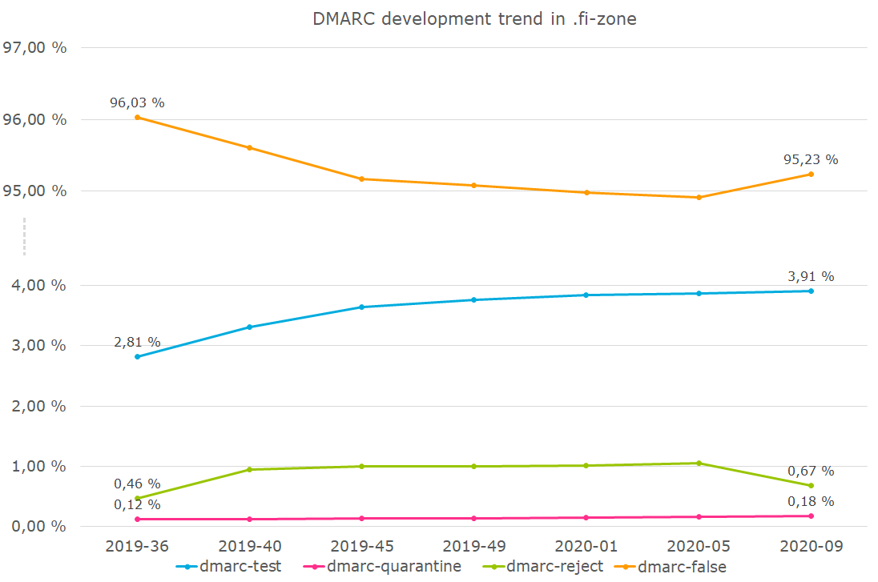
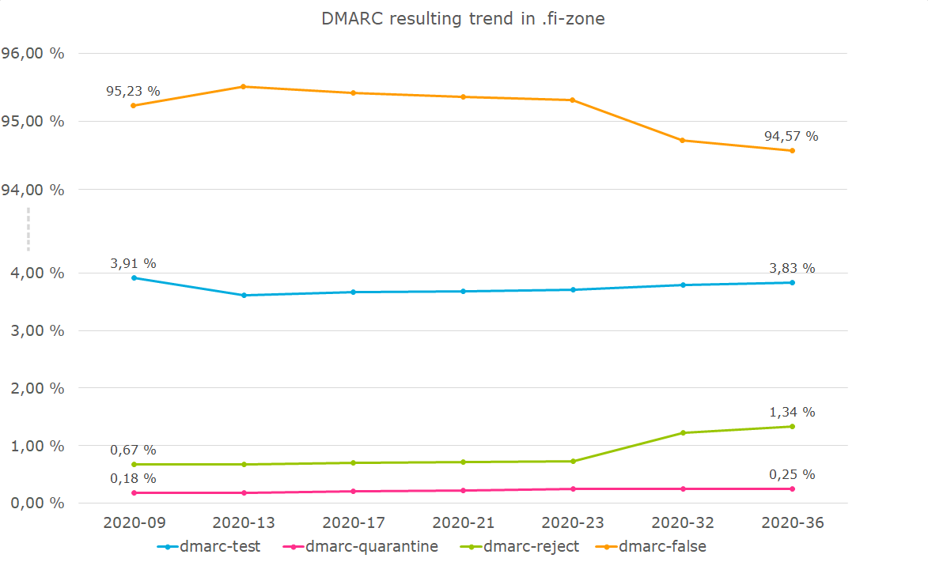
SPF development trend for .fi-zone
SPF resulting trend for .fi-zone
setting | 2019-36 | 2019-40 | 2019-45 | 2019-49 | 2020-01 | 2020-05 | 2020-09 | 2020-13 | 2020-17 | 2020-21 | 2020-23 | 2020-32 | 2020-36
mx-true | 75.84% | 75.85% | 75.57% | 75.83% | 75.72% | 75.59% | 75.50% | 75.48% | 75.37% | 75.03% | 74.93% | 74.78% | 74.67%
mx-false | 23.58% | 24.15% | 24.43% | 24.17% | 24.28% | 24.41% | 24.50% | 24.52% | 24.63% | 24.97% | 25.07% | 25.22% | 25.33%
spf-false | 67.20% | 66.60% | 65.77% | 65.25% | 65.03% | 64.67% | 64.30% | 63.92% | 63.57% | 63.37% | 63.24% | 62.78% | 62.37%
spf-hardfail | 11.70% | 12.69% | 13.08% | 13.11% | 13.21% | 13.32% | 13.50% | 13.63% | 13.73% | 13.78% | 13.83% | 14.65% | 14.81%
spf-softfail | 17.10% | 17.31% | 17.80% | 18.33% | 18.47% | 18.75% | 18.97% | 19.27% | 19.55% | 19.74% | 19.84% | 19.53% | 19.78%
spf-nostance | 3.42% | 3.40% | 3.35% | 3.32% | 3.30% | 3.26% | 3.23% | 3.18% | 3.15% | 3.11% | 3.09% | 3.05% | 3.03%
dmarc-false | 96.03% | 95.61% | 95.17% | 95.08% | 94.98% | 94.91% | 95.23% | 95.51% | 95.42% | 95.35% | 95.31% | 94.73% | 94.57%
dmarc-test | 2.81% | 3.31% | 3.64% | 3.76% | 3.84% | 3.86% | 3.91% | 3.61% | 3.66% | 3.69% | 3.71% | 3.79% | 3.83%
dmarc-quarantine | 0.12% | 0.13% | 0.13% | 0.14% | 0.15% | 0.16% | 0.18% | 0.19% | 0.20% | 0.23% | 0.25% | 0.25% | 0.25%
dmarc-reject | 0.46% | 0.94% | 1.00% | 1.00% | 1.02% | 1.05% | 0.67% | 0.68% | 0.70% | 0.72% | 0.73% | 1.22% | 1.34%
dmarc-unknown | 0.00% | 0.01% | 0.06% | 0.01% | 0.01% | 0.01% | 0.01% | 0.01% | 0.01% | 0.01% | 0.01% | 0.01% | 0.01%
mx-true+spf-false+dmarc-false | 44.65% | 44.37% | 43.48% | 43.05% | 42.73% | 42.26% | 41.90% | 41.53% | 41.10% | 40.54% | 40.33% | 39.78% | 39.31%
mx-true+spf-false+dmarc-test | 0.06% | 0.06% | 0.06% | 0.08% | 0.08% | 0.08% | 0.08% | 0.09% | 0.09% | 0.07% | 0.07% | 0.07% | 0.07%
mx-true+spf-false+dmarc-quarantine | 0.00% | 0.00% | 0.00% | 0.00% | 0.00% | 0.00% | 0.00% | 0.00% | 0.00% | 0.02% | 0.03% | 0.02% | 0.02%
mx-true+spf-false+dmarc-reject | 0.06% | 0.08% | 0.08% | 0.07% | 0.07% | 0.08% | 0.08% | 0.08% | 0.09% | 0.09% | 0.09% | 0.08% | 0.08%
mx-true+spf-false+dmarc-unknown | 0.00% | 0.01% | 0.04% | 0.01% | 0.01% | 0.01% | 0.01% | 0.01% | 0.01% | 0.01% | 0.00% | 0.00% | 0.00%
mx-true+spf-hardfail+dmarc-false | 10.02% | 10.06% | 10.05% | 10.14% | 10.12% | 10.19% | 10.30% | 10.66% | 10.71% | 10.70% | 10.72% | 11.43% | 11.46%
mx-true+spf-hardfail+dmarc-test | 0.99% | 1.01% | 1.13% | 1.23% | 1.32% | 1.33% | 1.29% | 1.02% | 1.04% | 1.05% | 1.06% | 1.11% | 1.13%
mx-true+spf-hardfail+dmarc-quarantine | 0.05% | 0.06% | 0.06% | 0.06% | 0.07% | 0.07% | 0.08% | 0.09% | 0.10% | 0.10% | 0.10% | 0.11% | 0.11%
mx-true+spf-hardfail+dmarc-reject | 0.15% | 0.17% | 0.19% | 0.20% | 0.20% | 0.21% | 0.22% | 0.23% | 0.23% | 0.30% | 0.30% | 0.31% | 0.40%
mx-true+spf-hardfail+dmarc-unknown | 0.00% | 0.00% | 0.00% | 0.00% | 0.00% | 0.00% | 0.00% | 0.00% | 0.00% | 0.00% | 0.00% | 0.00% | 0.00%
mx-true+spf-softfail+dmarc-false | 15.30% | 15.47% | 15.93% | 16.25% | 16.40% | 16.66% | 16.78% | 17.03% | 17.26% | 17.41% | 17.49% | 17.13% | 17.35%
mx-true+spf-softfail+dmarc-test | 1.48% | 1.50% | 1.52% | 1.71% | 1.69% | 1.70% | 1.80% | 1.82% | 1.84% | 1.88% | 1.88% | 1.91% | 1.92%
mx-true+spf-softfail+dmarc-quarantine | 0.05% | 0.06% | 0.06% | 0.06% | 0.06% | 0.07% | 0.07% | 0.07% | 0.08% | 0.08% | 0.09% | 0.09% | 0.10%
mx-true+spf-softfail+dmarc-reject | 0.03% | 0.03% | 0.03% | 0.03% | 0.04% | 0.04% | 0.04% | 0.04% | 0.04% | 0.04% | 0.04% | 0.04% | 0.05%
mx-true+spf-softfail+dmarc-unknown | 0.00% | 0.00% | 0.00% | 0.00% | 0.00% | 0.00% | 0.00% | 0.00% | 0.00% | 0.00% | 0.00% | 0.00% | 0.01%
mx-true+spf-nostance+dmarc-false | 2.89% | 2.87% | 2.83% | 2.81% | 2.79% | 2.76% | 2.74% | 2.69% | 2.67% | 2.63% | 2.61% | 2.56% | 2.54%
mx-true+spf-nostance+dmarc-test | 0.10% | 0.10% | 0.10% | 0.10% | 0.10% | 0.10% | 0.10% | 0.10% | 0.10% | 0.10% | 0.11% | 0.11% | 0.11%
mx-true+spf-nostance+dmarc-quarantine | 0.00% | 0.01% | 0.01% | 0.01% | 0.01% | 0.01% | 0.01% | 0.01% | 0.01% | 0.01% | 0.01% | 0.01% | 0.01%
mx-true+spf-nostance+dmarc-reject | 0.01% | 0.01% | 0.01% | 0.01% | 0.01% | 0.01% | 0.01% | 0.01% | 0.01% | 0.01% | 0.01% | 0.01% | 0.01%
mx-true+spf-nostance+dmarc-unknown | 0.00% | 0.00% | 0.00% | 0.00% | 0.00% | 0.00% | 0.00% | 0.00% | 0.00% | 0.00% | 0.00% | 0.00% | 0.00%
mx-false+spf-false+dmarc-false | 22.25% | 21.92% | 21.94% | 21.87% | 21.96% | 22.08% | 22.14% | 22.12% | 22.19% | 22.53% | 22.62% | 22.71% | 22.79%
mx-false+spf-false+dmarc-test | 0.15% | 0.14% | 0.15% | 0.14% | 0.14% | 0.14% | 0.07% | 0.07% | 0.07% | 0.07% | 0.07% | 0.07% | 0.07%
mx-false+spf-false+dmarc-quarantine | 0.00% | 0.00% | 0.00% | 0.00% | 0.00% | 0.00% | 0.00% | 0.00% | 0.00% | 0.00% | 0.00% | 0.00% | 0.00%
mx-false+spf-false+dmarc-reject | 0.03% | 0.03% | 0.03% | 0.03% | 0.02% | 0.02% | 0.02% | 0.03% | 0.03% | 0.03% | 0.03% | 0.03% | 0.03%
mx-false+spf-false+dmarc-unknown | 0.00% | 0.00% | 0.00% | 0.00% | 0.00% | 0.00% | 0.00% | 0.00% | 0.00% | 0.00% | 0.00% | 0.00% | 0.00%
mx-false+spf-hardfail+dmarc-false | 0.29% | 0.29% | 0.32% | 0.32% | 0.33% | 0.33% | 0.75% | 0.84% | 0.85% | 0.89% | 0.90% | 0.45% | 0.46%
mx-false+spf-hardfail+dmarc-test | 0.01% | 0.47% | 0.67% | 0.48% | 0.48% | 0.49% | 0.54% | 0.48% | 0.48% | 0.48% | 0.48% | 0.48% | 0.48%
mx-false+spf-hardfail+dmarc-quarantine | 0.01% | 0.01% | 0.01% | 0.01% | 0.01% | 0.01% | 0.02% | 0.02% | 0.02% | 0.02% | 0.02% | 0.02% | 0.01%
mx-false+spf-hardfail+dmarc-reject | 0.18% | 0.62% | 0.67% | 0.66% | 0.67% | 0.68% | 0.29% | 0.29% | 0.30% | 0.25% | 0.26% | 0.73% | 0.76%
mx-false+spf-hardfail+dmarc-unknown | 0.00% | 0.00% | 0.00% | 0.00% | 0.00% | 0.00% | 0.00% | 0.00% | 0.00% | 0.00% | 0.00% | 0.00% | 0.00%
mx-false+spf-softfail+dmarc-false | 0.22% | 0.23% | 0.24% | 0.25% | 0.26% | 0.27% | 0.27% | 0.29% | 0.30% | 0.31% | 0.31% | 0.32% | 0.33%
DMARC development trend in .fi-zone
mx-false+spf-softfail+dmarc-test | 0.02% | 0.02% | 0.02% | 0.02% | 0.01% | 0.01% | 0.02% | 0.02% | 0.02% | 0.02% | 0.02% | 0.02% | 0.02%
DMARC resulting trend in .fi-zone
mx-false+spf-softfail+dmarc-quarantine | 0.00% | 0.00% | 0.00% | 0.00% | 0.00% | 0.00% | 0.00% | 0.00% | 0.00% | 0.00% | 0.00% | 0.00% | 0.00%
mx-false+spf-softfail+dmarc-reject | 0.00% | 0.00% | 0.00% | 0.00% | 0.00% | 0.00% | 0.00% | 0.00% | 0.00% | 0.00% | 0.00% | 0.00% | 0.00%
mx-false+spf-softfail+dmarc-unknown | 0.00% | 0.00% | 0.00% | 0.00% | 0.00% | 0.00% | 0.00% | 0.00% | 0.00% | 0.00% | 0.00% | 0.00% | 0.00%
mx-false+spf-nostance+dmarc-false | 0.41% | 0.41% | 0.40% | 0.39% | 0.38% | 0.37% | 0.36% | 0.35% | 0.35% | 0.34% | 0.35% | 0.35% | 0.34%
mx-false+spf-nostance+dmarc-test | 0.01% | 0.01% | 0.01% | 0.01% | 0.01% | 0.01% | 0.01% | 0.01% | 0.02% | 0.02% | 0.01% | 0.02% | 0.02%
mx-false+spf-nostance+dmarc-quarantine | 0.00% | 0.00% | 0.00% | 0.00% | 0.00% | 0.00% | 0.00% | 0.00% | 0.00% | 0.00% | 0.00% | 0.00% | 0.00%
mx-false+spf-nostance+dmarc-reject | 0.00% | 0.00% | 0.00% | 0.00% | 0.00% | 0.00% | 0.00% | 0.00% | 0.00% | 0.00% | 0.00% | 0.00% | 0.00%
mx-false+spf-nostance+dmarc-unknown | 0.00% | 0.00% | 0.00% | 0.00% | 0.00% | 0.00% | 0.00% | 0.00% | 0.00% | 0.00% | 0.00% | 0.00% | 0.00%

spf-total | 28.80% | 30.00% | 30.88% | 31.43% | 31.67% | 32.07% | 32.47% | 32.90% | 33.28% | 33.52% | 33.67% | 34.18% | 34.59%
dmarc-total | 0.58% | 1.06% | 1.14% | 1.14% | 1.16% | 1.21% | 0.85% | 0.87% | 0.90% | 0.95% | 0.97% | 1.47% | 1.59%

dmarc-true | 3.39% | 4.38% | 4.78% | 4.90% | 5.01% | 5.07% | 4.76% | 4.48% | 4.57% | 4.63% | 4.68% | 5.26% | 5.41%

DMARC development trend in .fi-zone
DMARC resulting trend in .fi-zone

